Problem
Working Notebook
Use the file exercise0
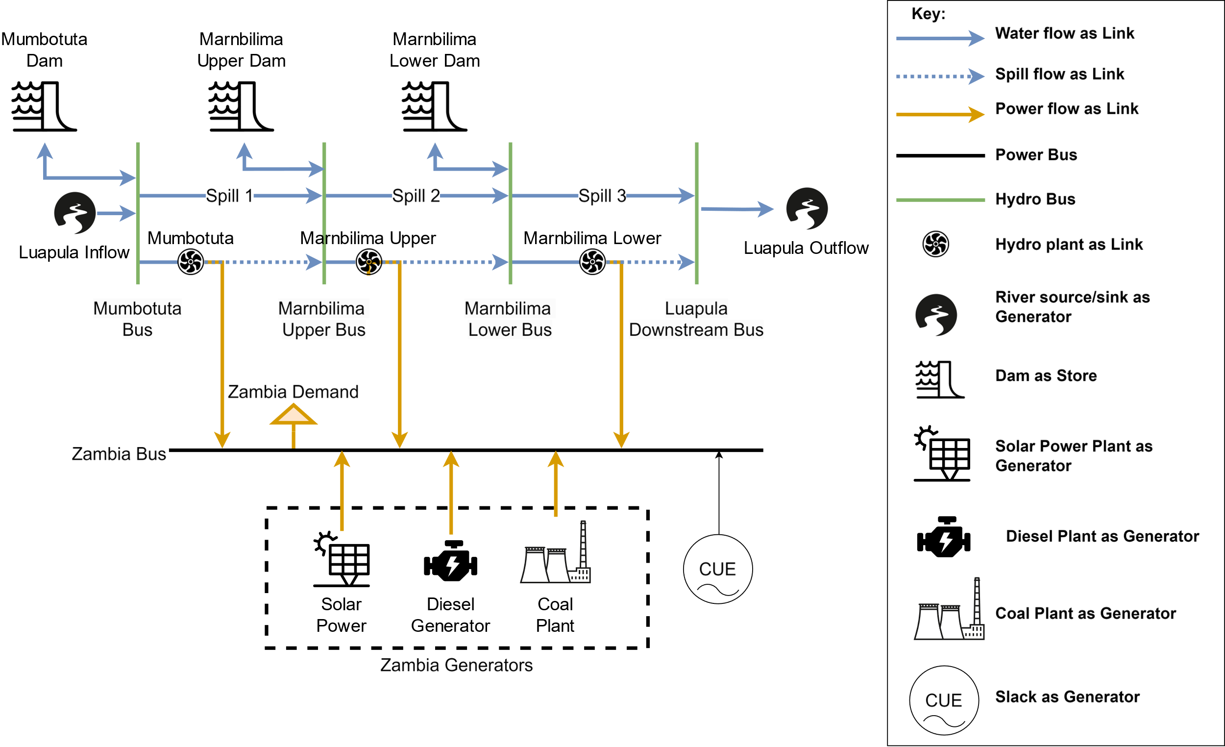

Resources

GIZ Report
Wind Measurement Data
Solar Measurement Data
Zambia IRP

