Problem
Working Notebook
Use the file exercise0
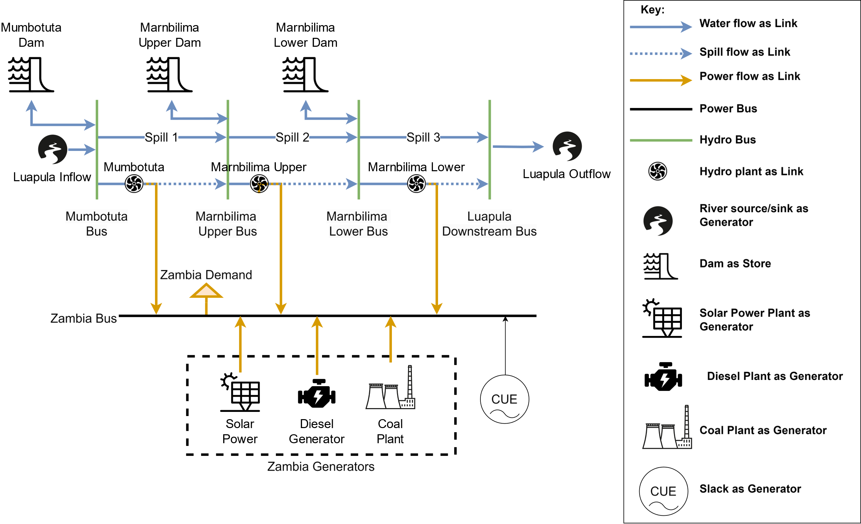

Resources

GIZ Report
Wind Measurement Data
Solar Measurement Data
Zambia IRP

Renewables Rationale
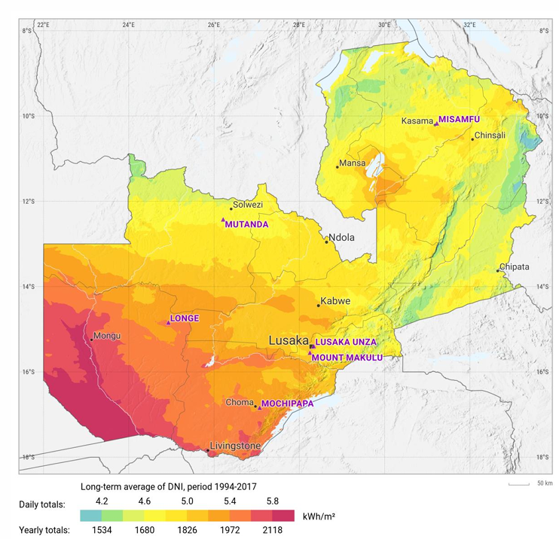
Wind Locations: | main.pdf (sciencedirectassets.com)
Mwandila, G., Mulenga, H., Thole, P. and Siwawa, E., 2024. Assessment of wind energy potential in Zambia. Energy for Sustainable Development, 78, p.101375.

Solar Location
Solar-Resource-and-PV-Potential-of-Zambia-Solar-Resource-Atlas.pdf (worldbank.org)
SOLAR RESOURCE AND PV POTENTIAL OF ZAMBIA, SOLAR RESOURCE ATLAS, April 2019, World Bank

