MMR 2018-2022
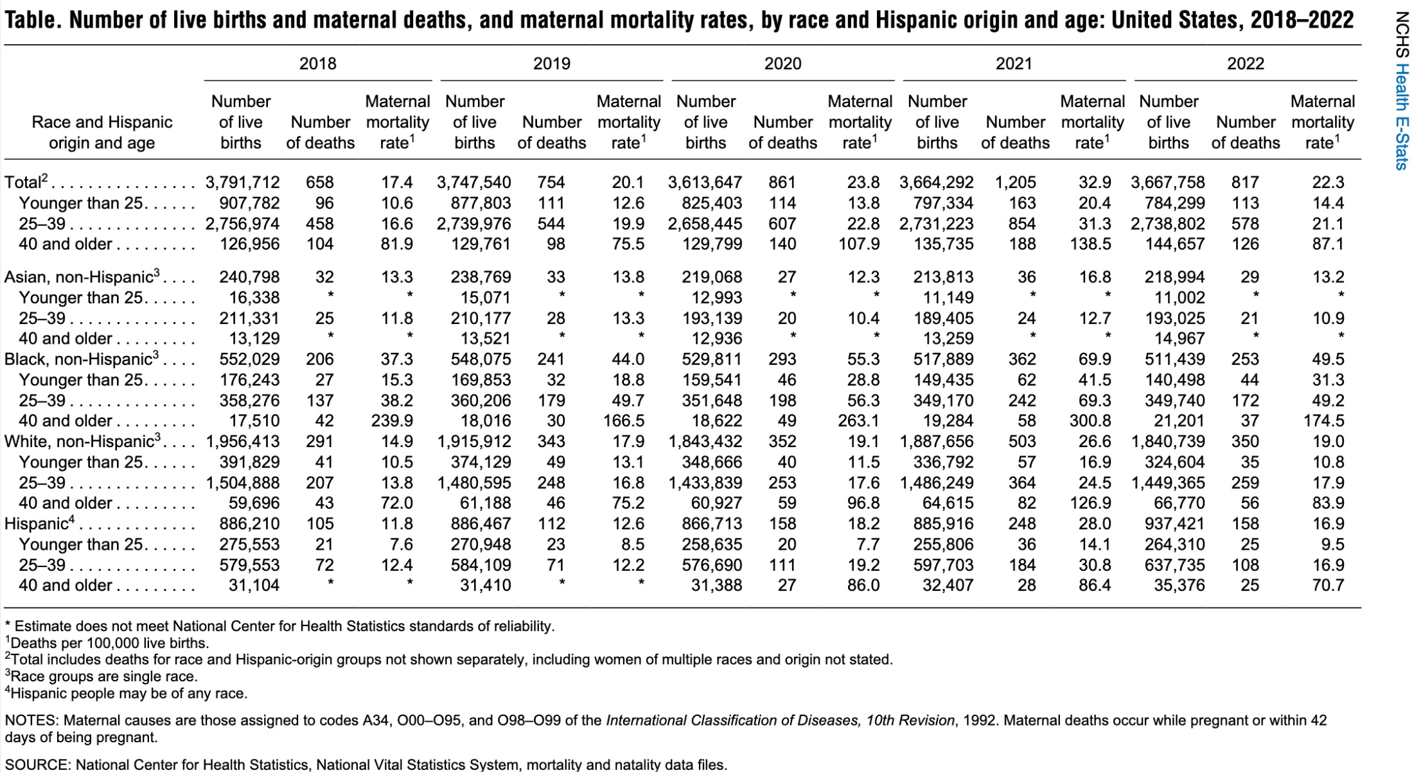

Rate Dashboard
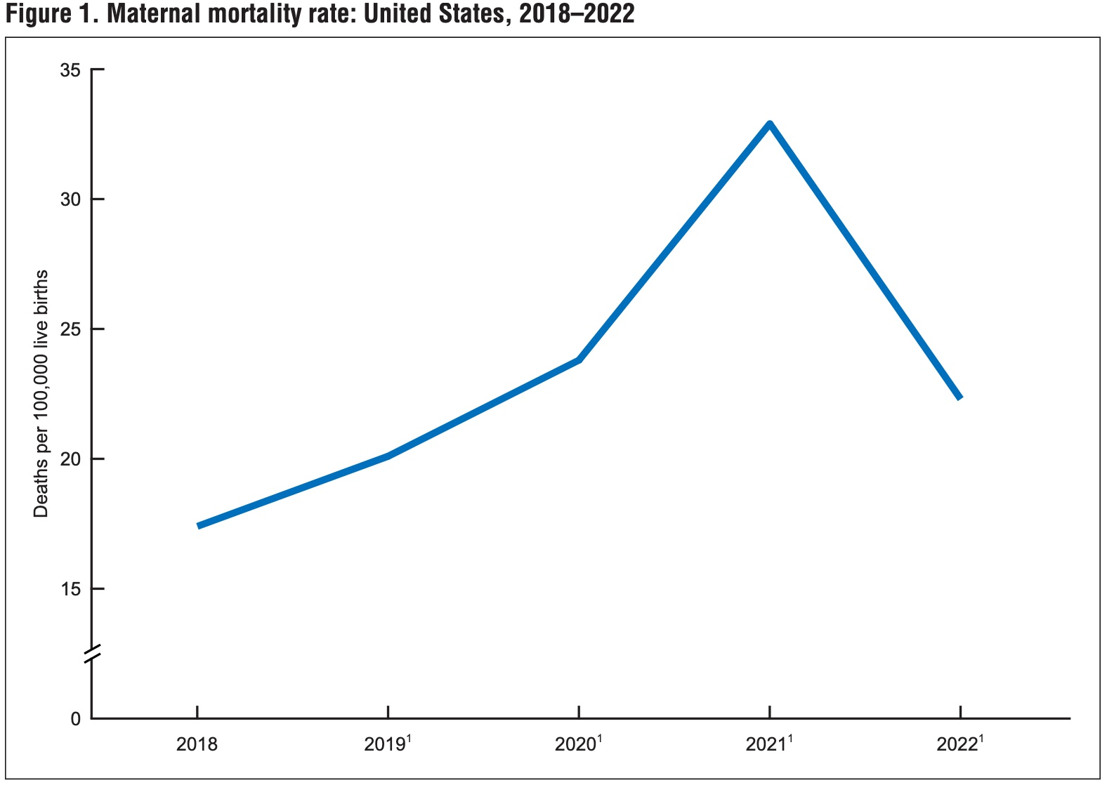
Maternal Mortality Rate Dashboard

U.S. Maternal Mortality Rate 2017- 2000
 | Total
2000 | 17.4
2001 | 19.3
2002 | 23.8
2003 | 23.5
2004 | 21.6
2005 | 22.1
2006 | 29.6
2007 | 24.6
2008 | 28.4
2009 | 24.6
2010 | 16
2011 | 16.3
2012 | 18
2013 | 18.5
2014 | 20
2015 | 26.4
2016 | 20.7
2017 | 17.4
Maternal Mortality by State from 2018-2022
 | Total
Nevada | 20.4
Maryland | 21.3
New York | 22.4
Kansas | 22.8
Missouri | 23.8
West Virginia | 23.9
Florida | 24.1
Ohio | 24.5
Nebraska | 25.1
New Jersey | 26
North Carolina | 26.7
New Mexico | 28
Texas | 28.2
Oklahoma | 29.6
Arizona | 30
Indiana | 30.9
Georgia | 32.1
South Carolina | 32.3
Virginia | 32.7
Kentucky | 34.6
Louisiana | 37.3
Arkansas | 38.3
Alabama | 38.6
Mississippi | 39.1
Tennessee | 41.1

US MMR Current Status
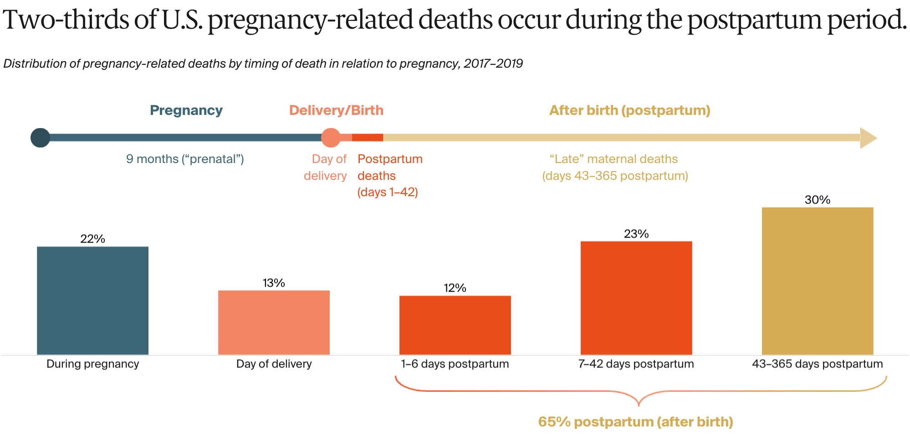
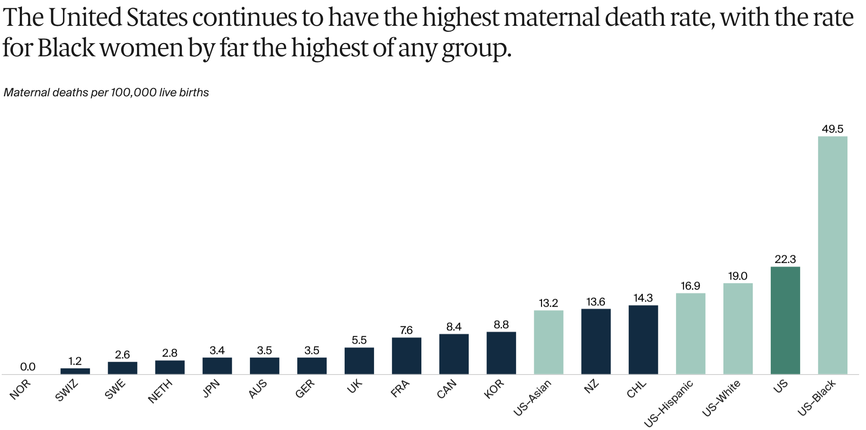
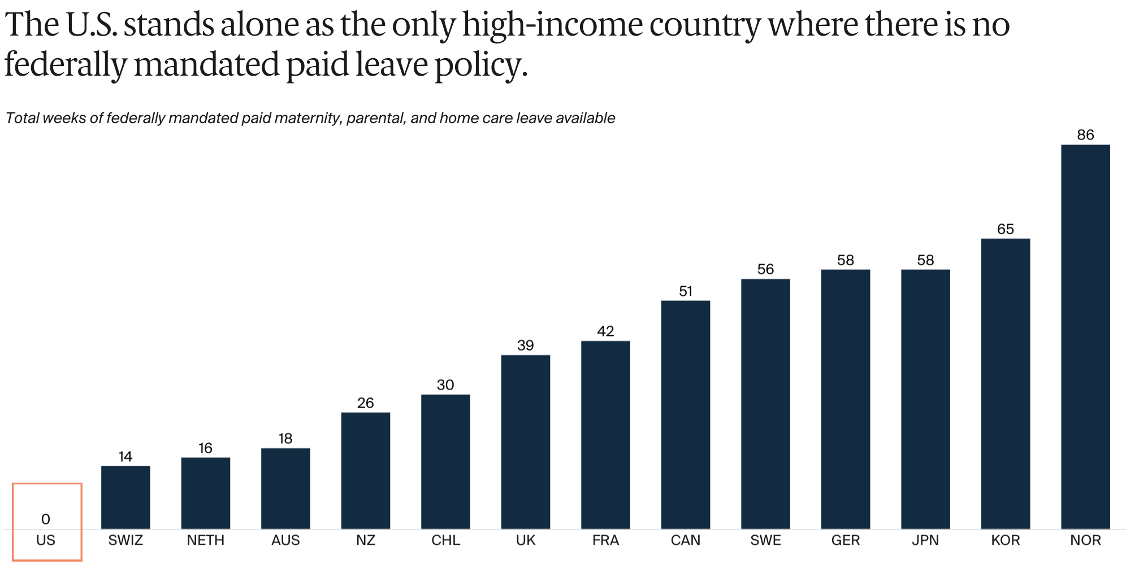
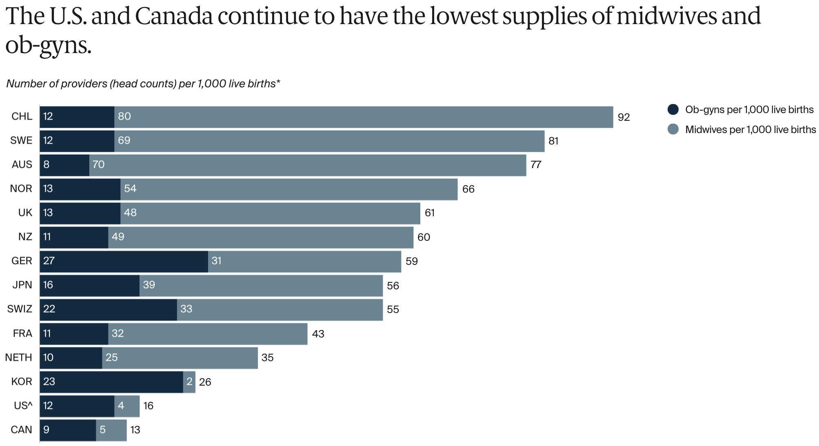
U.S. Maternal Health Current Status Overview

Race Maternal Mortality Rates
CDC Maternal Mortality Rate by Race

Maternal Mortality Rate by RACE
 | Yr-2018 | Yr-2019 | Yr-2020 | Yr-2021 | Yr-2022
24 and under
25-39 | 11.8 | 13.3 | 10.4 | 12.7 | 10.9
40 and older
Overall | 13.3 | 13.8 | 12.3 | 16.8 | 13.2
24 and under | 15.3 | 18.8 | 28.8 | 41.5 | 31.3
25-39 | 38.2 | 49.7 | 56.3 | 69.3 | 49.2
40 and older | 239.9 | 166.5 | 263.1 | 300.8 | 174.5
Overall | 37.3 | 44 | 55.3 | 69.9 | 49.5
24 and under | 7.6 | 8.5 | 7.7 | 14.1 | 9.5
25-39 | 12.4 | 12.2 | 19.2 | 30.8 | 16.9
40 and older |  |  | 86 | 86.4 | 70.7
Overall | 11.8 | 12.6 | 18.2 | 28 | 16.9
24 and under | 10.5 | 13.1 | 11.5 | 16.9 | 10.8
25-39 | 13.8 | 16.8 | 17.6 | 24.5 | 17.9
40 and older | 72 | 75.2 | 96.8 | 126.9 | 83.9
Overall | 14.9 | 17.9 | 19.1 | 26.6 | 19
Maternal Deaths by RACE
 | Yr-2018 | Yr-2019 | Yr-2020 | Yr-2021 | Yr-2022
24 and under
25-39 | 25 | 28 | 20 | 24 | 21
40 and older
Asian Total | 32 | 33 | 27 | 36 | 29
24 and under | 27 | 32 | 46 | 62 | 44
25-39 | 137 | 179 | 198 | 242 | 172
40 and older | 42 | 30 | 49 | 58 | 37
Black Total | 206 | 241 | 293 | 362 | 253
24 and under | 21 | 23 | 20 | 36 | 25
25-39 | 72 | 71 | 111 | 184 | 108
40 and older |  |  | 27 | 28 | 25
Hispanic Total | 105 | 112 | 158 | 248 | 158
24 and under | 41 | 49 | 40 | 57 | 35
25-39 | 207 | 248 | 253 | 364 | 259
40 and older | 43 | 46 | 59 | 82 | 56
White Total | 291 | 343 | 352 | 503 | 350

US MMR Black Mother Info
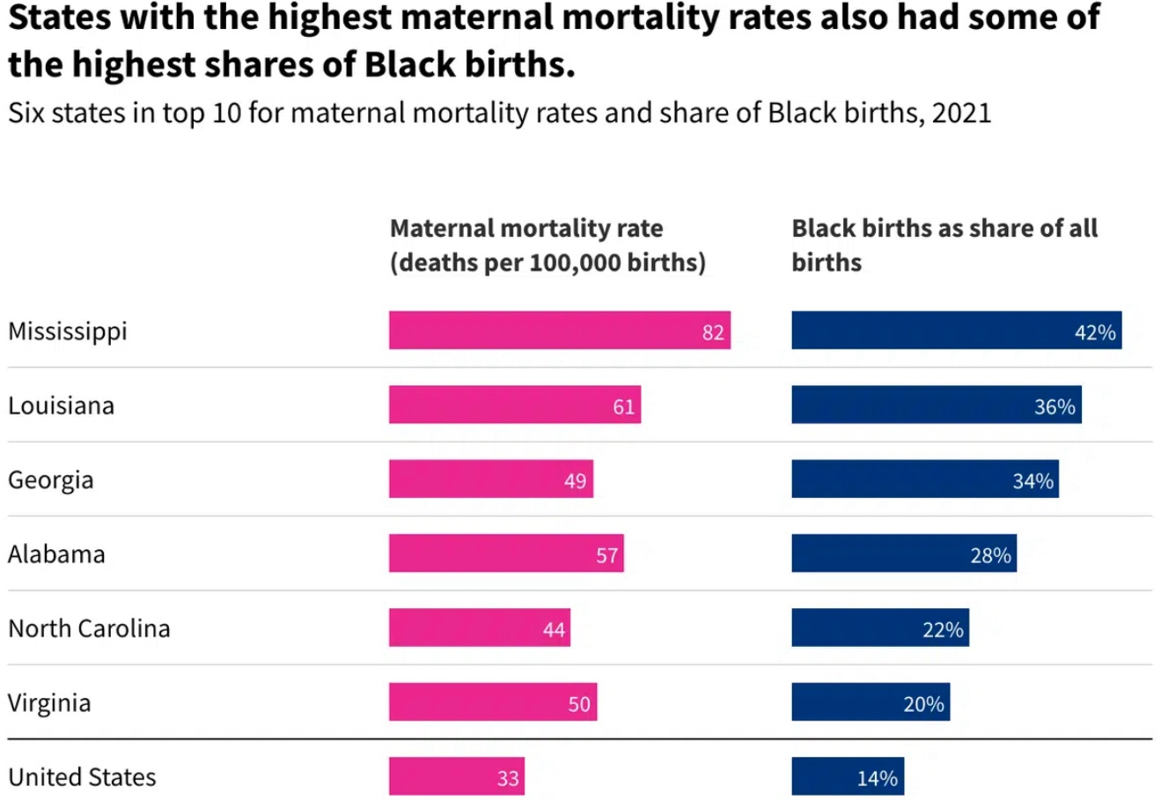
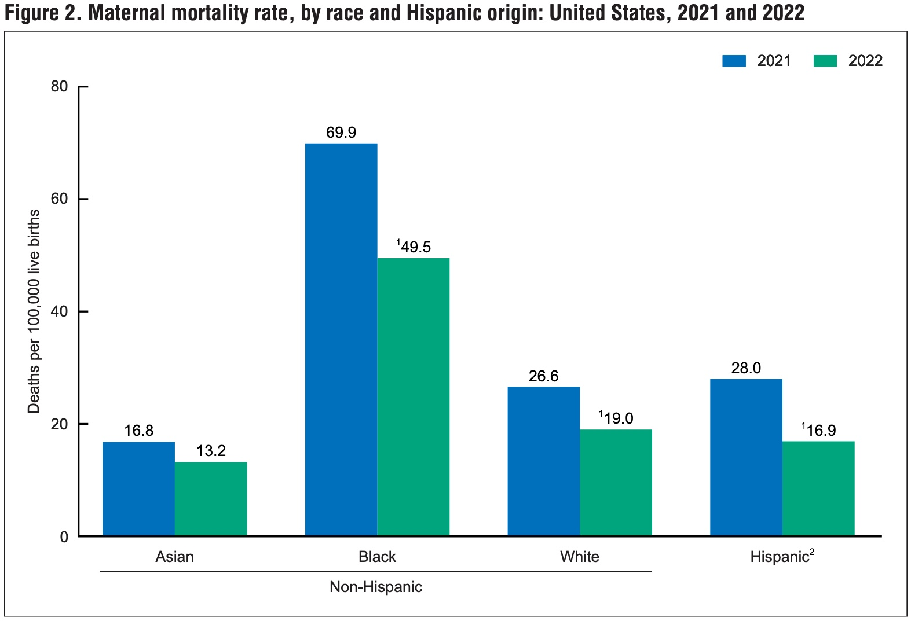
U.S. Black Maternal Information

