Info Dashboard
DIABETES INFO DASHBOARD | Diabetes Info DASHBOARD

Diabetes by Race
 | Rate %
American Indians/Alaskan Native adults | 13.6%
Non-Hispanic Black adults | 12.1%
Hispanic adults | 11.7%
Asian American adults | 9.1%
Non-Hispanic White adults | 6.9%
Diabetes Deaths by Year
 | Total
2015 | 79,535
2016 | 80,058
2017 | 83,564
2018 | 84,946
2019 | 87,647
2020 | 101,106
2021 | 103,294
2022 | 101,209

Diabetes Cases 2021
 | Lives
Diabetes Total Cases | 38.4
Diagnosed | 29.7
Undiagnosed | 8.7
 | 0
Type of Diabetes Breakdown
 | Percentage
Type 1 | 5%
Type 2 | 90%
Other | 5%

Cost Dashboard
COST SUMMARY DASHBOARD

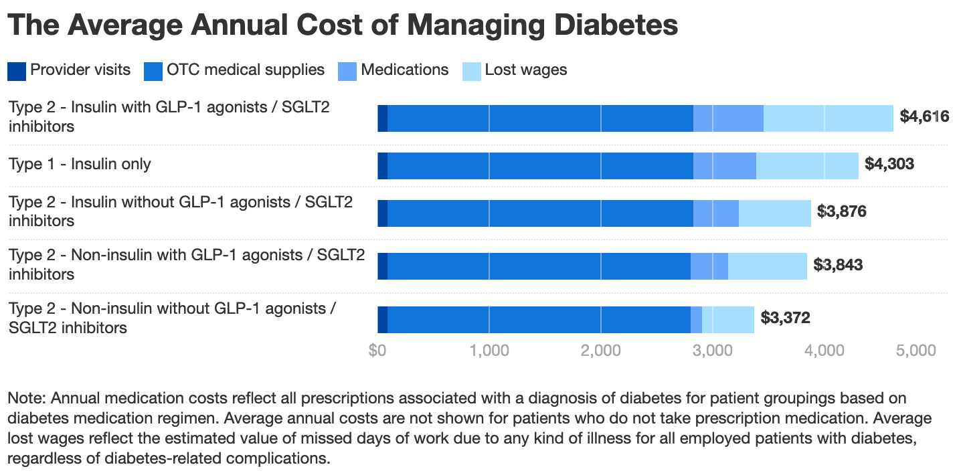
Healthcare Cost of Diabetes 2022 (Billions)
 | Amount
Direct Medical Cost | $306.60
Indirect Medical Cost | $106.30

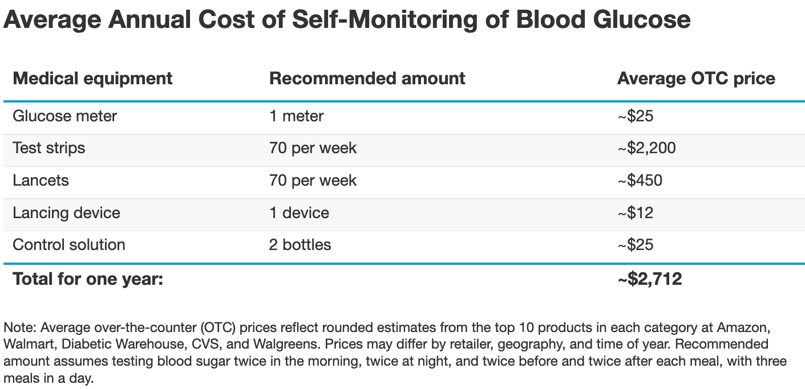
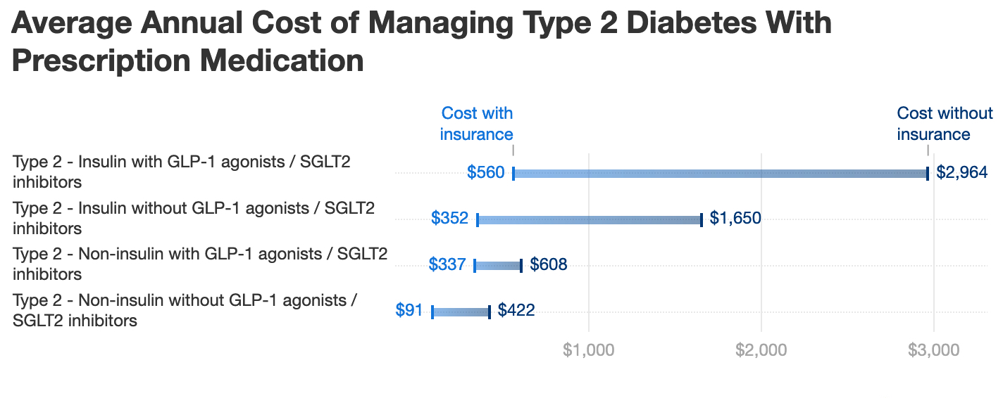

Sources: https://www.goodrx.com/conditions/diabetes/true-cost-of-diabetes

Self-Care Dashboard
Diabetes Self-Care Metrics Summary Dashboard

Diet Tracker
 | Sum of Carbohydrate Intake(g) | Count of Meal Frequency
Grilled Chicken Salad | 30 | 1
Steam Vegetables | 20 | 1
Oatmeal with Berries | 45 | 1
McDonalds | 100 | 1
Lasagna | 80 | 1
Fruit Bowl | 10 | 1
Blood Sugar mg/dL
 | Sum of Fasting Blood Sugar(mg/dL) | Sum of Pre-Meal Blood Sugar(mg/dL) | Sum of Post-Meal Blood Sugar(mg/dL)
12:00pm |  | 110 | 140
6:00pm |  | 105 | 130
7:00am | 90

Exercise Duration
 | Sum of Duration(min) | Sum of Calories Burned
Decreased by 15 mg/dL | 30 | 200
Decreased by 10 mg/dL | 45 | 100
Decreased by 25 mg/dL | 30 | 150
Decreased by 20 mg/dL | 60 | 250
Decreased by 12 mg/dL | 40 | 150
Daily Summary
 | Sum of Total Carbohydrate Intake (g) | Sum of Total Exercise Time(min) | Sum of Average Blood Sugar (mg/dL)
8/25/24 | 95 | 75 | 115
8/26/24 | 100 | 30 | 120
8/27/24 | 150 | 0 | 140
8/28/24 | 50 | 20 | 100
8/29/24 | 80 | 45 | 130

