Statuses
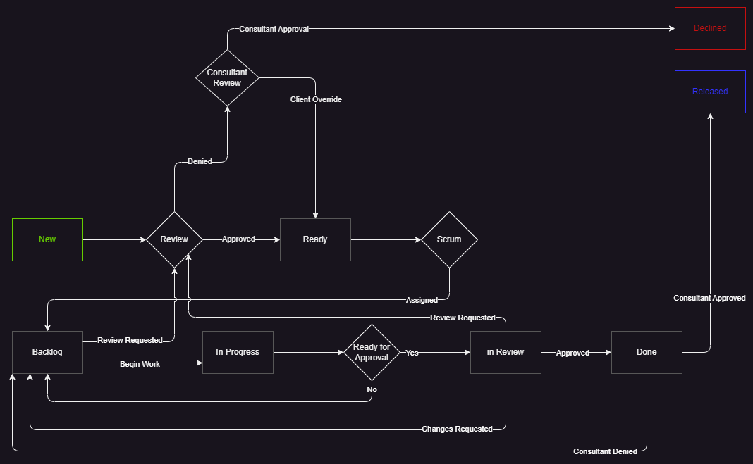
Status | SLA | Description | Queues | Valid New Statuses
New |  | Created and awaiting triage | Development | Ready, Declined
Ready |  | Reviewed and approved for work | Development | Backlog, Declined
Backlog | First Response | Assigned for work | Development | In Progress, In Review, Declined
In progress | Resolution Plan | Work is being done | Development | Backlog, In Review
In review | Resolution Plan | Developed and awaiting QA approval | Quality Assurance | Backlog, Done, Declined
Done | Resolution Plan | Approved for release by QA | Development | Backlog, Released
Released | Resolved | Released to the requestor | Development
Declined | Resolved | Reviewed and denied | Development

