Patch Review
Patch Manager Review
Back to Audit Phase
Ticket Volume |  |  |  | Patch Manager Review Action Items
Review Item | Value |  |  | Task | Approved | Completed
Total Tickets in DB
Average Ticket Volume Per Day
Average Ticket Volume Per Month
Average Ticket Volume Per Year

Window Build Updates |  |  |  | Win 10 Build Updates Action Items
Win Builds | # of Machines | % of total | Support End | Task | Approved | Completed
Windows 10 1507 |  |  | 9-May-17
Windows 10 1511 |  |  | 10-Oct-17
Windows 10 1607 |  |  | 10-Apr-18
Windows 10 1703 |  |  | 9-Oct-18
Windows 10 1709 |  |  | 9-Apr-19
Windows 10 1803 |  |  | 12-Nov-19
Windows 10 1809 |  |  | 10-Nov-20
Windows 10 1903 |  |  | 8-Dec-20
Windows 10 1909 |  |  | 11-May-21
Windows 10 20H1 |  |  | 14-Dec-21
Windows 10 20H2 |  |  | 10-May-22
Windows 10 21H1 |  |  | 13-Dec-22
Windows 10 21H2 |  |  | 13-Jun-23
Windows 10 22H2 |  |  | 14-May-24
Windows 11 22H1 |  |  | 10-Oct-23
Windows 11 22H2 |  |  | 8-Oct-24

Patching Package Policy
Policy Name | Server | Worksations
OS Patching Automation
Security Updates
Critical Updates
Updates
Feature Updates
Drivers
Feature Packs
Update Rollups
Tools
OS Upgrade
Mac Updates
Download
Install
Install - Frequency
Install - Time
Deploy Feature Update
Feature Update - Frequency
Feature Update - Time
Reboot
Reboot - Frequency
Reboot - Time
Reboot Pending Prompt?
Reboot if no user response (Hours)
Allow users to delay for (Hours)

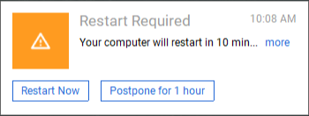
Reboot Prompt

Monitor Audit
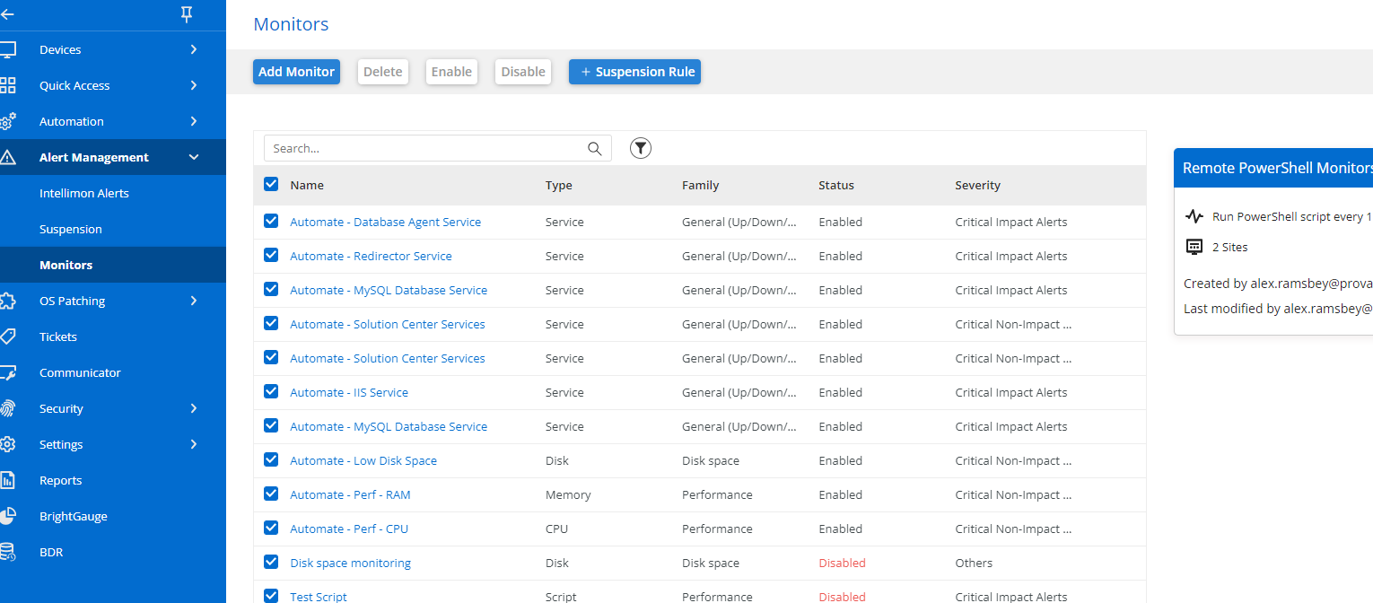
Monitor Audit |  |  | Legend
Back to Automation Phase |  |  | Good | Replace
Monitor Audit |  |  | Disable | Question

 |  |  |  |  | Find a way to export the normal monitors
Name | Type | Family | Status

Offline Server Monitoring
Offline Server Monitoring
Back to Automation Phase
Offline Server Audit |  | Offline Server Action Items
Audit Item | Value | Task | Approved | Completed
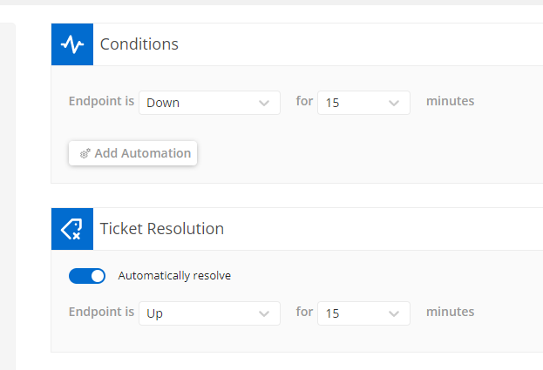
Heartbeat Enabled? | Yes
Number of current Offline Server monitors | 1

Description of current offline server monitoring

Back to Automation Phase

