Patch Review
Patch Metrics Review
Back to Audit Phase
 |  |  |  |  | Patch Manager Review Action Items
Review Item | Value |  |  |  | Task | Approved | Completed
Overall compliance
Server Compliance
Desktop Compliance
OS End Of Support Devices
Pending Reboot Total
Pending Reboot Servers
Pending Reboot Workstations

Patch Status Server |  | Screenshot from RMM Dashboard | Patch Status Desktop |  | Screenshot from RMM Dashboard
Review Item | Value |  | Review Item | Value
100% |  |  | 100%
76-99% |  |  | 76-99%
51-75% |  |  | 51-75%
0-50% |  |  | 0-50%
Pending |  |  | Pending
No Policy Assigned |  |  | No Policy Assigned

Windows 11 Build Update Status |  |  |  |  | Win 10/11 Build Updates Action Items
 |  |  |  |  | Task | Approved | Completed

Windows 10 Build Update Status

Patch Approval/Blocking |  |  |  |  | Patch Approval/Blocking Action Items
Review Item | Value |  |  |  | Task | Approved | Completed
Driver Patching? |  |  |  |  | ProVal Team Approval/Blocking?
Total Patches
Reviewed Patches
Not Reviewed Patches
Total Approved
Total Blocked

Patch Exclusions |  |  |  |  | Patch Exclusion Action Items
Exclusion Name | Created By | Date Created |  |  | Task | Approved | Completed

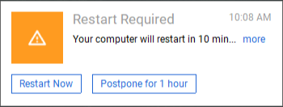
Reboot Prompt

