Company Settings
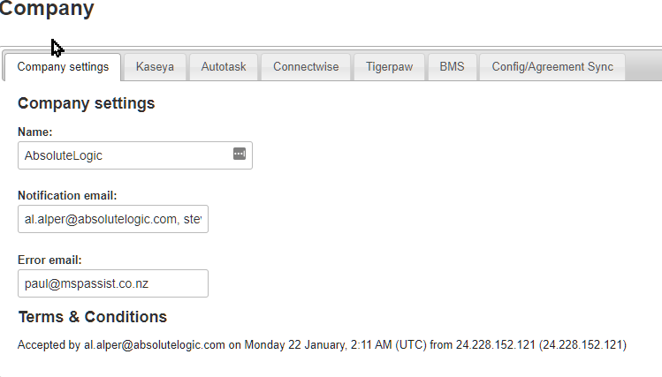

Name: | Name of the main MSP
Email | MSP Assist notifications (not ticket alerts)
Error Email | MSP Assist Errors (not ticket alerts)

Kaseya Settings
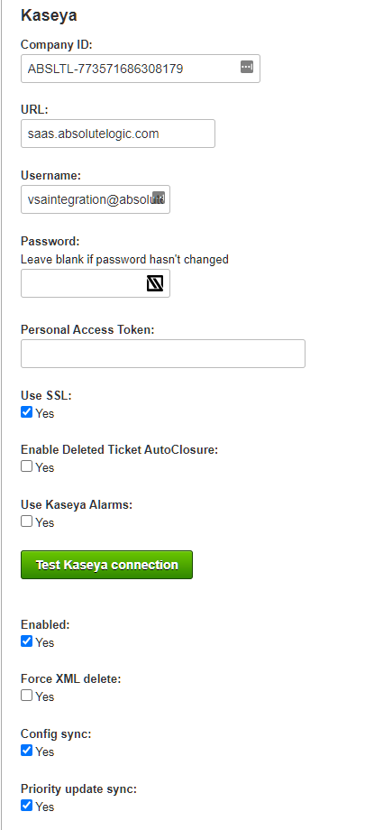

Company ID: | Prefilled in most cases
URL: | Kaseya VSA Access URL. MSP Assist needs to be whitelisted on On-Pre installations
Username: | Kaseya VSA Credentials
Personal Access Token
Use SSL | Connect to the VSA using SSL Y/N
Enable Deleted Ticket AutoClosure | Delete PSA tickets when a ticket is deleted within Kaseya
Use Kaseya Alarms
Test Kaseya Connection | Ensure connectivity between MSP Assist and Kaseya
Enabled: | Allow connection to VSA. If this box is unchecked, MSP Assist will not function.
Force XML delete:
Config Sync:
Priority Update Sync:

Connectwise Settings
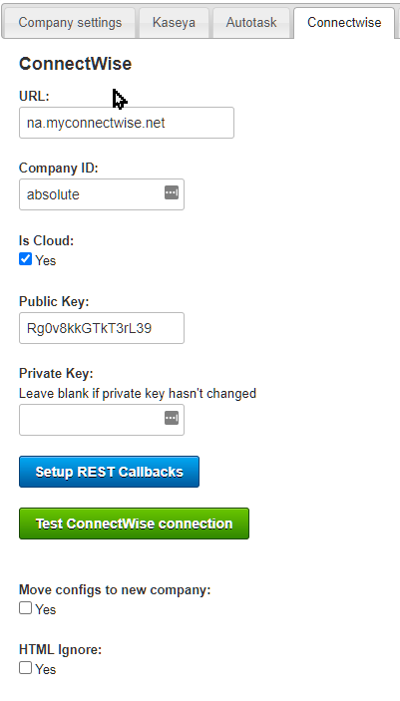

URL | Manage URL
Company ID | ID of internal company group within connectwise manage.
Is Cloud | Hosted instance of Manage
Public Key | API Key to access Manage via REST API
Private Key | API Key to access Manage via REST API
Setup REST Callbacks
Test Connectwise Connection | Ensure connectivity between MSP Assist and Connectwise Manage
Move configs to new company
HTML Ignore

Defaults
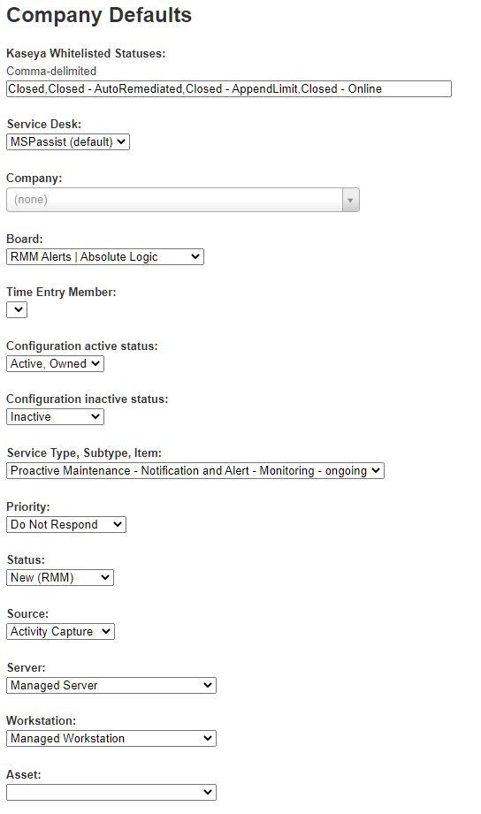
Kaseya Whitelisted Statuses
Service Desk
Company
Board | The manage board where tickets will be placed by MSP Assist
Time Entry Member
Configuration active status
Configuration inactive status
Service type, subtype, item
Priority
Status
Source
Server
Workstation
Asset

Categories
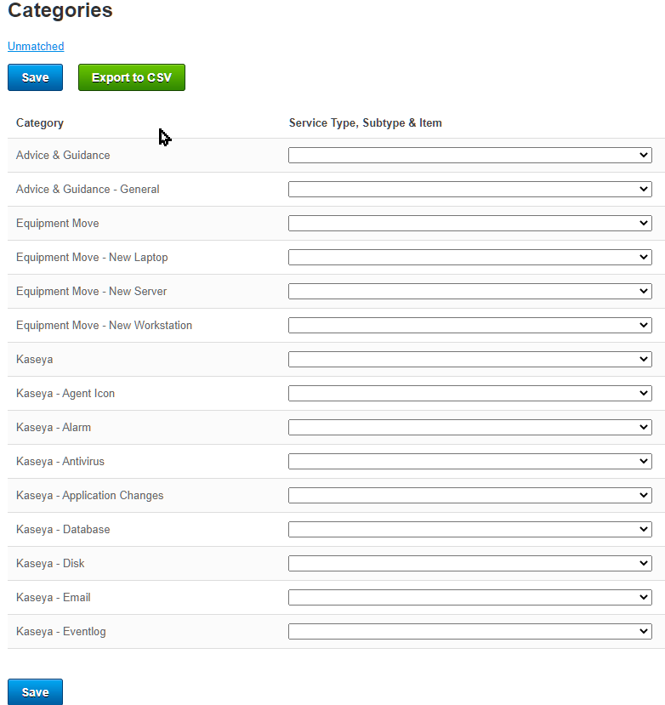
KaseyaName | TicketTypeName | TicketTypeID | IssueTypename | IssueTypeID | SubIssueTypeName | SubIssueTypeID

Priorities
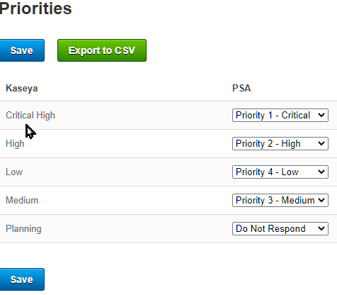
KaseyaPriority | KaseyaName | PSAPriority | PSAName
High | High | Priority 2 - High | Priority 2 - High
Medium | Medium | Priority 3 - Medium | Priority 3 - Medium
CriticalHigh | Critical High | Priority 1 - Critical | Priority 1 - Critical
Low | Low | Priority 4 - Low | Priority 4 - Low
Planning | Planning | Do Not Respond | Do Not Respond

Statuses
