Sheet1
Measurement Report
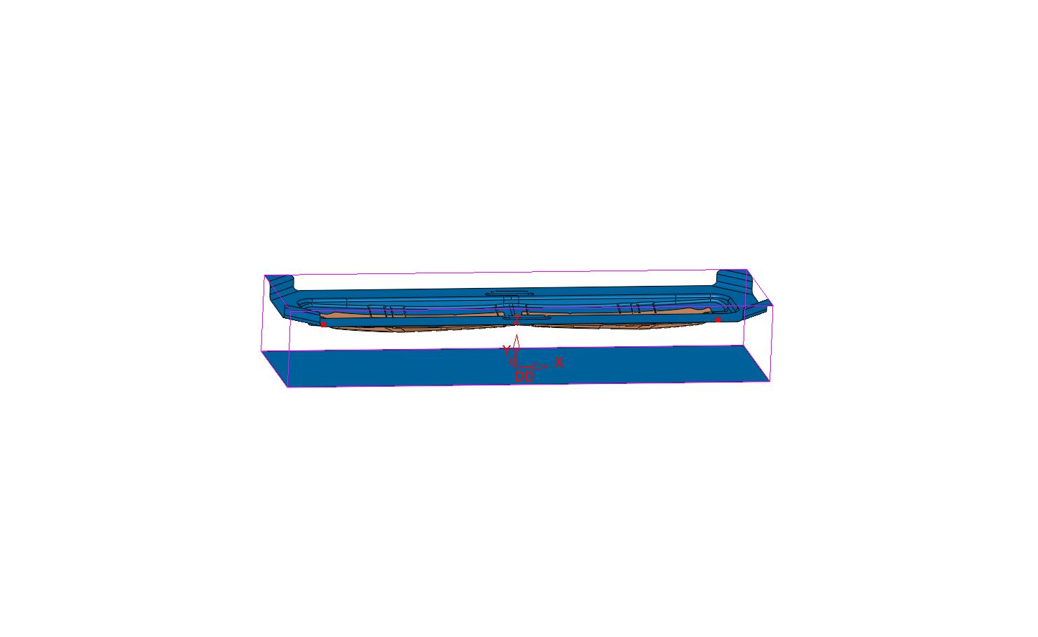

 |  |  | Comments

Project Information
File Name | s6394-tool
Units | mm
Modification Date | 11/11/2021

Project Output Information
Density: | 0.283599 | pound/inch³
Injection Pressure: | 0 | PSI
Box X: | 65 | inch
Box Y: | 18 | inch
Box Z: | 10.42 | inch
Volume Closed: | 0 | inch³
Volume Open: | 2890.847073 | inch³
Volume Total: | 2890.847073 | inch³
Projected Area: | 1169.561523 | inch²
Surface Area: | 0 | inch²
Mass: | 819.842039 | lb
Clamping Force: | 0 | Lbf

