Sheet1
Measurement Report
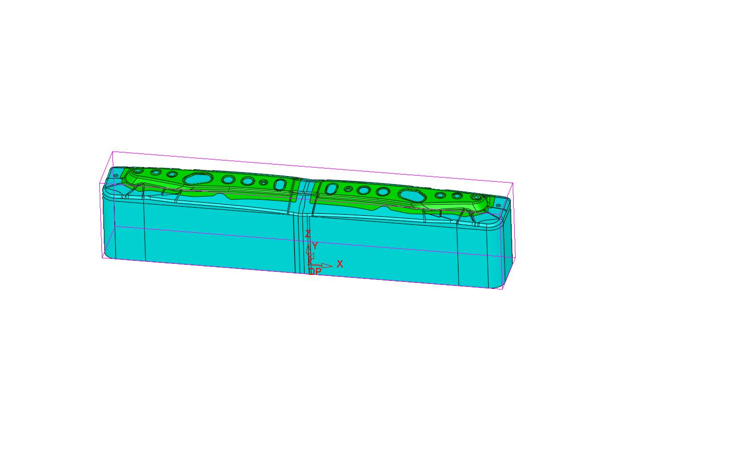

 |  |  | Comments

Project Information
File Name | s6394-tool
Units | mm
Modification Date | 11/11/2021

Project Output Information
Density: | 0.283599 | pound/inch³
Injection Pressure: | 0 | PSI
Box X: | 57.68 | inch
Box Y: | 9.03 | inch
Box Z: | 12.18 | inch
Volume Closed: | 0 | inch³
Volume Open: | 5756.884333 | inch³
Volume Total: | 5756.884333 | inch³
Projected Area: | 516.721869 | inch²
Surface Area: | 0 | inch²
Mass: | 1632.648034 | lb
Clamping Force: | 0 | Lbf

