05_arm_pend_frame
BrickLink Item Number | 部品名 | 色 | 個数 | ブリッカーズ URL | 単価 | 価格
11478 | Technic, Liftarm Thin 1 x 5 - Axle Holes | Red | 2 | https://brickers.jp/products/11478-021 | 68 | 136
2780 | Technic, Pin with Short Friction Ridges | Black | 87 | https://brickers.jp/products/2780-026 | 6 | 522
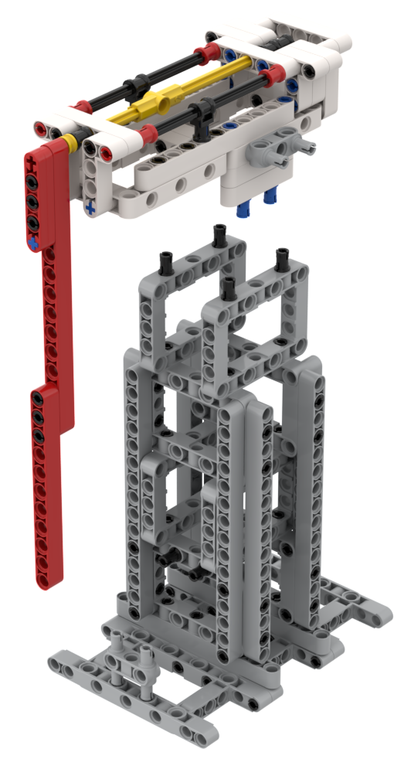
32034 | Technic, Axle and Pin Connector Angled #2 - 180 degrees | Yellow | 1 | https://brickers.jp/products/32034-024 | 78 | 78
32039 | Technic, Axle Connector with Axle Hole | Black | 2 | https://brickers.jp/products/32039-026 | 28 | 56
32054 | Technic, Pin 3L with Friction Ridges and Stop Bush | Red | 4 | https://brickers.jp/products/32054-021 | 12 | 48
4265c | Technic Bush 1/2 Smooth | Yellow | 1 | https://brickers.jp/products/4265c-024 | 10 | 10
32140 | Technic, Liftarm, Modified Bent Thick L-Shape 2 x 4 | White | 4 | https://brickers.jp/products/32140-001 | 28 | 112
32278 | Technic, Liftarm Thick 1 x 15 | Red | 1 | https://brickers.jp/products/32278-021 | 198 | 198
32278 | Technic, Liftarm Thick 1 x 15 | Light Bluish Gray | 8 | https://brickers.jp/products/32278-194 | 218 | 1,744
32316 | Technic, Liftarm Thick 1 x 5 | White | 7 | https://brickers.jp/products/32316-001 | 28 | 196
32525 | Technic, Liftarm Thick 1 x 11 | Red | 1 | https://brickers.jp/products/32525-021 | 178 | 178
32525 | Technic, Liftarm Thick 1 x 11 | White | 2 | https://brickers.jp/products/32525-001 | 78 | 156
32525 | Technic, Liftarm Thick 1 x 11 | Light Bluish Gray | 2 | https://brickers.jp/products/32525-194 | 128 | 256
3713 | Technic Bush | Black | 3 | https://brickers.jp/products/3713-026 | 38 | 114
3737 | Technic, Axle 10L | Black | 2 | https://brickers.jp/products/3737-026 | 113 | 226
43093 | Technic, Axle 1L with Pin with Friction Ridges | Blue | 7 | https://brickers.jp/products/43093-023 | 6 | 42
44294 | Technic, Axle 7L | Yellow | 1 | https://brickers.jp/products/44294-024 | 23 | 23
48989 | Technic, Pin Connector Perpendicular 3L with 4 Pins | Light Bluish Gray | 2 | https://brickers.jp/products/48989-194 | 28 | 56
60484 | Technic, Liftarm, Modified T-Shape Thick 3 x 3 | White | 4 | https://brickers.jp/products/60484-001 | 108 | 432
60485 | Technic, Axle 9L | Yellow | 1 | https://brickers.jp/products/60485-024 | 43 | 43
64178 | Technic, Liftarm, Modified Frame Thick 5 x 11 Open Center | Light Bluish Gray | 3 | https://brickers.jp/products/64178-194 | 618 | 1,854
64179 | Technic, Liftarm, Modified Frame Thick 5 x 7 Open Center | Light Bluish Gray | 8 | https://brickers.jp/products/64179-194 | 398 | 3,184
64179 | Technic, Liftarm, Modified Frame Thick 5 x 7 Open Center | White | 2 | https://brickers.jp/products/64179-001 | 638 | 1,276
6558 | Technic, Pin 3L with Friction Ridges | Blue | 16 | https://brickers.jp/products/6558-023 | 10 | 160

 |  |  |  |  | 合計 | 11,100

