06_fixed_pend
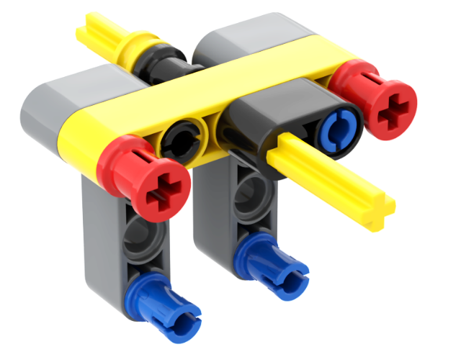
BrickLink Item Number | 部品名 | 色 | 個数 | ブリッカーズ URL | 単価 | 価格
2780 | Technic, Pin with Short Friction Ridges | Black | 1 | https://brickers.jp/products/2780-026 | 6 | 6
32054 | Technic, Pin 3L with Friction Ridges and Stop Bush | Red | 2 | https://brickers.jp/products/32054-021 | 12 | 24
4265c | Technic Bush 1/2 Smooth | Yellow | 1 | https://brickers.jp/products/4265c-024 | 10 | 10
32140 | Technic, Liftarm, Modified Bent Thick L-Shape 2 x 4 | Dark Bluish Gray | 2 | https://brickers.jp/products/32140-194 | 18 | 36
32316 | Technic, Liftarm Thick 1 x 5 | Yellow | 1 | https://brickers.jp/products/32316-024 | 23 | 23
3713 | Technic Bush | Black | 1 | https://brickers.jp/products/3713-026 | 38 | 38
43093 | Technic, Axle 1L with Pin with Friction Ridges | Blue | 2 | https://brickers.jp/products/43093-023 | 6 | 12
44294 | Technic, Axle 7L | Yellow | 1 | https://brickers.jp/products/44294-024 | 23 | 23
60483 | Technic, Liftarm Thick 1 x 2 - Axle Hole | Black | 1 | https://brickers.jp/products/60483-026 | 23 | 23
6558 | Technic, Pin 3L with Friction Ridges | Blue | 1 | https://brickers.jp/products/6558-023 | 10 | 10

 |  |  |  |  | 合計 | 205

