Polynomial 2
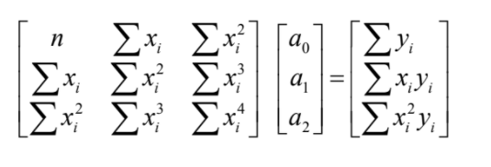
xi | yi | (xi)^2 | xiyi | (y-ybar)^2 | (yi-a0-a1xi-a2x^2)^2 | xi^3 | xi^4 | (xi)^2 yi | ybar | 0.16310
1 | 0.3679 | 1 | 0.3679 | 0.04194304 | 4.624E-07 | 1 | 1 | 0.3679 | xbar | 2.50000
1.5 | 0.2733 | 2.25 | 0.40995 | 0.01214404 | 5.476E-07 | 3.375 | 5.0625 | 0.614925 | sum xiyi | 2.08790
2 | 0.1914 | 4 | 0.3828 | 0.00080089 | 6.0516E-06 | 8 | 16 | 0.7656 | sum xi^2yi | 4.6132
2.5 | 0.1298 | 6.25 | 0.3245 | 0.00110889 | 1.7424E-06 | 15.625 | 39.0625 | 0.81125 | sum xi^2 | 50.75000
3 | 0.0862 | 9 | 0.2586 | 0.00591361 | 3.4596E-06 | 27 | 81 | 0.7758 | xi^3 | 161.875
3.5 | 0.0565 | 12.25 | 0.19775 | 0.01136356 | 8.8804E-06 | 42.875 | 150.0625 | 0.692125 | xi^4 | 548.1875
4 | 0.0366 | 16 | 0.1464 | 0.01600225 | 4.2436E-06 | 64 | 256 | 0.5856 | sum x | 17.50000
 |  |  |  |  |  |  |  |  | sum y | 1.14170
 |  |  |  |  |  |  |  |  | n | 7.00000
 |  |  |  |  |  |  |  |  | a0 | 0.60442
 |  |  |  |  |  |  |  |  | a1 | -0.26912
 |  |  |  |  |  |  |  |  | a2 | 0.03192
 |  |  |  |  |  |  |  | St | sum (y-ybar)^2 | 0.08928
 |  |  |  |  |  |  |  | Sr | sum (yi-a0-aixi)^2 | 2.539E-05
 |  |  |  |  |  |  |  | Std error of estimate | Sy/x = root sr/n | 0.00252
 |  |  |  |  |  |  |  | Coeff Determinants | R^2 = St - Sr / St | 0.99972
 |  |  |  |  |  |  |  | Correlation | R | 0.99986

