Coding Book - Detail
the code says what kind of thing a sentence asserts; coverage says how completely the source handles the topic.
Seg | Dimension | Code | Source | Segment (verbatim) | Page | Coding decision (why this code) | Coverage (Table 3.5)
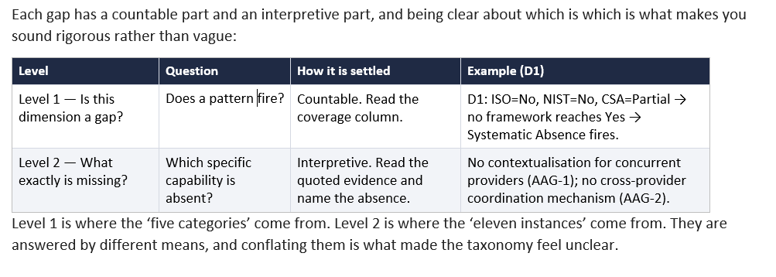
71 | D6 - IAM Federation | n/a (gap) | AlGhamdi et al. (2020) | "The review identified seven information security governance domains with 27 critical success factors" (p.1); domains cover: "To the best of our knowledge, the review identified the need for developing a holistic framework for the information se- curity governance that (1) connects the organization’s objec- tives and its protection, (2) addresses each aspect of strat- egy, control, and regulation, (3) ensures compliance of proce- dures and guideline with policies, and (4) ensures continuous evaluation and compliance" (p.28) with no reference to identity management, access management, or IAM federation among the seven domains or 27 factors. | 1 | Identity management and federated IAM are entirely absent from the enumerated governance domains and critical success factors; no IAM federation governance content → No. | No
72 | D6 - IAM Federation | D6.IF | Ali et al. (2025) | "Identity management across several cloud providers demands IAM systems that deliver uniform identity services between multiple providers" (p.11); "federated identity, Single Sign-On (SSO)" recommended in "Table 2" as mitigation strategy (p.13). | 11 | IAM addressed with cross-provider framing; no complete cross-provider IAM federation governance mechanism defined → Partial. | Partial
73 | D6 - IAM Federation | n/a (gap) | Aljarrah et al. (2024) | IAM federation not among the nine evaluation metrics; "federated learning models achieve the highest privacy rating" (p.136) but this refers to federated machine learning for privacy, not IAM federation governance. | 136 | No IAM or identity federation governance content → No. | No
74 | D6 - IAM Federation | n/a (gap) | Alouffi et al. (2021) | "in this SLR, we have reviewed the literature on cloud computing topics, including cloud security threats and their mitigation strategies" (p.57805); identity management appears only as a sub-item of access control threats - "The use of encryption and authentication processes can ensure data availability and confidentiality" (p.57799), not as a federated identity governance dimension. | 57805 | IAM federation governance (cross-provider identity trust, protocol interoperability, lifecycle synchronisation) is not addressed; identity appears only as a technical threat subcategory → No. | No
75 | D6 - IAM Federation | D6.IF | CSA Security Guidance v5 (2021) | "Identity Federation establishes the relationship between an IdP, which handles authentication, and an RP where authorizations are managed. In the cloud, the RP is typically a cloud service or application" (CSA, 2021, p.107); Domain 5 specifies requirements for federating across multiple CSPs. | 107 | Federated IAM addressed as an explicit governance domain; most cloud-contextualised IAM guidance in the corpus → Yes. | Yes
76 | D6 - IAM Federation | D6.IF | Cuzzocrea & Belmerabet (2024) | "Organized around seven core topics, Authentication and Authorization, Identity Verification and Risk Management, Attribute Management, Security and Privacy, Audit and Compliance, User Lifecycle Management, and Interoperability and Federation" (p.6223) - providing "a detailed examination to achieve robust security, privacy, and interoperability across multi-Cloud platforms" (p.6224). | 6223 | Comprehensive IAM federation taxonomy with explicit cross-provider interoperability and federation dimension → Yes. | Yes
77 | D6 - IAM Federation | n/a (gap) | Diningrat et al. (2025) | "data security, encompassing cryptography, together with authentication and authorization, are the most commonly addressed topics" (p. 70012). | 70012 | Authentication and authorization grouped as a technical security issue area, not as a federation governance dimension; no cross-provider IAM federation governance content identified; D6 = No. | No
78 | D6 - IAM Federation | D6.AA | Hegde et al. (2023) | IAM partially covered - "the highest coverage of mitigating controls was found against the 'Insecure Interfaces and APIs' risk category because SOC 2 contains many of the same identity and access management (IAM) controls" (p.5). | 5 | IAM addressed within CCM coverage scope; no cross-provider IAM federation mechanism evaluated → Partial. | Partial
79 | D6 - IAM Federation | D6.AA | ISO/IEC 27001:2022 | Annex A controls "A.5.15-A.5.18" address access control, identity management and authentication applicable to any IT environment; no multi-provider federation distinction (p.12). | 12 | IAM addressed through Annex A controls; no cross-provider federation governance mechanism → Partial. | Partial
80 | D6 - IAM Federation | D6.IF | Kaur et al. (2024) | "The proposed SIDH algorithm is used to secure inter-server communication" (Article Key contributions of this research) - SIDH, ABE-OD, inter-server authentication mechanisms implemented and benchmarked as cross-provider IAM mechanisms; "The Multi-Cloud Security Model brings inter-server verbal exchange, authentication integrity". (Article Introduction) | 2 | Concrete cross-provider authentication mechanisms empirically demonstrated → Yes. | Yes
81 | D6 - IAM Federation | D6.AA | NIST CSF 2.0 (2024) | "Identity Management, Authentication, and Access Control (PR.AA)" PR.AA-01 through PR.AA-06 establish authentication and access control requirements for identities, credentials, and access permissions (NIST, 2024, p.19); no adaptation for multi-cloud or cross-provider federation contexts provided. | 19 | IAM addressed without multi-cloud federation elaboration; no cross-provider token validation or lifecycle synchronisation → Partial. | Partial
82 | D6 - IAM Federation | D6.AA | NIST SP 800-210 (Hu et al., 2020) | "to facilitate data sharing, concepts such as trust of federated identities and AC attributes need to be considered, and building that trust is paramount. In this document, it is assumed that trust and federated identities/attributes are already established, and further discussion on that topic will be considered in another document" (p. 7). | 7 | Federated identity trust acknowledged but explicitly scoped out of this document; ABAC provides a single-provider IAM mechanism; no cross-provider federation mechanism defined; D6 = Partial. NOTE - Layer 1 (Normative Framework): Gap conclusions drawn from this row apply at framework level only; do not conflate with empirical or literature findings. | Partial
83 | D6 - IAM Federation | D6.IF | Pöhn & Hillmann (2021) | "Providers like Google allow users to securely reuse their accounts to authenticate at other services by utilizing the protocols Open Authorization (OAuth)/OpenID Connect (OIDC). The alternative Federated Identity Management (FIM) protocol Security Assertion Markup Language (SAML) is typically used in research and education" (p. 196); FIMSM reference architecture uses ArchiMate to define six layers: External Layer, Business Service Layer, Business Layer, Application Service Layer, Application Layer, and Technical Service Layer for federated identity governance (p. 202). | 196 | Explicit, structured federated IAM architecture with defined layers and governance components across SAML/OAuth/OIDC protocols; most detailed FIM reference model in corpus → D6 = Yes. | Yes
84 | D6 - IAM Federation | n/a (gap) | Yeboah-Ofori et al. (2024) | "Azure Arc integrates with Azure Active Directory for identity and access management (IAM), including role-based access control (RBAC)" (p.221); no cross-provider IAM federation governance mechanism proposed or evaluated. | 221 | IAM addressed within single provider (Azure); no cross-provider identity federation mechanism → No. | No

