Sheet1
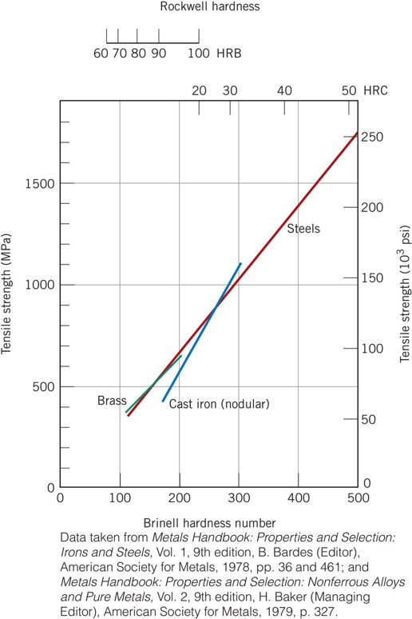

Brinell Hardness | Tensile Strength (MPa)
0 | 50
100 | 350
200 | 640
300 | 920

Relationship between Brinell Hardness (HB) and Tensile Strength (MPa) for Brass

