Data
Values & Statistics |  |  |  |  |  |  |  |  | Axes x, y, z | Key Controls (shift+...)

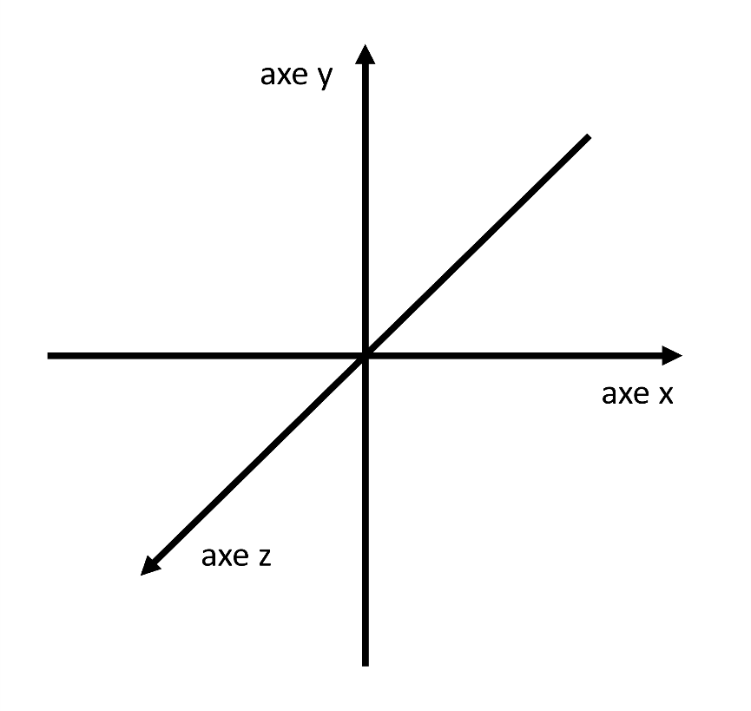
Player position |  | Variables |  | Blocks | X | Y | Z | Textures List
X | 0 | Blocksize | 100 | wood | 0 | 0 | 500 | grass
Y | 0 | Screen Width | 1280 | wood | 0 | -100 | 500 | dirt
Z | 0 | Screen Height | 720 | wood | 0 | 100 | 500 | stone
 |  | Movement Coefficient | 50 | leaves | 100 | 100 | 500 | wood
Camera orientation |  | Rotatation Coefficient | 90 | leaves | -100 | 100 | 500 | bedrock
Yaw | 0 | Instant Drawing | True | leaves | 0 | 100 | 400 | cobblestone
Pitch | 0 |  |  | leaves | 0 | 100 | 600 | diamond
 |  | Timestamps |  | leaves | 0 | 200 | 500 | gold
Stats |  | Init | 00:00:00.000 | grass | 0 | -200 | 500 | ice
Blocks | 24 | InitCompleted | 00:00:00.000 | grass | 100 | -200 | 500 | sand
Sides (6 per Block) | 144 | CalculationStart | 00:00:00.000 | grass | 0 | -200 | 600 | tnt
Pixels (64 per Side) | 9216 | CalculatedPositions | 00:00:00.000 | grass | -100 | -200 | 500 | brick
visible Sides | 80 | DrawingPixels | 00:00:00.000 | grass | 0 | -200 | 400 | crafting
visible Pixels | 5120 | Completed | 00:00:00.000 | grass | -100 | -200 | 400 | leaves
total cells | 297384 | Total Time (s) | 0.00 | grass | 100 | -200 | 600 | rainbow
rows drawn | 36802 | Game State | not running | grass | -100 | -200 | 600 | grass_slab
 |  |  |  | grass | 100 | -200 | 400 | dirt_slab
 |  |  |  | grass | -200 | -200 | 400 | stone_slab
 |  |  |  | grass | -200 | -200 | 500 | wood_slab
 |  |  |  | grass | -200 | -200 | 600 | bedrock_slab
 |  |  |  | grass | 200 | -200 | 400 | cobblestone_slab
 |  |  |  | grass | 200 | -200 | 500 | diamond_slab
 |  |  |  | grass | 200 | -200 | 600 | gold_slab
 |  |  |  | crafting | 100 | -100 | 500 | ice_slab
 |  |  |  | NONE | 0 | 0 | 0 | sand_slab
 |  |  |  | NONE | 0 | 0 | 0 | tnt_slab
 |  |  |  | NONE | 0 | 0 | 0 | brick_slab
 |  |  |  | NONE | 0 | 0 | 0 | crafting_slab
 |  |  |  | NONE | 0 | 0 | 0 | leaves_slab
 |  |  |  | NONE | 0 | 0 | 0 | rainbow_slab
 |  |  |  | NONE | 0 | 0 | 0 | glass
 |  |  |  | NONE | 0 | 0 | 0 | NONE
 |  |  |  | NONE | 0 | 0 | 0
 |  |  |  | NONE | 0 | 0 | 0
 |  |  |  | NONE | 0 | 0 | 0
 |  |  |  | NONE | 0 | 0 | 0
 |  |  |  | NONE | 0 | 0 | 0
 |  |  |  | NONE | 0 | 0 | 0
 |  |  |  | NONE | 0 | 0 | 0
 |  |  |  | NONE | 0 | 0 | 0
 |  |  |  | NONE | 0 | 0 | 0
 |  |  |  | NONE | 0 | 0 | 0
 |  |  |  | NONE | 0 | 0 | 0
 |  |  |  | NONE | 0 | 0 | 0
 |  |  |  | NONE | 0 | 0 | 0
 |  |  |  | NONE | 0 | 0 | 0
 |  |  |  | NONE | 0 | 0 | 0
 |  |  |  | NONE | 0 | 0 | 0
 |  |  |  | NONE | 0 | 0 | 0
 |  |  |  | NONE | 0 | 0 | 0
 |  |  |  | NONE | 0 | 0 | 0
 |  |  |  | NONE | 0 | 0 | 0
 |  |  |  | NONE | 0 | 0 | 0
 |  |  |  | NONE | 0 | 0 | 0
 |  |  |  | NONE | 0 | 0 | 0
 |  |  |  | NONE | 0 | 0 | 0
 |  |  |  | NONE | 0 | 0 | 0
 |  |  |  | NONE | 0 | 0 | 0
 |  |  |  | NONE | 0 | 0 | 0
 |  |  |  | NONE | 0 | 0 | 0
 |  |  |  | NONE | 0 | 0 | 0
 |  |  |  | NONE | 0 | 0 | 0
 |  |  |  | NONE | 0 | 0 | 0
 |  |  |  | NONE | 0 | 0 | 0
 |  |  |  | NONE | 0 | 0 | 0
 |  |  |  | NONE | 0 | 0 | 0
 |  |  |  | NONE | 0 | 0 | 0
 |  |  |  | NONE | 0 | 0 | 0
 |  |  |  | NONE | 0 | 0 | 0
 |  |  |  | NONE | 0 | 0 | 0
 |  |  |  | NONE | 0 | 0 | 0
 |  |  |  | NONE | 0 | 0 | 0
 |  |  |  | NONE | 0 | 0 | 0
 |  |  |  | NONE | 0 | 0 | 0
 |  |  |  | NONE | 0 | 0 | 0
 |  |  |  | NONE | 0 | 0 | 0
 |  |  |  | NONE | 0 | 0 | 0
 |  |  |  | NONE | 0 | 0 | 0
 |  |  |  | NONE | 0 | 0 | 0
 |  |  |  | NONE | 0 | 0 | 0
 |  |  |  | NONE | 0 | 0 | 0
 |  |  |  | NONE | 0 | 0 | 0
 |  |  |  | NONE | 0 | 0 | 0
 |  |  |  | NONE | 0 | 0 | 0
 |  |  |  | NONE | 0 | 0 | 0
 |  |  |  | NONE | 0 | 0 | 0
 |  |  |  | NONE | 0 | 0 | 0
 |  |  |  | NONE | 0 | 0 | 0
 |  |  |  | NONE | 0 | 0 | 0
 |  |  |  | NONE | 0 | 0 | 0
 |  |  |  | NONE | 0 | 0 | 0
 |  |  |  | NONE | 0 | 0 | 0
 |  |  |  | NONE | 0 | 0 | 0
 |  |  |  | NONE | 0 | 0 | 0
 |  |  |  | NONE | 0 | 0 | 0
 |  |  |  | NONE | 0 | 0 | 0
 |  |  |  | NONE | 0 | 0 | 0
 |  |  |  | NONE | 0 | 0 | 0
 |  |  |  | NONE | 0 | 0 | 0
 |  |  |  | NONE | 0 | 0 | 0
 |  |  |  | NONE | 0 | 0 | 0
 |  |  |  | NONE | 0 | 0 | 0
 |  |  |  | NONE | 0 | 0 | 0
 |  |  |  | NONE | 0 | 0 | 0
 |  |  |  | NONE | 0 | 0 | 0
 |  |  |  | NONE | 0 | 0 | 0
 |  |  |  | NONE | 0 | 0 | 0
 |  |  |  | NONE | 0 | 0 | 0
 |  |  |  | NONE | 0 | 0 | 0
 |  |  |  | NONE | 0 | 0 | 0
 |  |  |  | NONE | 0 | 0 | 0
 |  |  |  | NONE | 0 | 0 | 0
 |  |  |  | NONE | 0 | 0 | 0
 |  |  |  | NONE | 0 | 0 | 0
 |  |  |  | NONE | 0 | 0 | 0
 |  |  |  | NONE | 0 | 0 | 0
 |  |  |  | NONE | 0 | 0 | 0
 |  |  |  | NONE | 0 | 0 | 0
 |  |  |  | NONE | 0 | 0 | 0
 |  |  |  | NONE | 0 | 0 | 0
 |  |  |  | NONE | 0 | 0 | 0
 |  |  |  | NONE | 0 | 0 | 0
 |  |  |  | NONE | 0 | 0 | 0
 |  |  |  | NONE | 0 | 0 | 0
 |  |  |  | NONE | 0 | 0 | 0
 |  |  |  | NONE | 0 | 0 | 0
 |  |  |  | NONE | 0 | 0 | 0
 |  |  |  | NONE | 0 | 0 | 0
 |  |  |  | NONE | 0 | 0 | 0
 |  |  |  | NONE | 0 | 0 | 0
 |  |  |  | NONE | 0 | 0 | 0
 |  |  |  | NONE | 0 | 0 | 0
 |  |  |  | NONE | 0 | 0 | 0
 |  |  |  | NONE | 0 | 0 | 0
 |  |  |  | NONE | 0 | 0 | 0
 |  |  |  | NONE | 0 | 0 | 0
 |  |  |  | NONE | 0 | 0 | 0
 |  |  |  | NONE | 0 | 0 | 0
 |  |  |  | NONE | 0 | 0 | 0
 |  |  |  | NONE | 0 | 0 | 0
 |  |  |  | NONE | 0 | 0 | 0
 |  |  |  | NONE | 0 | 0 | 0
 |  |  |  | NONE | 0 | 0 | 0
 |  |  |  | NONE | 0 | 0 | 0
 |  |  |  | NONE | 0 | 0 | 0
 |  |  |  | NONE | 0 | 0 | 0
 |  |  |  | NONE | 0 | 0 | 0
 |  |  |  | NONE | 0 | 0 | 0
 |  |  |  | NONE | 0 | 0 | 0
 |  |  |  | NONE | 0 | 0 | 0
 |  |  |  | NONE | 0 | 0 | 0
 |  |  |  | NONE | 0 | 0 | 0
 |  |  |  | NONE | 0 | 0 | 0
 |  |  |  | NONE | 0 | 0 | 0
 |  |  |  | NONE | 0 | 0 | 0
 |  |  |  | NONE | 0 | 0 | 0
 |  |  |  | NONE | 0 | 0 | 0
 |  |  |  | NONE | 0 | 0 | 0
 |  |  |  | NONE | 0 | 0 | 0
 |  |  |  | NONE | 0 | 0 | 0
 |  |  |  | NONE | 0 | 0 | 0
 |  |  |  | NONE | 0 | 0 | 0
 |  |  |  | NONE | 0 | 0 | 0
 |  |  |  | NONE | 0 | 0 | 0
 |  |  |  | NONE | 0 | 0 | 0
 |  |  |  | NONE | 0 | 0 | 0
 |  |  |  | NONE | 0 | 0 | 0
 |  |  |  | NONE | 0 | 0 | 0
 |  |  |  | NONE | 0 | 0 | 0
 |  |  |  | NONE | 0 | 0 | 0
 |  |  |  | NONE | 0 | 0 | 0
 |  |  |  | NONE | 0 | 0 | 0
 |  |  |  | NONE | 0 | 0 | 0
 |  |  |  | NONE | 0 | 0 | 0
 |  |  |  | NONE | 0 | 0 | 0
 |  |  |  | NONE | 0 | 0 | 0
 |  |  |  | NONE | 0 | 0 | 0
 |  |  |  | NONE | 0 | 0 | 0
 |  |  |  | NONE | 0 | 0 | 0
 |  |  |  | NONE | 0 | 0 | 0
 |  |  |  | NONE | 0 | 0 | 0
 |  |  |  | NONE | 0 | 0 | 0
 |  |  |  | NONE | 0 | 0 | 0
 |  |  |  | NONE | 0 | 0 | 0
 |  |  |  | NONE | 0 | 0 | 0
 |  |  |  | NONE | 0 | 0 | 0
 |  |  |  | NONE | 0 | 0 | 0
 |  |  |  | NONE | 0 | 0 | 0
 |  |  |  | NONE | 0 | 0 | 0
 |  |  |  | NONE | 0 | 0 | 0
 |  |  |  | NONE | 0 | 0 | 0
 |  |  |  | NONE | 0 | 0 | 0
 |  |  |  | NONE | 0 | 0 | 0
 |  |  |  | NONE | 0 | 0 | 0
 |  |  |  | NONE | 0 | 0 | 0
 |  |  |  | NONE | 0 | 0 | 0
 |  |  |  | NONE | 0 | 0 | 0
 |  |  |  | NONE | 0 | 0 | 0
 |  |  |  | NONE | 0 | 0 | 0
 |  |  |  | NONE | 0 | 0 | 0
 |  |  |  | NONE | 0 | 0 | 0
 |  |  |  | NONE | 0 | 0 | 0
 |  |  |  | NONE | 0 | 0 | 0
 |  |  |  | NONE | 0 | 0 | 0
 |  |  |  | NONE | 0 | 0 | 0
 |  |  |  | NONE | 0 | 0 | 0
 |  |  |  | NONE | 0 | 0 | 0
 |  |  |  | NONE | 0 | 0 | 0
 |  |  |  | NONE | 0 | 0 | 0
 |  |  |  | NONE | 0 | 0 | 0
 |  |  |  | NONE | 0 | 0 | 0
 |  |  |  | NONE | 0 | 0 | 0
 |  |  |  | NONE | 0 | 0 | 0
 |  |  |  | NONE | 0 | 0 | 0
 |  |  |  | NONE | 0 | 0 | 0
 |  |  |  | NONE | 0 | 0 | 0
 |  |  |  | NONE | 0 | 0 | 0
 |  |  |  | NONE | 0 | 0 | 0
 |  |  |  | NONE | 0 | 0 | 0
 |  |  |  | NONE | 0 | 0 | 0
 |  |  |  | NONE | 0 | 0 | 0
 |  |  |  | NONE | 0 | 0 | 0
 |  |  |  | NONE | 0 | 0 | 0
 |  |  |  | NONE | 0 | 0 | 0
 |  |  |  | NONE | 0 | 0 | 0
 |  |  |  | NONE | 0 | 0 | 0
 |  |  |  | NONE | 0 | 0 | 0
 |  |  |  | NONE | 0 | 0 | 0
 |  |  |  | NONE | 0 | 0 | 0
 |  |  |  | NONE | 0 | 0 | 0
 |  |  |  | NONE | 0 | 0 | 0
 |  |  |  | NONE | 0 | 0 | 0
 |  |  |  | NONE | 0 | 0 | 0
 |  |  |  | NONE | 0 | 0 | 0
 |  |  |  | NONE | 0 | 0 | 0
 |  |  |  | NONE | 0 | 0 | 0
 |  |  |  | NONE | 0 | 0 | 0
 |  |  |  | NONE | 0 | 0 | 0
 |  |  |  | NONE | 0 | 0 | 0
 |  |  |  | NONE | 0 | 0 | 0
 |  |  |  | NONE | 0 | 0 | 0
 |  |  |  | NONE | 0 | 0 | 0
 |  |  |  | NONE | 0 | 0 | 0
 |  |  |  | NONE | 0 | 0 | 0
 |  |  |  | NONE | 0 | 0 | 0
 |  |  |  | NONE | 0 | 0 | 0
 |  |  |  | NONE | 0 | 0 | 0
 |  |  |  | NONE | 0 | 0 | 0
 |  |  |  | NONE | 0 | 0 | 0
 |  |  |  | NONE | 0 | 0 | 0
 |  |  |  | NONE | 0 | 0 | 0
 |  |  |  | NONE | 0 | 0 | 0
 |  |  |  | NONE | 0 | 0 | 0

