Лист6
Биткоин
Параметры Баланс Шарпа
19 0.35_0.4_0.25 22678.105456 0.08
20 0.35_0.45_0.2 22692.049741 0.08
21 0.35_0.5_0.15 23442.887723 0.08
25 0.4_0.45_0.15 23361.857712 0.08 | BTC
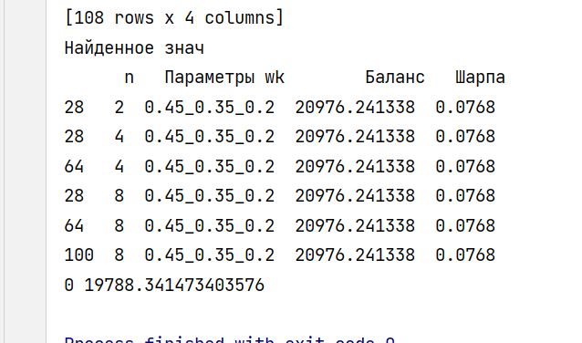
[0.] [18235.05528279]

ETC
Параметры Баланс Шарпа
10 0.25_0.15_0.6 44472.140700 0.093

 | ETC

Сравнение
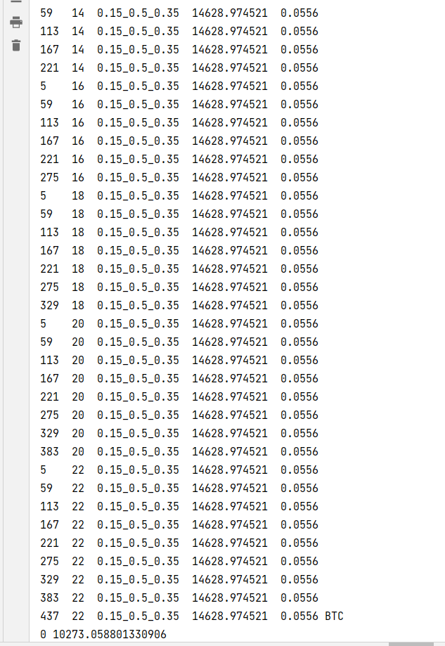
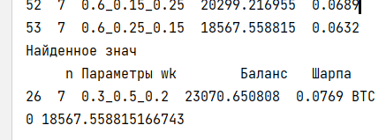

 | Стандартная методика

Для скольз средних по ХАЛУ

