Sheet1
Sr.No | Input | snap | Status | Remark
1 | From : SO-xx-xxxx TO : SO-xx-xxxx | 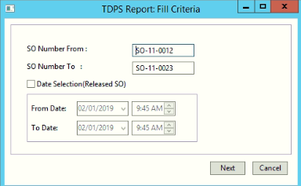 | Good input | User should enter the input between 'FROM' and 'TO' SO for accurate input
2 | From : SO-xx-xx* TO : SO-xx-xxxx | 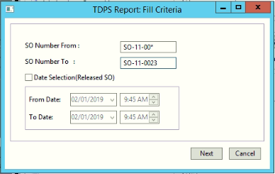 | Good input
3 | From : SO-xx-* TO : SO-xx-xxxx | 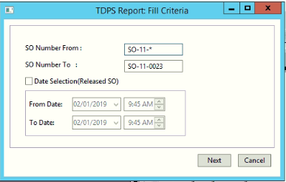 | Good input
4 | From : SO-xx* TO : SO-xx-xxxx |  | Good input
5 | From : SO-xx*/SO-x*/SO-*/SO* TO : | 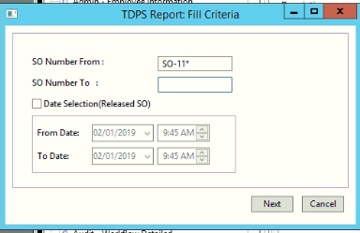 | Good input | It displays all the values which are greater than or equal to(>=) SO-xx*/SO-x*/SO-*/SO*, IT may be any values.
8 | From : TO : SO-xx*/SO-xx-xx*/SO-xx-xxxx | 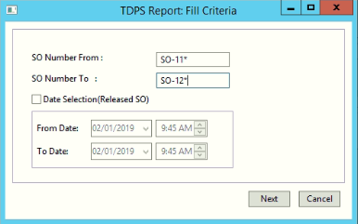 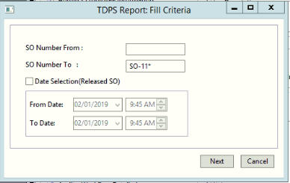 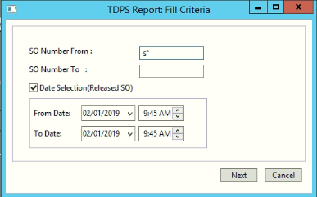 | Good input | It displays all the values which are less than or equal to(<=) SO-xx*/SO-xx-xx*/SO-xx-xxxx, IT may be any values.

