Sheet1
Sr.No | Input | snap | Status | Remark
1 | From : SO-xx-xxxx TO : SO-xx-xxxx | 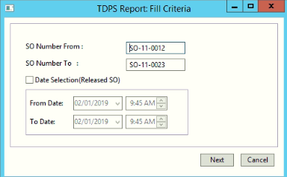 | Good input | This is a valid input search criteia,Which user should follow.
2 | From : SO-xx-xx* TO : SO-xx-xxxx | 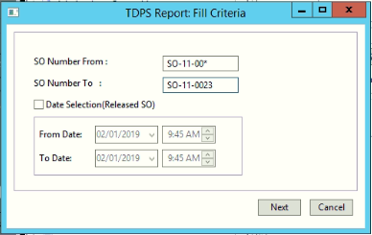 | Good input
3 | From : SO-xx-* TO : SO-xx-xxxx | 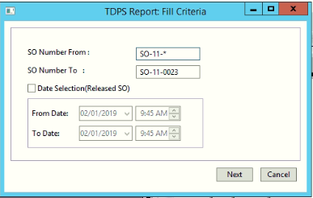 | Good input
4 | From : SO-xx* TO : SO-xx-xxxx |  | Good input
5 | From : SO-xx*/SO-x*/SO-*/SO* TO : | 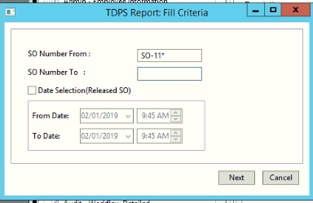 | Good input | It displays all the values which are greater than or equal to(>=) SO-xx*/SO-x*/SO-*/SO*, IT may be any values.
6 | From : so-xx*/so-x*/so-*/so*/s*/S* TO : | 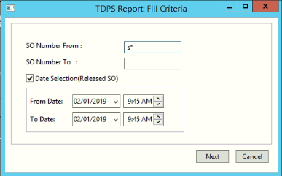 | Bad input | It displays all the values which are greater than or equal to(>=) so-xx*/so-x*/so-*/so*/s*/S*, IT may be any values.
7 | From : SO-xx* TO : SO-xx* | 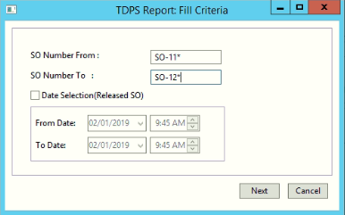 | Bad input | Please enter valid SO range
8 | From : TO : SO-xx*/SO-xx-xx*/SO-xx-xxxx | 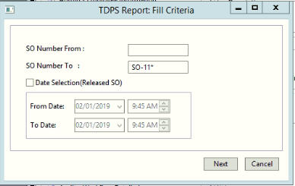 | Good input | It displays all the values which are less than or equal to(<=) SO-xx*/SO-xx-xx*/SO-xx-xxxx, IT may be any values.
9 | From : TO : SO-x*/SO-*/SO* OR From : TO :so-xx*/so-x*/so-*/so*/s*/S* | 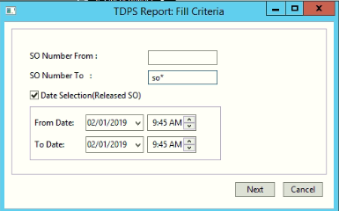 | Bad input | It displays all the values which are less than or equal to(<=) SO-x*/SO-*/SO*/so-xx*/so-x*/so-*/so*/s*/S*, IT may be any values.
10 | From : * TO : SO-xx* | 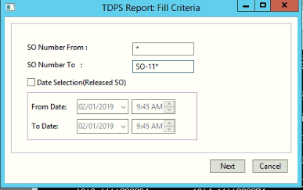 | Bad input | Please enter valid SO range
11 | From : SO-xx-xxxx TO : SO-xx-xxxx From date: 02/01/2019 9:45AM To date: 02/01/2019 9:45AM | 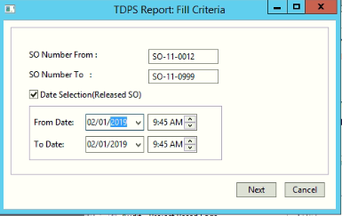 | Bad input | From date should be greater than To date
12 | From : TO : From date: 02/01/2019 9:45AM To date: 02/01/2019 9:45AM | 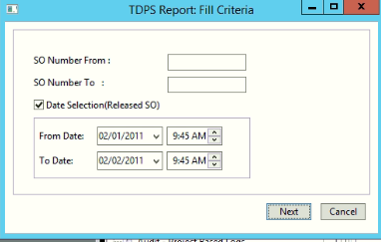 | Bad input | Please enter valid SO range

