Course Page
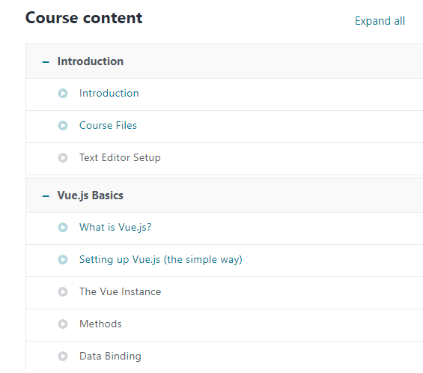
LOGO
RS
This Page is divided into 4 Sections 1. Header 2. Course Overview & description 3. Course Content 4. Footer Header - Logo - on click of logo user would be redirected to home page Course - Drop down Menu, will contain all categories - Search - refer search section - profile Page Course Content Overview Course overview & Description Course Content Footer

After the Course is Selected
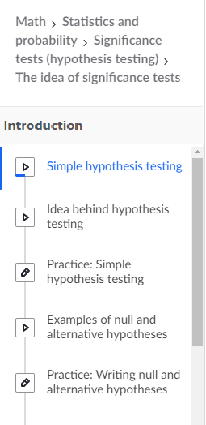
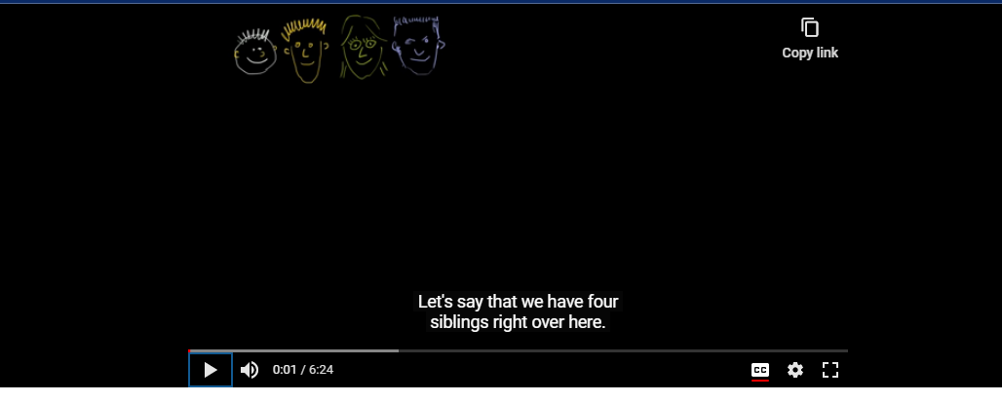
LOGO
RS

Search
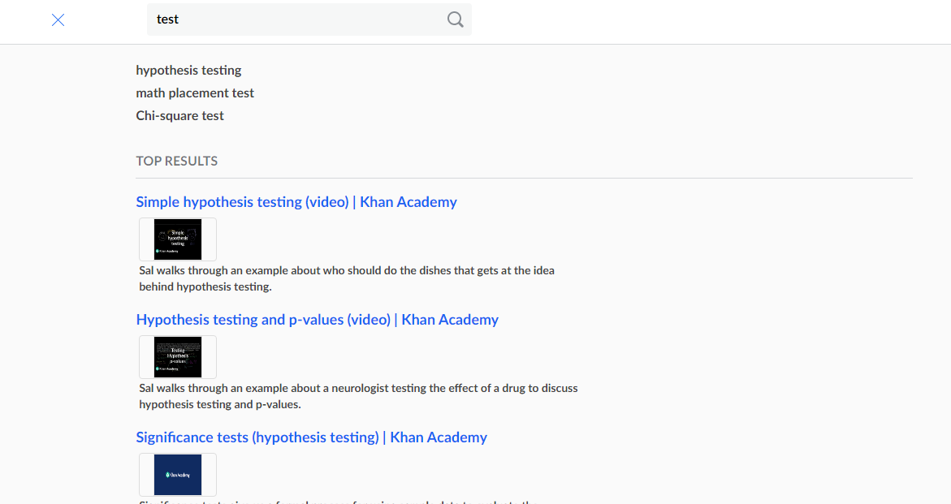

Landing Page
LOGO
RS

