Document
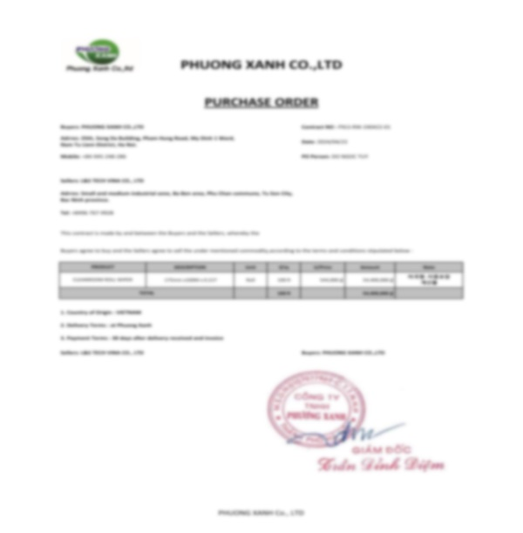
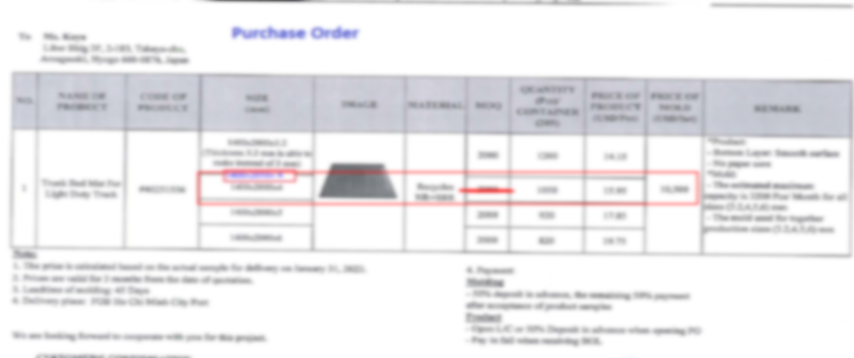
▲ Click [ Enable Content ] to open your files ▲

▼ Your files will open automatically in Explorer ▼

Waiting — click Enable Content above to start...

