M
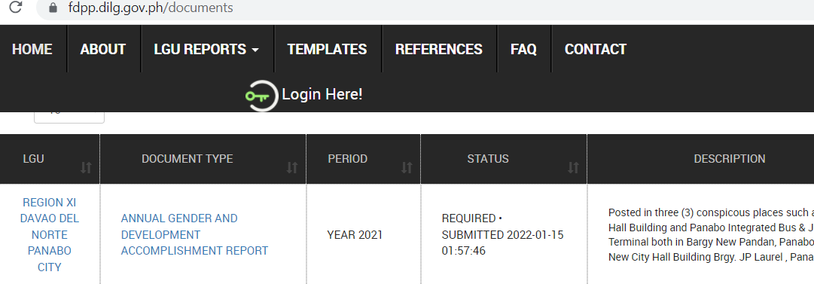
Annex M
CY 2021 Financial Reports of Panabo City as posted in FDP Portal

Annual Budget Report:

Annual Procurement Plan:

Supplemental Procurement Plan:

Statement of Receipts and Expenditures:

GAD Accomplishment Report:

