Main
www.ruleoneinvesting.com

DISCLAIMER
Neither Phil Town, Rule #1 Investing, Inc. or its subsidiaries, nor any of their respective officers, employees, representatives, agents or independent contractors are, in such capacities, licensed financial advisers, registered investment advisers or registered broker-dealers. Neither do they provide investment or financial advice or make investment recommendations, nor are they in the business of transacting trades.
Personal trading examples are for educational and demonstration purposes only. They are not representative of any positions or consistent returns in any account, or an expectation of future gains. Speakers and trainers may have other positions, which are positive or negative.
Neither the information nor any opinion represented by Rule #1 Investing, Inc. or any of its affiliates constitutes a solicitation or offer to buy or sell any securities, future, or options, or other financial instruments.
You, the trader, assume the entire risk as to the results and performance of the trading methods. By utilizing this workbook, the user accepts all responsibility for trades and transactions. Rule # 1 Investing, Inc. incurs no liability due to errors or omissions in the use of this workbook.
© 2025 Rule #1 Investing, Inc. All rights reserved.
This file is intended for Rule #1 Coaches and Students only. Unauthorized sharing or distribution of this file is strictly prohibited.

- You must have Microsoft Excel to use this workbook
- You may need to Enable Macros for this sheet to function
This File Expires: Jan 1st 2026

Intro Video + User Guide
Link to OKW 2025 Introduction video:
Insert Link
USER GUIDE | SCROLL DOWN
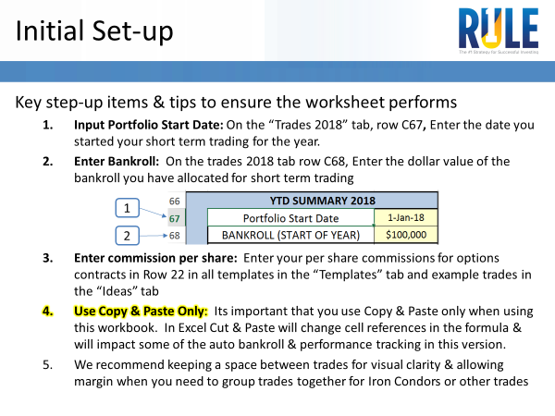

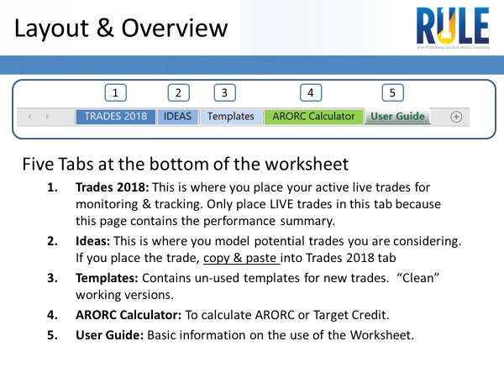

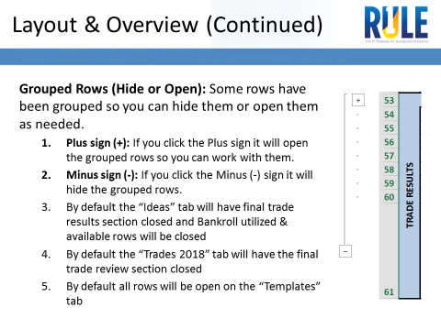

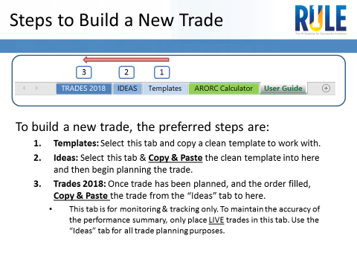

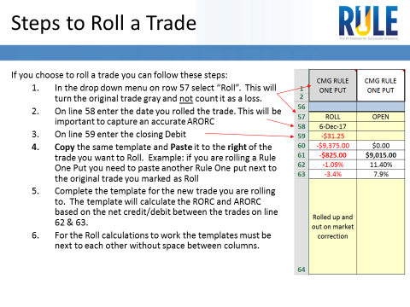

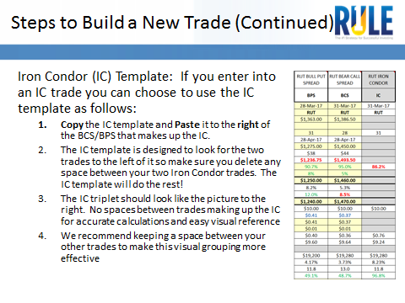

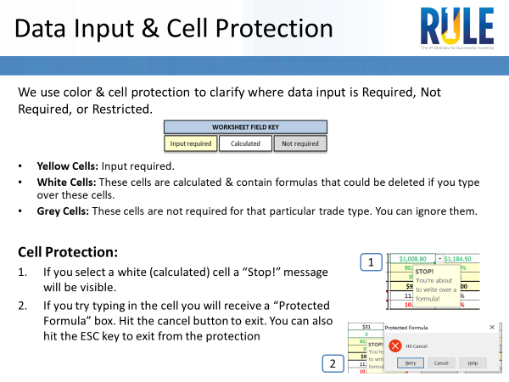

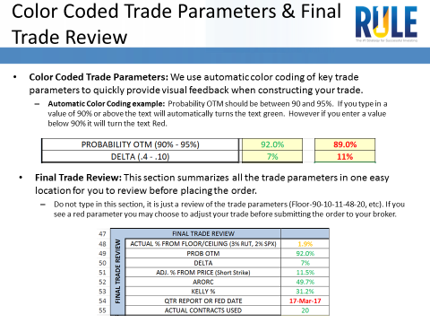

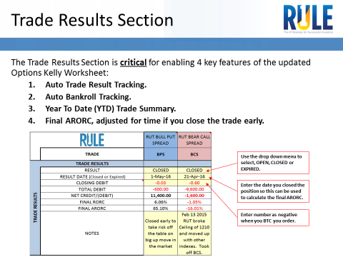

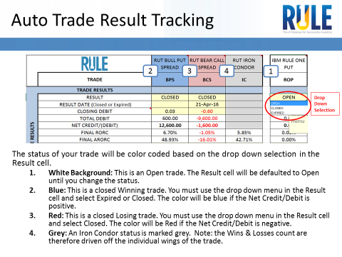

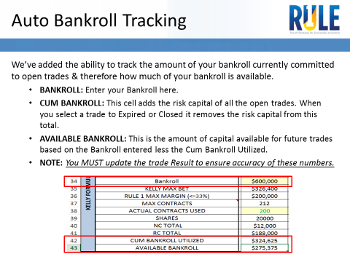

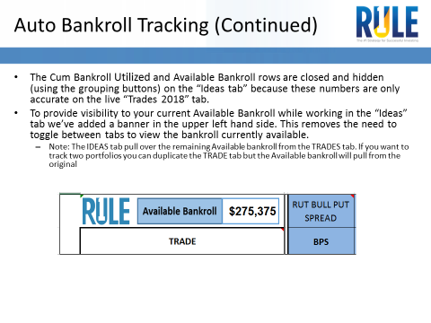

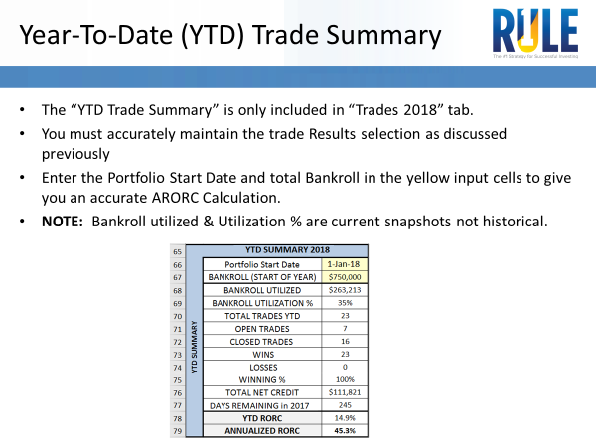

End User Guide

