HelpfulDocumentation
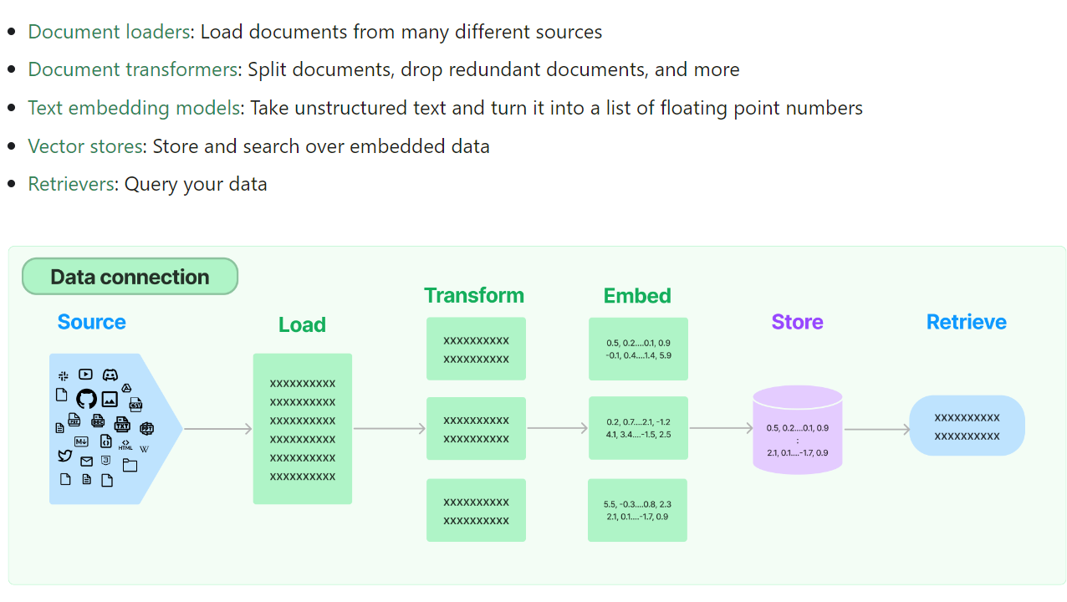
https://python.langchain.com/docs/modules/data_connection/

