User-System Interaction
Read Input
Understands what the document is?
Create embeddings and vectors
Queries document against user-chosen sustainability metrics/framework
User uploads sustainability documentation (e.g. PDFs, Word files, emails, etc.)
Program reads document
Program understands what metrics this document is related to and prepares to score metric.h
Yes
Data Extraction / Cleaning / Transforming
Program embeds/vectorizes the document for retrieval later

Clean and reprocess data
No
Can score?
Program reads document and runs alternative algorithms to clean and reprocess
No

Yes
Scoring calculation
Send document back to user
Program scores the entity's performance under specific metric and moves to next document

Program sends back to user to provide clearer information (e.g. keywords, phrases, more detail, etc.)

Next document available?

Finished. Tally's total score. Allows user to save.
No

Yes

AI Tech Stack

PDF Processing -> Text Processing -> Tokenization -> Metadata Addition -> Text Chunking -> Embedding Creation (w/ metadata)-> Quality Control -> Data Formatting -> Upload to Vector DB

Document/Data Feed/ Document Analysis (e.g. keywords, metadata, structure, etc.)
Extracting/Cleaning/
Transforming
LLM (Model Layer)
Tokenezation -> Metadata -> Chunking ->Embedding
(prepare text data for use in ML models)
Vector Database
(storage and retrieval)
Query the Index (Vector DB) with sentence transformers
Framework
(Orchestration Layer)
Monitoring / Caching / Validation (Operational Layer)

- Google Document AI
- Microblink
- Nanonets (Zero-training AI) Could be used to capture data from documents.
- Hevo Data
- Airbyte
- Captain Data
- Diffbot
- Octoparse
- Brightdata
- Scrapy
- Docparser
Possible Datasets
- HuggingFace
Software
- https://tika.apache.org/
- OpenAI text-embedding-3-small or text-embedding-3-large
- Cohere's embed-english-v3.0
- E5-base-v2
- GET-base, GET-large
- voyage-lite-02-instruct
- BERT
- Multi-model embedding models?
- Audio, video, text, image encoders
- Unify numerous encoder models using contrastive learning
Software
-Gensim (Word2vec, doc2vec)
- Create vector embeddings with data, then upsert to Pinecone.
- Similarity function should be close to loss function of embdding model
Chunking
- SpaCy, Stanford coreNLP,
Embedding
- Sentence transformers, BERT (hugging face hub), tensor flow hub, Flair
Attention - sits in the transformer architecture. Important to understand how it interacts with inputs and transformers to boost performance and reduce costs
Not use solo.
- Might be better with text search, keyword matching, semantic similarity. keyword indexing, metadata tagging, query decomposition
Vector DB's include:
- Chroma
- Pinecone
- Weaviate
- Milvus
- Faiss
- Qdrant
Notes: Find ways to visualize learned vector space
https://benchmark.vectorview.ai/vectordbs.html
all-MiniLM-L6-v2: A compact, efficient model that offers a good balance between performance and speed.
all-mpnet-base-v2: Based on the MPNet architecture, known for high performance across various tasks. paraphrase-multilingual-mpnet-base-v2: A multilingual version of the MPNet-based model, supporting 50+ languages.
all-distilroberta-v1: A distilled version of RoBERTa, offering good performance with reduced computational requirements.
stsb-roberta-large: Fine-tuned on the STS benchmark dataset, particularly strong for semantic textual similarity tasks.
multi-qa-MiniLM-L6-cos-v1: Optimized for question-answering tasks, using cosine similarity for comparisons. sentence-t5-base: Based on the T5 architecture, known for its versatility in various NLP tasks.
paraphrase-albert-small-v2: A lightweight model based on ALBERT, suitable for paraphrase detection and generation.
xlm-r-100langs-bert-base-nli-stsb-mean-tokens: A multilingual model supporting 100 languages, based on XLM-RoBERTa.
distiluse-base-multilingual-cased-v2: A distilled, multilingual model that balances performance and efficiency across languages.
Use:
- LangChain
- FLowise
- AutoGPT
- AgentGPT
- LlamaIndex
- BabyAGI
- Galileo
- Vellum AI
- AutoChain
- MistralAI
Enhance with:
- Fine-tuning
- Data augmentation
- Multitask learning
- End-to-end generation
- Retrieval Augmented Generation
Possible (general purpose) LLMs:
- Chat GPT
- Google Gemini
- Anthropic Claude
- Meta LLaMA
- Cohere
- Mistral
Special Purpose:
- Ravenn 13-B

LLM fine-tuning (Model Layer)
Inference (This comes after training. Can be done on GPU or local CPU)

HuggingFace transformers
Pytorch (Meta)
Lama Library (Lamini)
OpenAI API (GPT)
TensorFlow and Keras
AllenNLP
FastAI
Google's T5 / T5X
Notes:
- get ~1000 inputs and outputs to achieve good results
- use language objective such as next token prediction

Agents
RAG (Retrieval Augmented Generation)
Knowledge Graphs for RAG (where fit in?)
Function Calling
Custom LLM builders

NexusFlow
- Call functions that quantify results?
- Datasaur
ZZZ
Notes:
- Can play a role in doing multiple tasks simultaneously. Makes model much larger.
- LLMs are the brain of the agent
- Use of planning modules to break down complex tasks
- Modify agent to guide LLM
- Architect the agent to augment and utilize certain capabilities
- Multi-model recommender
Multi-model RAG (pictures, videos, text, audio, etc.)
Notes:
- Use to anayze invoices, bills, etc.

Synthetic Data Creation

Techniques:
Generative AI: Using models like GPT-3.5, GANs, or VAEs to create realistic data.
Rules Engine: Defining rules and constraints to generate structured data.
Entity Cloning: Duplicating existing data entities with variations.
Data Masking: Anonymizing real data while preserving essential features.
Resources and Tools:
NVIDIA's Nemotron-4 340B: A free, open-source LLM for generating synthetic data.
Gretel Navigator: A tool for creating diverse and high-quality synthetic training examples.
BigQuery DataFrames with LLMs: Generating synthetic data based on user-specified schema.

ModelGuts
Training Data
Feature Engineering
Fine Tuning
Fine-Tuned LLM

Inference Engine
User Application

Agent

Notes
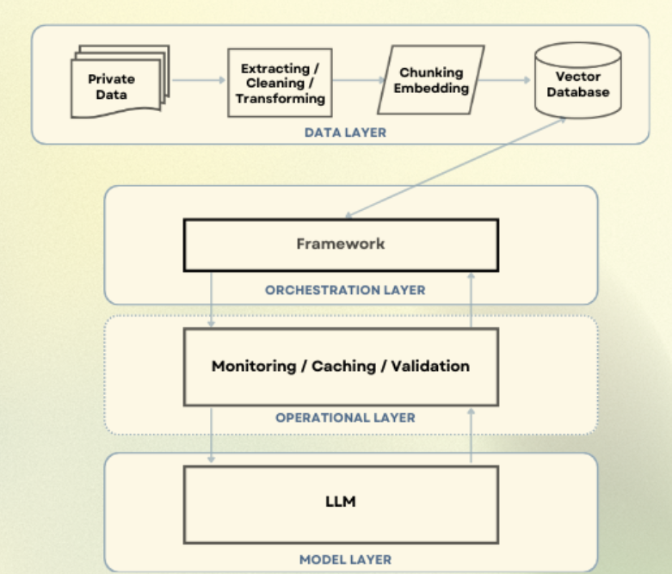
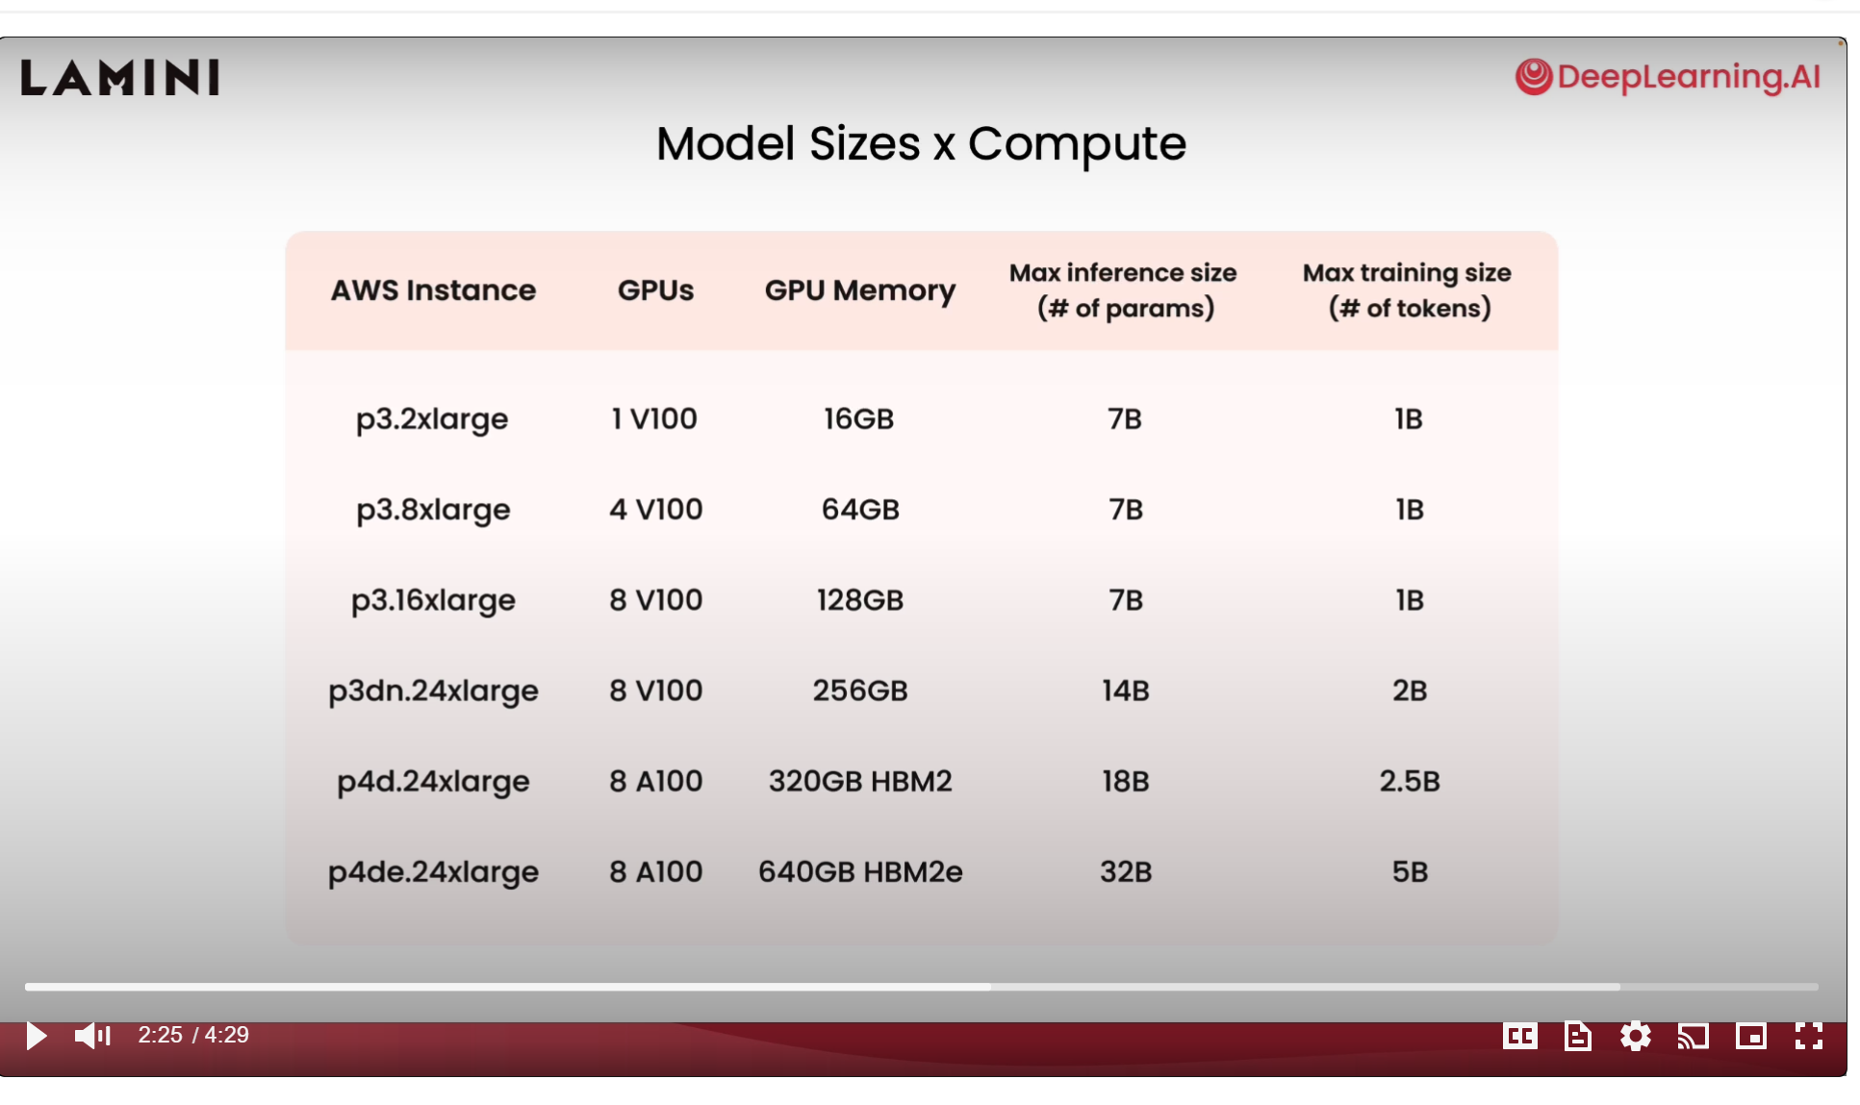
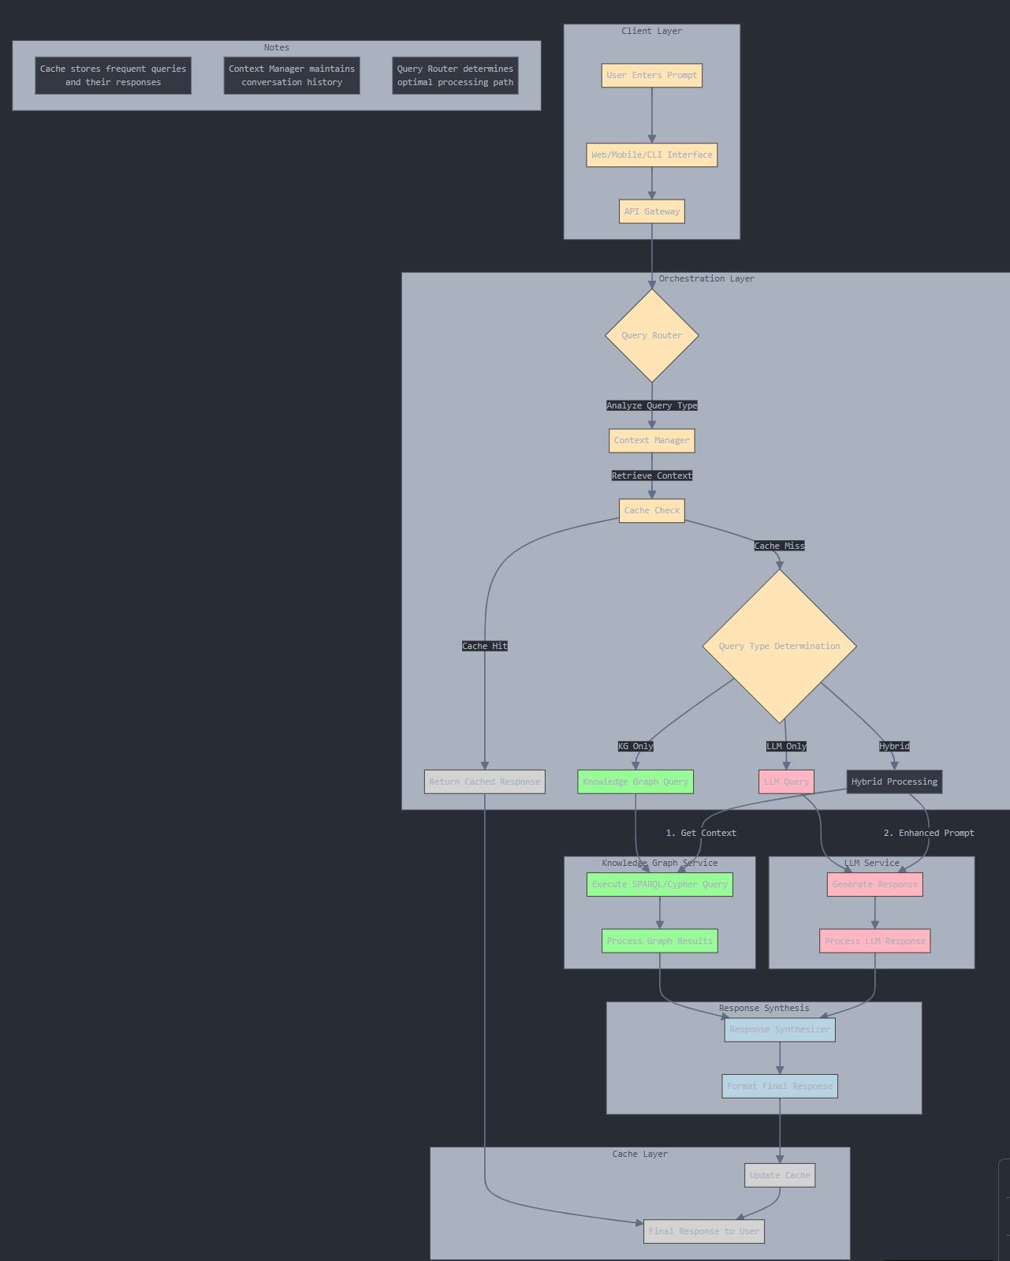
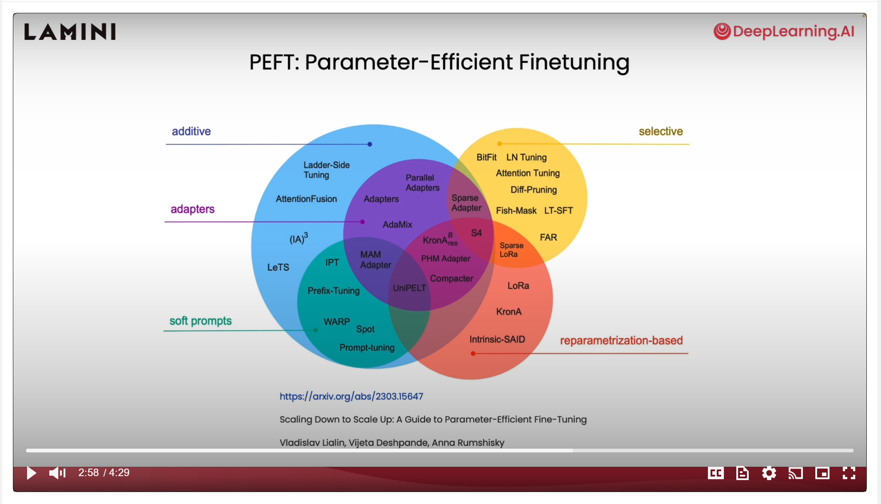
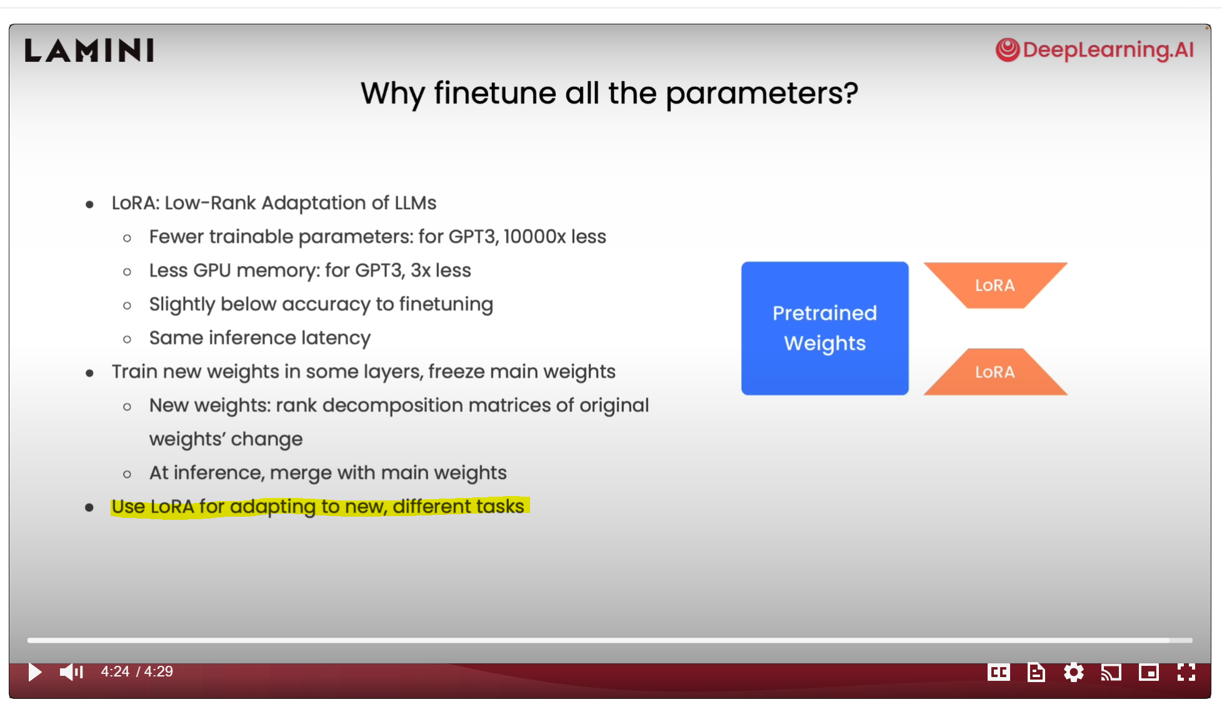
https://www.codesmith.io/blog/introducing-the-emerging-llm-tech-stack | Finetuning LLMs on OpenAI's video archive | Output from Claude to query: "Draw me flow diagram of user prompt to user response"

