DescriptionBackground
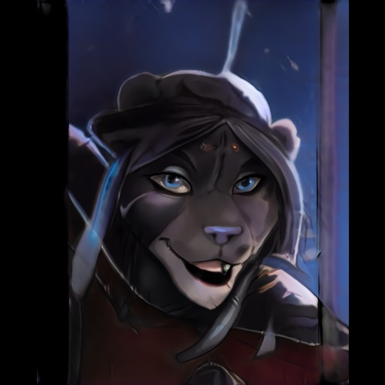
Elaahni is a feline, dark-grey furred demihuman, who stands almost 7 feet tall. She has a strong, toned physique, but her real strength lies in her extreme nimbleness and flexibility, which can be attributed to her unique style of combat dancing. She's loyal, dutiful and helpful, and generally tries to keep a positive outlook on life, despite the circumstances. Under her clothes, she hides several bald spots, where the scar tissue from her severe burns prevents her coat from regrowing. She's not self-conscious about these scars, but would simply rather not retell her memories (or lack thereof) again and again.

While she's generally laid-back and enjoys a bit of fun, she seems like a completely different person when it comes to work, where her attitude is extremely serious and no-nonsense. When it comes to any shenanigans that could affect the outcome of the mission in the slightest, like in-fighting, fooling around or showing off, she'll be quick at attempting to shut it down. If necessary, by force. This brought her at odds with her previous group, who, in her eyes, seemed to cared more about being the best, than actually completing their missions with the highest efficiency.

Elaahni does not remember much from her childhood except few vague images of singing and dancing. And then... fire. Whoever saved her from the inferno was most likely who also placed her battered body on the monastery's doorstep, where the monks nursed her back to health, before Yido Dol began training her with the others. While she has no clear memories of what happened, she retained her childhood love for song and dance, but also grim reminders of what happened, in the form of scarred patches of skin underneath her fur.

