Sheet1
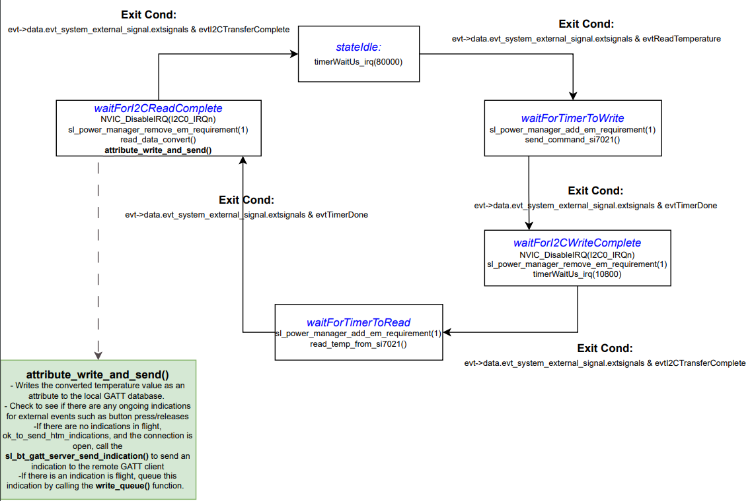
 | Client Command Table for A8

 | Use this table to help you design your program. Add rows as needed. | Use this column to describe when and what your LCD display changes to for rows like DISPLAY_ROW_CONNECTION | Use this column to denote if BT stack events cause your state machine to advance, you can put an X in the cell to note this. Drawing a bubble diagram of your state machine might also be a good idea 👍. | Commands that may be useful: sl_bt_gatt_discover_primary_services_by_uuid() sl_bt_gatt_discover_characteristics_by_uuid()
 | Event | LCD Display State | Advances State Machine | Commands called in response to event | Notes
Events Common to Slaves/Clients
 | sl_bt_evt_system_boot_id | displayPrintf(DISPLAY_ROW_NAME, "%s", "SERVER"); displayPrintf(DISPLAY_ROW_BTADDR, "%02X:%02X:%02X:%02X:%02X:%02X", ble_data.myAddress.addr[5], ble_data.myAddress.addr[4], ble_data.myAddress.addr[3], ble_data.myAddress.addr[2], ble_data.myAddress.addr[1], ble_data.myAddress.addr[0]); displayPrintf(DISPLAY_ROW_ASSIGNMENT, "%s", "A8"); |  | This event is generated on stack boot up | You can also document in column D values that need to be saved in response to receiving BT stack events. Initializes the LCD by enabling the DISP_ENABLE pin in the mux. Getting into this event means that the device has started and the radio is ready.
 |  | displayPrintf(DISPLAY_ROW_CONNECTION, "%s", "Advertising"); |  | sl_bt_scanner_set_mode() | Set phy to 1M and mode to passive scanning. Because of the passive scanning mode, the device would not transmit any packets, but only listens to the advertising packets. Binary 1 for 1M PHY, and Binary 0 for Passive Scanning.
 |  |  |  | sl_bt_scanner_set_timing() | Set phy to 1M, scan interval to 50ms and scan window to 25ms. How often to scan is the scan interval, the interval when the device starts the last scan to the start of the next scan. The time distance between the rising edges. Default value is 10ms. All three channels will be used by scanner (client). Scan window has to be less than or equal to the scan inteval. Value conversions requiured in code.
 |  |  |  | sl_bt_connection_set_default_parameters() | See the assignment document for these values. Default Bluetooth connection parameters. To change these parameters, use the function sl_bt_connection_set_parameters(). Values to pass into this function is the min_interval, max_interval, latency, timeout, min_ce_length, and max_ce_length.
 |  |  |  | sl_bt_scanner_start() | You should start and stop scanning just like you did with advertising for a Server. Initiates the GAP discovery procedure. The sl_bt_scanner_stop() is used to stop the discovery. The input parameters are the scanning_phy, and the discover_mode which sets the discovery mode for the device.
 |  |  |  | sl_bt_sm_delete_bondings() | Completing bonding procedure successfully. No archived bonding information is saved on the Client (mobile phone) or the Gecko. This function will also force a repairing each time we connect.
 |  |  |  | sl_bt_gatt_server_write_attribute() | Write value of an attribute to the local GATT Database. Corresponding UUID- 0x2902. Will not trigger notifications. Value comes in from the private ble data structure to get the button_press status.
 |  |  |  | sl_bt_sm_configure() | Configuring the security requirements and I/O capabilites of the system. Security requirement: Bonding requires authentication, Encryption requires bonding. Bonding requests need to be confirmed. displayYesNo
 | sl_bt_evt_connection_opened_id | displayPrintf(DISPLAY_ROW_CONNECTION, "%s", "Connected"); displayPrintf(DISPLAY_ROW_TEMPVALUE, "%s ", " "); | X | sl_bt_gatt_discover_primary_services_by_uuid() | After this event is triggered, we are now able to explore the primary services provided by the server. Examples of this could be the HTM temperature, or the humidity.

 | sl_bt_evt_connection_closed_id | displayPrintf(DISPLAY_ROW_TEMPVALUE, "%s ", " "); displayPrintf(DISPLAY_ROW_CONNECTION, "%s", "Advertising"); displayPrintf(DISPLAY_ROW_PASSKEY, "%s", " "); displayPrintf(DISPLAY_ROW_ACTION, "%s", " "); | X | sl_bt_scanner_start() | After this event is triggered, we want to close the connection between the server and the client. The advertising side (client) side would now start advertising again by calling the sl_bt_scanner_start() function.

 | sl_bt_evt_system_soft_timer_id |  |  | if (evt->data.evt_system_soft_timer.handle == 0) { displayUpdate()} if(evt->data.evt_system_soft_timer.handle == 1) { read_queue(), sl_bt_gatt_server_send_indication()} | This event allows the LCD display to be updated, from the way how it was setup in the displayInit() function in lcd.c. The EXTCOMIN pin is set to 1 through the gpioSetDisplayExtComin function call. If the soft timer is 1, check for any queued indications and if there are no indications in flight, then read from the queue (circular buffer) and send the indication using the appropriate API call and set indication_in_flight = 1.

 | sl_bt_evt_system_external_signal_id | displayPrintf(DISPLAY_ROW_9, "%s", "Button Pressed"); displayPrintf(DISPLAY_ROW_9, "%s", "Button Released"); |  | sl_bt_sm_passkey_confirm() sl_bt_gatt_server_write_attribute_value() sl_bt_gatt_server_send_indication() write_queue() | Accept or reject the reported passkey value. Handles the two types of button events, button press event and a button release event. Write the server write attribute for the button state and check for indication flight flag and the empty flag in the circular buffer, from there either send the indication or queue the indication to the circular buffer. Do all of this for both evtButtonPress and evtButtonRelease.

 | sl_bt_evt_sm_confirm_bonding_id | N/A |  | sl_bt_sm_bonding_confirm() | Indicates a user request to display that the new bonding request is received and for the user to confirm the request. In this event, we either accept or reject the bonding request.

 | sl_bt_evt_sm_confirm_passkey_id | displayPrintf(DISPLAY_ROW_PASSKEY, "Passkey : %d", evt->data.evt_sm_confirm_passkey.passkey); displayPrintf(DISPLAY_ROW_ACTION, "%s", "Confirm with PB0"); |  | N/A | Upon coming into this event, the passkey is confirmed by the user with a button press.

 | sl_bt_evt_sm_bonded_id | displayPrintf(DISPLAY_ROW_CONNECTION, "%s ", "Bonded"); |  | N/A | This event is triggered after the pairing or bonding procedure is successfully completed

 | sl_bt_evt_sm_bonding_failed_id | displayPrintf(DISPLAY_ROW_PASSKEY, "%s", " "); displayPrintf(DISPLAY_ROW_ACTION, "%s", " "); |  | N/A | This event is triggered if the pairing or bonding procedure fails.
 | sl_bt_evt_gatt_server_characteristic_status_id | N/A |  | N/A | Indicates either that a local Client Characteristic Configuration descriptor was changed by the remote GATT client, or that a confirmation from the remote GATT client was received upon a successful reception of the indication

