F-SCORE ANALYSIS
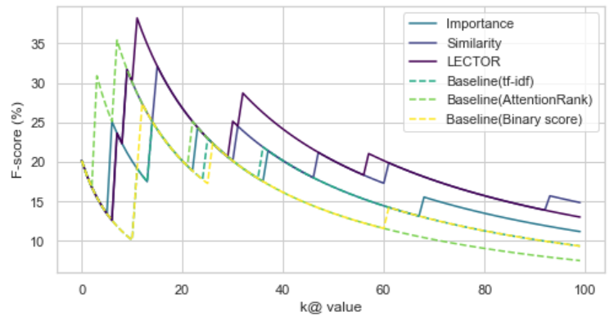
F-SCORE ANALYSIS (シラバス)

 | Table 1. Summary of the F-score results.

 |  | F-score (%) |  |  |  |  | Precision (%) |  |  |  |  | Recall (%)
 | Model | k@5 | k@10 | k@15 | Max | Mean | k@5 | k@10 | k@15 | Max | Mean | k@5 | k@10 | k@15 | Max | Mean
 | Importance | 14.39 | 21.15 | 25.11 | 25.11 | 16.85 | 20.00 | 20.00 | 20.00 | 20.00 | 12.68 | 11.11 | 22.22 | 33.33 | 33.33 | 50.22
 | Similarity | 14.39 | 31.68 | 25.11 | 32.11 | 19.69 | 20.00 | 30.00 | 20.00 | 25.00 | 14.48 | 11.11 | 33.33 | 33.33 | 44.44 | 59.67
 | LECTOR | 14.39 | 31.68 | 33.44 | 38.20 | 20.70 | 20.00 | 30.00 | 26.67 | 33.00 | 15.19 | 11.11 | 33.33 | 44.44 | 44.44 | 61.56
 | Baseline | 14.39 | 10.63 | 25.11 | 25.11 | 15.53 | 20.00 | 10.00 | 20.00 | 20.00 | 11.68 | 11.11 | 11.11 | 33.33 | 33.33 | 46.00
 | AttentionRank | 14.39 | 21.15 | 25.11 | 27.38 | 17.07 | 20.00 | 20.00 | 20.00 | 23.08 | 12.77 | 11.11 | 22.22 | 33.33 | 33.33 | 51.89
 | wang | 14.39 | 10.63 | 25.11 | 27.38 | 14.77 | 20.00 | 10.00 | 20.00 | 23.08 | 11.26 | 11.11 | 11.11 | 33.33 | 33.33 | 43.33
 | AttentionRank | 28.68 | 31.68 | 25.11 | 35.39 | 15.65 | 40.00 | 30.00 | 20.00 | 37.50 | 12.63 | 22.22 | 33.33 | 33.33 | 33.33 | 40.89

FDR ANALYSIS
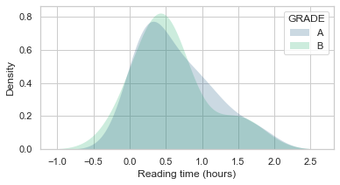
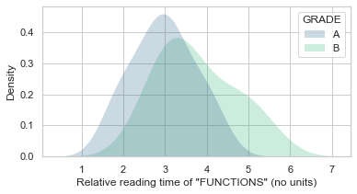
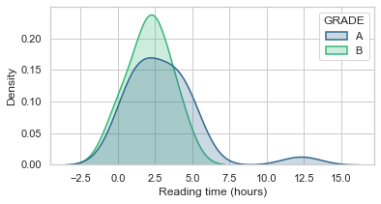
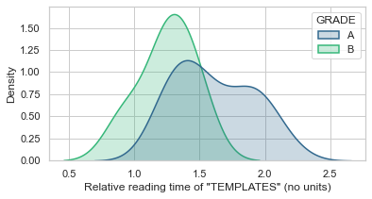
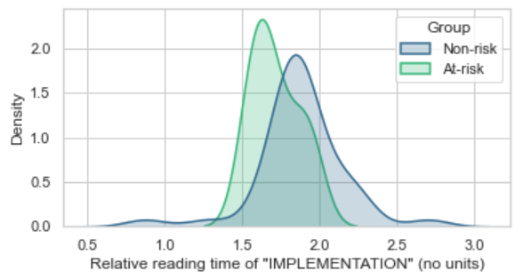
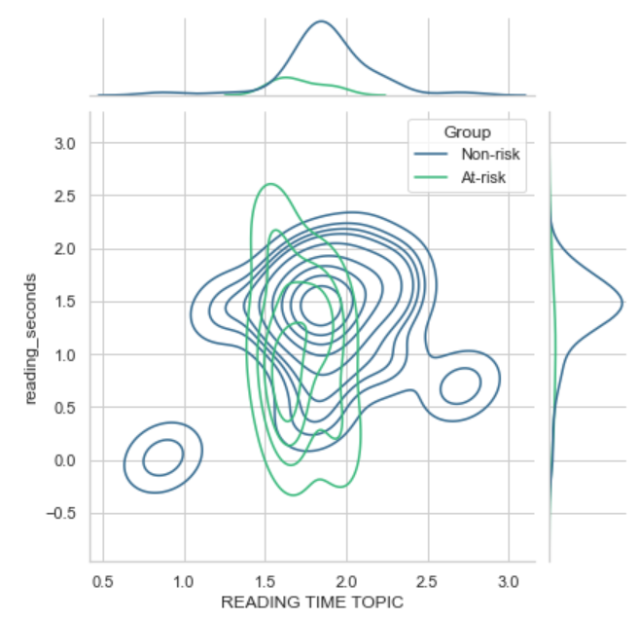
DISTRIBUTION SEPARABILITY (FDR) VALUES (BOOKROLL)

 | SUMMARY

 |  |  | ANOVA | A-B | B-C | C-D | D-F | F RECOGNITION
 | LECTURE 1 (IN-CLASS) | Reading time | 0.0889 | 0.0342 | 0.2615 | 2.7824 | 0.0229 | 1.1109
 |  | Topic reading time | 0.0097
 |  | (Topic) | Scheme program
 |  | RRT | 0.2194 | 1.4517 | 612.4441 | 46.8605 | 3.2329 | 4.3245
 |  | (Topic) | Design method | expressions | data | exercices | design method | execution
 | LECTURE 1 (OUT-CLASS) | Reading time | 0.9976 | 0.0409 | 0.0023 | 0.0436 | 0.0085 | 0.0000
 |  | Topic reading time | 0.8373
 |  | (Topic) | Function definition
 |  | RRT | 0.0472 | 3.0031 | 29.3069 | 653.1113 | 72.6491 | 1.4049
 |  | (Topic) | Definitions | auxiliary functions | problems | program design | problems | auxiliary functions
 | LECTURE 2 (IN-CLASS) | Reading time | 0.6089 | 1.0128 | 0.6902 | 0.1735 | 0.0021 | 0.0192
 |  | Topic reading time | 0.3492
 |  | (Topic) | Cond expression
 |  | RRT | 0.1227 | 6.3908 | 8.4876 | 568.8275 | 1.7794 | 1.5921
 |  | (Topic) | Computation | problems | boolean value | problems | program | program
 | LECTURE 2 (OUT-CLASS) | Reading time | 0.0683 | 0.0502 | 0.0855 | 0.2629 | 0.0913 | 0.3253
 |  | Topic reading time
 |  | (Topic)
 |  | RRT | 0.0101 | 5.5802 | 29.9718 | 241.0980 | 2.8445 | 17.9203
 |  | (Topic) | Functions | design method | cond expression | data analysis | body expression | exercise problems
 | LECTURE 3 (IN-CLASS) | Reading time | 0.1449 | 0.0503 | 0.4597 | 0.1141 | 0.0142 | 0.3367
 |  | Topic reading time
 |  | (Topic)
 |  | RRT | 0.0357 | 11.8214 | 8.2630 | 7.9979 | 15.0609 | 5.0306
 |  | (Topic) | Examples | exercise problems | synthetic data | synthetic data | sorting | examples
 | LECTURE 3 (OUT-CLASS) | Reading time | 0.1311 | 0.0234 | 0.0008 | 0.2131 | 1.4279 | 0.1951
 |  | Topic reading time
 |  | (Topic)
 |  | RRT | 0.0139 | 15.1663 | 168.3281 | 286.8350 | 42.2655 | 43.1262
 |  | (Topic) | Expressions | templates | element count | element | exercise problems | exercise problems
 | LECTURE 4 (IN-CLASS) | Reading time | 0.1664 | 0.8160 | 0.0657 | 0.1561 | 0.7552 | 0.6471
 |  | Topic reading time
 |  | (Topic)
 |  | RRT | 0.0034 | 2.4528 | 9.7746 | 2181.5289 | 34305.3608 | 7.9945
 |  | (Topic) | Element search | element search | problems | list | comparison operation | abstraction
 | LECTURE 4 (OUT-CLASS) | Reading time | 0.6194 | 0.0195 | Insufficient data
 |  | Topic reading time
 |  | (Topic)
 |  | RRT | 0.1620 | 2.0686 | Insufficient data
 |  | (Topic) | List | programming theory | Insufficient data

CORRELATION ANALYSIS
CORRELATION ANALYSIS (BOOKROLL)

 | BOOKROLL READ_TIME NON_NORMALIZED - 4 LAYER MODEL |  |  |  |  |  | RESULTS SUMMARY

 | Keyword | Pearson | T-test | p | 0.05 | 0.01
 | "All" | 0.204 | 5.303 | 4.1670854501E-07 | FALSE | FALSE | Table 2. Summary of the correlation results.
 | Scheme | 0.050 | 1.243 | 0.18407037768 | TRUE | TRUE
 | データ構造 | 0.202 | 5.237 | 5.7974233462E-07 | FALSE | FALSE |  | Pearson Correlation
 | リスト処理 | 0.093 | 2.331 | 0.026570775833 | FALSE | TRUE | Keyword | Attention | Baseline
 | 再帰 | 0.143 | 3.625 | 0.00059201767959 | FALSE | FALSE | All | 0.216** | 0.132**
 | 式 | 0.111 | 2.786 | 0.0083856460065 | FALSE | FALSE | Scheme | 0.057 | 0.036
 | 条件 | 0.118 | 2.962 | 0.0050785279806 | FALSE | FALSE | データ構造 | 0.208** | 0.2**
 | 設計レシピ | 0.096 | 2.410 | 0.022034039817 | FALSE | TRUE | リスト処理 | 0.102* | 0.03
 | 関数 | 0.108 | 2.709 | 0.010339374012 | FALSE | TRUE | 再帰 | 0.132** | 0.145**
 |  |  |  |  |  |  | 式 | 0.117** | 0.116**
 |  |  |  |  |  |  | 条件 | 0.118** | 0.056
 | BOOKROLL READ_TIME NON_NORMALIZED - 2 STACKED LAYER MODEL |  |  |  |  |  | 設計レシピ | 0.114** | -0.034
 |  |  |  |  |  |  | 関数 | 0.107* | 0.013
 | Keyword | Pearson | T-test | p | 0.05 | 0.01 | *p0.05 **p0.01
 | "All" | 0.216 | 5.632 | 7.4841538375E-08 | FALSE | FALSE
Models comparison
 | Scheme | 0.057 | 1.429 | 0.14357977232 | TRUE | TRUE
 | データ構造 | 0.208 | 5.415 | 2.3470236918E-07 | FALSE | FALSE
 | リスト処理 | 0.102 | 2.559 | 0.015271916431 | FALSE | TRUE
 | 再帰 | 0.132 | 3.348 | 0.0015320160981 | FALSE | FALSE
 | 式 | 0.117 | 2.949 | 0.0052802956439 | FALSE | FALSE
 | 条件 | 0.118 | 2.976 | 0.004871997417 | FALSE | FALSE
 | 設計レシピ | 0.114 | 2.876 | 0.006512102581 | FALSE | FALSE
 | 関数 | 0.107 | 2.702 | 0.010526111314 | FALSE | TRUE

 | BOOKROLL READ_TIME NON_NORMALIZED - BASELINE (TF-IDF)

 | Keyword | Pearson | T-test | p | 0.05 | 0.01
 | "All" | 0.132 | 3.344 | 0.0015507514118 | FALSE | FALSE
 | Scheme | 0.036 | 0.886 | 0.26910573086 | TRUE | TRUE
 | データ構造 | 0.200 | 5.192 | 7.2732264716E-07 | FALSE | FALSE
 | リスト処理 | 0.030 | 0.742 | 0.30267888602 | TRUE | TRUE
 | 再帰 | 0.145 | 3.681 | 0.00048435085528 | FALSE | FALSE |  | Slide attention score vs. Slide average reading time
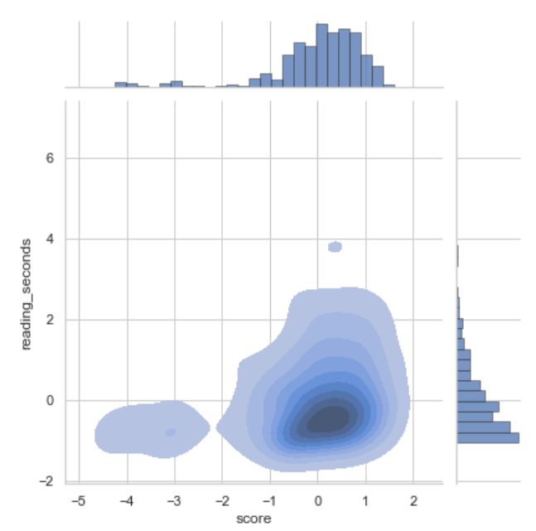
 | 式 | 0.116 | 2.930 | 0.0055770734814 | FALSE | FALSE
 | 条件 | 0.056 | 1.393 | 0.15107027414 | TRUE | TRUE
 | 設計レシピ | -0.034 | -0.836 | 0.28111150779 | TRUE | TRUE
 | 関数 | 0.013 | 0.327 | 0.37797038893 | TRUE | TRUE

 | MODELS COMPARISON

 |  | Attention | Baseline
 | "All" | 0.216 | 0.132
 | Scheme | 0.057 | 0.036
 | データ構造 | 0.208 | 0.200
 | リスト処理 | 0.102 | 0.030
 | 再帰 | 0.132 | 0.145
 | 式 | 0.117 | 0.116
 | 条件 | 0.118 | 0.056
 | 設計レシピ | 0.114 | -0.034
 | 関数 | 0.107 | 0.013

