Sheet1
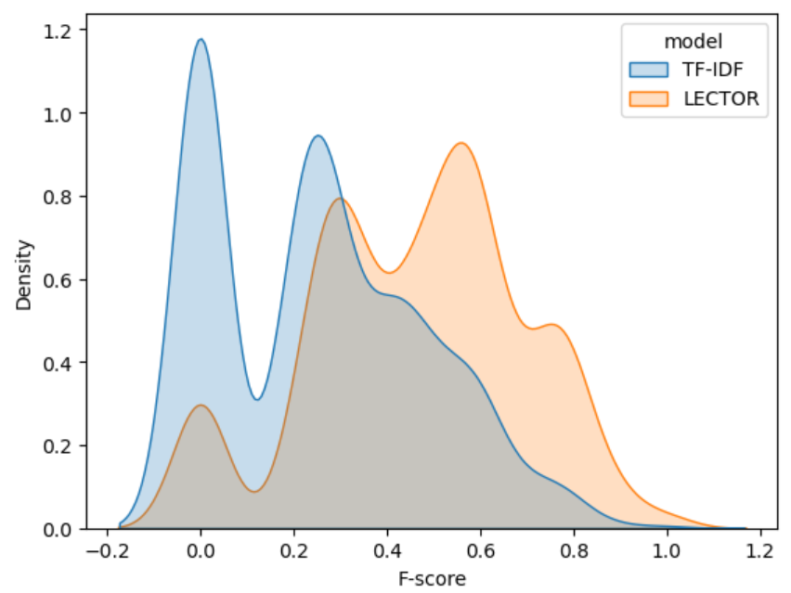
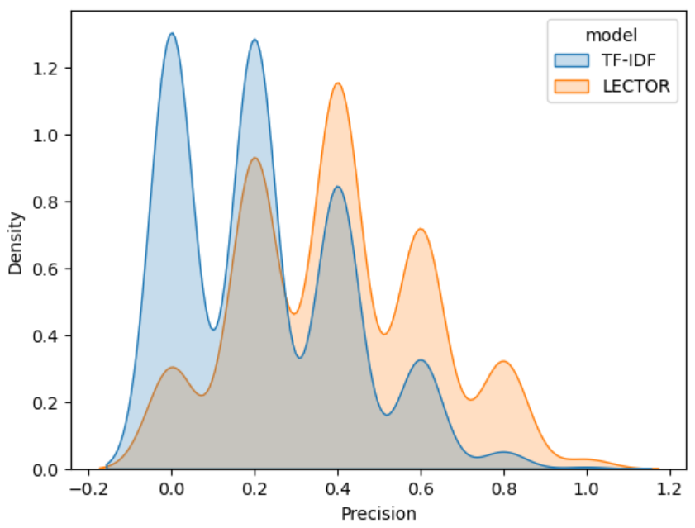
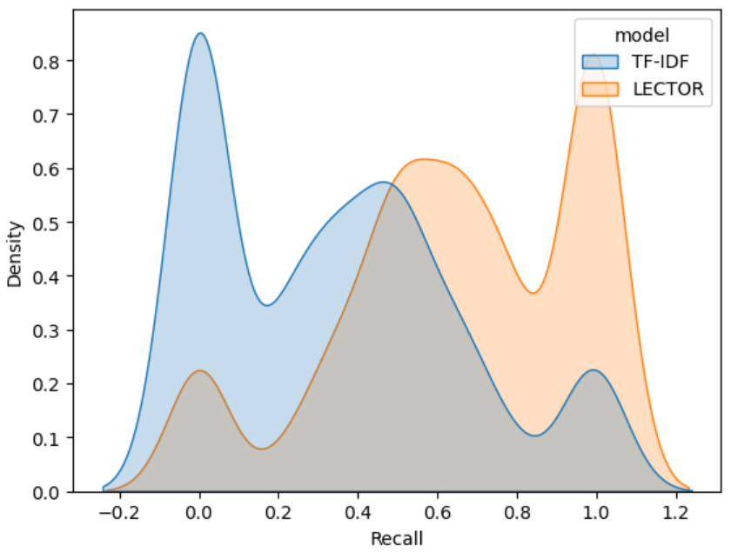
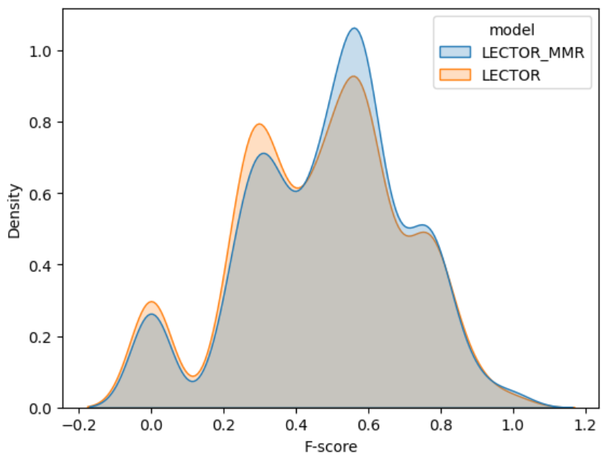
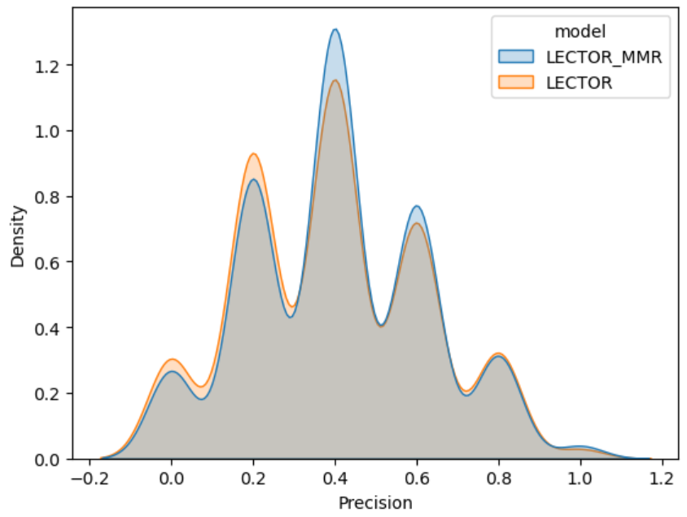
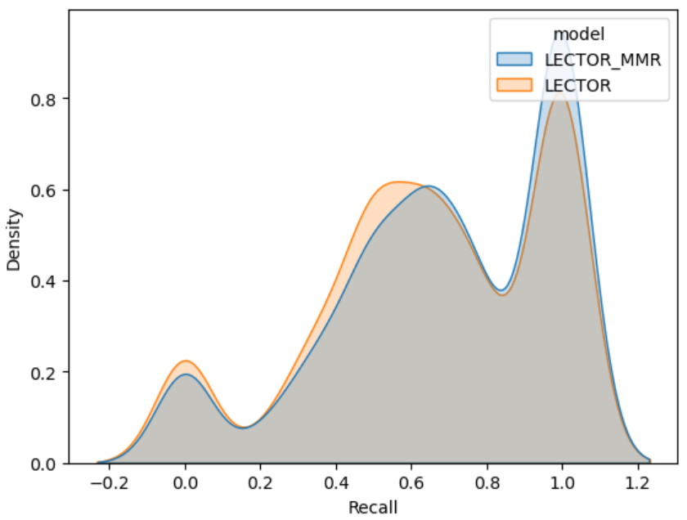
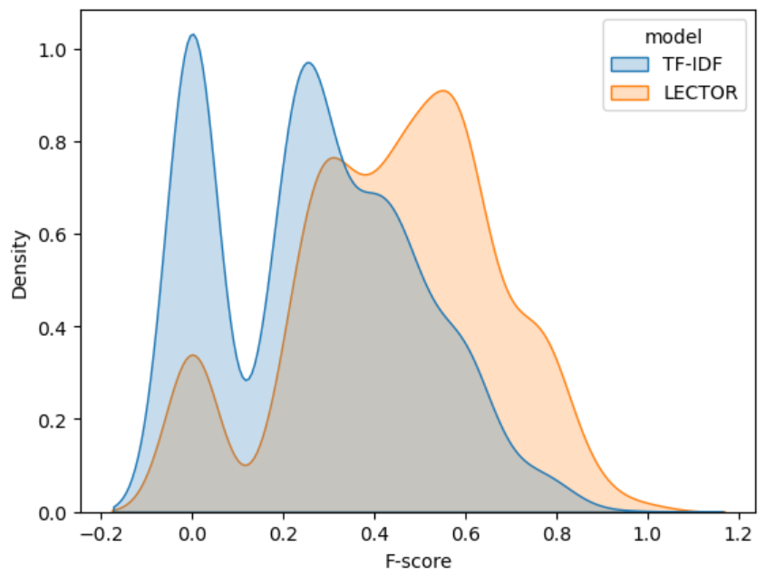
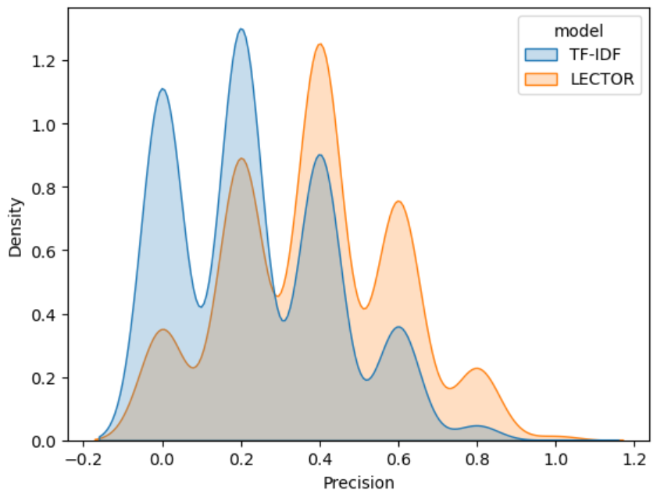
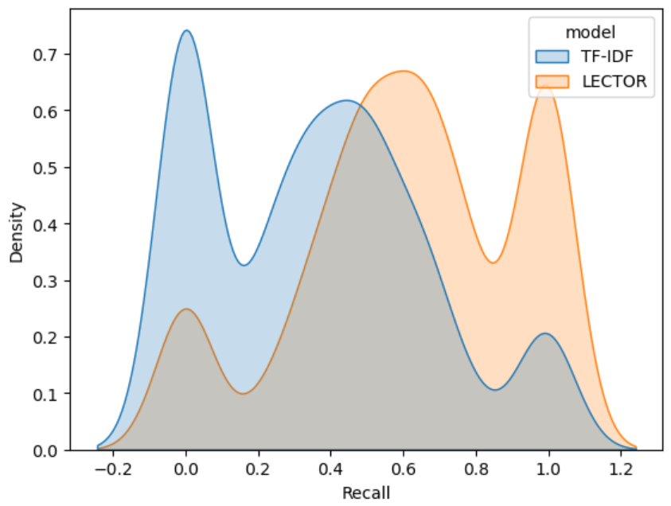
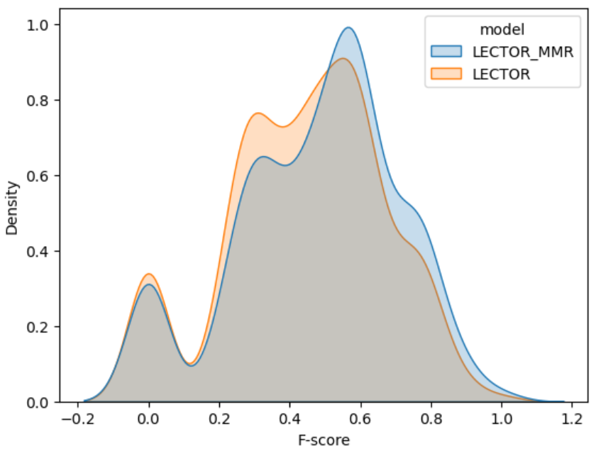
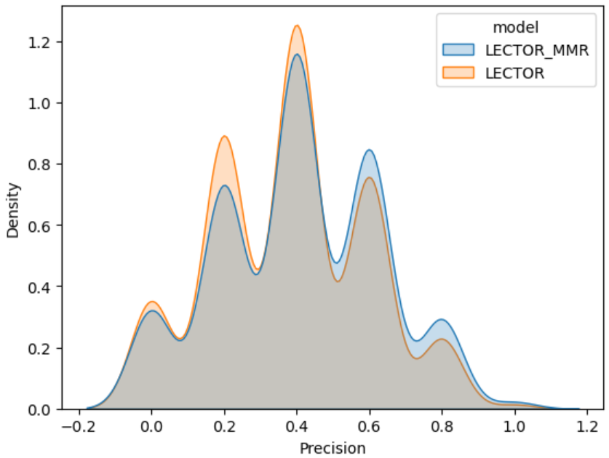
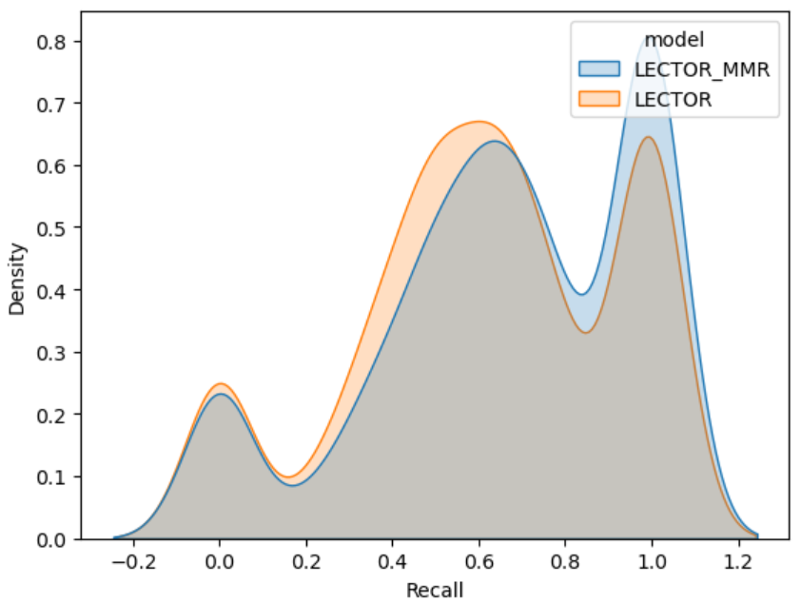
 | SLIDES-LEVEL T-TEST RESULTS

 | Description: | In this analysis, we consider all the samples (keyword selections) collected from all students in each slide as a Ground Truth.

 |  |  | TF-IDF | LECTOR | LECTOR_RECONTEXT |  | 1 | 2 | 3 | 4 | 5 |  | 1 | 2 | 3 | 4
 |  | F-score | 0.377285±0.2061 | 0.618283±0.1814 | 0.644875±0.1804 | 1 | GT | Model | Precision | Recall | F-score | 1 | GT | Performance | Stats | p
 |  |  |  |  |  | 2 | SL | TF-IDF | 0.377285±0.2061 | 0.377285±0.2061 | 0.377285±0.2061 | 2 | SL | F-score | -16.679 | 0
 |  |  |  |  |  | 3 |  | LECTOR | 0.618283±0.1814 | 0.618283±0.1814 | 0.618283±0.1814 | 3 | ST-1 | F-score | -34.508 | 0
 |  |  |  | Stats | p | 4 | ST-1 | TF-IDF | 0.219348±0.204 | 0.343229±0.3154 | 0.253474±0.2256 | 4 |  | Precision | -30.302 | 0
 | T-test | TF-IDF - LECTOR |  | -16.679 | 0 | 5 |  | LECTOR | 0.394855±0.2258 | 0.652931±0.3045 | 0.464776±0.229 | 5 |  | Recall | -37.116 | 0
 |  | LECTOR - LECTOR_MMR |  | -1.975 | 0.0486 | 6 | ST-2 | TF-IDF | 0.235289±0.2017 | 0.362086±0.3047 | 0.268662±0.2173 | 6 | ST-2 | F-score | -27.07 | 0
 |  |  |  |  |  | 7 |  | LECTOR | 0.380530±0.2154 | 0.614239±0.3038 | 0.443969±0.222 | 7 |  | Precision | -23.611 | 0
 |  |  |  |  |  |  |  |  |  |  |  | 8 |  | Recall | -28.111 | 0
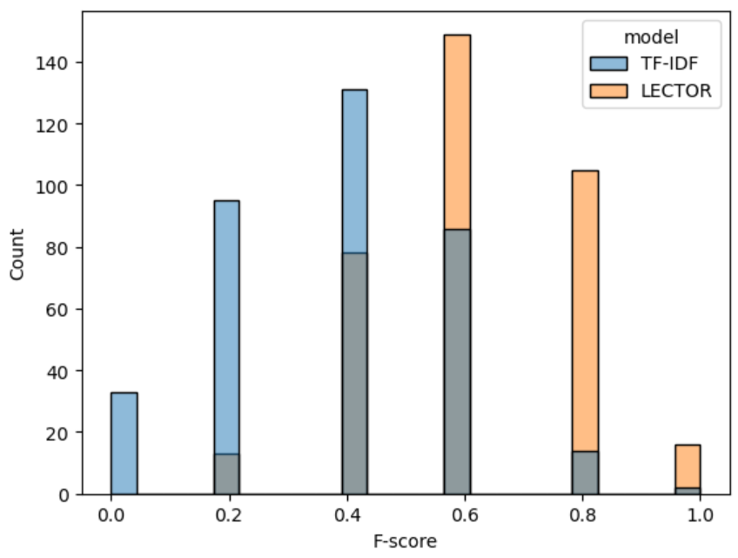
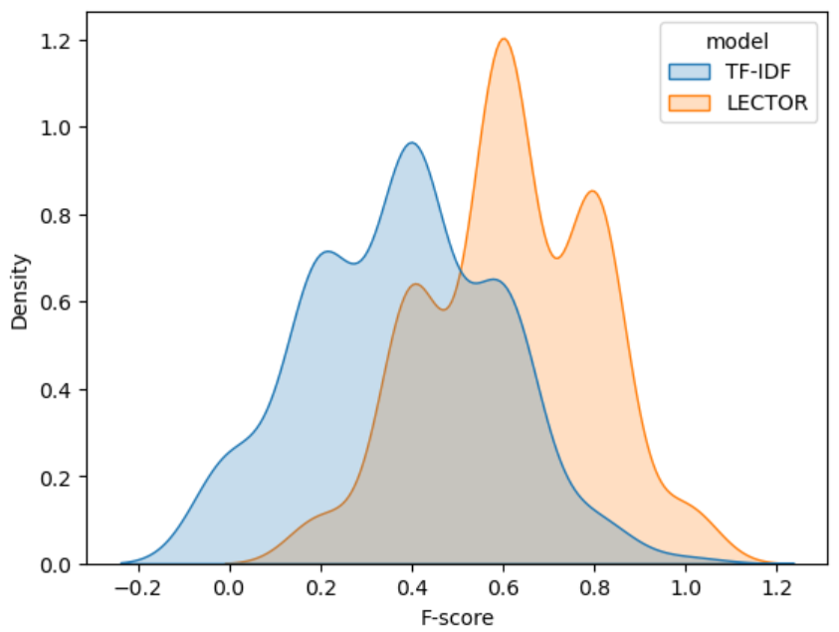

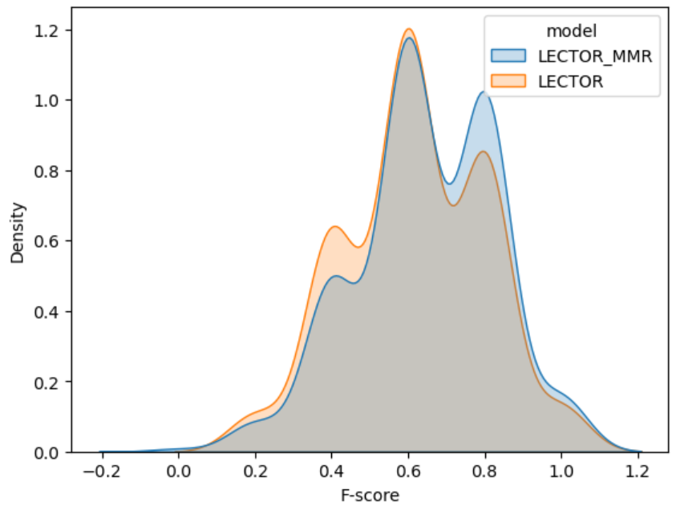
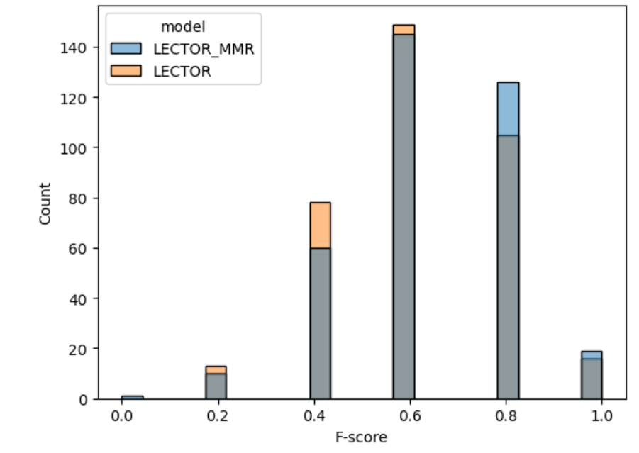

 | STUDENT-LEVEL T-TEST RESULTS

 | Description: | In this analysis, we consider one sample (keyword selection) collected from each student in each slide as a Ground Truth.

 | Group 1:

 |  |  | Precision | Recall | F-score
 | TF-IDF |  | 0.219348±0.204 | 0.343229±0.3154 | 0.253474±0.2256
 | LECTOR |  | 0.394855±0.2258 | 0.652931±0.3045 | 0.464776±0.229
 | LECTOR-RECONTEXT |  | 0.407174±0.2196 | 0.685355±0.3005 | 0.482214±0.2221

 |  |  |  | Stats | p
T-test | TF-IDF - LECTOR |  | F-score | -34.508 | 0
 |  |  | Precision | -30.302 | 0
 |  |  | Recall | -37.116 | 0
 | LECTOR - LECTOR_MMR |  | F-score | -2.87 | 0.004121625927
 |  |  | Precision | -2.054 | 0.039979195998
 |  |  | Recall | -3.982 | 6.9267586E-05

 | Group 2:

 |  |  | Precision | Recall | F-score
 | TF-IDF |  | 0.235289±0.2017 | 0.362086±0.3047 | 0.268662±0.2173
 | LECTOR |  | 0.380530±0.2154 | 0.614239±0.3038 | 0.443969±0.222
 | LECTOR-RECONTEXT |  | 0.407388±0.2238 | 0.660724±0.3086 | 0.476479±0.2295

 |  |  |  | Stats | p
T-test | TF-IDF - LECTOR |  | F-score | -27.07 | 0
 |  |  | Precision | -23.611 | 0
 |  |  | Recall | -28.111 | 0
 | LECTOR - LECTOR_MMR |  | F-score | 4.883 | 1.078267E-06
 |  |  | Precision | 4.148 | 3.4208182E-05
 |  |  | Recall | 5.15 | 2.72071E-07

