UI03
1
Status | Listed

2
Property
Atten: Builders, Renovator And Investor,.Rare Prime North Leaside South Fronting Detached Bungalow On Desirable 29.5 X 135 Ft Lot With Private Drive. Northlea French Immersion, Steps To Shops, Restaurants, Future L R T And Much More. Quiet Non Thru Street Between Sutherland/Laird, Fabulous Location. First Time Buyers, Downsizers, Live In, Top Up Or Build Your Dream Home In One Of The Most Desirable Locations In Toronto. Waiting For Permit , Plan Are Avaible**** EXTRAS **** All Existing Elf's, Fridge, Stove, Washer, Dryer, Oil Burner & Equip, Water Tank (R)
PROPERTY SUMMARY
4
3
Property Type | Price
House | $810,000 $850,000 (-40,000)

6
5
Year Built | Address
2000 | 121 Eglinton Ave.E, Toronto, ON

9
10
FINANCIAL
Taxes | Maintenance
HK$3,400 | N/A

8
7
FEATURES
Bedroms | Bathrooms
3 | 2

11
12
Parking | Locker
2 | N/A

13
Rooms

Main level
Living room | 10.498691 ft x 17.125983 ft
Dining room | 8.464566 ft x 11.220475 ft
Kitchen | 8.005250 ft x 12.040683 ft

Second level
Master bedroom
Bedroom 2 | 10.958008 ft x 12.303150 ft
Bedroom 3 | 8.562991 ft x 12.762466 ft
 | 8.136483 ft x 9.416008 ft
Basement
Recreational, Games room | 14.206033 ft x 16.305775 ft
Kitchen | 7.808400 ft x 8.727033 ft
Utility room | 9.908133 ft x 6.167975 ft
Bathroom | 9.645666 ft x 5.183725 ft

14
Agent | 123456

PHOTOS
15
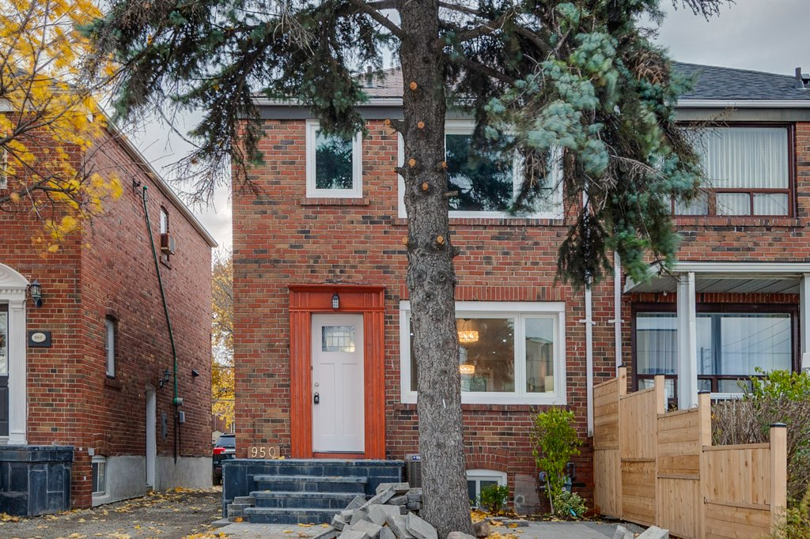

 |  |  |  |  |  |  |  |  |  | Indicate as appropriate
Comp ID | Component Label | Component Type | Data Element Reference | Displayed Y / N / <Condition> | Enabled Y / N / <Condition> | Default Value | Presentation Format | User Action | Navigation/UI Response | Sort | Filter | Help | Tab Order
1 | Status | Data Display | DE016-Listing Status | Y | N | N/A | N/A | N/A | N/A
2 | Property | Data Entry when user permission to update listing = True (refer to BR02 - Determine Listing Permission), else Data Display | DE11-Property Description | Y | Y when user permission to update listing = True (refer to BR02 - Determine Listing Permission) | N/A | N/A | Enter when user permission to update listing = True (refer to BR02 - Determine Listing Permission), else N/A | Set DE11
3 | Property Type | Data Entry when user permission to update listing = True (refer to BR02 - Determine Listing Permission), else Data Display | DE01-Property Type | Y | Y when user permission to update listing = True (refer to BR02 - Determine Listing Permission) | N/A | N/A | Enter when user permission to update listing = True (refer to BR02 - Determine Listing Permission), else N/A | Set DE01
4 | Price | Data Entry when user permission to update listing = True (refer to BR02 - Determine Listing Permission), else Data Display | DE06-Updated Price, DE05-Original Price (Difference between DE06 and DE05) when DE06-Updated Price > $0, else DE05-Original Price | Y | Y when user permission to update listing = True (refer to BR02 - Determine Listing Permission) | N/A | N/A | Enter when user permission to update listing = True (refer to BR02 - Determine Listing Permission), else N/A | Set DE05, DE06
5 | Year Built | Data Entry when user permission to update listing = True (refer to BR02 - Determine Listing Permission), else Data Display | DE04-Year Built | Y | Y when user permission to update listing = True (refer to BR02 - Determine Listing Permission) | N/A | N/A | Enter when user permission to update listing = True (refer to BR02 - Determine Listing Permission), else N/A | Set DE04
6 | Address | Data Entry when user permission to update listing = True (refer to BR02 - Determine Listing Permission), else Data Display | DE14-Property Address | Y | Y when user permission to update listing = True (refer to BR02 - Determine Listing Permission) | N/A | N/A | Enter when user permission to update listing = True (refer to BR02 - Determine Listing Permission), else N/A | Set DE14
7 | Bedrooms | Data Entry when user permission to update listing = True (refer to BR02 - Determine Listing Permission), else Data Display | DE02-Number of Bedrooms | Y | Y when user permission to update listing = True (refer to BR02 - Determine Listing Permission) | N/A | N/A | Enter when user permission to update listing = True (refer to BR02 - Determine Listing Permission), else N/A | Set DE02
8 | Bathrooms | Data Entry when user permission to update listing = True (refer to BR02 - Determine Listing Permission), else Data Display | DE03-Number of Bathrooms | Y | Y when user permission to update listing = True (refer to BR02 - Determine Listing Permission) | N/A | N/A | Enter when user permission to update listing = True (refer to BR02 - Determine Listing Permission), else N/A | Set DE03
9 | Taxes | Data Entry when user permission to update listing = True (refer to BR02 - Determine Listing Permission), else Data Display | DE07-Annual Taxes | Y | Y when user permission to update listing = True (refer to BR02 - Determine Listing Permission) | N/A | N/A | Enter when user permission to update listing = True (refer to BR02 - Determine Listing Permission), else N/A | Set DE07
10 | Maintenance | Data Entry when user permission to update listing = True (refer to BR02 - Determine Listing Permission), else Data Display | DE08-Annual Maintenance Fees | Y | Y when user permission to update listing = True (refer to BR02 - Determine Listing Permission) | N/A | N/A | Enter when user permission to update listing = True (refer to BR02 - Determine Listing Permission), else N/A | Set DE08
11 | Parking | Data Entry when user permission to update listing = True (refer to BR02 - Determine Listing Permission), else Data Display | DE09-Parking | Y | Y when user permission to update listing = True (refer to BR02 - Determine Listing Permission) | N/A | N/A | Enter when user permission to update listing = True (refer to BR02 - Determine Listing Permission), else N/A | Set DE09
12 | Locker | Data Entry when user permission to update listing = True (refer to BR02 - Determine Listing Permission), else Data Display | DE10-Locker | Y | Y when user permission to update listing = True (refer to BR02 - Determine Listing Permission) | N/A | N/A | Enter when user permission to update listing = True (refer to BR02 - Determine Listing Permission), else N/A | Set DE10
13 | Rooms | Data Entry when user permission to update listing = True (refer to BR02 - Determine Listing Permission), else Data Display | DE12-Room Sizes | Y | Y when user permission to update listing = True (refer to BR02 - Determine Listing Permission) | N/A | N/A | Enter when user permission to update listing = True (refer to BR02 - Determine Listing Permission), else N/A | Set DE12
14 | Agent | Data Display | DE13-Listing Agent ID | Y | N | N/A | N/A | N/A | N/A
15 | Photos | Data Entry when user permission to update listing = True (refer to BR02 - Determine Listing Permission), else Data Display | DE17-Property Photo | Y | Y when user permission to update listing = True (refer to BR02 - Determine Listing Permission) | N/A | N/A | Enter when user permission to update listing = True (refer to BR02 - Determine Listing Permission), else N/A | Set DE17

