Wilcoxon Signed Ranks Test
 | Row Labels | Sum of female_total_percent | Sum of male_total_percent
 | GASTROESOPHAGEAL REFLUX DISEASE | 18.180187303 | 17.823492349
 | HIGH BLOOD PRESSURE | 44.074951974 | 42.93722019
 | HIGH CHOLESTEROL | 26.289571578 | 25.719275041
 | HYPOTHYROIDISM | 24.793522456 | 24.213260381
 | SEVERE PAIN RELIEF | 13.117838098 | 12.885740066 | Total for treatment group by |  |  |  |  |  |  |  | mean | variance | Std Dev
 | Grand Total | 126.45607141 | 123.57898803 | 250.03505944 | Before | 28 | 17 | 36 | 35 | 32 | 33 | 30.166666667 | 49.366666667 | 7.0261416629
 |  |  |  |  | After | 12 | 31 | 19 | 14 | 20 | 19 | 19.166666667 | 43.766666667 | 6.6156380393
 |  |  |  |  | z score |  |  |  |  |  |  |  |  |  |  |  |  | one tail | two tail
 |  |  |  |  |  |  |  |  |  |  |  |  |  |  |  |  | alpha | 0.05 | 0.05
 |  |  |  |  |  |  |  |  |  |  |  |  |  |  |  |  | p value | 0.95 | 0.975
 |  |  |  |  |  |  |  |  |  |  |  | before | after | Diffrence |  |  | z score | 1.65 | 1.96
 |  |  |  |  |  |  |  |  |  |  |  | 28 | 12 | 16
 |  |  |  |  |  |  |  |  |  |  |  | 17 | 31 | -14
 |  |  |  |  |  |  |  |  |  |  |  | 36 | 19 | 17 |  | after z score
 |  |  |  |  |  |  |  |  |  |  |  | 35 | 14 | 21 |  | -1.0832918343
 |  |  |  |  |  |  |  |  |  |  |  | 32 | 20 | 12
 |  |  |  |  |  |  |  |  |  |  |  | 33 | 19 | 14

 |  |  | Values
 | drug_name | state | Sum of female_total_percent | Sum of row_rank
AK | LEVOTHYROXINE SODIUM | AK | 0.47633314907 | 2 |  |  |  |  |  |  |  | n | T |  |  | numerator | denom | z score
AL | LEVOTHYROXINE SODIUM | AL | 0.51530557134 | 3 |  |  |  |  |  |  |  | 6 | 1 |  | calc z | -9.5 | 4.7696960071 | -1.9917411898
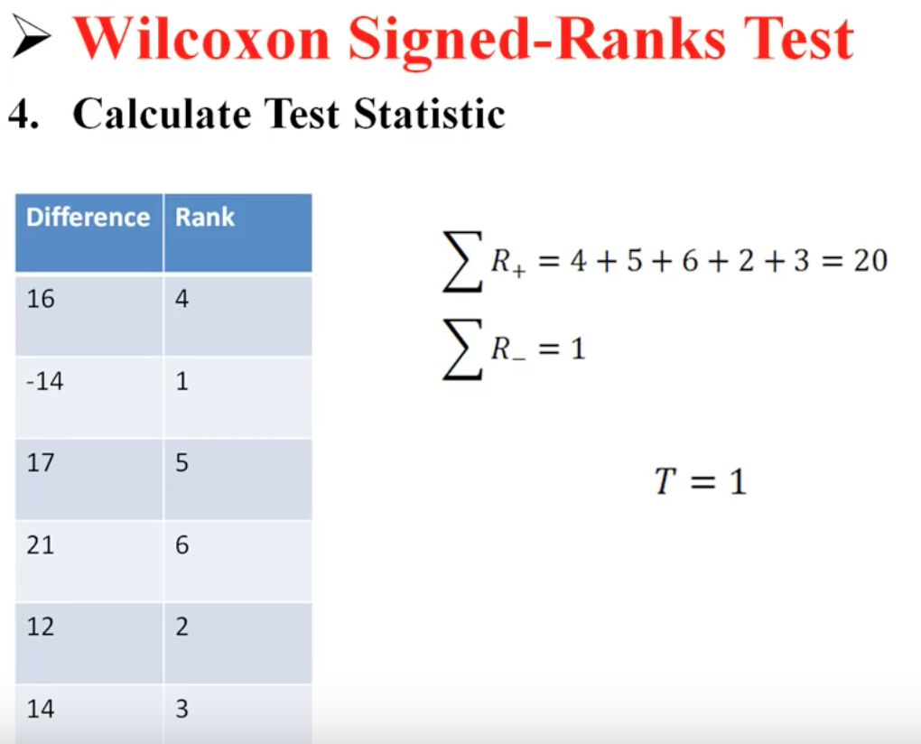
AR | LEVOTHYROXINE SODIUM | AR | 0.50894489168 | 2
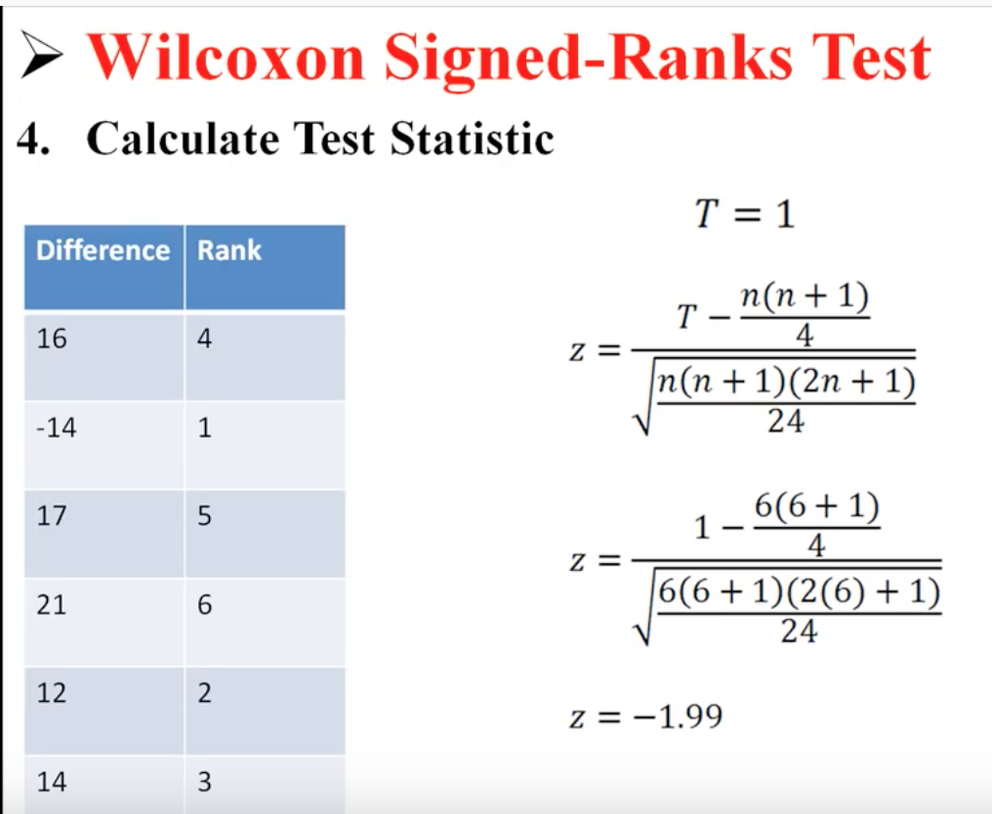
AZ | LEVOTHYROXINE SODIUM | AZ | 0.50305382448 | 1
CA | LEVOTHYROXINE SODIUM | CA | 0.50371023924 | 1
CO | LEVOTHYROXINE SODIUM | CO | 0.49809508269 | 1
CT | LEVOTHYROXINE SODIUM | CT | 0.51238856661 | 2
DE | LEVOTHYROXINE SODIUM | DE | 0.51597180443 | 1
FL | LEVOTHYROXINE SODIUM | FL | 0.51141285477 | 1
GA | LEVOTHYROXINE SODIUM | GA | 0.51263161701 | 3
HI | LEVOTHYROXINE SODIUM | IA | 0.50343126377 | 1
IA | LEVOTHYROXINE SODIUM | ID | 0.49908406044 | 1
ID | LEVOTHYROXINE SODIUM | IL | 0.50930075401 | 1
IL | LEVOTHYROXINE SODIUM | IN | 0.50733418425 | 2
IN | LEVOTHYROXINE SODIUM | KS | 0.5020912092 | 1
KS | LEVOTHYROXINE SODIUM | KY | 0.50746916476 | 3
KY | LEVOTHYROXINE SODIUM | LA | 0.51062087897 | 3
LA | LEVOTHYROXINE SODIUM | MA | 0.51522181718 | 4
MA | LEVOTHYROXINE SODIUM | MD | 0.51558218738 | 3
MD | LEVOTHYROXINE SODIUM | ME | 0.51033623873 | 2
ME | LEVOTHYROXINE SODIUM | MI | 0.50858119883 | 2
MI | LEVOTHYROXINE SODIUM | MN | 0.50293492353 | 3
MN | LEVOTHYROXINE SODIUM | MO | 0.50944700986 | 2
MO | LEVOTHYROXINE SODIUM | MS | 0.51437400434 | 4
MS | LEVOTHYROXINE SODIUM | MT | 0.4971146008 | 1
MT | LEVOTHYROXINE SODIUM | NC | 0.51321806037 | 1
NC | LEVOTHYROXINE SODIUM | ND | 0.4877332686 | 1
ND | LEVOTHYROXINE SODIUM | NE | 0.50204302511 | 1
NE | LEVOTHYROXINE SODIUM | NH | 0.50553609317 | 1
NH | LEVOTHYROXINE SODIUM | NJ | 0.51232716925 | 1
NJ | LEVOTHYROXINE SODIUM | NM | 0.50497614818 | 1
NM | LEVOTHYROXINE SODIUM | NV | 0.49732753933 | 3
NV | LEVOTHYROXINE SODIUM | NY | 0.51517870624 | 2
NY | LEVOTHYROXINE SODIUM | OH | 0.51056047299 | 1
OH | LEVOTHYROXINE SODIUM | OK | 0.50451615665 | 2
OK | LEVOTHYROXINE SODIUM | OR | 0.50506756586 | 1
OR | LEVOTHYROXINE SODIUM | PA | 0.51101243768 | 1
PA | LEVOTHYROXINE SODIUM | RI | 0.51498575671 | 5
RI | LEVOTHYROXINE SODIUM | SC | 0.51429000271 | 3
SC | LEVOTHYROXINE SODIUM | SD | 0.4965747254 | 1
SD | LEVOTHYROXINE SODIUM | TN | 0.51225497128 | 2
TN | LEVOTHYROXINE SODIUM | TX | 0.50375709275 | 2
TX | LEVOTHYROXINE SODIUM | UT | 0.49716212347 | 1
UT | LEVOTHYROXINE SODIUM | VA | 0.5082954588 | 1
VA | LEVOTHYROXINE SODIUM | VT | 0.50654495901 | 3
VT | LEVOTHYROXINE SODIUM | WA | 0.50068160668 | 2
WA | LEVOTHYROXINE SODIUM | WI | 0.50324566093 | 1
WI | LEVOTHYROXINE SODIUM | WV | 0.50594677773 | 2
WV | LEVOTHYROXINE SODIUM | WY | 0.48951557943 | 1
WY | Grand Total |  | 24.793522456 | 90

