STROOP outliers
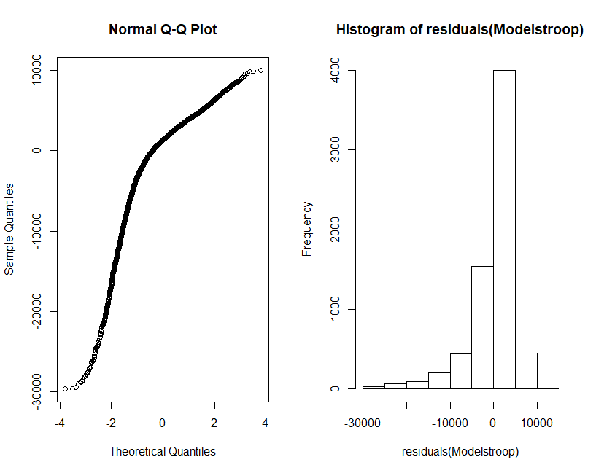
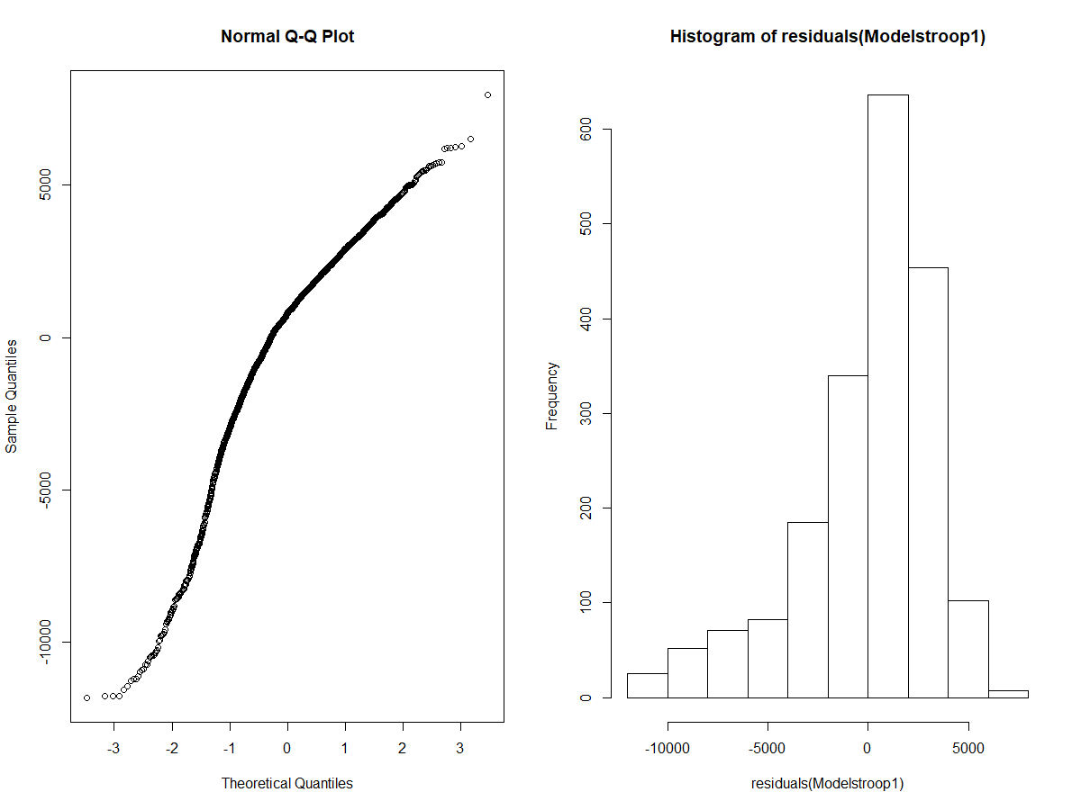
 |  |  |  |  |  | Mean +/- 2.5EC |  |  |  |  |  |  |  | Mean +/- 2.5EC
 |  |  |  |  | Toutes sessions |  |  |  |  |  |  | Session 1
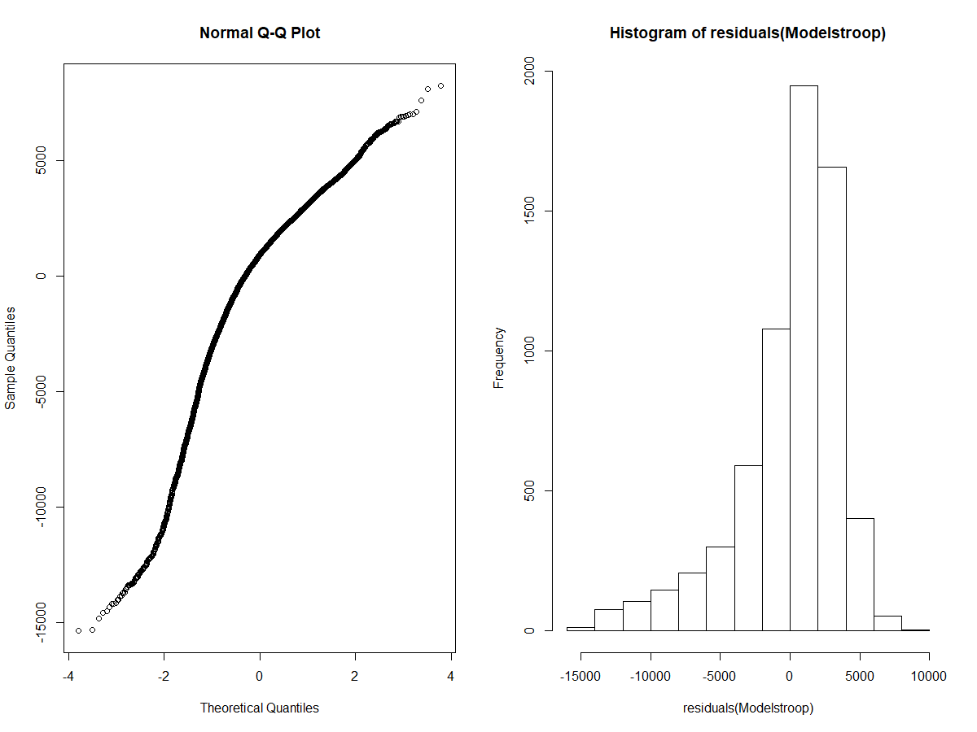

 |  |  |  |  |  | Column1 | Estimate | Std. Error | df | t value | Pr(>|t|) |  |  | Column1 | Estimate | Std. Error | df | t value | Pr(>|t|)
 |  |  |  |  | (Intercept) |  | -420.03413621 | 286.72179179 | 86.84885973 | -1.4649536528 | 0.1465443626 |  | (Intercept) |  | 432.14867821 | 511.82799237 | 77.126972393 | 0.84432403983 | 0.40109970905
 |  |  |  |  | age |  | 3.6968236421 | 19.650813183 | 66.309328785 | 0.18812573341 | 0.8513526254 |  | age |  | -6.2169250413 | 31.652388387 | 65.865264651 | -0.19641250971 | 0.84489207735
-260.66001458 | 284.36954615 | 83.592119762 | -0.91662422405 | 0.36197652244 | sexM |  | -38.935396674 | 202.62143845 | 61.484953292 | -0.19215832724 | 0.84825143685 |  | sexM |  | 56.539443572 | 328.83012542 | 60.940358661 | 0.17194119152 | 0.86405348097
16.667008825 | 19.747961579 | 67.604284831 | 0.84398628985 | 0.40165371249 | RANKH |  | -24.54963991 | 219.98465898 | 59.417786387 | -0.11159705419 | 0.91151904466 |  | RANKH |  | 377.4172605 | 358.3797848 | 59.50229492 | 1.053120953 | 0.29654343037
113.425918 | 203.84423633 | 62.73468079 | 0.5564342659 | 0.57989351168 | tolerance |  |  |  |  |  |  |  | tolerance
19.910699406 | 221.59339738 | 60.728910957 | 0.089852403734 | 0.92870019352 |  | mediumvslow | 904.27219065 | 235.91443359 | 63.354924497 | 3.8330515725 | 0.00029351565444 |  | /low | lowvshigh | -850.05352914 | 411.3357061 | 59.838866391 | -2.066568782 | 0.043110491731
826.94909255 | 237.20574749 | 64.589643397 | 3.4862101838 | 0.00088620145211 |  | highvslow | 69.364494979 | 254.34684157 | 60.589681196 | 0.27271616408 | 0.78599873248 |  |  | highvslow | -850.054 | 418.87062556 | 57.506831201 | 0.88923155323 | 0.37758339806
-24.8594568 | 256.13389013 | 61.966496374 | -0.097056491772 | 0.92299476989 |  | mediumvshigh | 834.908 | 258.223 | 58.222 | 3.233 | 0.00202 |  |  | mediumvshigh | 372.5 | 411.336 | 59.839 | -2.067 | 0.04311
-22.634614817 | 79.273425476 | 6396.9202326 | -0.28552588312 | 0.77525052189 | type picure |  |  |  |  |  |  |  | type picture
196.79216853 | 78.999704681 | 6399.6122695 | 2.4910494201 | 0.012761785425 |  | none_vs_neutral | -6.5285289009 | 87.346289731 | 6508.2006447 | -0.074743059161 | 0.94042144435 |  |  | none_vs_neutral | 81.409557712 | 154.77106876 | 1930.7299093 | 0.52599984199 | 0.59894872688
-252.5802385 | 80.103964041 | 6396.6060917 | -3.1531552967 | 0.0016226298499 |  | none_vs_object | 176.47228264 | 86.941984967 | 6510.8462532 | 2.029770573 | 0.042420449355 |  |  | none_vs_object | 37.407330154 | 153.3277207 | 1931.5915038 | 0.24396977914 | 0.80728013489
8.408342902 | 4.1181956977 | 6408.6863071 | 2.0417540883 | 0.041216791191 |  | none_vs_threat | -272.87654327 | 88.148421188 | 6508.5285239 | -3.0956486751 | 0.0019721722637 |  |  | none_vs_threat | -421.54637201 | 158.69805944 | 1940.8880522 | -2.6562793111 | 0.0079655111755
280.20119238 | 45.269940078 | 6448.5430437 | 6.1895640218 | 6.4036271131E-10 | trial |  | 10.650360247 | 4.5306072921 | 6520.3340569 | 2.3507577595 | 0.018764848194 |  | trial |  | 5.3657575033 | 8.2690882317 | 1947.5383769 | 0.64889348776 | 0.51648373251
 |  |  |  |  | session |  | 325.90365026 | 49.814318456 | 6562.5394472 | 6.5423689486 | 6.5118559501E-11

 |  |  |  |  | Estimate Std. Error z value Pr(>|z|) |  |  |  |  |  |  |  | Tukey Post Hoc
 |  |  |  |  |  |  |  |  |  |  |  |  | Estimate Std. Error z value Pr(>|z|)
 |  |  |  |  | high - low == 0 69.36 254.35 0.273 0.959778 |  |  |  |  |  |  |  | low - high == 0 -850.1 411.3 -2.067 0.09662 .
 |  |  |  |  | medium - high == 0 834.91 258.22 3.233 0.00359 ** |  |  |  |  |  |  |  | medium - high == 0 372.5 418.9 0.889 0.64675
 |  |  |  |  | medium - low == 0 904.27 235.91 3.833 < 0.001 *** |  |  |  |  |  |  |  | medium - low == 0 1222.5 382.4 3.197 0.00405 **

 |  |  |  |  | Df AIC BIC logLik deviance Chisq Chi Df Pr(>Chisq)
 |  |  |  |  | Modelstroopotoler 8 126749 126804 -63367 126733
 |  |  |  |  | Modelstroopopti 10 126735 126803 -63358 126715 18.015 2 0.0001225 ***

 |  |  |  |  | Df AIC BIC logLik deviance Chisq Chi Df Pr(>Chisq)
 |  |  |  |  | Modelstroopotpict 7 126741 126788 -63363 126727
 |  |  |  |  | Modelstroopopti 10 126735 126803 -63358 126715 11.426 3 0.00963 **

 |  |  |  |  | Df AIC BIC logLik deviance Chisq Chi Df Pr(>Chisq)
 |  |  |  |  | Modelstroopsession 9 126776 126837 -63379 126758
 |  |  |  |  | Modelstroopopti 10 126735 126803 -63358 126715 42.671 1 6.476e-11 ***

 |  |  |  |  | Df AIC BIC logLik deviance Chisq Chi Df Pr(>Chisq)
 |  |  |  |  | Modelstrooptrial 9 126739 126800 -63360 126721
 |  |  |  |  | Modelstroopopti 10 126735 126803 -63358 126715 5.5197 1 0.0188 *

 |  |  |  |  | vars n mean sd median trimmed mad min max range skew kurtosis se
 |  |  |  |  | X1 1 132 118.38 3653.08 1005.88 601.81 2680.96 -13004.64 6750.77 19755.41 -1.33 1.84 317.96
 |  |  |  |  | --------------------------------------------------------------------------------------------
 |  |  |  |  | group: low
 |  |  |  |  | vars n mean sd median trimmed mad min max range skew kurtosis se
 |  |  |  |  | X1 1 150 -296.22 4451.85 946.83 329.12 3718.55 -13452.84 6491.67 19944.51 -1.12 0.55 363.49
 |  |  |  |  | --------------------------------------------------------------------------------------------
 |  |  |  |  | group: medium
 |  |  |  |  | vars n mean sd median trimmed mad min max range skew kurtosis se
 |  |  |  |  | X1 1 123 648.52 4151.36 1731.45 1148.47 3294.05 -13203.41 7613.95 20817.35 -1.13 0.91 374.32

 |  |  |  |  | vars n mean sd median trimmed mad min max range skew kurtosis se
 |  |  |  |  | X1 1 136 579.27 2922.24 1248.01 889.25 2413.82 -10224.92 5263.82 15488.74 -1.18 1.64 250.58
 |  |  |  |  | --------------------------------------------------------------------------------------------
 |  |  |  |  | group: low
 |  |  |  |  | vars n mean sd median trimmed mad min max range skew kurtosis se
 |  |  |  |  | X1 1 175 -240.96 4590.42 1253.64 448.85 3164.34 -13356.79 5891.94 19248.74 -1.26 0.83 347
 |  |  |  |  | --------------------------------------------------------------------------------------------
 |  |  |  |  | group: medium
 |  |  |  |  | vars n mean sd median trimmed mad min max range skew kurtosis se
 |  |  |  |  | X1 1 136 1650.51 3726.54 2629.67 2253.55 2710.71 -12831.2 7725.24 20556.44 -1.62 2.81 319.55

 |  |  |  |  | >

STROOP
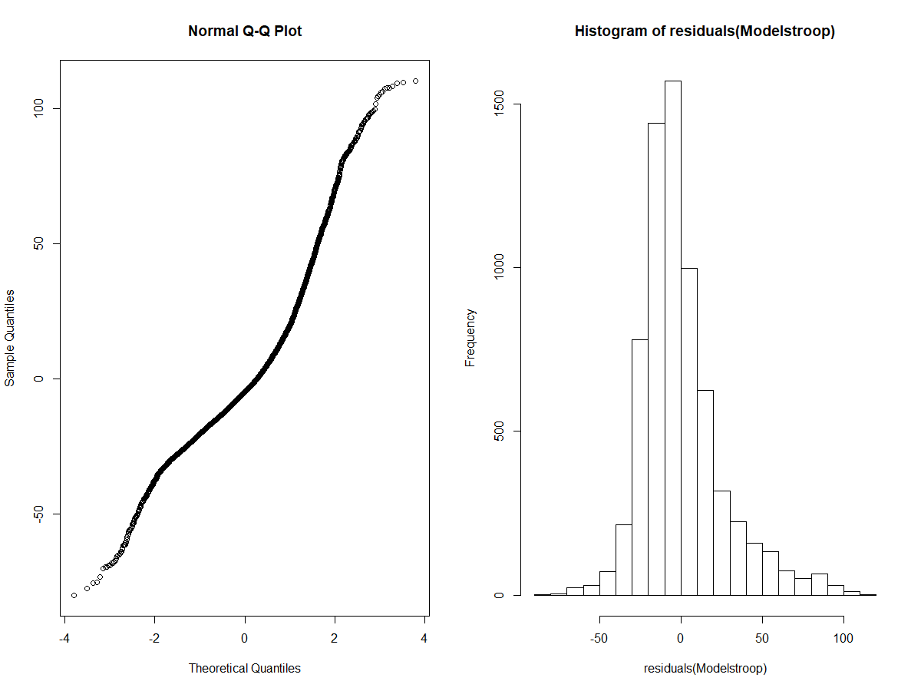
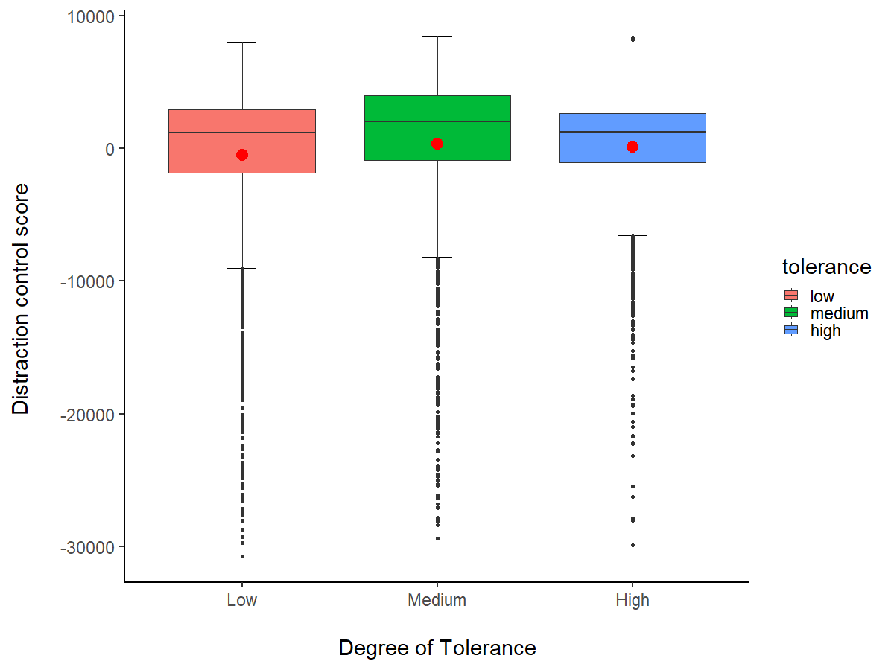
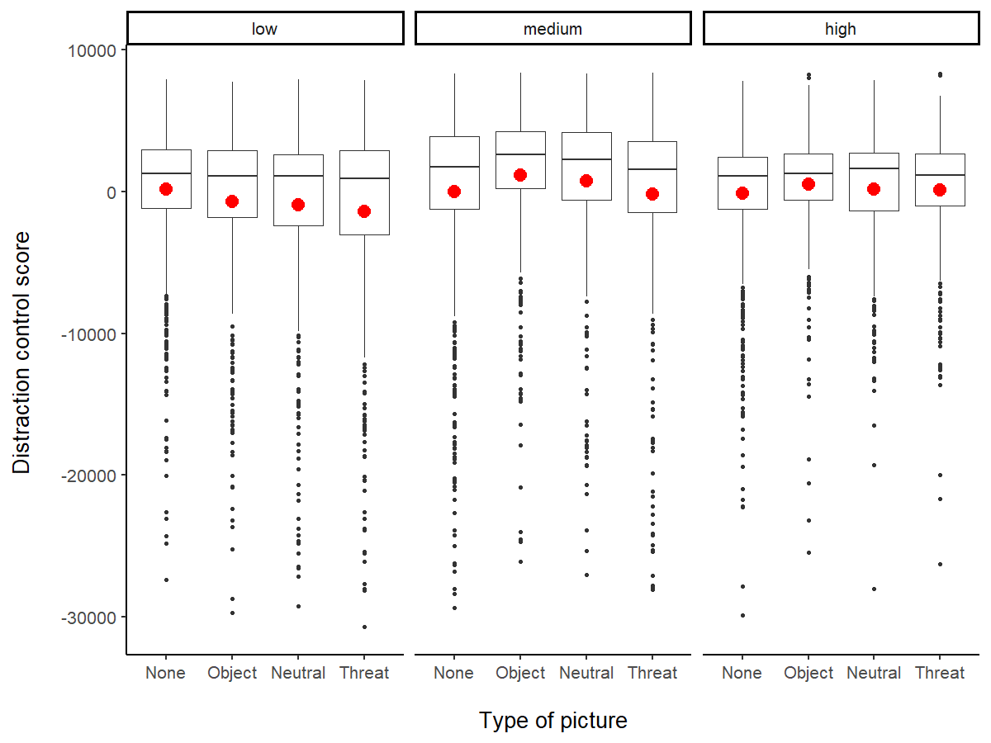
 |  |  | ALL SESSIONS
 |  |  | Df AIC BIC logLik deviance Chisq Chi Df Pr(>Chisq)
 |  |  | Modelstroop0 3 63562 63582 -31778 63556 |  |  |  |  |  | group: high
 |  |  | Modelstroop 13 63463 63552 -31719 63437 118.8 10 < 2.2e-16 *** |  |  |  |  |  | vars n mean sd median trimmed mad min max range skew kurtosis se
 |  |  |  |  |  |  |  |  | X1 1 2022 122.08 4324.94 1258.6 789.4 2457.33 -29854.95 8303.52 38158.47 -2.28 7.92 96.18
 |  |  |  |  |  |  |  |  | ---------------------------------------------------------------------------------------
 |  |  | Estimate Std. Error z value Pr(>|z|) |  |  |  |  |  | group: low
 |  |  | medium - low == 0 -5.907 1.581 -3.737 0.000521 *** |  |  |  |  |  | vars n mean sd median trimmed mad min max range skew kurtosis se
 |  |  | high - low == 0 -2.558 1.709 -1.497 0.292073 |  |  |  |  |  | X1 1 2595 -514.91 5609.27 1181.06 506.96 3023.15 -30712.05 7946.66 38658.72 -2.19 5.73 110.11
 |  |  | high - medium == 0 3.349 1.736 1.929 0.130336 |  |  |  |  |  | ---------------------------------------------------------------------------------------
 |  |  |  |  |  |  |  |  | group: medium
 |  |  |  |  |  |  |  |  | vars n mean sd median trimmed mad min max range skew kurtosis se
 |  |  | Linear Hypotheses: |  |  |  |  |  | X1 1 2205 350.21 5983.53 2000.92 1416.72 3472.48 -29360.38 8411.82 37772.2 -2.15 5.46 127.42
 |  |  | Estimate Std. Error z value Pr(>|z|)
 |  |  | None - Neutral == 0 -1.8957 0.8578 -2.210 0.1197
 |  |  | Object - Neutral == 0 -1.4384 0.9599 -1.499 0.4368
 |  |  | Threat - Neutral == 0 2.3883 0.9651 2.475 0.0635 .
 |  |  | Object - None == 0 0.4573 0.8552 0.535 0.9503
 |  |  | Threat - None == 0 4.2840 0.8627 4.966 <0.001 ***
 |  |  | Threat - Object == 0 3.8267 0.9645 3.967 <0.001 ***
 |  |  | ---

 |  | Predictors | Column1 | Estimate | Std. Error | df | t value | Pr(>|t|) |  | Modelstroopopti: perf ~ tolerance + type_picture + trial + session + (1 | subj_id)
UNADJUSTED |  | (Intercept) |  | 95.036 | 2.176 | 88.487 | 43.673 | 0.000 |  | Df AIC BIC logLik deviance Chisq Chi Df Pr(>Chisq)
Repeatability for subj_id |  | age |  | -0.014 | 0.132 | 69.050 | -0.103 | 0.918 |  | Modelstroopotoler 8 63469 63524 -31726 63453
R = 0.039 |  | sex | males vs females | 0.502 | 1.360 | 64.453 | 0.369 | 0.713 |  | Modelstroopopti 10 63457 63526 -31719 63437 15.481 2 0.0004349 ***
SE = 0.009 |  |  |  |  |  |  |  |  |  | ---
CI = [0.024, 0.057] |  | tolerance | low vs high degree | 2.558 | 1.709 | 63.737 | 1.497 | 0.139
P = 2.32e-33 [LRT] |  |  | medium vs high degree | -3.349 | 1.736 | 61.183 | -1.929 | 0.058 |  | Df AIC BIC logLik deviance Chisq Chi Df Pr(>Chisq)
0.001 [Permutation] |  |  | tolerance low vs medium degree | -5.922 | 1.560 | 66.244 | -3.797 | 0.000 |  | Modelstroopotpict 7 63479 63526 -31732 63465
 |  | type of pictures | control vs neutral | 0.236 | 0.579 | 6761.172 | 0.408 | 0.683 |  | Modelstroopopti 10 63457 63526 -31719 63437 27.203 3 5.339e-06 ***
ADJUSTED | tol session trial type pict |  | control vs object | -1.202 | 0.578 | 6764.422 | -2.081 | 0.037 |  | ---
 |  |  | control vs threat | 2.625 | 0.583 | 6763.504 | 4.506 | 0.000
Repeatability for subj_id |  | trial |  | -0.075 | 0.030 | 6775.901 | -2.506 | 0.012 |  | Df AIC BIC logLik deviance Chisq Chi Df Pr(>Chisq)
R = 0.029 |  | session |  | -2.780 | 0.331 | 6816.864 | -8.405 | 0.000 |  | Modelstroopsession 9 63526 63587 -31754 63508
SE = 0.007 |  |  |  |  |  |  |  |  |  | Modelstroopopti 10 63457 63526 -31719 63437 70.326 1 < 2.2e-16 ***
CI = [0.018, 0.045]
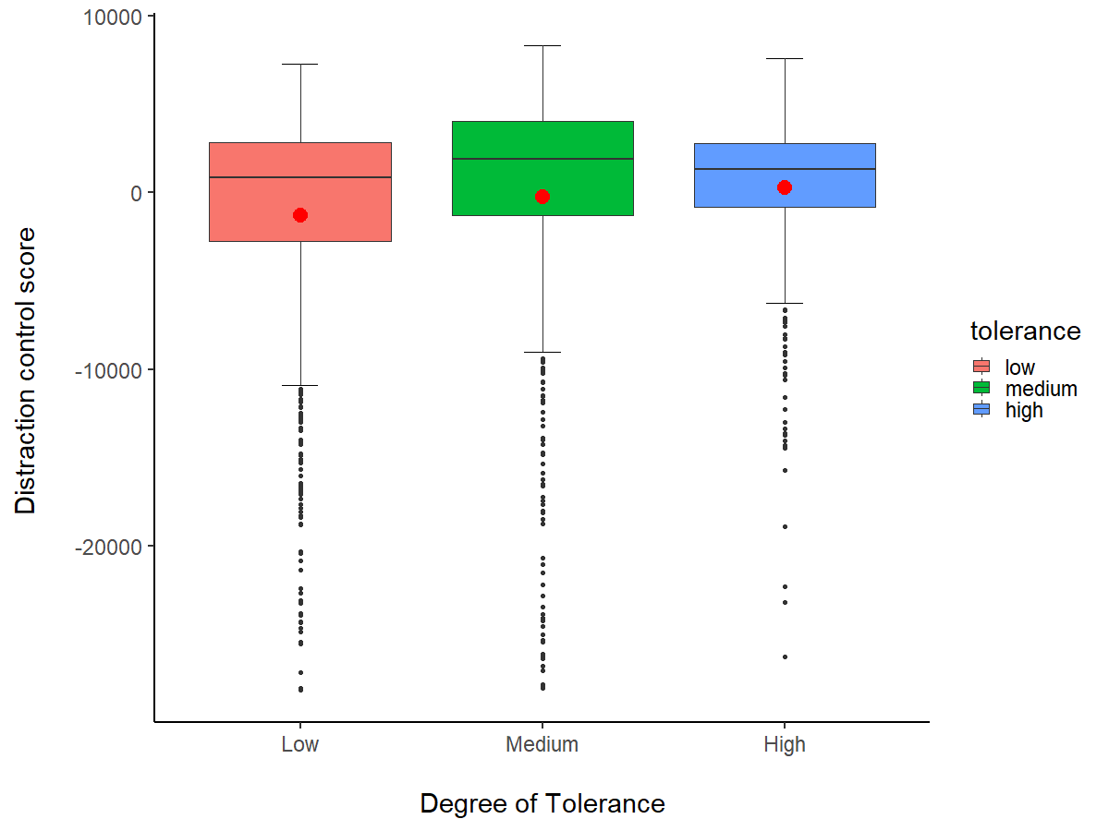
P = 4.23e-23 [LRT] |  |  |  |  |  |  |  |  |  | Df AIC BIC logLik deviance Chisq Chi Df Pr(>Chisq)
0.001 [Permutation] |  |  |  |  |  |  |  |  |  | Modelstrooptrial 9 63462 63523 -31722 63444
 |  |  |  |  |  |  |  |  |  | Modelstroopopti 10 63457 63526 -31719 63437 6.2745 1 0.01225 *
 |  |  |  |  |  |  |  |  |  | ---
 |  |  | SESSION 1

 |  |  |  | Descriptive statistics by group
 |  |  |  | group: high
 |  |  |  | vars n mean sd median trimmed mad min max range skew kurtosis se
 |  |  |  | X1 1 619 293.29 4133.27 1317.34 924.71 2475.66 -26244.43 7558.34 33802.78 -2.24 7.6 166.13
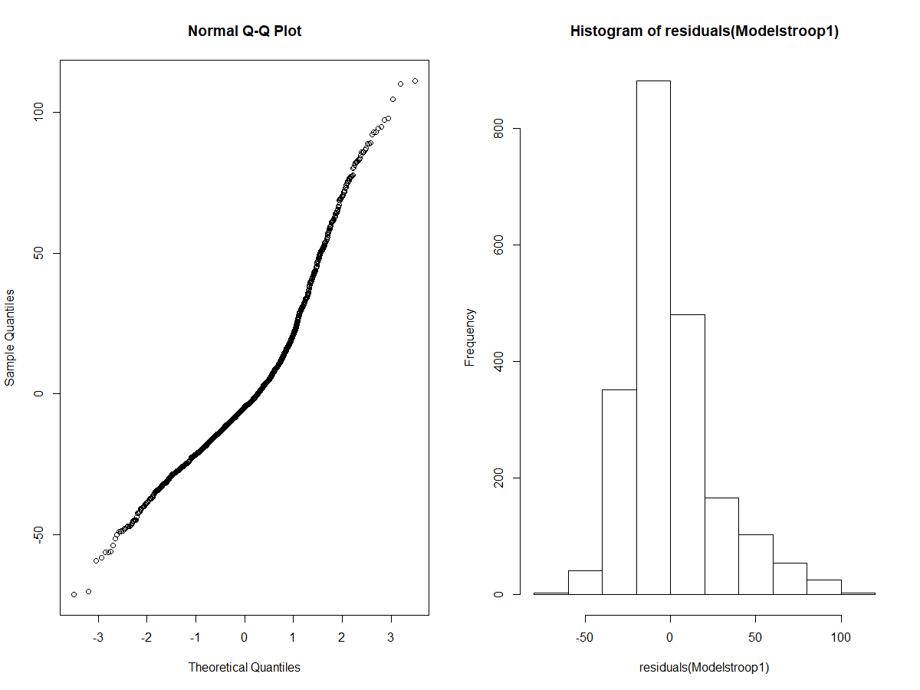
 |  |  |  | ---------------------------------------------------------------------------------------
 |  |  |  | group: low
 |  |  |  | vars n mean sd median trimmed mad min max range skew kurtosis se
 |  |  |  | X1 1 822 -1279.12 6396.71 854.58 -58.61 3459.23 -28106.3 7243.55 35349.85 -1.88 3.46 223.11
 |  |  |  | ---------------------------------------------------------------------------------------
 |  |  |  | group: medium
 |  |  |  | vars n mean sd median trimmed mad min max range skew kurtosis se
 |  |  |  | X1 1 661 -235.24 6814.77 1903.08 1090.19 3592 -28019.02 8305.16 36324.18 -2.06 4.35 265.06

 |  |  |  | Estimate Std. Error z value Pr(>|z|) |  |  |  |  |  |  | Column1 | Estimate | Std. Error | df | t value | Pr(>|t|)
 |  |  |  | medium - low == 0 -7.8172 2.9228 -2.675 0.0205 * |  |  |  |  |  |  | (Intercept) | 96.243 | 3.352 | 79.550 | 28.708 | 0.000
 |  |  |  | high - low == 0 -7.5348 2.8470 -2.647 0.0221 * |  |  |  |  |  |  | age | 0.044 | 0.237 | 66.781 | 0.187 | 0.853
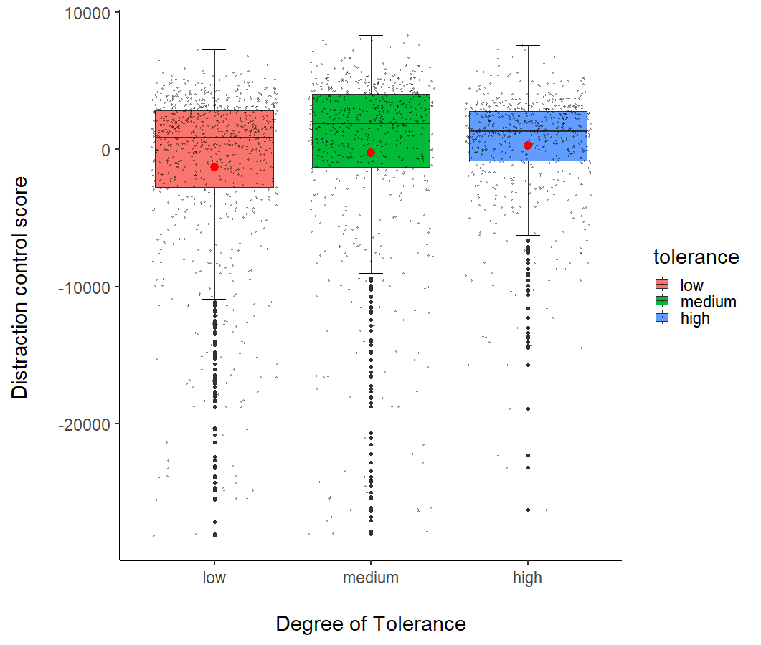
 |  |  |  | high - medium == 0 0.2824 3.1334 0.090 0.9955 |  |  |  |  |  |  | sexM | -0.909 | 2.352 | 63.116 | -0.386 | 0.701
 |  |  |  |  |  |  |  |  |  |  | tolerancemediumvs low | -7.817 | 2.923 | 64.878 | -2.675 | 0.009
 |  |  |  | Estimate Std. Error z value Pr(>|z|) |  |  |  |  |  |  | tolerancehighvs low | -7.535 | 2.847 | 63.191 | -2.647 | 0.010
 |  |  |  | None - Neutral == 0 -3.995 1.552 -2.573 0.04956 * |  |  |  |  |  |  | tolerance mediumvshigh | -0.282 | 3.133 | 61.193 | -0.090 | 0.929
 |  |  |  | Object - Neutral == 0 -1.678 1.706 -0.984 0.75793 |  |  |  |  |  |  | type_picture.none_vs_neutral | 0.263 | 1.032 | 2039.015 | 0.255 | 0.799
 |  |  |  | Threat - Neutral == 0 4.615 1.731 2.667 0.03813 * |  |  |  |  |  |  | type_picture.none_vs_object | -1.419 | 1.032 | 2040.329 | -1.375 | 0.169
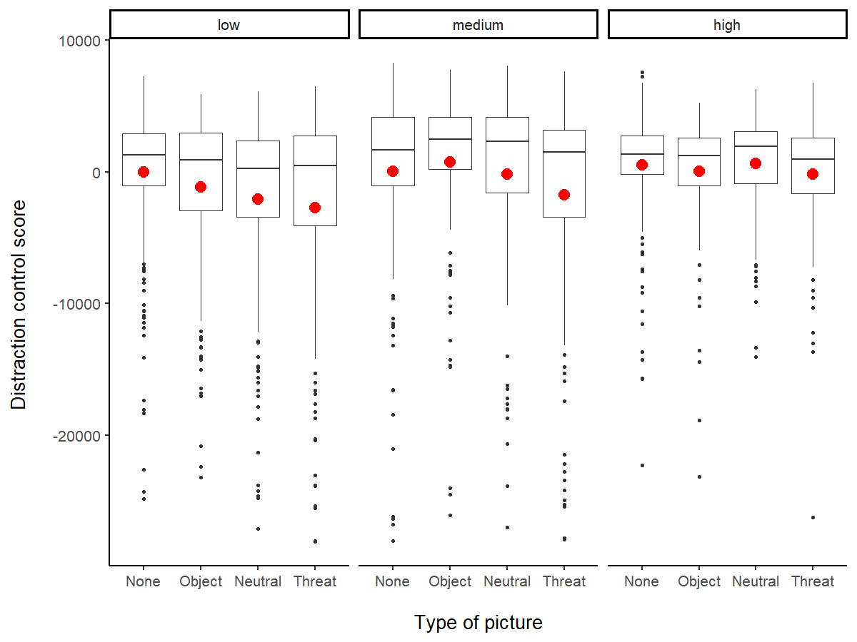
 |  |  |  | Object - None == 0 2.317 1.553 1.492 0.44147 |  |  |  |  |  |  | type_picture.none_vs_threat | 4.891 | 1.052 | 2046.747 | 4.650 | 0.000
 |  |  |  | Threat - None == 0 8.610 1.579 5.452 < 0.001 *** |  |  |  |  |  |  | trial | -0.021 | 0.056 | 2056.818 | -0.375 | 0.708
 |  |  |  | Threat - Object == 0 6.293 1.729 3.640 0.00174 **
 |  |  |  | ---
 |  |  |  |  |  |  |  |  |  |  | Estimate Std. Error z value Pr(>|z|)
 |  |  |  | Df AIC BIC logLik deviance Chisq Chi Df Pr(>Chisq) |  |  |  |  |  |  | medium - low == 0 -8.1546 2.9507 -2.764 0.0156 *
 |  |  |  | Modelstroop0 3 19793 19810 -9893.4 19787 |  |  |  |  |  |  | high - low == 0 -8.5548 3.1999 -2.673 0.0204 *
 |  |  |  | Modelstroop1 11 19768 19831 -9873.2 19746 40.467 8 2.621e-06 *** |  |  |  |  |  |  | high - medium == 0 -0.4001 3.2711 -0.122 0.9918

 |  |  |  |  |  |  |  |  |  |  | Estimate Std. Error z value Pr(>|z|)
 |  |  |  |  |  |  |  |  |  |  | None - Neutral == 0 -3.995 1.552 -2.573 0.04902 *
 |  |  |  |  |  |  |  |  |  |  | Object - Neutral == 0 -1.678 1.706 -0.984 0.75793
 |  |  |  |  |  |  |  |  |  |  | Threat - Neutral == 0 4.615 1.731 2.667 0.03786 *
 |  |  |  |  |  |  |  |  |  |  | Object - None == 0 2.317 1.553 1.492 0.44144
 |  |  |  |  |  |  |  |  |  |  | Threat - None == 0 8.610 1.579 5.452 < 0.001 ***
 |  |  |  |  |  |  |  |  |  |  | Threat - Object == 0 6.293 1.729 3.640 0.00163 **

 |  |  |  | Modelstroop1opti: perf2 ~ tolerance + type_picture + (1 | subj_id)
 |  |  |  | Df AIC BIC logLik deviance Chisq Chi Df Pr(>Chisq)
 |  |  |  | Modelstroop1typepict 5 19787 19815 -9888.6 19777
 |  |  |  | Modelstroop1opti 8 19763 19808 -9873.3 19747 30.506 3 1.08e-06 ***
 |  |  |  | ---

 |  |  |  | Modelstroop1opti: perf2 ~ tolerance + type_picture + (1 | subj_id)
 |  |  |  | Df AIC BIC logLik deviance Chisq Chi Df Pr(>Chisq)
 |  |  |  | Modelstroop1tolerance 6 19769 19802 -9878.2 19757
 |  |  |  | Modelstroop1opti 8 19763 19808 -9873.3 19747 9.8572 2 0.007236 **

*
*

 |  |  |  |  |  |  |  |  |  |  | Rhesus Session 1
 |  |  |  |  |  |  |  |  |  |  |  | Linear Hypotheses: |  |  |  |  | Column1 | Estimate | Std. Error | df | t value | Pr(>|t|) |  | Df AIC BIC logLik deviance Chisq Chi Df Pr(>Chisq)
 |  |  |  |  |  |  |  |  |  |  |  | Estimate Std. Error z value Pr(>|z|) |  |  |  |  | (Intercept) | 91.172 | 4.239 | 37.787 | 21.506 | 0.000 |  | Modelstroop_rhesus_sex 7 7769.7 7802.7 -3877.9 7755.7
 |  |  |  |  |  |  |  |  |  |  |  | None - Neutral == 0 -9.990 3.278 -3.048 0.0124 * |  |  |  |  | age | 0.212 | 0.356 | 25.437 | 0.594 | 0.558 |  | Modelstroop_rhesus_opti 8 7766.5 7804.2 -3875.2 7750.5 5.2675 1 0.02173 *
 |  |  |  |  |  |  |  |  |  |  |  | Object - Neutral == 0 -4.231 3.475 -1.218 0.6152 |  |  |  |  | sexM | 8.041 | 3.688 | 23.611 | 2.181 | 0.039
 |  |  |  |  |  |  |  |  |  |  |  | Threat - Neutral == 0 2.748 3.547 0.775 0.8656 |  |  |  |  | type_picture.none_vs_neutral | 2.860 | 2.130 | 79.996 | 1.343 | 0.183
 |  |  |  |  |  |  |  |  |  |  |  | Object - None == 0 5.759 3.227 1.785 0.2801 |  |  |  |  | type_picture.none_vs_object | -1.376 | 2.093 | 78.012 | -0.657 | 0.513 |  | Df AIC BIC logLik deviance Chisq Chi Df Pr(>Chisq)
 |  |  |  |  |  |  |  |  |  |  |  | Threat - None == 0 12.738 3.307 3.852 <0.001 *** |  |  |  |  | type_picture.none_vs_threat | 5.646 | 2.153 | 83.227 | 2.623 | 0.010 |  | Modelstroop_rhesus_pict 5 7776.3 7799.8 -3883.1 7766.3
 |  |  |  |  |  |  |  |  |  |  |  | Threat - Object == 0 6.979 3.506 1.990 0.1911 |  |  |  |  | locationSILABE | -2.534 | 4.570 | 24.233 | -0.555 | 0.584 |  | Modelstroop_rhesus_opti 8 7766.5 7804.2 -3875.2 7750.5 15.782 3 0.001257 **
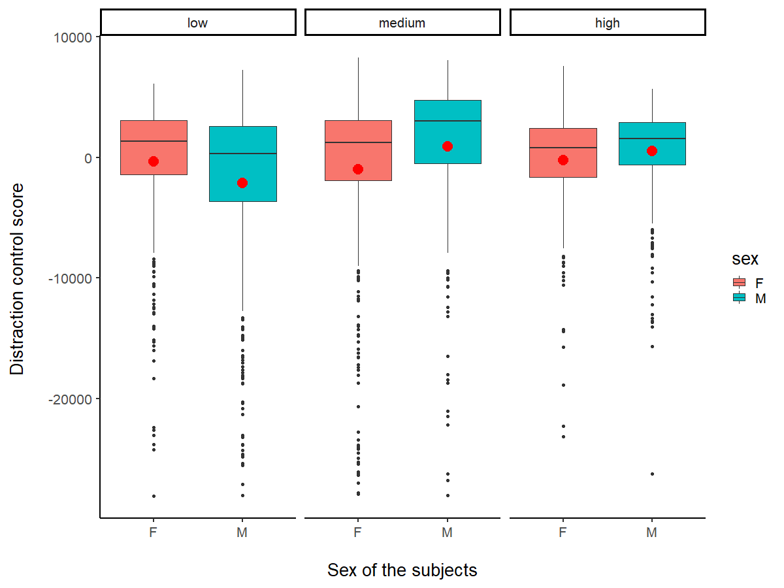
 |  |  |  |  |  |  |  |  |  |  |  |  |  |  |  |  | trial | -0.029 | 0.093 | 771.406 | -0.314 | 0.754

 |  |  |  |  |  |  |  |  |  |  | No effect of rank in females all sessions together and only in session 1 |  |  |  |  |  |  |  |  | In session 1
 |  |  |  |  |  |  |  |  |  |  |  |  |  |  |  |  |  |  |  | group: F
 |  |  |  |  |  |  |  |  |  |  | RANK EFFECT | Column1 | Estimate | Std. Error | df | t value | Pr(>|t|) |  |  | vars n mean sd median trimmed mad min max range skew kurtosis se
 |  |  |  |  |  |  |  |  |  |  | FEMALES | (Intercept) | 90.215957524 | 2.6600128745 | 18.362054575 | 33.915609352 | 5.0913811739E-18 |  |  | X1 1 384 -320.53 5462.56 1334.13 672.2 3040.8 -28106.3 6140.77 34247.06 -2.1 5.22 278.76
 |  |  |  |  |  |  |  |  |  |  |  | age | -0.11235131094 | 0.30948619213 | 12.15196472 | -0.36302527803 | 0.72282219632 |  |  | ---------------------------------------------------------------------------------------
 |  |  |  |  | Df AIC BIC logLik deviance Chisq Chi Df Pr(>Chisq) |  |  |  |  |  |  | RANKH | -0.0149191774 | 3.1252594614 | 12.42674112 | -0.0047737404157 | 0.99626690243 |  |  | group: M
 |  |  |  |  | Modelstroop_rhesus_opti 10 11281 11333 -5630.7 11261 |  |  |  |  |  |  | type_picture.none_vs_neutral | -1.1215423534 | 1.4305842424 | 39.43424461 | -0.78397505031 | 0.43773864779 |  |  | vars n mean sd median trimmed mad min max range skew kurtosis se
 |  |  |  |  | Modelstroop_rhesus_rank 11 11283 11340 -5630.7 11261 0 1 0.9962 |  |  |  |  |  |  | type_picture.none_vs_object | -1.0822106524 | 1.3931412931 | 38.262205639 | -0.77681327636 | 0.44204512384 |  |  | X1 1 438 -2119.53 7014.67 337.51 -824.91 3959.03 -28032.49 7243.55 35276.04 -1.67 2.27 335.17
 |  |  |  |  |  |  |  |  |  |  |  | type_picture.none_vs_threat | 2.7020547861 | 1.42490912 | 40.539723507 | 1.8962997346 | 0.065062706086
 |  |  |  |  |  |  |  |  |  |  |  | locationSILABE | -0.47032936849 | 3.1644125074 | 12.891597329 | -0.14863086509 | 0.88414468126
 |  |  |  |  |  |  |  |  |  |  |  | trial | -0.085220626412 | 0.064144358079 | 1223.5419087 | -1.3285755593 | 0.18423577027
 |  |  | R = 0.114
 |  |  | SE = 0.04
 |  |  | CI = [0.041, 0.198] |  |  |  |  |  |  |  | FASCICULARIS Session 1
 |  |  | P = 9.92e-11 [LRT] |  |  |  |  |  |  |  |  |  |  |  |  |  |  |  | Column1 | Estimate | Std. Error | df | t value | Pr(>|t|)
 |  |  | 0.001 [Permutation] |  |  |  |  |  |  |  |  |  |  |  |  |  |  |  | (Intercept) | 95.181 | 11.727 | 20.166 | 8.117 | 0.000
 |  |  |  |  |  |  |  |  |  |  |  | Estimate Std. Error z value Pr(>|z|) |  |  |  |  |  |  | age | -0.055 | 0.863 | 18.927 | -0.064 | 0.950
 |  |  |  |  |  |  |  |  |  |  |  | None - Neutral == 0 -1.075 3.236 -0.332 0.98731 |  |  |  |  |  |  | sexM | -10.981 | 5.101 | 19.031 | -2.153 | 0.044
 |  |  |  |  |  |  |  |  |  |  |  | Object - Neutral == 0 -3.323 3.569 -0.931 0.78755 |  |  |  |  |  |  | type_picture.none_vs_neutral | -0.911 | 2.133 | 59.961 | -0.427 | 0.671
 |  |  |  |  |  |  |  |  |  |  |  | Threat - Neutral == 0 8.039 3.592 2.238 0.11245 |  |  |  |  |  |  | type_picture.none_vs_object | -4.235 | 2.191 | 65.120 | -1.932 | 0.058
 |  |  |  |  |  |  |  |  |  |  |  | Object - None == 0 -2.248 3.320 -0.677 0.90550 |  |  |  |  |  |  | type_picture.none_vs_threat | 7.132 | 2.208 | 66.322 | 3.231 | 0.002
 |  |  | R = 0.094 |  | Df AIC BIC logLik deviance Chisq Chi Df Pr(>Chisq) |  |  |  |  |  |  | Threat - None == 0 9.115 3.339 2.730 0.03213 * |  |  |  |  |  |  | trial | -0.104 | 0.114 | 609.009 | -0.911 | 0.363
 |  |  | SE = 0.039 |  | Modelstroop_fasci_opti 9 12298 12344 -6139.8 12280 |  |  |  |  |  |  | Threat - Object == 0 11.363 3.655 3.109 0.00994 **
 |  |  | CI = [0.031, 0.184] |  | Modelstroop_fasci_rank 10 12296 12348 -6138.2 12276 3.2389 1 0.07191
 |  |  | P = 8.95e-08 [LRT]
 |  |  | 0.001 [Permutation]
 |  |  |  |  |  |  |  |  |  |  |  | Descriptive statistics by group
 |  |  |  |  |  |  |  |  |  |  |  | group: F |  |  |  |  |  |  | Df AIC BIC logLik deviance Chisq Chi Df Pr(>Chisq)
 |  |  |  |  |  |  |  |  |  |  |  | vars n mean sd median trimmed mad min max range skew kurtosis se |  |  |  |  |  |  | Modelstroop_fasci_sex 7 6396.7 6428.2 -3191.4 6382.7
 |  |  |  |  |  |  |  |  |  |  |  | X1 1 392 -1004.93 7054.37 1232.78 426.91 3380.05 -27951.84 8305.16 36257 -2.02 3.86 356.3 |  |  |  |  |  |  | Modelstroop_fasci_opti 8 6393.8 6429.7 -3188.9 6377.8 4.9063 1 0.02676 *
 |  |  |  |  |  |  |  |  |  |  |  | ---------------------------------------------------------------------------------------
 |  |  |  |  |  |  |  |  |  |  |  | group: M
 |  |  | Repeatability for subj_id |  |  |  |  |  |  |  |  | vars n mean sd median trimmed mad min max range skew kurtosis se
 |  |  | R = 0.086 |  |  |  |  |  |  |  |  | X1 1 269 886.39 6295.77 3038.92 2031.72 3181.51 -28019.02 8047.96 36066.98 -2.13 5.16 383.86 |  |  |  |  |  |  | Df AIC BIC logLik deviance Chisq Chi Df Pr(>Chisq)
 |  |  | SE = 0.031 |  |  |  |  |  |  |  |  |  |  |  |  |  |  |  | Modelstroop_fasci_pict 5 6398.2 6420.7 -3194.1 6388.2
 |  |  | CI = [0.033, 0.147] |  |  |  |  |  |  |  | RANK EFFECT |  |  |  |  |  |  |  | Modelstroop_fasci_opti 8 6393.8 6429.7 -3188.9 6377.8 10.424 3 0.01528 *
 |  |  | P = 4.75e-09 [LRT] |  |  |  |  |  |  |  | FEMALES
 |  |  | 0.001 [Permutation] |  |  |  |  |  |  |  |  | Column1 | Estimate | Std. Error | df | t value | Pr(>|t|)
 |  |  |  |  |  |  |  |  |  |  |  | (Intercept) | 87.143059094 | 4.0448310874 | 14.349126879 | 21.544301161 | 2.4800231092E-12
 |  |  | R = 0.078 |  |  |  |  |  |  |  |  | age | 0.11501405305 | 0.2730329091 | 12.173342244 | 0.421246118 | 0.68091767184
 |  |  | SE = 0.029 |  |  |  |  |  |  |  |  | RANKH | 3.532260904 | 1.8318349559 | 11.898294154 | 1.9282637295 | 0.07802332263
 |  |  | CI = [0.026, 0.139] |  |  |  |  |  |  |  |  | type_picture.none_vs_neutral | -2.1416159618 | 1.3256651668 | 1303.7624242 | -1.6155029305 | 0.10644377129
 |  |  | P = 3.3e-07 [LRT] |  |  |  |  |  |  |  |  | type_picture.none_vs_object | -2.0630567216 | 1.3297690148 | 1304.7644398 | -1.5514399108 | 0.12103880645
 |  |  | 0.001 [Permutation] |  |  |  |  |  |  |  |  | type_picture.none_vs_threat | 4.3892384774 | 1.3531003897 | 1304.4953205 | 3.2438380115 | 0.0012091832725
 |  |  |  |  |  |  |  |  |  |  |  | trial | -0.11195462415 | 0.069049947811 | 1307.161427 | -1.6213571147 | 0.1051822394

 |  |  |  |  |  |  |  |  |  |  | TONKEAN Session1
 |  |  |  |  |  |  |  |  |  |  |  | Estimate Std. Error z value Pr(>|z|)
 |  |  |  |  |  |  |  |  |  |  |  | None - Neutral == 0 0.6035 2.4505 0.246 0.995
 |  |  |  |  |  |  |  |  |  |  |  | Object - Neutral == 0 3.0793 2.6234 1.174 0.643 |  |  |  |  |  |  | Df AIC BIC logLik deviance Chisq Chi Df Pr(>Chisq)
 |  |  |  |  |  |  |  |  |  |  |  | Threat - Neutral == 0 4.2064 2.6468 1.589 0.384 |  |  |  |  |  |  | Modelstroop0tonk 10 5492.1 5536.4 -2736.1 5472.1
 |  |  |  |  |  |  |  |  |  |  |  | Object - None == 0 2.4758 2.4479 1.011 0.742 |  |  |  |  |  |  | Modelstroop_tonk_exp 11 5491.7 5540.5 -2734.9 5469.7 2.3457 1 0.1256
 |  |  |  | Df AIC BIC logLik deviance Chisq Chi Df Pr(>Chisq) |  |  |  |  |  |  |  | Threat - None == 0 3.6029 2.4606 1.464 0.459
 |  |  |  | Modelstroop_tonk_opti 9 11973 12020 -5977.5 11955 |  |  |  |  |  |  |  | Threat - Object == 0 1.1271 2.6384 0.427 0.974
 |  |  |  | Modelstroop_tonk_rank 10 11975 12027 -5977.5 11955 8e-04 1 0.977 |  |  |  |  |  |  |  | (Adjusted p values reported -- single-step method)

 |  |  |  |  |  |  |  |  |  |  |  | Descriptive statistics by group |  |  |  |  |  |  | Column1 | Estimate | Std. Error | df | t value | Pr(>|t|)
 |  |  | R = 0.034 |  |  |  |  |  |  |  |  | group: F |  |  |  |  |  |  | (Intercept) | 84.896 | 5.987 | 20.579 | 14.179 | 0.000
 |  |  | SE = 0.02 |  |  |  |  |  |  |  |  | vars n mean sd median trimmed mad min max range skew kurtosis se |  |  |  |  |  |  | experienceyes | 4.548 | 2.881 | 18.046 | 1.579 | 0.132
 |  |  | CI = [0.001, 0.079] |  |  |  |  |  |  |  |  | X1 1 206 -220.66 4742.39 801.88 412.16 2662.67 -23169.73 7558.34 30728.07 -1.94 5.52 330.42 |  |  |  |  |  |  | age | -0.068 | 0.242 | 18.301 | -0.283 | 0.781
 |  |  | P = 0.00765 [LRT] |  |  |  |  |  |  |  |  | --------------------------------------------------------------------------------------- |  |  |  |  |  |  | sexM | -2.070 | 3.010 | 18.412 | -0.688 | 0.500
 |  |  | 0.005 [Permutatio |  |  |  |  |  |  |  |  | group: M |  |  |  |  |  |  | type_picture.none_vs_neutral | -1.962 | 1.597 | 59.840 | -1.229 | 0.224
 |  |  |  |  |  |  |  |  |  |  |  | vars n mean sd median trimmed mad min max range skew kurtosis se |  |  |  |  |  |  | type_picture.none_vs_object | 1.096 | 1.592 | 58.944 | 0.688 | 0.494
 |  |  |  |  |  |  |  |  |  |  |  | X1 1 413 549.65 3773.25 1542.53 1159.75 2296.93 -26244.43 5691.63 31936.06 -2.38 8.76 185.67 |  |  |  |  |  |  | type_picture.none_vs_threat | 2.254 | 1.607 | 61.126 | 1.403 | 0.166
 |  |  |  |  |  |  |  |  |  |  |  |  |  |  |  |  |  |  | trial | 0.088 | 0.080 | 436.536 | 1.098 | 0.273
 |  |  |  |  |  |  |  |  |  |  | RANK EFFECT
 |  |  |  |  |  |  |  |  |  |  | MALES | Column1 | Estimate | Std. Error | df | t value | Pr(>|t|)
 |  |  |  |  |  |  |  |  |  |  |  | (Intercept) | 87.966121565 | 2.0321054022 | 1357 | 43.288168748 | 6.8579086523E-258
 |  |  |  |  |  |  |  |  |  |  |  | age | 0.091423978519 | 0.21431833936 | 1357 | 0.42658028609 | 0.66975272142
 |  |  |  |  |  |  |  |  |  |  |  | RANKH | -0.03636538259 | 1.2611975649 | 1357 | -0.028834009517 | 0.97700121628
 |  |  |  |  |  |  |  |  |  |  |  | type_picture.none_vs_neutral | -0.040041922582 | 1.0151539451 | 1357 | -0.039444187528 | 0.96854205279
 |  |  |  |  |  |  |  |  |  |  |  | type_picture.none_vs_object | -1.8835694433 | 1.0135173484 | 1357 | -1.8584481521 | 0.063321798005
 |  |  |  |  |  |  |  |  |  |  |  | type_picture.none_vs_threat | 1.4697718559 | 1.0195577539 | 1357 | 1.4415778315 | 0.14965222932
 |  |  |  |  |  |  |  |  |  |  |  | trial | -0.018091252681 | 0.052252423756 | 1357 | -0.34622800973 | 0.7292250394

ABDNglmer poisson
glmer poisson
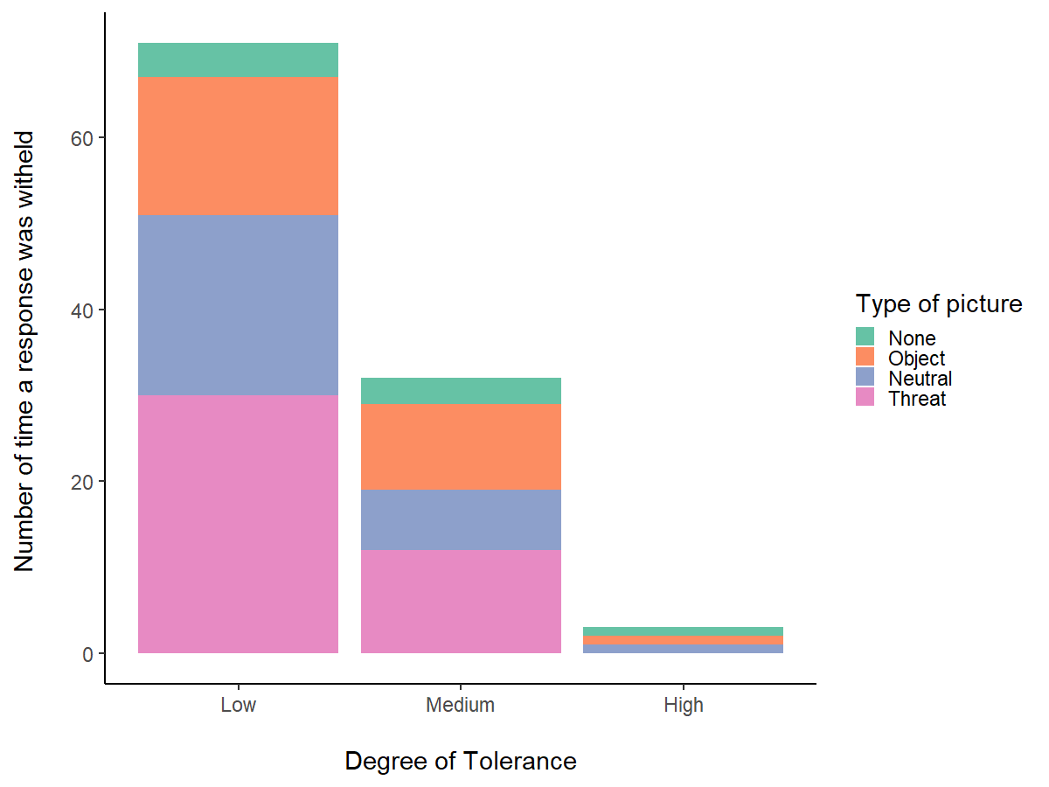
 | Estimate Std. Error z value Pr(>|z|)
 | low - high == 0 2.2778 0.6869 3.316 0.00234 **
 | medium - high == 0 1.8403 0.7229 2.546 0.02824 *
 | medium - low == 0 -0.4375 0.4764 -0.918 0.62300

 | Estimate Std. Error z value Pr(>|z|)
 | None - Neutral == 0 -1.28788 0.39933 -3.225 0.0067 **
 | Object - Neutral == 0 -0.07146 0.26741 -0.267 0.9931
 | Threat - Neutral == 0 0.37036 0.24142 1.534 0.4068
 | Object - None == 0 1.21642 0.40251 3.022 0.0125 *
 | Threat - None == 0 1.65824 0.38573 4.299 <0.001 ***
 | Threat - Object == 0 0.44182 0.24665 1.791 0.2684

 | Repeatability for subj_id
 | R = 0.348 |  |  | `
 | SE = 0.064
 | CI = [0.224, 0.468]
 | P = 7.73e-10 [LRT]
 | 0.001 [Permutation]

 | Repeatability for subj_id | tol type picture
 | R = 0.03
 | SE = 0.007
 | CI = [0.017, 0.045]
 | P = 5.26e-23 [LRT]
 | 0.001 [Permutation]
 |  |  |  | NO EFFECT RANK IN FEMALES

 |  |  |  |  |  |  |  | Modelpoiss0: abdn ~ 1 + (1 | subj_id)
 |  | Df AIC BIC logLik deviance Chisq Chi Df Pr(>Chisq) |  |  |  |  |  | Modelpoisstonk: abdn ~ experience + (1 | subj_id)
 |  | Modelpoisstol 5 387.05 404.93 -188.52 377.05 |  |  |  |  |  | Df AIC BIC logLik deviance Chisq Chi Df Pr(>Chisq)
 |  | Modelpoissopti 7 379.60 404.64 -182.80 365.60 11.445 2 0.003272 ** |  |  |  |  |  | Modelpoiss0 2 34.666 39.105 -15.333 30.666
 |  |  |  |  |  |  |  | Modelpoisstonk 3 34.520 41.178 -14.260 28.520 2.1461 1 0.1429
 | TONK | Df AIC BIC logLik deviance Chisq Chi Df Pr(>Chisq)
 |  | Modelpoisspic 4 399.36 413.67 -195.68 391.36
 |  | Modelpoissopti 7 379.60 404.64 -182.80 365.60 25.759 3 1.071e-05 *** |  |  |  |  |  | Modelpoiss0: abdn ~ age + sex + type_picture + (1 | subj_id)
 |  |  |  |  |  |  |  | Modelpoisstonk: abdn ~ age + sex + experience + type_picture + (1 | subj_id)
 | Column1 | Estimate | Std. Error | z value | Pr(>|z|) |  |  | Df AIC BIC logLik deviance Chisq Chi Df Pr(>Chisq)
 | (Intercept) | -1.325 | 1156.214 | -0.001 | 0.999 | Repeatability for subj_id |  | Modelpoiss0 7 33.94 49.477 -9.9702 19.94
 | age | -0.014 | 0.068 | -0.207 | 0.836 | R = 0 |  | Modelpoisstonk 8 35.94 53.696 -9.9702 19.94 0 1 1
 | sex M | -20.908 | 1001.310 | -0.021 | 0.983 | SE = 0.063
 | experienceyes | -0.063 | 1156.215 | 0.000 | 1.000 | CI = [0, 0.218]
 | type_pictureNone | 0.000 | 1.414 | 0.000 | 1.000 | P = 1 [LRT]
 | type_pictureObject | 0.202 | 1.418 | 0.142 | 0.887 | 1 [Permutation
 | type_pictureThreat | 0.202 | 1.418 | 0.142 | 0.887
 |  |  |  |  |  |  | fqsci |  |  |  | rhesus

 |  |  |  |  |  |  | Df AIC BIC logLik deviance Chisq Chi Df Pr(>Chisq) |  |  |  | Df AIC BIC logLik deviance Chisq Chi Df Pr(>Chisq)
 |  |  |  |  |  |  | Modelpoiss0 6 76.431 87.659 -32.216 64.431 |  |  |  | Modelpoiss0 6 105.93 118.69 -46.964 93.928
 |  |  |  |  |  |  | Modelpoiss 7 78.310 91.408 -32.155 64.310 0.1215 1 0.7275 |  |  |  | Modelpoiss 7 107.37 122.26 -46.684 93.368 0.5606 1 0.454
 |  | no abandon in males

 | FASCI

 | Column1 | Estimate | Std. Error | z value | Pr(>|z|) | RANK |  |  | R = 0.448
 | (Intercept) | -3.433 | 1.956 | -1.755 | 0.079 |  |  |  | SE = 0.121
 | age | 0.119 | 0.135 | 0.886 | 0.376 | Modelpoissfasci: abdn ~ RANK + (1 | subj_id) |  |  | CI = [0.205, 0.645]
 | sex M | 0.073 | 0.761 | 0.096 | 0.923 | Df AIC BIC logLik deviance Chisq Chi Df Pr(>Chisq) |  |  | P = 1.66e-05 [LRT]
 | type_picture.none_vs_neutral | -0.012 | 0.336 | -0.036 | 0.971 | Modelpoiss0 2 73.226 76.968 -34.613 69.226 |  |  | 0.001 [Permutation]
 | type_picture.none_vs_object | 0.345 | 0.302 | 1.141 | 0.254 | Modelpoissfasci 3 75.226 80.839 -34.613 69.226 1e-04 1 0.9941
 | type_picture.none_vs_threat | 0.527 | 0.288 | 1.830 | 0.067

 | RHESUS
 |  |  |  |  |  | RANK
 | Column1 | Estimate | Std. Error | z value | Pr(>|z|)
 | (Intercept) | -1.866 | 0.734 | -2.542 | 0.011 |  |  |  | R = 0.29 | epeatability for subj_id |  | type picture
 | age | -0.013 | 0.054 | -0.235 | 0.814 | Modelpoiss0: abdn ~ 1 + (1 | subj_id) |  |  | SE = 0.097 | R = 0.321
 | sex M | 0.851 | 0.641 | 1.328 | 0.184 | Modelpoissfasci: abdn ~ RANK + (1 | subj_id) |  |  | CI = [0.092, 0.461] | SE = 0.102
 | type_picture.none_vs_neutral | 0.398 | 0.220 | 1.808 | 0.071 | Df AIC BIC logLik deviance Chisq Chi Df Pr(>Chisq) |  |  | P = 0.00052 [LRT] | CI = [0.118, 0.509]
 | type_picture.none_vs_object | 0.134 | 0.236 | 0.565 | 0.572 | Modelpoiss0 2 108.09 112.34 -52.043 104.09 |  |  | 0.003 [Permutation] | P = 8.46e-05 [LRT]
 | type_picture.none_vs_threat | 0.728 | 0.205 | 3.558 | 0.000 | Modelpoissfasci 3 109.28 115.66 -51.637 103.28 0.812 1 0.3675 |  |  |  | 0.003 [Permutation]

 | TONK |  |  | No in males

Gonogo
LEVEL OF CHANCE |  | Rhesus |  | Wilcoxon signed rank test with continuity correction |  |  |  |  |  |  | > sd(DATA1_low$perf2)
 |  |  |  |  |  |  |  |  |  |  | [1] 0.2171196 |  |  | UNADJUSTED |  |  |  | ADJUSTED
 |  |  |  | data: DATA1_low$perf2 |  |  |  |  |  |  | > mean(DATA1_low$perf2) |  |  | Link-scale approximation:
 |  |  |  | V = 80.5, p-value = 0.5322 |  |  |  |  |  |  | [1] 0.5375902 |  |  | R = 0.101 |  |  |  | Repeatability for subj_id
 |  |  |  | alternative hypothesis: true location is not equal to 0.5 |  |  |  |  |  |  |  |  |  | SE = 0.02 |  |  |  | --------------------------------
 |  |  |  |  |  |  |  |  |  |  |  |  |  | CI = [0.062, 0.14] |  |  |  | Link-scale approximation:
 |  |  |  |  |  |  |  |  |  |  |  |  |  | P = 2.18e-56 [LRT] |  |  |  | R = 0.085
 |  | Long tailed |  | Wilcoxon signed rank test with continuity correction |  |  |  |  |  |  | [1] 0.1802776 |  |  | 0.001 [Permutation] |  |  |  | SE = 0.018
 |  |  |  |  |  |  |  |  |  |  | > mean(DATA1_medium$perf2) |  |  |  |  |  |  | CI = [0.047, 0.118]
 |  |  |  | data: DATA1_medium$perf2 |  |  |  |  |  |  | [1] 0.725 |  |  |  |  |  |  | P = 1.61e-41 [LRT]
 |  |  |  | V = 179.5, p-value = 0.0006721 |  |  |  |  |  |  |  |  |  |  |  |  |  | 0.001 [Permutation]
 |  |  |  | alternative hypothesis: true location is not equal to 0.5

 |  | Tonkean |  | Wilcoxon signed rank test with continuity correction |  |  |  |  |  |  | > sd(DATA1_high$perf2)
 |  |  |  |  |  |  |  |  |  |  | [1] 0.2057983
 |  |  |  | data: DATA1_high$perf2 |  |  |  |  |  |  | > mean(DATA1_high$perf2)
 |  |  |  | V = 134.5, p-value = 0.0061 |  |  |  |  |  |  | [1] 0.6666667
 |  |  |  | alternative hypothesis: true location is not equal to 0.5

 |  |  |  |  |  |  |  |  |  |  |  | ALL SESSIONS

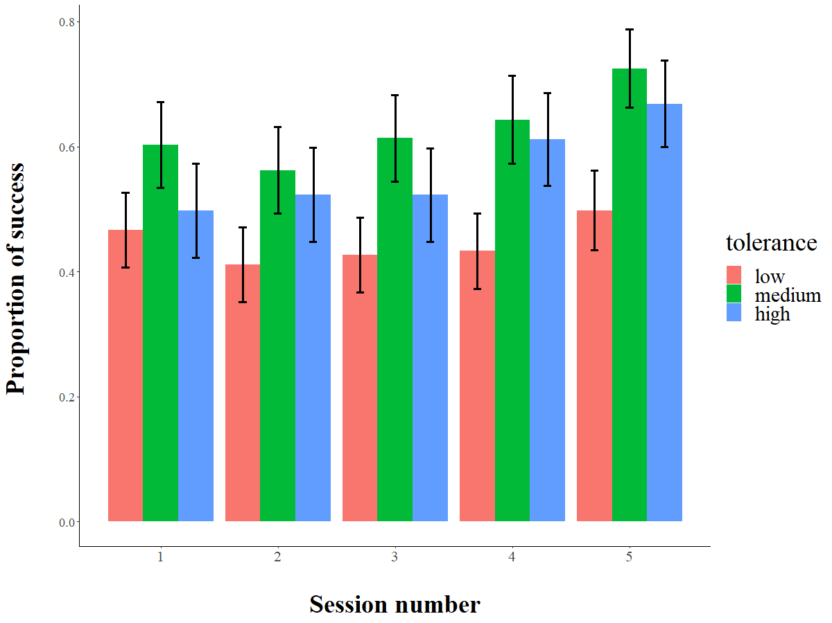
 |  |  |  |  |  |  |  |  |  |  |  | Df AIC BIC logLik deviance Chisq Chi Df Pr(>Chisq)
 |  |  |  |  |  |  |  |  |  |  |  | Modelgono0 2 4105.6 4117.7 -2050.8 4101.6
 |  |  |  |  |  |  |  |  |  |  |  | Modelgono 8 4088.0 4136.5 -2036.0 4072.0 29.586 6 4.71e-05 ***

 |  |  |  |  |  |  |  |  |  |  |  | Column2 | Column1 | Estimate | Std. Error | z value | Pr(>|z|)
 |  |  |  |  |  |  |  |  |  |  |  |  | (Intercept) | 0.168 | 0.297 | 0.567 | 0.571
 |  |  |  |  |  |  |  |  |  |  |  | sex | males vs females | -0.025 | 0.177 | -0.142 | 0.887
 |  |  |  |  |  |  |  |  |  |  |  | age |  | -0.017 | 0.017 | -0.958 | 0.338
 |  |  |  |  |  |  |  |  |  |  |  |  | low vs high degree | -0.426 | 0.214 | -1.992 | 0.046
 |  |  |  |  |  |  |  |  |  |  |  |  | medium vs high degree | 0.300 | 0.231 | 1.303 | 0.192
 |  |  |  |  |  |  |  |  |  |  |  |  | medium vs kow degree | 0.726 | 0.219 | 3.322 | 0.001
 |  |  |  |  |  |  |  |  |  |  |  | trial |  | -0.001 | 0.003 | -0.453 | 0.650
 |  |  |  |  |  |  |  |  |  |  |  | session |  | 0.116 | 0.027 | 4.311 | 0.000

 |  |  |  |  |  |  |  |  |  |  |  | medium - low == 0 0.7265 0.2187 3.322 0.00262 ** |  |  |  |  |  |  |  | Modelsession: success ~ tolerance + (1 | subj_id) | Modeltolerance: success ~ session + (1 | subj_id)
 |  |  |  |  |  |  |  |  |  |  |  | high - low == 0 0.4260 0.2138 1.993 0.11387 |  |  |  |  |  |  |  | Modelopti: success ~ tolerance + session + (1 | subj_id) | Modelopti: success ~ tolerance + session + (1 | subj_id)
 |  |  |  |  |  |  |  |  |  |  |  | high - medium == 0 -0.3005 0.2305 -1.303 0.39289 |  |  |  |  |  |  |  | Df AIC BIC logLik deviance Chisq Chi Df Pr(>Chisq) | Df AIC BIC logLik deviance Chisq Chi Df Pr(>Chisq)
 |  |  |  |  |  |  |  |  |  |  |  |  |  |  |  |  |  |  |  | Modelsession 4 4099.8 4124.1 -2045.9 4091.8 | Modeltolerance 3 4088.9 4107.0 -2041.4 4082.9
 |  |  |  |  |  |  |  |  |  |  |  |  |  |  |  |  |  |  |  | Modelopti 5 4083.2 4113.4 -2036.6 4073.2 18.672 1 1.553e-05 *** | Modelopti 5 4083.2 4113.4 -2036.6 4073.2 9.6827 2 0.007896 **
 |  |  |  |  |  |  |  |  |  |  |  | SESSION 5

 |  |  |  |  |  |  |  |  |  |  |  | Estimate Std. Error z value Pr(>|z|) |  |  |  |  |  |  |  | Modeltolerance: success ~ session + (1 | subj_id)
 |  |  |  |  |  |  |  |  |  |  |  | medium - low == 0 0.8901 0.3118 2.854 0.0120 * |  |  |  |  |  |  |  | Modelopti: success ~ tolerance + session + (1 | subj_id)
 |  |  |  |  |  |  |  |  |  |  |  | high - low == 0 0.7015 0.3006 2.334 0.0511 .
 |  |  |  |  |  |  |  |  |  |  |  | high - medium == 0 -0.1886 0.3258 -0.579 0.8313

 |  |  |  |  |  |  |  |  |  |  |  | Column1 | Estimate | Std. Error | z value | Pr(>|z|)
 |  |  |  |  |  |  |  |  |  |  |  | (Intercept) | 0.355 | 0.369 | 0.962 | 0.336
 |  |  |  |  |  |  |  |  |  |  |  | sexM | -0.442 | 0.251 | -1.761 | 0.078
 |  |  |  |  |  |  |  |  |  |  |  | age | -0.005 | 0.024 | -0.224 | 0.823
 |  |  |  |  |  |  |  |  |  |  |  | tolerancemediumvslow | 0.890 | 0.312 | 2.854 | 0.004
 |  |  |  |  |  |  |  |  |  |  |  | tolerancehighvslow | 0.701 | 0.301 | 2.334 | 0.020
 |  |  |  |  |  |  |  |  |  |  |  | tolerancemediumvshigh | 0.189 | 0.326 | 0.579 | 0.563
 |  |  |  |  |  |  |  |  |  |  |  | trial | 0.003 | 0.008 | 0.403 | 0.687

SPECIES PER SPECIES
 |  |  |  |  |  |  |  |  |  |  |  | Baseline: success ~ 1 + (1 | subj_id) |  |  |  |  |  |  | Modelgonotonk_M0: success ~ age + session + trial + (1 | subj_id)
TONKEAN | Column1 | Estimate | Std. Error | z value | Pr(>|z|) |  | No effect of rank in males |  |  | session |  | Modelgonotonksession: success ~ session + (1 | subj_id) |  |  |  |  |  |  | Modelgonotonk_M: success ~ age + RANK + session + trial + (1 | subj_id)
 | (Intercept) | 0.032 | 0.616 | 0.052 | 0.959 | R = 0.077 |  | R = 0.081 |  |  |  | Df AIC BIC logLik deviance Chisq Chi Df Pr(>Chisq) |  |  |  |  |  |  | Df AIC BIC logLik deviance Chisq Chi Df Pr(>Chisq)
 | age | -0.029 | 0.034 | -0.854 | 0.393 | SE = 0.03 |  | SE = 0.031 |  |  |  | Baseline 2 1163.0 1172.5 -579.49 1159.0 |  |  |  |  |  |  | Modelgonotonk_M0 5 782.13 804.04 -386.07 772.13
 | sexM | -0.273 | 0.394 | -0.693 | 0.488 | CI = [0.022, 0.14] |  | CI = [0.023, 0.136] |  |  |  | Modelgonotonksession 3 1149.7 1164.0 -571.84 1143.7 15.297 1 9.187e-05 *** |  |  |  |  |  |  | Modelgonotonk_M 6 784.07 810.36 -386.03 772.07 0.0654 1 0.7982
 | session | 0.197 | 0.051 | 3.857 | 0.000 | P = 4.07e-10 [LRT] |  | P = 1.61e-10 [LRT]
 | trial | 0.008 | 0.006 | 1.368 | 0.171 | 0.001 [Permutation] |  | 0.001 [Permutation]

 |  |  |  |  |  |  |  |  |  |  |  | Modelgonofascisession: success ~ session + (1 | subj_id) |  |  |  |  |  |  |  | Modelgonofasci_F0: success ~ age + session + trial + (1 | subj_id)
FASCICU | Column1 | Estimate | Std. Error | z value | Pr(>|z|) |  | No effect of rank in females |  |  | session |  | Df AIC BIC logLik deviance Chisq Chi Df Pr(>Chisq) |  |  |  |  |  |  |  | Modelgonofasci_F: success ~ age + RANK + session + trial + (1 | subj_id)
 | (Intercept) | 0.372 | 0.590 | 0.630 | 0.529 | R = 0.036 |  |  | Link-scale approximation: |  |  | Baseline 2 1277.3 1287.1 -636.67 1273.3 |  |  |  |  |  |  |  | Df AIC BIC logLik deviance Chisq Chi Df Pr(>Chisq)
 | age | -0.005 | 0.042 | -0.108 | 0.914 | SE = 0.018 |  |  | R = 0.036 |  |  | Modelgonofascisession 3 1270.3 1284.9 -632.14 1264.3 9.0613 1 0.002611 ** |  |  |  |  |  |  |  | Modelgonofasci_F0 5 756.00 777.85 -373.00 746.00
 | sexM | -0.100 | 0.247 | -0.406 | 0.685 | CI = [0.005, 0.077] |  |  | SE = 0.018 |  |  |  |  |  |  |  |  |  |  | Modelgonofasci_F 6 755.57 781.79 -371.79 743.57 2.4253 1 0.1194
 | session | 0.144 | 0.048 | 3.009 | 0.003 | P = 9.82e-05 [LRT] |  |  | CI = [0.006, 0.072]
 | trial | -0.008 | 0.006 | -1.325 | 0.185 | 0.001 [Permutation] |  |  | P = 1e-04 [LRT]
 |  |  |  |  |  |  |  |  | 0.002 [Permutation]

RHESUS | Column1 | Estimate | Std. Error | z value | Pr(>|z|) |  | No effect of rank in females
 | (Intercept) | -0.042 | 0.374 | -0.112 | 0.911 |  | No effect of location |  |  |  |  | Baseline: success ~ 1 + (1 | subj_id) |  |  |  |  |  |  | seline: success ~ 1 + (1 | subj_id)
 | age | -0.003 | 0.030 | -0.100 | 0.920 |  | No effect of session |  |  |  |  | Modelgonorhesussession: success ~ session + (1 | subj_id) |  |  |  |  |  |  | Modelgonorhesussession: success ~ location + (1 | subj_id)
 | sexM | 0.084 | 0.325 | 0.260 | 0.795 | Link-scale approximation: |  |  |  |  |  | Df AIC BIC logLik deviance Chisq Chi Df Pr(>Chisq) |  |  |  |  |  |  | Df AIC BIC logLik deviance Chisq Chi Df Pr(>Chisq)
 | trial | -0.003 | 0.005 | -0.684 | 0.494 | R = 0.123 |  |  |  |  |  | Baseline 2 1658.9 1669.2 -827.43 1654.9 |  |  |  |  |  |  | Baseline 2 1658.9 1669.2 -827.43 1654.9
 | session | 0.037 | 0.043 | 0.864 | 0.387 | SE = 0.037 |  |  |  |  |  | Modelgonorhesussession 3 1660.1 1675.7 -827.07 1654.1 0.7294 1 0.3931 |  |  |  |  |  |  | Modelgonorhesussession 3 1658.8 1674.3 -826.42 1652.8 2.0259 1 0.1546
 | locationSILABE | -0.513 | 0.409 | -1.255 | 0.209 | CI = [0.052, 0.194]
 |  |  |  |  |  | P = 6.73e-31 [LRT]
 |  |  |  |  |  | 0.001 [Permutation]
 |  |  |  |  |  |  |  |  |  |  |  | Modelgonorhesus_F0: success ~ age + session + trial + (1 | subj_id)
 |  |  |  |  |  |  |  |  |  |  |  | Modelgonorhesus_F: success ~ age + RANK + session + trial + (1 | subj_id)
 |  |  |  |  |  |  |  |  |  |  |  | Df AIC BIC logLik deviance Chisq Chi Df Pr(>Chisq)
 |  |  |  |  |  |  |  |  |  |  |  | Modelgonorhesus_F0 5 696.43 717.89 -343.21 686.43
 |  |  |  |  |  |  |  |  |  |  |  | Modelgonorhesus_F 6 698.36 724.11 -343.18 686.36 0.0696 1 0.7919

Reversal learning
 |  |  |  |  |  | Repeatablility 2 data points impossible |  |  |  |  |  |  |  |  |  |  |  |  |  |  |  |  |  |  |  |  | RANK
 | NB TRIALS TO LEARN THE RULES
 |  |  |  |  |  |  |  |  |  |  | RULE 1 |  |  |  | Levene test p<0.05 |  |  | Levene's Test for Homogeneity of Variance (center = median) |  |  |  |  |  |  |  |  | RHESUS |  |  | Column1 | Estimate | Std. Error | df | t value | Pr(>|t|) | Modelruler: perf ~ rule + (1 | subj_id) | Modelrule0r: perf ~ location + (1 | subj_id)
 |  |  |  |  |  |  |  |  |  |  |  |  |  |  |  |  |  | Df F value Pr(>F) |  |  |  |  |  |  |  |  |  |  |  | (Intercept) | 75.979307683 | 25.186882538 | 48.999999999 | 3.0166221472 | 0.004045218219 | Df AIC BIC logLik deviance Chisq Chi Df Pr(>Chisq) | Modelruler: perf ~ location + age + (1 | subj_id)
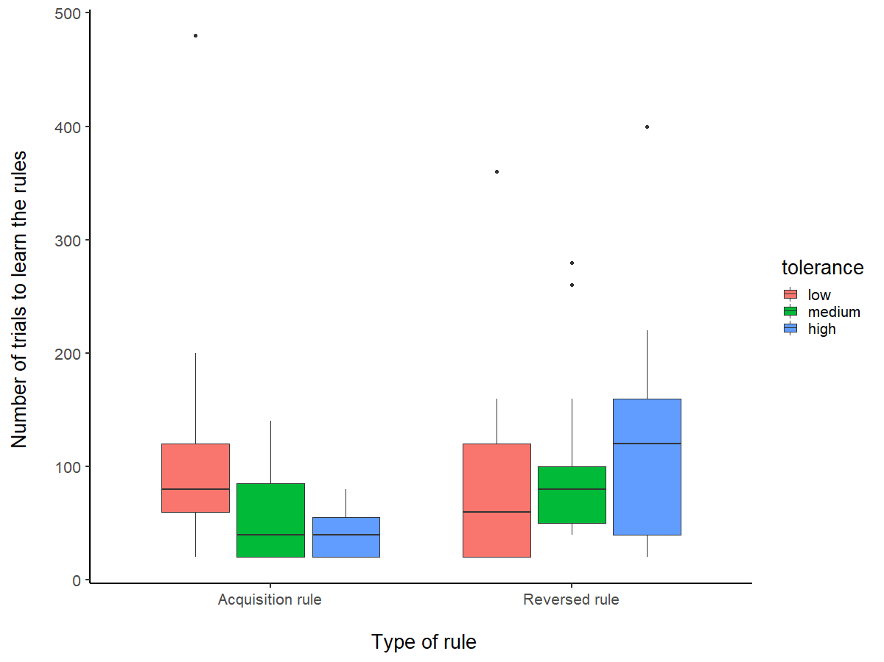
 |  |  |  |  |  |  |  |  |  |  | Kruskal-Wallis rank sum test |  |  |  |  |  |  | group 2 3.2307 0.0465 * |  |  |  |  |  |  |  |  | Modelnbtrials_rhesusF0: perf ~ 1 + (1 | subj_id) |  |  | locationSILABE | -67.072247904 | 28.550688815 | 48.999999999 | -2.3492339656 | 0.022887604119 | Modelrule0r 3 580.56 586.23 -287.28 574.56 | Df AIC BIC logLik deviance Chisq Chi Df Pr(>Chisq)
 |  |  |  |  |  |  |  |  |  |  |  |  |  |  |  |  |  |  |  |  |  |  |  |  |  |  | Modelnbtrials_rhesusF: perf ~ RANK + (1 | subj_id) |  |  | age | 5.0915755559 | 2.1047639779 | 48.999999999 | 2.4190719764 | 0.019318740357 | Modelruler 4 581.47 589.04 -286.74 573.47 1.0882 1 0.2969 | Modelrule0r 4 580.68 588.25 -286.34 572.68
 |  |  |  |  |  |  |  |  |  |  | data: perf by tolerance |  |  |  |  |  |  |  |  |  |  |  |  |  |  |  | Df AIC BIC logLik deviance Chisq Chi Df Pr(>Chisq) |  |  | sex M | -6.498862757 | 23.159163365 | 48.999999999 | -0.28061733728 | 0.78018536332 |  | Modelruler 5 577.20 586.66 -283.60 567.20 5.4759 1 0.01928 *
 |  |  |  |  |  |  |  |  |  |  | Kruskal-Wallis chi-squared = 12.856, df = 2, p-value = 0.001616 |  |  |  |  |  |  |  |  |  |  |  |  |  |  |  | Modelnbtrials_rhesusF0 3 280.52 283.92 -137.26 274.52 |  |  | rule2 | -23.879372365 | 22.290830392 | 48.999999999 | -1.0712643695 | 0.2892988409
 |  |  |  |  |  |  |  |  |  |  |  |  |  |  |  |  |  |  |  |  |  |  |  |  |  |  | Modelnbtrials_rhesusF 4 281.63 286.18 -136.82 273.63 0.8845 1 0.347 |  |  |  |  |  |  |  |  |  |  | Modelruler: perf ~ location + age + (1 | subj_id)
 |  |  |  |  |  |  |  |  |  |  |  |  |  |  |  |  |  |  |  |  |  |  |  |  |  |  |  |  |  |  |  |  |  |  |  |  |  | Df AIC BIC logLik deviance Chisq Chi Df Pr(>Chisq)
 |  |  |  |  |  |  |  |  |  |  | Pairwise comparisons using Wilcoxon rank sum test |  |  |  |  |  |  |  |  |  |  |  |  |  |  |  |  |  |  |  |  |  |  |  |  |  |  | Modelrule0r 4 580.3 587.87 -286.15 572.3
 |  |  |  |  |  |  |  |  |  |  |  |  |  |  |  |  |  |  |  |  |  |  |  |  |  |  | FASCI |  |  |  |  |  |  |  |  |  |  | Modelruler 5 577.2 586.66 -283.60 567.2 5.0985 1 0.02395 *
 |  |  |  |  |  |  |  |  |  |  | data: DATA_TRIAL_RL_1$perf and DATA_TRIAL_RL_1$tolerance |  |  |  |  |  |  |  |  |  |  |  |  |  |  |  |  | Modelnbtrials_fasciF0: perf ~ age + (1 | subj_id) |  | Column1 | Estimate | Std. Error | df | t value | Pr(>|t|) | Modelrulef: perf ~ rule + (1 | subj_id)
 |  |  |  |  |  |  |  |  |  |  |  |  |  |  |  |  |  |  |  |  |  |  |  |  |  |  |  | Modelnbtrials_fasciF: perf ~ age + RANK + (1 | subj_id) |  | (Intercept) | 52.382112238 | 46.199682332 | 21.06182848 | 1.1338197493 | 0.26961129205 | Df AIC BIC logLik deviance Chisq Chi Df Pr(>Chisq) |  |  | Modelrule0r: perf ~ 1 + (1 | subj_id)
 |  |  |  |  |  |  |  |  |  |  | high low |  |  |  |  |  |  |  |  |  |  |  |  |  |  |  |  | Df AIC BIC logLik deviance Chisq Chi Df Pr(>Chisq) |  | age | 1.0424686129 | 3.4066992138 | 19.89372307 | 0.30600547551 | 0.7627797865 | Modelrule0f 3 433.7 438.69 -213.85 427.7 |  |  | Modelruler: perf ~ location + (1 | subj_id)
 |  |  |  |  |  |  |  |  |  |  | low 0.0015 - |  |  |  |  |  |  |  |  |  |  |  |  |  |  |  |  | Modelnbtrials_fasciF0 4 269.73 274.45 -130.87 261.73 |  | sex M | -21.920447738 | 20.465243359 | 20.699332252 | -1.0711061361 | 0.29645237502 | Modelrulef 4 431.5 438.15 -211.75 423.5 4.2036 1 0.04034 * |  |  | Df AIC BIC logLik deviance Chisq Chi Df Pr(>Chisq)
 |  |  |  |  |  |  |  |  |  |  | medium 0.2950 0.0344 |  |  |  |  |  |  |  |  |  |  |  |  |  |  |  |  | Modelnbtrials_fasciF 5 270.50 276.39 -130.25 260.50 1.2316 1 0.2671 |  | rule2 | 34.972003026 | 16.465761303 | 20.170080486 | 2.1239226285 | 0.046231064559 |  |  |  | Modelrule0r 3 580.56 586.23 -287.28 574.56
 |  |  |  |  |  |  |  |  |  |  |  |  |  |  |  |  |  |  |  |  |  |  |  |  |  |  | TONK |  |  |  |  |  |  |  |  |  |  |  | Modelruler 4 580.68 588.25 -286.34 572.68 1.8772 1 0.1707

 |  |  |  |  |  |  |  |  |  |  |  |  |  |  |  |  |  |  |  |  |  |  |  |  |  |  |  | Modelnbtrials_tonkM0: perf ~ age + (1 | subj_id) |  | Column1 | Estimate | Std. Error | df | t value | Pr(>|t|)
 |  |  |  |  |  |  |  |  |  |  | RULE 2 |  |  | Levene's Test for Homogeneity of Variance (center = median) |  |  |  |  |  |  |  |  |  |  |  |  |  | Modelnbtrials_tonkM: perf ~ age + RANK + (1 | subj_id) |  | (Intercept) | 50.593958013 | 43.572106744 | 35.578889295 | 1.1611547339 | 0.25331037514 | Modelrule0t: perf ~ 1 + (1 | subj_id)
 |  |  |  |  |  |  |  |  |  |  |  |  |  | Df F value Pr(>F) |  |  |  |  |  |  |  |  |  |  |  |  |  | Df AIC BIC logLik deviance Chisq Chi Df Pr(>Chisq) |  | age | -0.73513276278 | 2.4572897521 | 35.440854202 | -0.29916405347 | 0.76656224021 | Modelrulet: perf ~ rule + (1 | subj_id)
 |  |  |  |  |  |  |  |  |  |  |  |  |  | group 2 0.8811 0.4198 |  |  |  |  |  |  |  |  |  |  |  |  |  | Modelnbtrials_tonkM0 4 289.40 294.12 -140.70 281.40 |  | sex M | -3.7612464341 | 28.445185393 | 35.440853421 | -0.13222787555 | 0.8955519192 | Df AIC BIC logLik deviance Chisq Chi Df Pr(>Chisq)
 |  |  |  |  |  |  |  |  |  |  | AOV |  |  | 58 |  |  |  |  |  |  |  |  |  |  |  |  |  | Modelnbtrials_tonkM 5 291.38 297.27 -140.69 281.38 0.0279 1 0.8675 |  | rule2 | 77.777777778 | 22.573048192 | 35.446420639 | 3.4456036738 | 0.0014827965191 | Modelrule0t 3 422.00 426.75 -208.00 416.00
 |  |  |  |  |  |  |  |  |  |  |  |  |  |  |  |  |  |  |  |  |  |  |  |  |  |  |  |  |  |  |  |  |  |  |  | Modelrulet 4 413.76 420.10 -202.88 405.76 10.238 1 0.001376 **
 |  |  |  |  |  |  |  |  |  |  | Estimate Std. Error t value Pr(>|t|) |  |  |  |  |  |  |  |  |  |  |  |  |  |  |  |  |  |  |  |  |  |  |  |  | ---
 |  |  |  |  |  |  |  |  |  |  | (Intercept) 117.78 19.06 6.181 6.85e-08 *** |  |  |  |  |  |  | Multiple Comparisons of Means: Tukey Contrasts
 |  |  |  |  |  |  |  |  |  |  | tolerancelow -36.11 25.21 -1.433 0.157
 |  |  |  |  |  |  |  |  |  |  | tolerancemedium -24.09 26.59 -0.906 0.369 |  |  |  |  |  |  |  |  |  |  |  |  |  |  |  |  |  |  |  |  |  |  |  |  | rule
 | RHESUS |  | Effect age and location, not rule |  |  |  |  |  |  |  | --- |  |  |  |  |  |  | Fit: aov(formula = perf ~ tolerance, data = DATA_TRIAL_RL_2)
 |  |  |  |  |  |  |  |  |  |  | Signif. codes: 0 ‘***’ 0.001 ‘**’ 0.01 ‘*’ 0.05 ‘.’ 0.1 ‘ ’ 1
 | FASCI |  | Effect rule |  |  |  |  |  |  |  |  |  |  |  |  |  |  | Linear Hypotheses:
 |  |  |  |  |  |  |  |  |  |  | Residual standard error: 80.85 on 58 degrees of freedom |  |  |  |  |  |  | Estimate Std. Error t value Pr(>|t|)
 | TONK |  | Effect rule |  |  |  |  |  |  |  | (2 observations deleted due to missingness) |  |  |  |  |  |  | low - high == 0 -36.11 25.21 -1.433 0.331
 |  |  |  |  |  |  |  |  |  |  | Multiple R-squared: 0.03456, Adjusted R-squared: 0.001266 |  |  |  |  |  |  | medium - high == 0 -24.09 26.59 -0.906 0.638
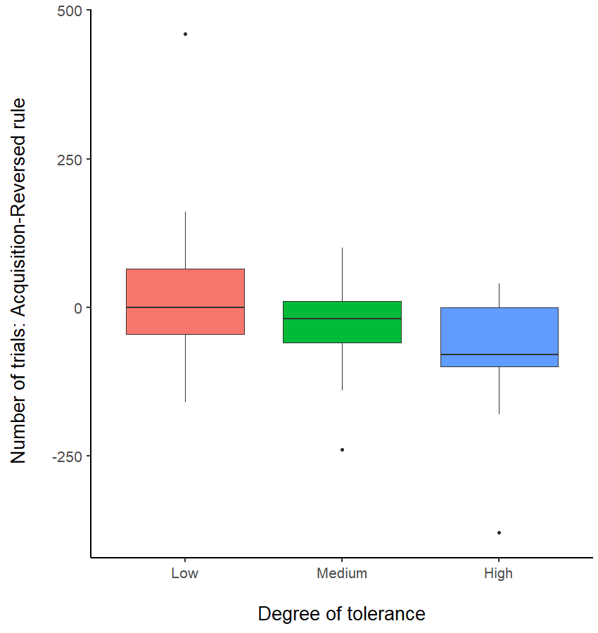
 |  |  |  |  |  |  |  |  |  |  | F-statistic: 1.038 on 2 and 58 DF, p-value: 0.3606 |  |  |  |  |  |  | medium - low == 0 12.02 24.83 0.484 0.879

 | DIFFERENCE OF TRIALS ACQUISITION - REVERSE
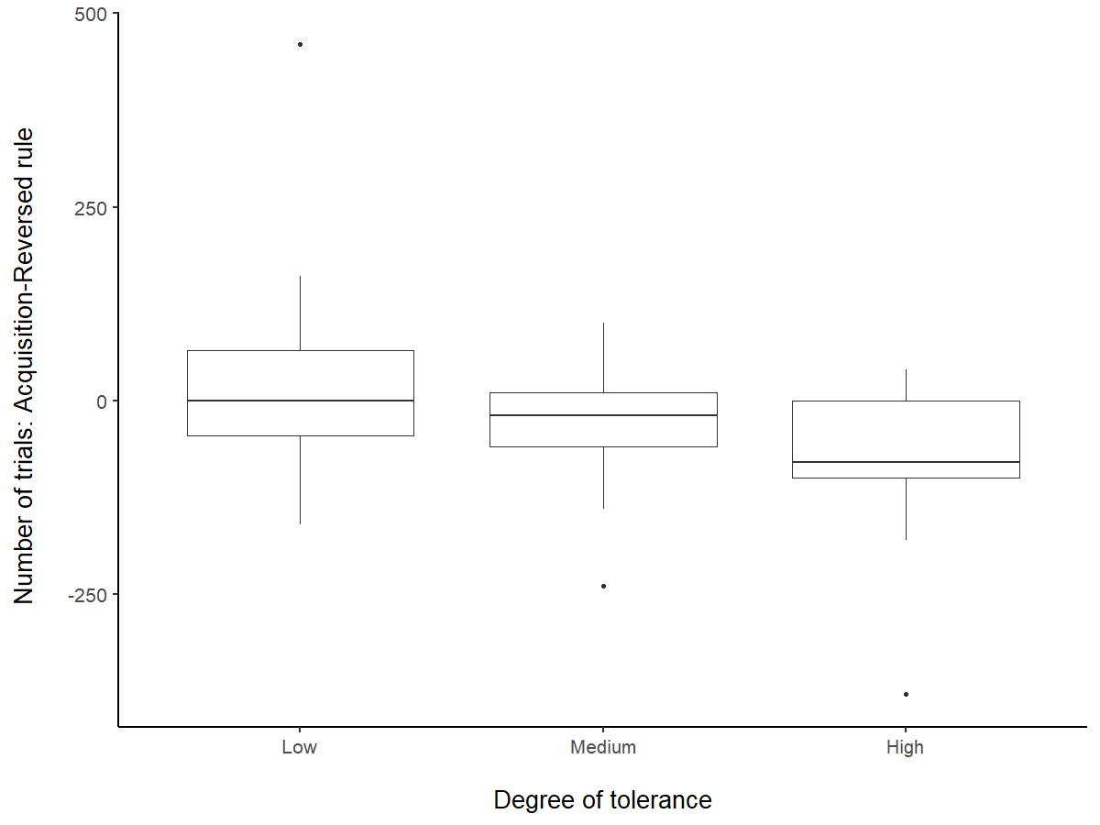

 | group: high
 | vars n mean sd median trimmed mad min max range skew kurtosis se
 | X1 1 18 -77.78 98.67 -80 -66.25 88.96 -380 40 420 -1.39 2.26 23.26
 | ---------------------------------------------------------------------------------------
 | group: low
 | vars n mean sd median trimmed mad min max range skew kurtosis se
 | X1 1 24 19.17 119.78 0 6 88.96 -160 460 620 1.89 5.08 24.45
 | ---------------------------------------------------------------------------------------
 | group: medium
 | vars n mean sd median trimmed mad min max range skew kurtosis se
 | X1 1 19 -32.63 76.36 -20 -28.24 59.3 -240 100 340 -0.88 0.76 17.52

 | Levene's Test for Homogeneity of Variance (center = median)
 | Df F value Pr(>F)
 | group 1 0.0527 0.8206
 | 22
 | > leveneTest(DATA_DIFF_TRIAL_rhesus$perf, DATA_DIFF_TRIAL_rhesus$location ,center = median)
 | Levene's Test for Homogeneity of Variance (center = median)
 | Df F value Pr(>F)
 | group 1 0.0527 0.8206
 | 22

 | TOLERANCE
 |  |  | Estimate Std. Error t value Pr(>|t|) |  |  |  |  |  | Estimate Std. Error t value Pr(>|t|)
 |  |  | (Intercept) -77.78 23.98 -3.243 0.00196 ** |  |  |  |  |  | low - high == 0 96.94 31.73 3.056 0.00933 **
 |  |  | tolerancelow 96.94 31.73 3.056 0.00339 ** |  |  |  |  |  | medium - high == 0 45.15 33.47 1.349 0.37400
 |  |  | tolerancemedium 45.15 33.47 1.349 0.18259 |  |  |  |  |  | medium - low == 0 -51.80 31.25 -1.658 0.22996

 | LOCATION
 |  |  | Df Sum Sq Mean Sq F value Pr(>F) |  |  |  |  |  | Fit: aov(formula = perf ~ location, data = DATA_DIFF_TRIAL_rhesus)
 |  |  | location 1 4050 4050 0.273 0.606
 |  |  | Residuals 22 325933 14815 |  |  |  |  |  | Linear Hypotheses:
 |  |  | 1 observation deleted due to missingness |  |  |  |  |  | Estimate Std. Error t value Pr(>|t|)
 |  |  |  |  |  |  |  |  | SILABE - MRC == 0 -30.00 57.38 -0.523 0.606
 |  |  |  |  |  |  |  |  | (Adjusted p values reported -- single-step method)

 |  |  | RHESUS
 | ACCURACY |  | Column1 | Estimate | Std. Error | z value | Pr(>|z|) |  | Modelaccurhesus0: success ~ rule + session + sex + age + (1 | subj_id)
 |  |  | (Intercept) | 4.8523718409 | 0.97106253973 | 4.9969715053 | 5.8237669897E-07 |  | Modelaccurhesus: success ~ rule + session + sex + age + location + (1 | subj_id)
 |  |  | rule | -0.47282457739 | 0.13834522042 | -3.4177153064 | 0.00063149124227 |  | Df AIC BIC logLik deviance Chisq Chi Df Pr(>Chisq)
 |  |  | session | -0.11968612742 | 0.038739142425 | -3.0895399312 | 0.0020046675693 |  | Modelaccurhesus0 6 2056.2 2095.5 -1022.1 2044.2
 |  |  | sexM | 1.3241020036 | 1.0249623861 | 1.2918542393 | 0.19640762761 |  | Modelaccurhesus 7 2055.3 2101.2 -1020.6 2041.3 2.9034 1 0.08839 .
 |  |  | age | -0.10583259798 | 0.089898147511 | -1.1772500425 | 0.23909572025
 |  |  | locationSILABE | 2.1257141693 | 1.3568305823 | 1.5666761917 | 0.11719039854

 |  |  | ALL SPECIES

 |  |  | Column2 | Column1 | Estimate | Std. Error | z value | Pr(>|z|) |  | Linear Hypotheses: |  |  |  |  |  |  | Modelage: success ~ rule + session + tolerance + (1 | subj_id)
 |  |  | (Intercept) |  | 8.275 | 1.400 | 5.911 | 0.000 |  | Estimate Std. Error z value Pr(>|z|) |  |  |  |  |  |  | Modelopti: success ~ rule + session + age + tolerance + (1 | subj_id)
 |  |  | rule |  | -0.320 | 0.113 | -2.840 | 0.005 |  | low - high == 0 -2.8185 1.0230 -2.755 0.0162 * |  |  |  |  |  |  | Df AIC BIC logLik deviance Chisq Chi Df Pr(>Chisq)
 |  |  | session |  | -0.091 | 0.036 | -2.554 | 0.011 |  | medium - high == 0 -0.2510 1.0648 -0.236 0.9698 |  |  |  |  |  |  | Modelage 6 3167.2 3211.5 -1577.6 3155.2
 |  |  | sex | males vs females | 1.506 | 0.800 | 1.883 | 0.060 |  | medium - low == 0 2.5675 0.9876 2.600 0.0253 * |  |  |  |  |  |  | Modelopti 7 3165.3 3216.9 -1575.6 3151.3 3.966 1 0.04643 *
 |  |  | age |  | -0.142 | 0.073 | -1.948 | 0.051 |  | ---
 |  |  | tolerance | low vs high tolerant | -2.818 | 1.023 | -2.755 | 0.006
 |  |  |  | medium vs high tolerant | -0.251 | 1.065 | -0.236 | 0.814 |  |  |  |  |  |  |  |  | Modeltol: success ~ age + rule + session + (1 | subj_id)
 |  |  |  | medium vs low tolerant | 2.567 | 0.984 | 2.608 | 0.009 |  |  |  |  |  |  |  |  | Modelopti: success ~ rule + session + age + tolerance + (1 | subj_id)
 |  |  |  |  |  |  |  |  |  |  |  |  |  |  |  |  | Df AIC BIC logLik deviance Chisq Chi Df Pr(>Chisq)
 |  |  |  |  |  |  |  |  |  |  |  |  |  |  |  |  | Modeltol 5 3172.2 3209.1 -1581.1 3162.2
 |  |  |  |  |  |  |  |  |  |  |  |  |  |  |  |  | Modelopti 7 3165.3 3216.9 -1575.6 3151.3 10.923 2 0.004247 **
 |  |  |  |  |  |  |  |  |  |  |  |  |  |  |  |  | ---
 |  |  |  |  |  |  |  |  |  |  |  |  |  |  |  |  | Signif. codes: 0 ‘***’ 0.001 ‘**’ 0.01 ‘*’ 0.05 ‘.’ 0.1 ‘ ’ 1

 |  |  |  |  |  |  |  |  | Column1 | Estimate | Std. Error | df | t value | Pr(>|t|)
 |  |  |  |  |  |  |  |  | (Intercept) | 1.575 | 0.078 | 86.131 | 20.086 | 0.000
 |  |  |  |  |  |  |  |  | age | -0.007 | 0.004 | 59.231 | -1.487 | 0.142
 |  | NUMER OF ERRORS FOR EACH TRIALS |  |  |  |  |  |  | sexM | 0.062 | 0.046 | 59.788 | 1.342 | 0.185
 |  |  |  |  |  |  |  |  | tolerancelow | 0.200 | 0.056 | 58.533 | 3.591 | 0.001
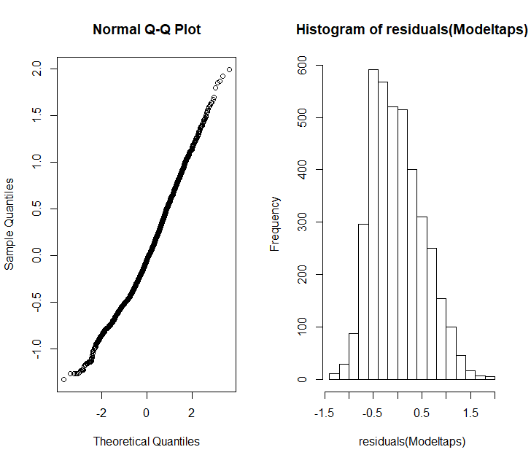
 |  |  |  |  |  |  |  |  | tolerancemedium | 0.163 | 0.061 | 61.596 | 2.668 | 0.010

 |  |  | Linear Hypotheses: |  |  |  |  |  | rule | 0.073 | 0.020 | 3767.621 | 3.643 | 0.000
 |  |  | Estimate Std. Error z value Pr(>|z|) |  |  |  |  |  | session | -0.033 | 0.006 | 3552.219 | -5.910 | 0.000
 |  |  | medium - low == 0 -0.03716 0.05652 -0.657 0.78771
 |  |  | high - low == 0 -0.18988 0.05639 -3.367 0.00229 **
 |  |  | high - medium == 0 -0.15272 0.06210 -2.459 0.03690 *
 | Column1 | Estimate | Std. Error | t value | Pr(>|t|) | Column2
(Intercept) |  | 1.781 | 0.068 | 26.248 | 0.000
age |  | -0.007 | 0.004 | -1.480 | 0.144
sexM |  | 0.055 | 0.047 | 1.183 | 0.242
tolerance | tolerancemedium | -0.037 | 0.057 | -0.657 | 0.513 |  |  |  |  | RULE1
 | tolerancehigh | -0.190 | 0.056 | -3.367 | 0.001 |  |  |  |  |  | Column1 | Estimate | Std. Error | df | t value | Pr(>|t|) |  | Estimate Std. Error z value Pr(>|z|)
 |  |  |  |  |  |  |  |  |  |  | (Intercept) | 1.6320939486 | 0.082554913753 | 48.170973083 | 19.769797755 | 9.2844126664E-25 |  | low - high == 0 0.24541 0.06692 3.667 <0.001 ***
 | rule | 0.071 | 0.020 | 3.545 | 0.000 |  |  |  |  |  | age | -0.0050600681726 | 0.0050236434414 | 47.046811507 | -1.0072506601 | 0.3189669261 |  | medium - high == 0 0.21503 0.07670 2.804 0.0138 *
 | session | -0.033 | 0.006 | -5.930 | 0.000 |  |  |  |  |  | sexM | 0.012625099454 | 0.054442609798 | 52.711073851 | 0.23189739618 | 0.8175156507 |  | medium - low == 0 -0.03038 0.06499 -0.467 0.8859
 |  |  |  |  |  |  |  |  |  |  | tolerancelowvs high | 0.24541193881 | 0.066923983013 | 57.42840372 | 3.667025299 | 0.00053797243217
 |  |  |  |  |  |  |  |  |  |  | tolerancemedium vs high | 0.21503290919 | 0.076699191768 | 66.877747553 | 2.8035876811 | 0.0066076337743
 |  |  |  |  |  |  |  |  |  |  | tolerance mediuml vs low | -3.04E-02 | 6.50E-02 | 4.91E+01 | -0.467 | 0.642255
 |  |  |  |  |  |  |  |  |  |  | session | -0.03191449998 | 0.0094353481754 | 1305.8414542 | -3.3824400952 | 0.00073971206466
tolerance | rule | session

 |  |  |  |  |  |  |  |  |  |  |  |  |  |  |  |  |  | Estimate Std. Error z value Pr(>|z|)
 |  |  |  |  |  |  |  |  |  | RULE 2 | Column1 | Estimate | Std. Error | df | t value | Pr(>|t|) |  | low - high == 0 0.18649 0.06425 2.903 0.0103 *
 |  |  |  |  |  |  |  |  |  |  | (Intercept) | 1.7107822102 | 0.085393955018 | 56.463046562 | 20.033996667 | 2.4608067603E-27 |  | medium - high == 0 0.15019 0.06965 2.156 0.0788 .
 |  |  |  |  |  |  |  |  |  |  | age | -0.0047512168427 | 0.0052842115802 | 58.352545573 | -0.89913448214 | 0.37227648202 |  | medium - low == 0 -0.03630 0.06604 -0.550 0.8464
 |  |  |  |  |  |  |  |  |  |  | sexM | 0.080479357366 | 0.053765611749 | 54.264954144 | 1.4968556062 | 0.14022504238
 |  |  |  |  |  |  |  |  |  |  | tolerancelow | 0.18649479271 | 0.064249877387 | 51.405903337 | 2.9026482274 | 0.005438308895
 |  |  |  |  |  |  |  |  |  |  | tolerancemedium | 0.15019125973 | 0.069652984774 | 50.764333498 | 2.1562788762 | 0.035823213856
 |  |  |  |  |  |  |  |  |  |  | tolerance mediuml vs low | -0.036 | 0.06604 | 54.49 | -0.5 | 0.58475
 |  |  |  |  |  |  |  |  |  |  | session | -0.039249323701 | 0.007465540076 | 2124.3492024 | -5.2573991033 | 1.6074953481E-07

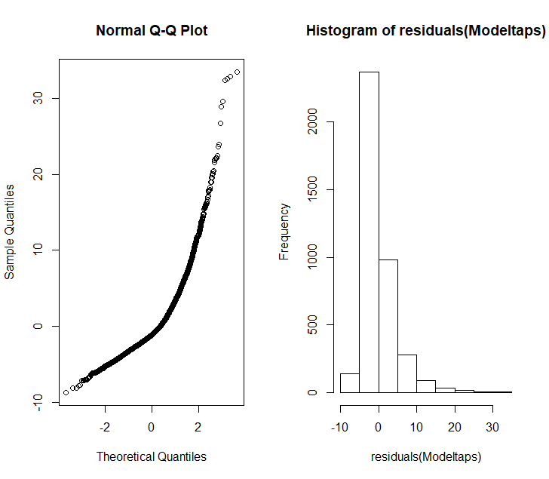

 |  |  |  |  |  | Modeltapsopti: log(nb_taps) ~ age + sex + tolerance + rule + session + (1 | |  |  |  |  |  | Modeltapsopti: log(nb_taps) ~ age + sex + tolerance + rule + session + (1 |
 |  |  |  |  |  | Modeltapsopti: subj_id) |  |  |  |  |  | Modeltapsopti: subj_id)
 |  |  |  |  |  | Df AIC BIC logLik deviance Chisq Chi Df Pr(>Chisq) |  |  |  |  |  | Df AIC BIC logLik deviance Chisq Chi Df Pr(>Chisq)
 |  |  |  |  |  | Modeltapstol 5 6285.8 6317.1 -3137.9 6275.8 |  |  |  |  |  | Modeltapssession 6 6290.7 6328.3 -3139.3 6278.7
 |  |  |  |  |  | Modeltapsopti 9 6280.6 6337.0 -3131.3 6262.6 13.208 4 0.0103 * |  |  |  |  |  | Modeltapsopti 9 6280.6 6337.0 -3131.3 6262.6 16.089 3 0.001087 **
 |  |  |  |  |  | ---

 |  |  |  |  |  | odeltapsrule: log(nb_taps) ~ tolerance + session + (1 | subj_id)
 |  |  |  |  |  | Modeltapsopti: log(nb_taps) ~ age + sex + tolerance + rule + session + (1 |
 |  |  |  |  |  | Modeltapsopti: subj_id)
 |  |  |  |  |  | Df AIC BIC logLik deviance Chisq Chi Df Pr(>Chisq)
 |  |  |  |  |  | Modeltapsrule 6 6290.7 6328.3 -3139.3 6278.7
 |  |  |  |  |  | Modeltapsopti 9 6280.6 6337.0 -3131.3 6262.6 16.089 3 0.001087 **
 |  |  |  |  |  | ---

 |  |  |  |  |  | eltapssession: log(nb_taps) ~ rule + session + (1 | subj_id)
 |  |  |  |  |  | Modeltapsopti: log(nb_taps) ~ age + sex + tolerance + rule + session + (1 |
 |  |  |  |  |  | Modeltapsopti: subj_id)
 |  |  |  |  |  | Df AIC BIC logLik deviance Chisq Chi Df Pr(>Chisq)
 |  |  |  |  |  | Modeltapssession 5 6285.8 6317.1 -3137.9 6275.8
 |  |  |  |  |  | Modeltapsopti 9 6280.6 6337.0 -3131.3 6262.6 13.208 4 0.0103 *
 |  |  |  |  |  | ---

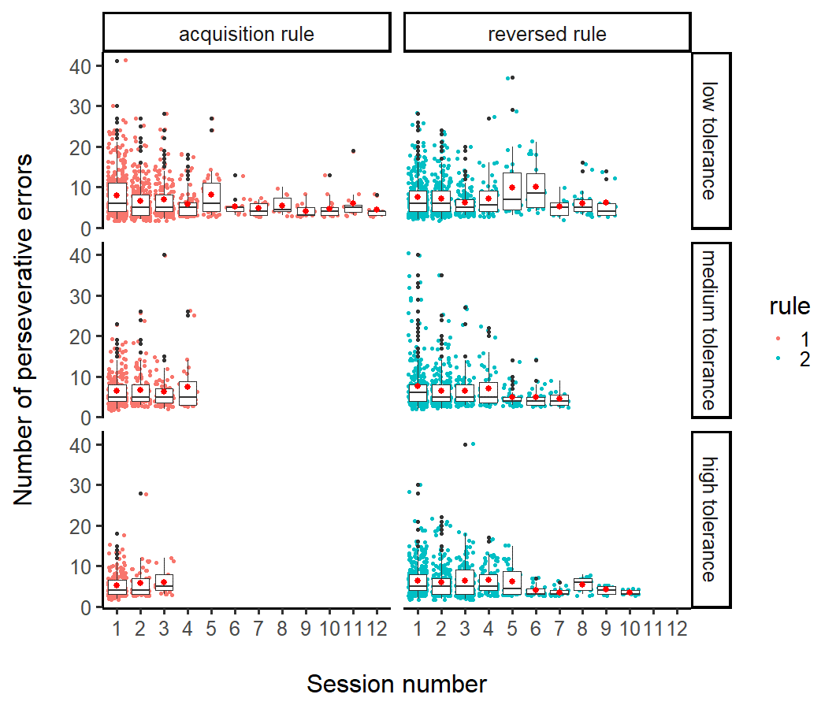

 |  |  |  |  |  |  |  | TONKEAN |  | Modeltapstonk0: log(nb_taps) ~ sex + session + (1 | subj_id)
 |  |  |  |  |  |  |  |  |  | Modeltapstonk: log(nb_taps) ~ age + sex + rule + session + (1 | subj_id)
 |  |  | Repeatability for subj_id |  |  |  |  |  |  | Df AIC BIC logLik deviance Chisq Chi Df Pr(>Chisq)
 |  |  | R = 0.081 |  |  |  |  |  |  | Modeltapstonk0 5 1592.8 1617.8 -791.41 1582.8
 |  |  | SE = 0.032 |  |  |  |  |  |  | Modeltapstonk 7 1587.8 1622.7 -786.88 1573.8 9.062 2 0.01077 *
 |  |  | CI = [0.028, 0.146] |  |  |  |  |  |  |  |  |  |  |  |  |  |  |  |  |  |  |  |  |  |  |  | Models: |  |  |  |  | sex
 |  |  | P = 1.23e-16 [LRT] |  |  |  | Column1 | Estimate | Std. Error | df | t value | Pr(>|t|) |  |  |  |  | group: F |  |  |  |  |  |  |  |  |  | ModeltapstonkM0: log(nb_taps) ~ age + rule + session + (1 | subj_id)
 |  |  | 0.001 [Permutation] |  |  |  | (Intercept) | 1.267 | 0.140 | 26.497 | 9.020 | 0.000 |  |  |  |  | vars n mean sd median trimmed mad min max range skew kurtosis se |  |  |  |  |  |  |  |  |  | ModeltapstonkM: log(nb_taps) ~ age + rule + session + RANK + (1 | subj_id) |  |  |  |  | odeltapstonk0: log(nb_taps) ~ rule + session + (1 | subj_id)
 |  |  |  |  |  |  | age | 0.005 | 0.007 | 19.773 | 0.664 | 0.515 |  |  |  |  | X1 1 238 5.02 2.93 4 4.46 1.48 2 21 19 2.45 7.84 0.19 |  |  |  |  |  |  |  |  |  | Df AIC BIC logLik deviance Chisq Chi Df Pr(>Chisq) |  |  |  |  | Modeltapstonk: log(nb_taps) ~ sex + rule + session + (1 | subj_id)
 |  |  | session rule sex |  |  |  | sexM | 0.239 | 0.086 | 17.677 | 2.785 | 0.012 |  |  |  |  | --------------------------------------------------------------------------------------------------- |  |  |  |  |  |  |  |  |  | ModeltapstonkM0 6 1281.3 1309.8 -634.67 1269.3 |  |  |  |  | Df AIC BIC logLik deviance Chisq Chi Df Pr(>Chisq)
 |  |  |  |  |  |  | rule | 0.116 | 0.040 | 1029.427 | 2.902 | 0.004 |  |  |  |  | group: M |  |  |  |  |  |  |  |  |  | ModeltapstonkM 7 1280.9 1314.0 -633.43 1266.9 2.4717 1 0.1159 |  |  |  |  | Modeltapstonk0 5 1591.1 1616.0 -790.53 1581.1
 |  |  | R = 0.059 |  |  |  | session | -0.036 | 0.010 | 855.609 | -3.426 | 0.001 |  |  |  |  | vars n mean sd median trimmed mad min max range skew kurtosis se |  |  |  |  |  |  |  |  |  |  |  |  |  |  | Modeltapstonk 6 1586.2 1616.1 -787.10 1574.2 6.8604 1 0.008813 *
 |  |  | SE = 0.026 |  |  |  |  |  |  |  |  |  |  |  |  |  | X1 1 841 6.2 4 5 5.51 2.97 2 40 38 2.36 9.83 0.14 |  |  |  |  |  |  |  |  |  | >
 |  |  | CI = [0.016, 0.115]
 |  |  | P = 8.43e-11 [LRT]
 |  |  | 0.001 [Permutation] |  |  |  |  |  | Column1 | Estimate | Std. Error | df | t value | Pr(>|t|) |  |  |  |  |  |  |  |  |  |  |  |  |  |  |  |  |  | rule
 |  |  |  |  |  |  |  |  | (Intercept) | 1.674 | 0.228 | 21.250 | 7.357 | 0.000
 |  |  |  |  |  |  |  | FASCI | age | 0.005 | 0.016 | 17.361 | 0.285 | 0.779 |  |  |  |  |  |  |  |  |  |  |  |  |  |  |  |  |  | Modeltapstonk0: log(nb_taps) ~ session + sex + (1 | subj_id)
 |  |  |  | session |  |  |  |  | sexM | -0.083 | 0.098 | 18.739 | -0.852 | 0.405 |  |  | session |  |  |  |  |  |  |  |  |  | rank |  |  |  |  | Modeltapstonk: log(nb_taps) ~ sex + rule + session + (1 | subj_id)
 |  |  | R = 0.118 |  |  |  |  |  | rule | 0.054 | 0.036 | 1119.549 | 1.518 | 0.129 |  |  |  |  |  |  |  |  |  |  |  |  |  |  |  |  |  | Df AIC BIC logLik deviance Chisq Chi Df Pr(>Chisq)
 |  |  | SE = 0.04 |  |  |  |  |  | session | -0.037 | 0.013 | 1093.473 | -2.744 | 0.006 |  |  | Modeltapsfascim: log(nb_taps) ~ rule + session + (1 | subj_id) |  |  |  |  |  |  |  |  |  | ModeltapsfasciF0: log(nb_taps) ~ age + rule + session + (1 | subj_id) |  |  |  |  | Modeltapstonk0 5 1592.8 1617.8 -791.41 1582.8
 |  |  | CI = [0.05, 0.206] |  |  |  |  |  |  |  |  |  |  |  |  |  | Df AIC BIC logLik deviance Chisq Chi Df Pr(>Chisq) |  |  |  |  |  |  |  |  |  | ModeltapsfasciF: log(nb_taps) ~ age + rule + session + RANK + (1 | subj_id) |  |  |  |  | Modeltapstonk 6 1586.2 1616.1 -787.10 1574.2 8.6257 1 0.003315 **
 |  |  | P = 1.91e-16 [LRT] |  |  |  |  |  |  |  |  |  |  |  |  |  | Modeltapsfascirule 4 1792.6 1812.7 -892.30 1784.6 |  |  |  |  |  |  |  |  |  | Df AIC BIC logLik deviance Chisq Chi Df Pr(>Chisq)
 |  |  | 0.001 [Permutation] |  |  |  |  |  |  |  |  |  |  |  |  |  | Modeltapsfascim 5 1787.3 1812.4 -888.64 1777.3 7.3052 1 0.006876 ** |  |  |  |  |  |  |  |  |  | ModeltapsfasciF0 6 1246.4 1274.1 -617.20 1234.4
 |  |  |  |  |  |  |  |  |  |  |  |  |  |  |  |  |  |  |  |  |  |  |  |  |  |  | ModeltapsfasciF 7 1247.3 1279.6 -616.64 1233.3 1.124 1 0.2891
 |  |  | R = 0.115
 |  |  | SE = 0.039
 |  |  | CI = [0.045, 0.197]
 |  |  | P = 1.04e-14 [LRT]
 |  |  | 0.001 [Permutation] |  |  |  |  | RHESUS

 |  |  |  |  |  |  |  |  |  | Modeltapsrheloca: log(nb_taps) ~ rule + session + (1 | subj_id)
 |  |  |  |  |  |  |  |  |  | Modeltapsrheopti: log(nb_taps) ~ location + rule + session + (1 | subj_id) |  |  |  |  |  |  | RANK
 |  |  |  |  |  |  |  |  |  | Df AIC BIC logLik deviance Chisq Chi Df Pr(>Chisq)
 |  |  |  |  |  |  |  |  |  | Modeltapsrheloca 5 2897.6 2924.8 -1443.8 2887.6
 |  |  |  |  |  |  |  |  |  | Modeltapsrheopti 6 2887.5 2920.2 -1437.8 2875.5 12.11 1 0.0005014 *** |  |  |  |  |  |  | ModeltapsrheF0: log(nb_taps) ~ age + location + rule + session + (1 | subj_id)
 |  |  |  |  |  |  |  |  |  | --- |  |  |  |  |  |  | ModeltapsrheF: log(nb_taps) ~ age + location + rule + session + RANK + (1 |
 |  |  |  |  |  |  |  |  |  | Signif. codes: 0 ‘***’ 0.001 ‘**’ 0.01 ‘*’ 0.05 ‘.’ 0.1 ‘ ’ 1 |  |  |  |  |  |  | ModeltapsrheF: subj_id)
 |  |  |  |  |  |  |  |  |  | > anova(Modeltapsrheopti,Modeltapsrherule) |  |  |  |  |  |  | Df AIC BIC logLik deviance Chisq Chi Df Pr(>Chisq) |  |  |  |  |  |  |  |  |  |  |  | session location
 |  |  |  |  |  |  |  |  |  | Data: DATA_ACCU_RL_wrong_rhe |  |  |  |  |  |  | ModeltapsrheF0 7 1246.7 1279.0 -616.32 1232.7
 |  |  |  |  |  |  |  |  |  | Models: |  |  |  |  |  |  | ModeltapsrheF 8 1248.6 1285.7 -616.32 1232.6 0.0111 1 0.916
 |  |  |  |  |  |  |  |  |  | Modeltapsrherule: log(nb_taps) ~ location + session + (1 | subj_id) |  |  |  |  |  |  |  |  |  |  |  |  |  |  |  | R = 0.078 |  |  | Repeatability for subj_id
 |  |  |  |  |  |  |  |  |  | Modeltapsrheopti: log(nb_taps) ~ location + rule + session + (1 | subj_id) |  |  |  |  |  |  |  |  |  |  |  |  |  |  |  | SE = 0.026 |  |  | R = 0.045
 |  |  |  |  |  |  |  |  |  | Df AIC BIC logLik deviance Chisq Chi Df Pr(>Chisq) |  |  |  |  |  |  |  |  |  |  |  |  |  |  |  | CI = [0.03, 0.131] |  |  | SE = 0.017
 |  |  |  |  |  |  |  |  |  | Modeltapsrherule 5 2890.9 2918.1 -1440.5 2880.9 |  |  |  |  |  |  |  |  |  |  |  |  |  |  |  | P = 6.85e-17 [LRT] |  |  | CI = [0.013, 0.083]
 |  |  |  |  |  |  |  |  |  | Modeltapsrheopti 6 2887.5 2920.2 -1437.8 2875.5 5.4241 1 0.01986 * |  |  |  |  |  |  |  |  |  |  |  |  |  |  |  | 0.001 [Permutation] |  |  | P = 8.96e-07 [LRT]
 |  |  |  |  |  |  |  |  |  | --- |  |  |  |  |  |  |  |  |  |  |  |  |  |  |  |  |  |  | 0.001 [Permutation]
 |  |  |  |  |  |  |  |  |  | Signif. codes: 0 ‘***’ 0.001 ‘**’ 0.01 ‘*’ 0.05 ‘.’ 0.1 ‘ ’ 1
 |  |  |  |  |  |  |  |  |  | > anova(Modeltapsrheopti,Modeltapsrhesession)
 |  |  |  |  |  |  |  |  |  | Data: DATA_ACCU_RL_wrong_rhe |  |  |  |  |  |  | Column1 | Estimate | Std. Error | df | t value | Pr(>|t|)
 |  |  |  |  |  |  |  |  |  | Models: |  |  |  |  |  |  | (Intercept) | 1.791 | 0.073 | 56.952 | 24.627 | 0.000
 |  |  |  |  |  |  |  |  |  | Modeltapsrhesession: log(nb_taps) ~ location + rule + (1 | subj_id) |  |  |  |  |  |  | age | -0.001 | 0.005 | 23.080 | -0.240 | 0.812
 |  |  |  |  |  |  |  |  |  | Modeltapsrheopti: log(nb_taps) ~ location + rule + session + (1 | subj_id) |  |  |  |  |  |  | sexM | 0.055 | 0.057 | 21.481 | 0.966 | 0.345
 |  |  |  |  |  |  |  |  |  | Df AIC BIC logLik deviance Chisq Chi Df Pr(>Chisq) |  |  |  |  |  |  | rule | 0.069 | 0.031 | 1393.010 | 2.259 | 0.024
 |  |  |  |  |  |  |  |  |  | Modeltapsrhesession 5 2905.0 2932.2 -1447.5 2895.0 |  |  |  |  |  |  | session | -0.034 | 0.008 | 1159.575 | -4.382 | 0.000
 |  |  |  |  |  |  |  |  |  | Modeltapsrheopti 6 2887.5 2920.2 -1437.8 2875.5 19.471 1 1.021e-05 *** |  |  |  |  |  |  | locationSILABE | -0.256 | 0.074 | 25.133 | -3.468 | 0.002
 |  |  |  |  |  |  |  |  |  | ---
 |  |  |  |  |  |  |  |  |  | Signif. codes: 0 ‘***’ 0.001 ‘**’ 0.01 ‘*’ 0.05 ‘.’ 0.1 ‘ ’ 1

 |  |  |  |  |  |  |  |  |  |  |  | High tlerant species |  |  |  |  | Medium tolerant species |  |  |  |  |  | Low tolerant species
 |  |  |  |  |  |  |  |  |  |  | Column1 | Estimate | Std. Error | df | t value | Pr(>|t|) | Column1 | Estimate | Std. Error | df | t value | Pr(>|t|) | Column1 | Estimate | Std. Error | df | t value | Pr(>|t|)
 |  |  |  |  |  |  |  |  |  |  | (Intercept) | 1.2667912609 | 0.14044952034 | 26.497484697 | 9.0195485026 | 1.465554797E-09 | (Intercept) | 1.6744507326 | 0.22760516803 | 21.249638506 | 7.3568221103 | 2.8564412402E-07 | (Intercept) | 1.791 | 0.073 | 56.952 | 24.627 | 0.000
 |  |  |  |  |  |  |  |  |  |  | age | 0.0047770603259 | 0.0071980106451 | 19.773326106 | 0.66366397071 | 0.51456960166 | age | 0.0046062526055 | 0.016160443662 | 17.361099349 | 0.28503255863 | 0.77899153773 | age | -0.001 | 0.005 | 23.080 | -0.240 | 0.812
 |  |  |  |  |  |  |  |  |  |  | sexM | 0.2394996978 | 0.085990437202 | 17.677216129 | 2.7851899071 | 0.012365310632 | sexM | -0.083386401876 | 0.097870006236 | 18.738822651 | -0.85201181734 | 0.40496539761 | sexM | 0.055 | 0.057 | 21.481 | 0.966 | 0.345
 |  |  |  |  |  |  |  |  |  |  | rule | 0.11621354321 | 0.040043943333 | 1029.4272394 | 2.9021503264 | 0.0037850973953 | rule | 0.054158497449 | 0.035672461877 | 1119.5485898 | 1.5182158617 | 0.12924231308 | rule | 0.069 | 0.031 | 1393.010 | 2.259 | 0.024
 |  |  |  |  |  |  |  |  |  |  | session | -0.035587352734 | 0.010387586844 | 855.60922607 | -3.42594996 | 0.00064183380903 | session | -0.036761516335 | 0.013396550438 | 1093.4734581 | -2.744103156 | 0.0061669392859 | session | -0.034 | 0.008 | 1159.575 | -4.382 | 0.000
 |  |  |  |  |  |  |  |  |  |  |  |  |  |  |  |  |  |  |  |  |  |  | locationSILABE | -0.256 | 0.074 | 25.133 | -3.468 | 0.002

 |  |  |  |  |  |  |  |  |  | ADJUSTED | rule session tolerance

 |  |  |  |  |  | ALL |  | Repeatability for subj_id |  | Repeatability for subj_id
 |  |  |  |  |  |  |  | R = 0.1 |  | R = 0.092
 |  |  |  |  |  |  |  | SE = 0.021 |  | SE = 0.018
 |  |  |  |  |  |  |  | CI = [0.063, 0.141] |  | CI = [0.058, 0.129]
 |  |  |  |  |  |  |  | P = 2.8e-53 [LRT] |  | P = 3.76e-42 [LRT]
 |  |  |  |  |  |  |  | 0.001 [Permutation] |  | 0.001 [Permutation]

