Sheet1
T-B16W732620A-BOM清单
No. Item | 捷创ID | 型号 Mfg Part | 封装 Package/Footprint | 规格参数 Description / Value | 位号 Designator | 单板用量 Qty per board | 总量 Total Qty | 来料数量 Qty Received | 物料备注 Instructions / Notes | 不良原因 Assembly Question |  | 客户回复 Reply from Customer
1 | W263425-001 | RH-5000 | TestPoint:TestPoint_Loop_D1.80mm_Drill1.0mm_Beaded | +5esp32 | +5esp32 | 1 | 5 | 10
3 | W263425-003 | RVT47UF16V67RV0019 | Capacitor_SMD:CP_Elec_5x5.4 | 47uF 16V | C102,C106,C109,C115,C118,C302,C502,C505,C705 | 9 | 45 | 80
4 | W263425-004 | CC0603KRX7R9BB104 | Capacitor_SMD:C_0603_1608Metric_Pad1.08x0.95mm_HandSolder | 100nF | C103,C105,C108,C116,C117,C301,C303,C501,C503,C504,C602,C701,C702,C703,C704,C706 | 16 | 80 | 130
5 | W263425-005 | SS210 | GeneralPurposeAlarmDevicePCB:D_SMB_POLARITY | Schottky 2A | D101,D103,D104 | 3 | 15 | 20 |  | as shown,this part a little bit smaller than need,while we can still proceed with soldering,shall we proceed? this problem exist in rest of 2 orders,too.your response will be answer for 3 orders in the same time,pls note that. | 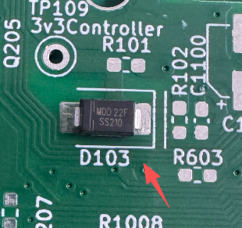 | Regarding D103, the PCB footprint is one we chose from KiCAD and may be optimized to also allow hand soldering. We do not want to change the PCB. PLEASE PROCEED with soldering. WARNING, in the photograph the MDD33F had incorrect orrentation. The cathode should be to the right. | 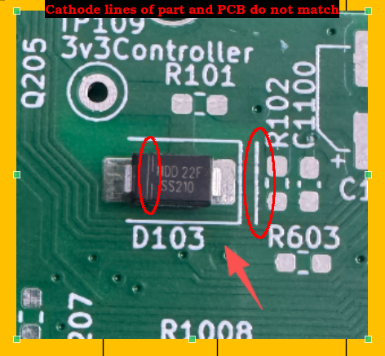 |  | 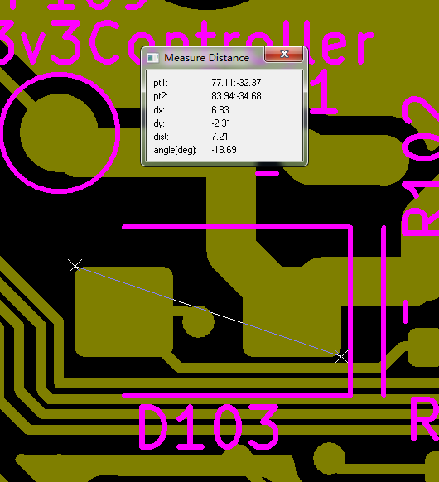 |  | 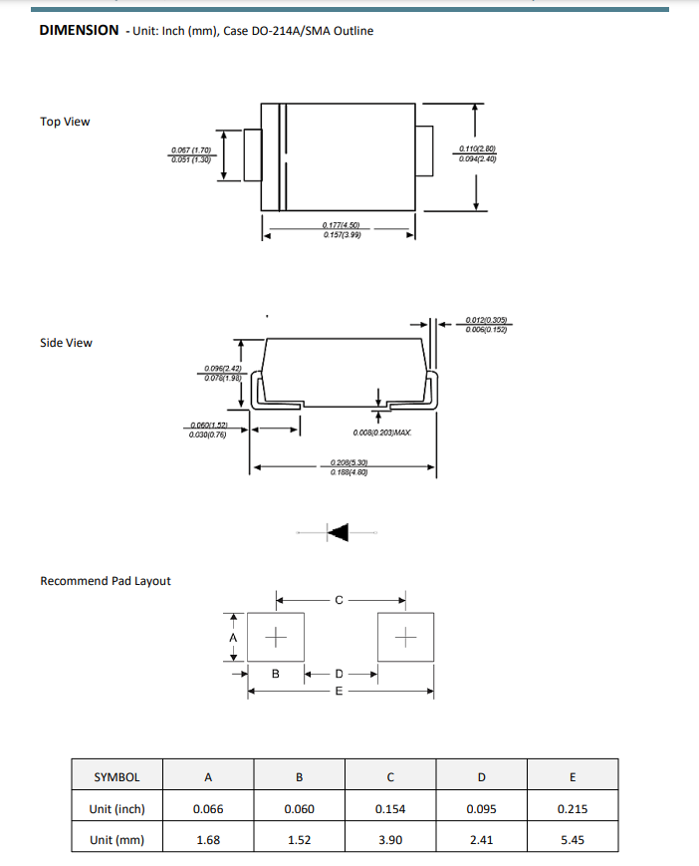

10 | W263425-010 | DC-005-5A-2.0-SMT | GeneralPurposeAlarmDevicePCB:BarrelJack_CLIFF_FC681465S_SMT_Horizontal | Barrel_Jack_Switch_SMT | J101 | 1 | 5 | 7 |  | there is an extra holes on boards,shall we proceed with assembly or not?this problem exist in rest of 2 orders,too.your response will be answer for 3 orders in the same time,pls note that. | 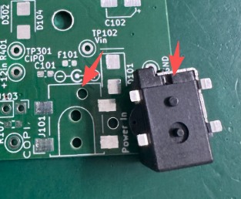 | The “Extra hole” is a via and is not a problem. It is by our design. |  | 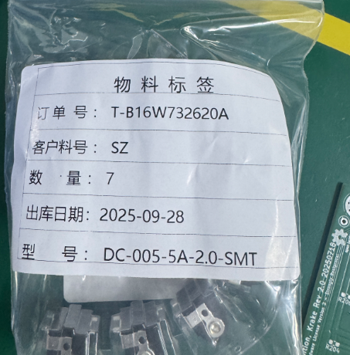 | 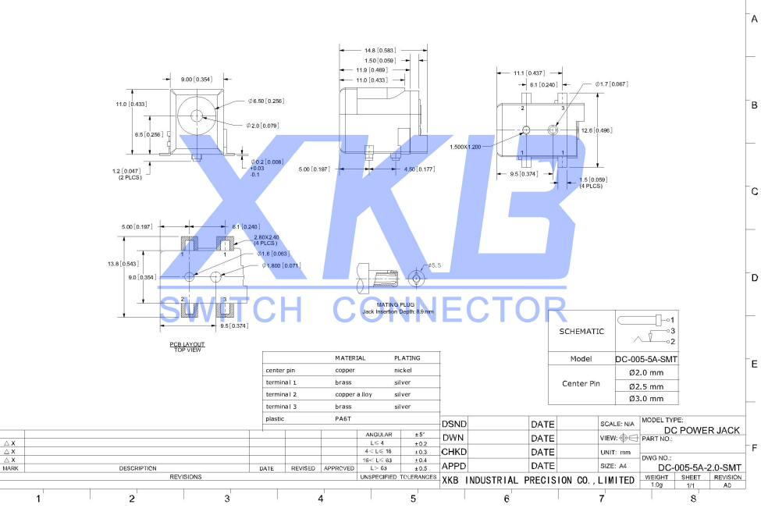

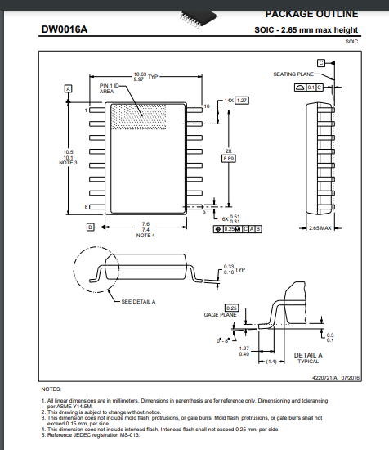
60 | W263425-060 | MAX3232IDWR | Package_SO:SOIC-16_4.55x10.3mm_P1.27mm | MAX3232 | U701 | 1 | 5 | 6 |  | this part is larger than need,cannot proceed with soldering,shall we leave it do not place?Arrange the unused parts with assembled boards to you together?as question as T-B12W732620A's | 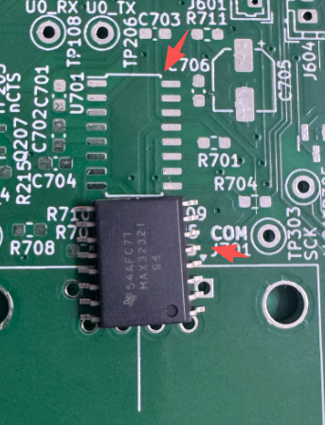 | We provided bad part number. Please change U701 to part number: MAX3232CDR . See screen shot from TI data sheet to right. | 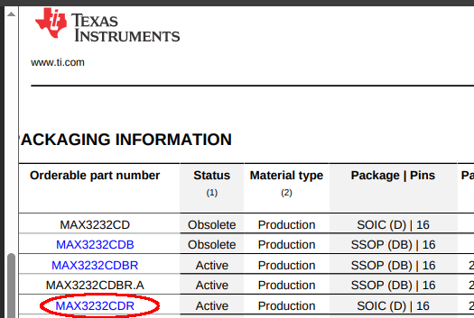 |  | 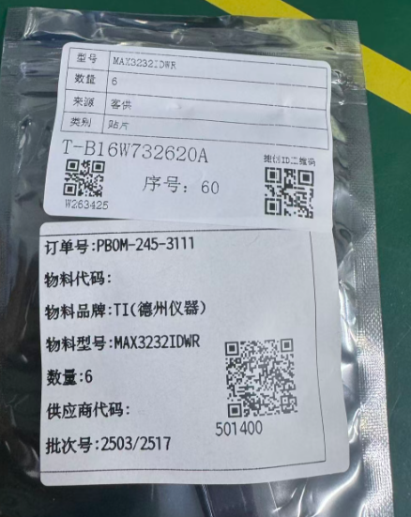 | 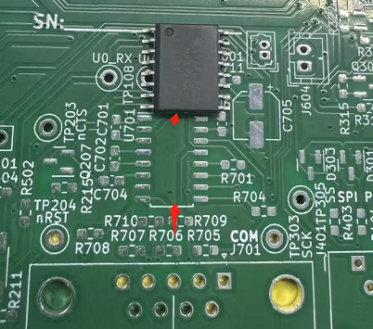
IQC备注

