PHQ
Sr.No |  | Not At All(0) | Several Days(1) | More Than Half the Days(2) | Nearly Every Day(3) | Sum | Command_Center_Result | Pdf_Result
1 | Feeling down, depressed, irritable pr hopeless? |  | 1 |  |  | 16 | Moderately Severe Depression | Your responses suggest you may be experiencing moderately severe depression. We strongly encourage you to connect with a health professional to talk through how you're feeling and access support that’s right for you.
2 | Little interest or pleasure in doing things? |  |  | 2
3 | Trouble falling asleep, staying asleep , or sleeping too much? |  |  | 2
4 | Poor appetite, weight loss or overeating? |  |  |  | 3
5 | Feeling tired, or having little energy? | 0
6 | Feeling bad about yourself - or feeling that you are a failure, or that you have let yourself or your family down? |  | 1
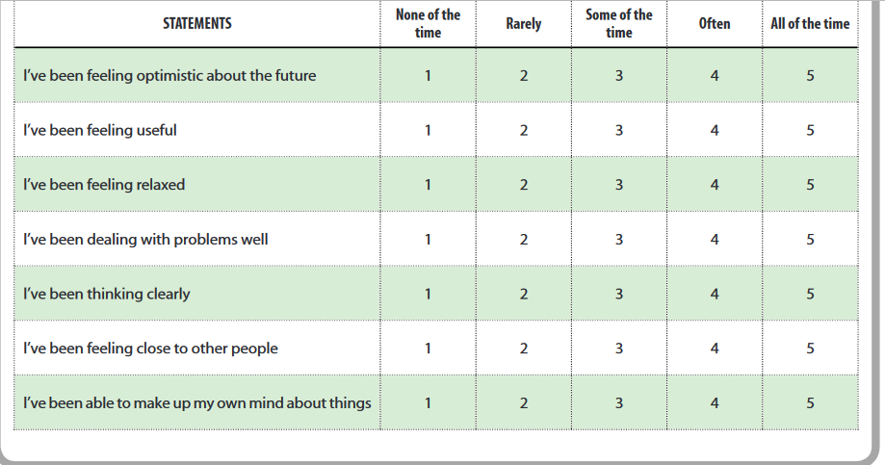
7 | Trouble concentrating on things like school work, reading, or watching TV? |  |  | 2
8 | Moving or speaking so slowly that other people could have noticed? Or the opposite - being so fidgety or restless that you were moving around a lot more than usual? |  |  |  | 3
9 | Thoughts that you would be better off dead , or of hurting yourself in some way? |  |  | 2

Warwick-Edinburgh Mental Well-b
 | Questions | None of the time | Rarely | Some of the time | Often | All of the time | Total
 | I've been feeling optimistic about the future | 1 |  |  |  |  | 1
 | I've been feeling useful | 1 |  |  |  |  | 1
 | I've been feeling relaxed | 1 |  |  |  |  | 1
 | I've been feeling interested in other people |  | 2 |  |  |  | 2
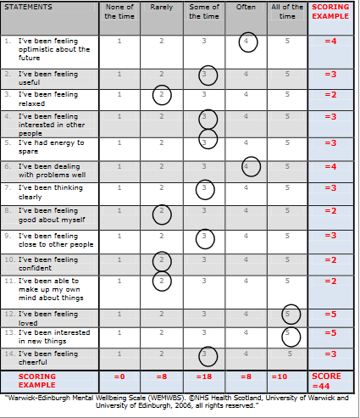
 | I've had energy to spare |  | 2 |  |  |  | 2
 | I've been dealing with problems well |  | 2 |  |  |  | 2
 | I've been thinking clearly |  |  | 3 |  |  | 3
 | I've been feeling good about myself |  |  | 3 |  |  | 3
 | I've been feeling close to other people |  |  | 3 |  |  | 3
 | I've been feeling confident |  |  |  | 4 |  | 4
 | I've been able to make up my own mind about things |  |  |  | 4 |  | 4
 | I've been feeling loved |  |  |  |  | 5 | 5
 | I've been interested in new things |  |  |  |  | 5 | 5
 | I've been feeling cheerful |  |  |  |  | 5 | 5
 | Total_Score |  |  |  |  |  | 41
If Total score is >44-> No depression | Result |  |  |  |  |  | no depression
a score of <41 is indicative of probable clinical depression.
a score of 41-44 is indicative of possible/ mild depression

