Area of expenditure
Technical specifications - Health Expenditure Australia 2022–23 - Datacube

Area of expenditure

 | Sector | Area of expenditure
Recurrent expenditure | Hospitals | Public hospital services
 |  | Private hospitals
 | Primary health care | Public health
 |  | Community health services
 |  | Other health practitioners
 |  | Dental services
 |  | Unreferred medical services
 |  | Benefit-paid pharmaceuticals
 |  | All other medications
 | Referred medical services | Referred medical services
 | Other services | Patient transport services
 |  | Administration
 |  | Aids and appliances
 | Research | Research
Capital expenditure | Capital expenditure | Capital expenditure
Medical expenses tax rebate | Medical expenses tax rebate | Medical expenses tax rebate
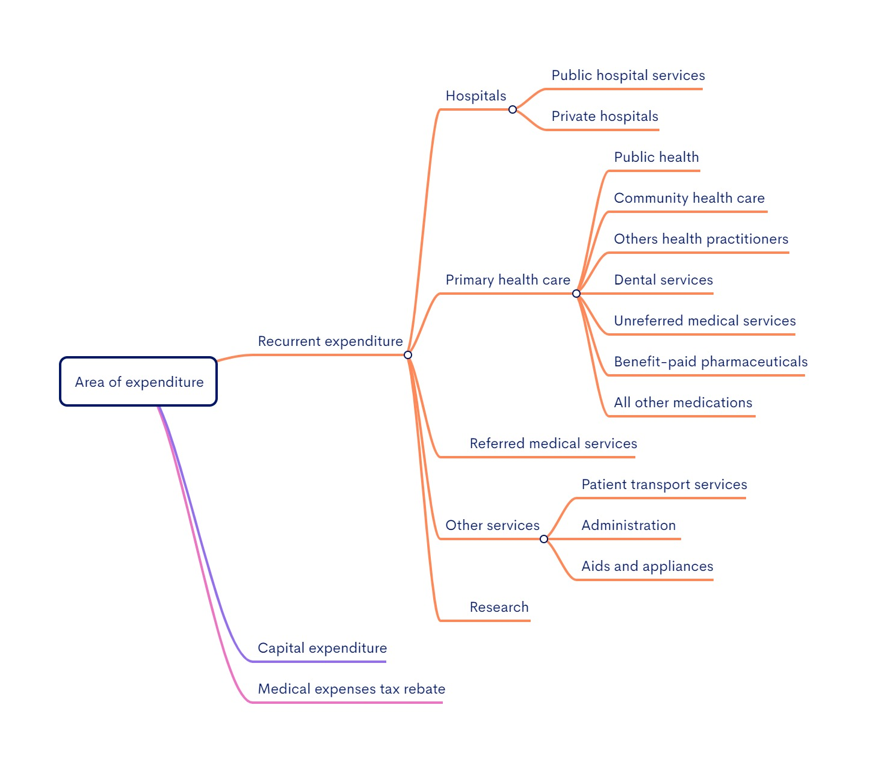

Note: For more information about concepts, definitions and data sources, see Overview of data sources and methodology in the Health Expenditure Australia 2022–23 report.

Source of funds
Technical specifications - Health Expenditure Australia 2022–23 - Datacube

Source of funds

Source of funds | Government/Non-government source | Broad source of funds | Source of funds
 | Government | Australian Government | Department of Veterans' Affairs
 |  |  | DoHAC(a) and other (b)
 |  |  | Premium rebates (c)
 |  | State and local government
 | Non-government | Non-government | Individuals
 |  |  | Private insurance funds (d)
 |  |  | Other non-government (e)
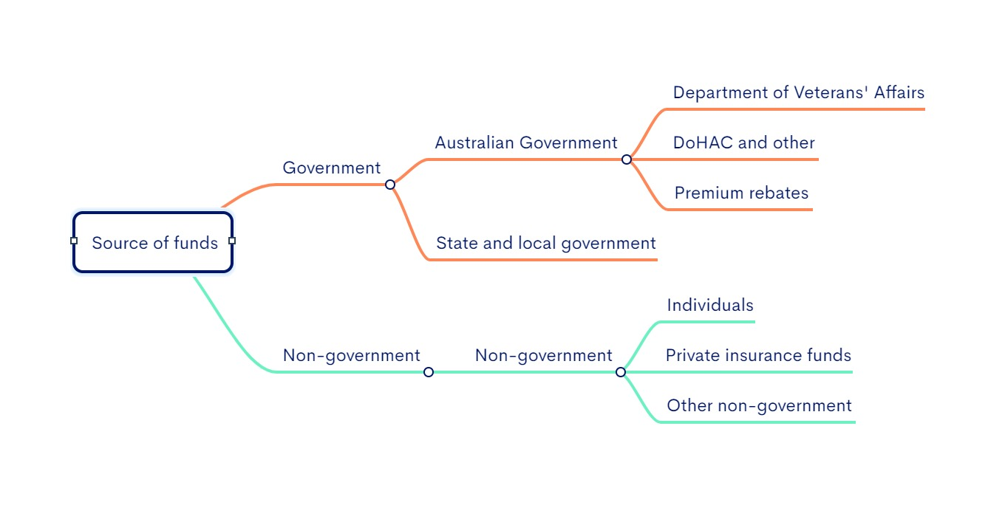

(a) DoHAC- Australian Government Department of Health and Aged Care (formely called DoH -Australian Government Department of Health).
(b) ‘DoHAC and other’ figures include Australian Government Department of Health and Aged Care's own programs, grants to states and territories (including National Health Reform grants, National Partnership of COVID-19 Response grants, PBS section 100 programs in public hospitals and other National Partnership Payments), funding by other Australian Government agencies (including Department of Defence, capital consumption, and others).
(c) 'Premium rebates' comprise health insurance rebates claimed through the taxation system, as well as rebates paid directly to health insurance funds by the Australian Government that enable them to reduce premiums
(d) 'Private insurance funds’ figures include health spending by Health insurance providers but the Australian Government private health insurance rebate.
(e) 'Other non-government' sources include injury compensation insurers and other sources of private income.

Note: For more information about concepts, definitions and data sources, see Overview of data sources and methodology in the Health Expenditure Australia 2022–23 report.

