Sheet1
Project--> | Advanced Fake News Detection System |  | TimeLine: 2-3 weeks |  |  | To connect the webpage to the model we chose flask as a web development framework, which is deployed on Amazon Web Services (AWS) instance. The input received from the website will be given to the AWS-EC2 instance. This instance has all required files of machine learning models, flask files, and the front-end web server. Once the required models are dumped from the machine learning model we will further use only those dumped models in the flask file.

 | Selected Base paper: | https://drive.google.com/file/d/1LS-0QMCthAGMeHBbSoRCSmv9RAgcD3qv/view?usp=share_link

 |  |  | Project Phase | Tasks | ETA(Tentative)
 |  |  | Information Retrival | 1.Using web crawler data collection,datasets using Scrapy (https://scrapy.org/),Storing them has train and test data. | 12Hrs
WorkFlow: | https://drive.google.com/file/d/15Y6x21bUHx2OYYWn46z913g100hufMQJ/view?usp=share_link
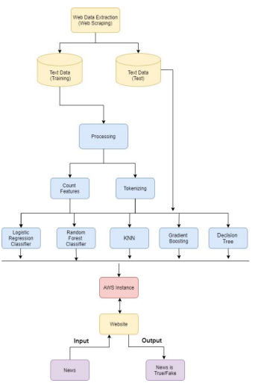
 |  |  | Data Preprocessing | 1.Stop Word Removal - are more common and hold less useful information.(Natural Language Toolkit – (NLTK) library to remove stop word) | 6Hrs

 |  |  |  | 2.Punctuation Removal(tokenization)
 |  |  |  | 3.Stemming(tokenization)

 |  |  | NLP | Word Vector Representation-->for feature selection and Before using a machine learning system, text must be translated into numbers. | 12-18Hrs

 |  |  |  | 1. TF-IDF Vectorizer.(TF-IDF uses word frequency to identify words that are more important (occur more frequently) in a document. The TF-IDF Vectorizer converts documents into tokens, learns vocabulary, inverses document frequency weightings, and allows you to cipher new documents.
 |  |  |  | 2. Countvectorizer (The Count Vectorizer creates an encoded vector that comprises the full vocabulary’s length as well as the frequency with which each word appears in the document.)

 |  |  | Model Building & Training | Algorithms-->(Train the model with train data)-- Aggregation of model outputs is considered | 24Hrs

 |  |  |  | 1.Logistic Regression
 |  |  |  | 2.Decision Tree
 |  |  |  | 3.KNN
 |  |  |  | 4.Random Forest
 |  |  |  | 5.Gradient Boosting

 |  |  | Predicting the Output | Based on Classification Metrics | 6Hrs
 |  |  |  | -Confusion matrix
 |  |  |  | -Accuracy
 |  |  |  | -Precision
 |  |  |  | -Recall
 |  |  |  | -F1 score

 |  |  | Mitigate the Impact of Fake News | If Output is FAKE--> | 8-12Hrs
 |  |  |  | auto-populate the spreader's inbox with Official News using email bots or email filtering tools
 |  |  |  | Note:-(Still need to figure out, how to identify the original source of News)

