Arkusz1
dNg/dalfa | -0.0014915994574
DP3/dalfa | 0.0018056239504

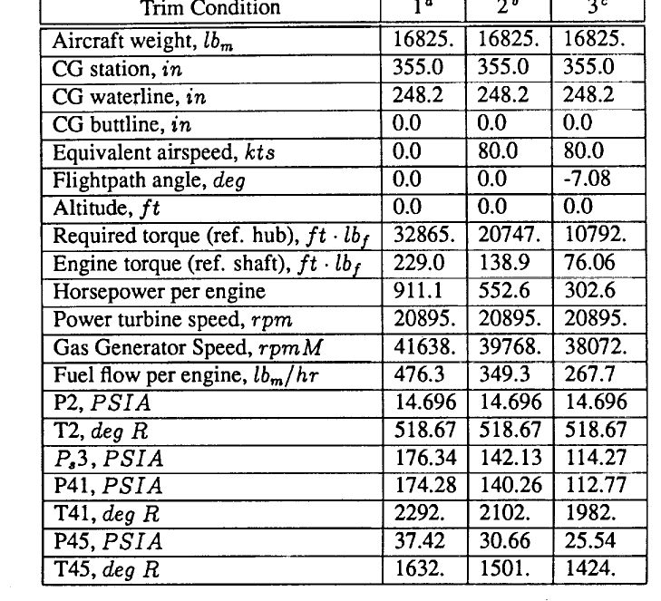
delty |  |  | Normal |  |  |  | 100% |  | skalar | g/s
Ng | 82380 |  | Ng | 41638 |  |  | 314909.2437 |  | 0.26159918024 | 0.0043618079575 | 0.00436
Np. | 6174 |  | Np. | 20895 |  |  | 158029.41176 |  | 0.039068676717 | 0.00065141666285 | 0.00065
P4 | 189100 |  | P4 | 174.28 |  |  | 1318.0840336 |  | 143.46581491 | 2.3920959253 | 2.39210
P45 | 40210 |  | P45 | 34.42 |  |  | 260.31932773 |  | 154.46413584 | 2.5754778598 | 2.57548
T45 | 7044 |  | T45 | 2000 |  |  | 15126.05042 |  | 0.46568666667 | 0.0077646872079
 |  |  | lb/hr | 476
 |  |  | lb/s | 0.13222222222
 |  |  | kg/s | 0.059974942222
 |  |  | g/s | 59.974942222

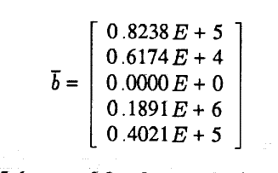

 | Ng | Np. | P0t | T1t | P2 | P3t | P4t | P45t | T45t
Ng | 0.000 | 0.000 | 0.000 | 0.000 | -0.291 | -0.300 | 1.911 | -1.216 | 0.206 |  |  | 0 | 0 | 0 | 0 | -0.291 | -0.300 | 1.911 | -1.216 | 0.206
Np. | -0.024 | 0.000 | 0.000 | 0.000 | 0.000 | 0.000 | -0.032 | 0.191 | 0.031 |  |  | -0.024 | 0 | 0 | 0 | 0 | 0 | -0.032 | 0.191 | 0.031
P0t | 0.000 | 0.000 | 0.000 | 0.000 | 0.000 | 0.000 | 0.000 | 0.000 | 0.000 |  |  | 0 | 0 | 0 | 0 | 0 | 0 | 0 | 0 | 0
T1t | 0.000 | 0.000 | 0.000 | 0.000 | 0.000 | 0.000 | 0.000 | 0.000 | 0.000 |  |  | 0 | 0 | 0 | 0 | 0 | 0 | 0 | 0 | 0
P2t | 0.000 | 0.000 | 0.980 | 0.000 | 0.000 | 0.000 | 0.000 | 0.000 | 0.000 |  |  | 0 | 0 | 0.980 | 0 | 0 | 0 | 0 | 0 | 0
P3t | 0.834 | 0.000 | 0.000 | 0.000 | 0.970 | 0.000 | 0.000 | 0.000 | 0.000 |  |  | 0.834 | 0 | 0 | 0 | 0.970 | 0 | 0 | 0 | 0
P4t | 0.000 | 0.000 | 0.000 | 0.000 | 0.000 | 1.571 | 0.000 | 0.000 | 0.000 |  |  | 0 | 0 | 0 | 0 | 0 | 1.571 | 0 | 0 | 0
P45t | 0.206 | 0.000 | 0.000 | 0.000 | 0.000 | 0.000 | 0.786 | 0.000 | 0.000 |  |  | 0.206 | 0 | 0 | 0 | 0 | 0 | 0.786 | 0 | 0
T45t | -0.103 | 0.000 | 0.000 | 0.950 | 0.000 | 0.000 | 0.000 | 0.000 | 0.000 |  |  | -0.103 | 0 | 0 | 0.950 | 0 | 0 | 0 | 0 | 0

 |  |  | 100% |  | skalar
dNg/dp3 | -141.9 |  | 236.57954545 |  | -0.5997982612 |  | -0.5997982612 |  | -0.2998991306
dNg/dP4 | 912.9 |  | 238.91439064 |  | 3.8210339594 |  | 3.8210339594 |  | 1.9105169797
dNg/dP45 | -2942 |  | 1209.7036607 |  | -2.4320005764 |  | -2.4320005764 |  | -1.2160002882
dNg/dT45 | 10.49 |  | 25.513480392 |  | 0.41115519477 |  | 0.41115519477 |  | 0.20557759739
dNp/dNg | -0.02444 |  | 0.50182525578 |  | -0.048702212012 |  | -0.048702212012 |  | -0.024351106006
dNp/dP4 | -7.748 |  | 119.89327519 |  | -0.064624141661 |  | -0.064624141661 |  | -0.03231207083
dNp/dP45 | 232.1 |  | 607.05984893 |  | 0.38233462551 |  | 0.38233462551 |  | 0.19116731275
dNp/dT45 | 0.7867 |  | 12.803308824 |  | 0.061445053841 |  | 0.061445053841 |  | 0.03072252692
dP3/Dng | 0.7524 |  | 0.0042269081128 |  | 178.00245 |  | 1.6672272407 |  | 0.83361362035
dp4/dp3 | 5252 |  | 0.99022727273 |  | 5303.8329126 |  | 3.1422969192 |  | 1.5711484596
dp45/dng | 1.063 |  | 0.00082664873433 |  | 1285.9149913 |  | 0.41118411307 |  | 0.20559205654
dp45/dnp | 0 |  |  |  | 0 |  | 0 |  | 0
dp45/dp4 | 544.5 |  | 0.19749827863 |  | 2756.9860546 |  | 1.5711484596 |  | 0.7855742298
dT45/dNg | -26.59 |  | 0.039194966137 |  | -678.40344363 |  | -0.20559205654 |  | -0.10279602827
dT45/dNp | 0 |  |  |  | 0 |  | 0 |  | 0
 |  |  | Ng | 41638
 |  |  | Np. | 20895
 |  |  | P3 | 176 |  |  | 1.5711484596
 |  |  | P4 | 174.28
 |  |  | P45 | 34.42
 |  |  | T45 | 1632

