EXISTING ERP PAGE SCREEN SHOT
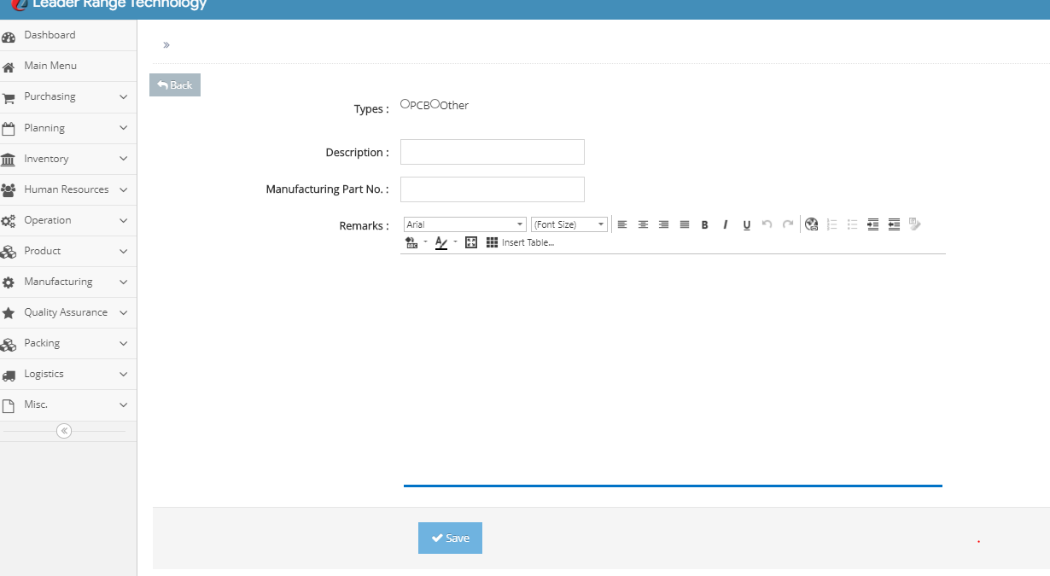
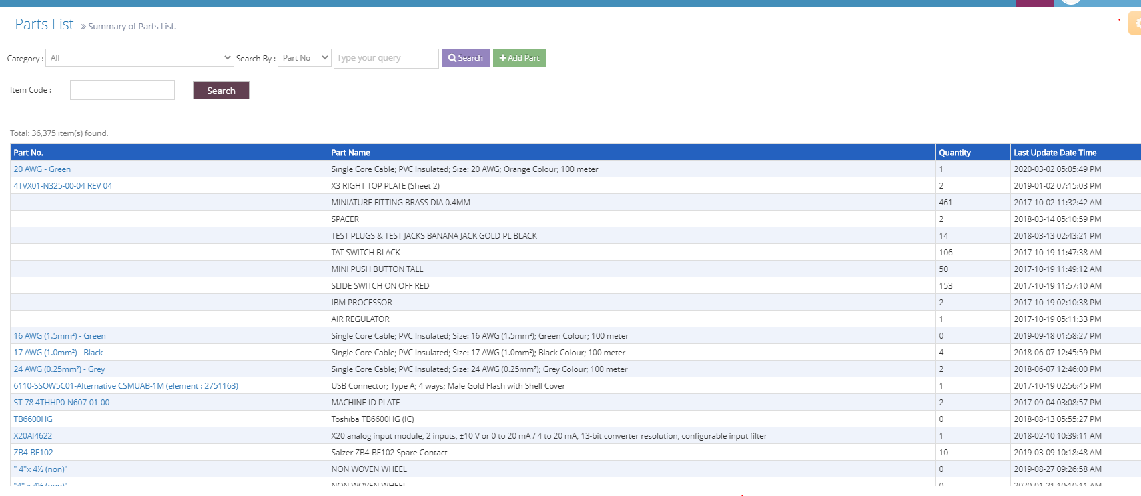
E

SEARCH
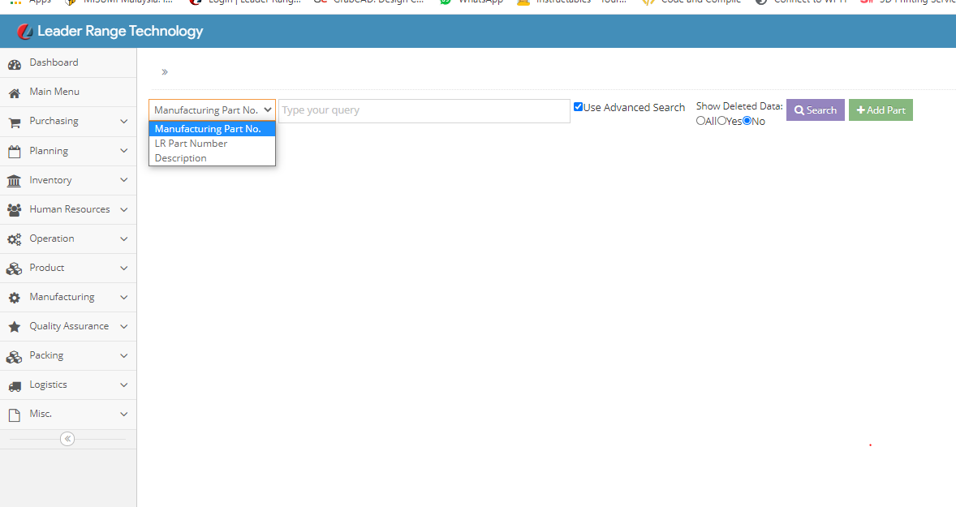

ADD NEW PART

FASTNER SUB MASTER DATA
SCREW TYPES |  |  |  |  |  |  | HEAD TYPE
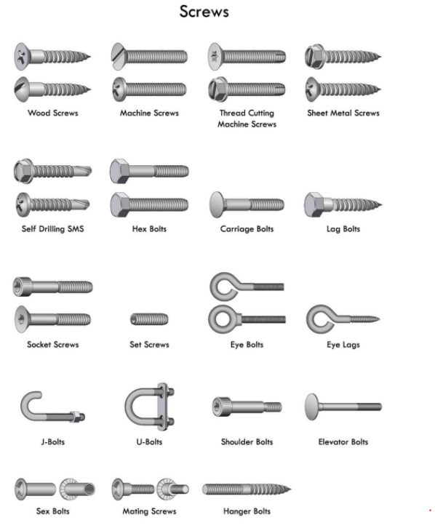
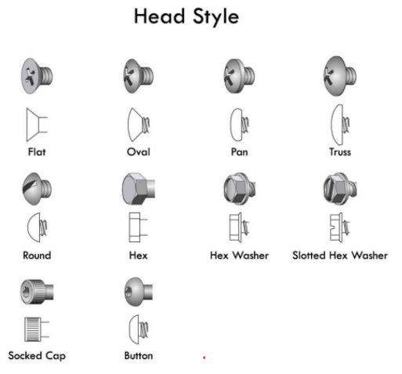

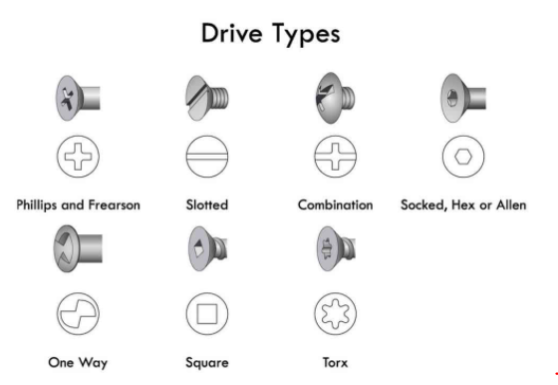
 |  | DRIVE TYPES |  |  | ALL THREAD SIZE AND PITCH
 |  |  |  |  | THREAD SIZE | Pitch1)
 |  |  |  |  | (mm) | (mm)
 |  |  |  |  | M 1.0 x 0.2 | 0.2
 |  |  |  |  | M 1.1 x 0.2 | 0.2
 |  |  |  |  | M 1.2 x 0.2 | 0.2
 |  |  |  |  | M 1.4 x 0.2 | 0.2
 |  |  |  |  | M 1.6 x 0.2 | 0.2
 |  |  |  |  | M 1.8 x 0.2 | 0.2
 |  |  |  |  | M 2 x 0.25 | 0.25
 |  |  |  |  | M 2.2 x 0.25 | 0.25
 |  |  |  |  | M 2.5 x 0.35 | 0.35
 |  |  |  |  | M 3 x 0.35 | 0.35
 |  |  |  |  | M 3.5 x 0.35 | 0.35
 |  |  |  |  | M 4 x 0.5 | 0.5
 |  |  |  |  | M 4.5 x 0.5 | 0.5
 |  |  |  |  | M 5 x 0.5 | 0.5
 |  |  |  |  | M 5.5 x 0.5 | 0.5
 |  |  |  |  | M 6 x 0.75 | 0.75
 |  | LENGTH /THICKNESS |  |  | M 7 x 0.75 | 0.75
 | Numerical entry by user |  |  |  | M 8 x 0.75 | 0.75
 |  |  |  |  | M 8 x 1.0 | 1
 | MATERIAL/FINISH | (FOR ALL FASTNER) |  |  | M 9 x 0.75 | 0.75
 | CARBON STEEL |  |  |  | M 9 x 1 | 1
 | STAINLESS STEEL 304 |  |  |  | M 10 x 0.75 | 0.75
 | STAINLESS STEEL 316 |  |  |  | M 10 x 1 | 1
 | BRASS |  |  |  | M 10 x 1.25 | 1.25
 | COPPER |  |  |  | M 11 x 0.75 | 0.75
 | NICKEL |  |  |  | M 11 x 1 | 1
 |  |  |  |  | M 12 x 1 | 1
 | NUT TYPES |  |  |  | M 12 x 1.25 | 1.25
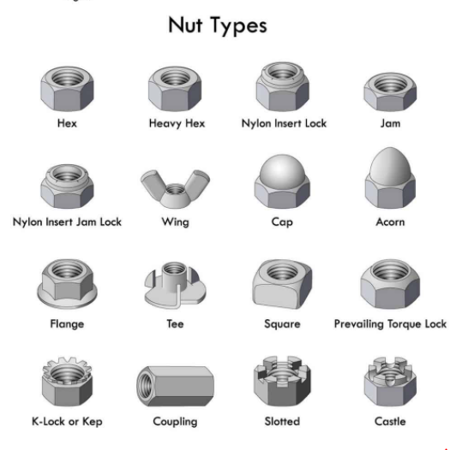
 |  |  |  |  | M 12 x 1.5 | 1.5
 |  |  |  |  | M 14 x 1.0 | 1
 |  |  |  |  | M 14 x 1.25 | 1.25
 |  |  |  |  | M 14 x 1.5 | 1.5
 |  |  |  |  | M 15 x 1 | 1
 |  |  |  |  | M 15 x 1.5 | 1.5
 |  |  |  |  | M 16 x 1 | 1
 |  |  |  |  | M 16 x 1.5 | 1.5
 |  |  |  |  | M 17 x 1.0 | 1
 |  |  |  |  | M 17 x 1.5 | 1.5
 |  |  |  |  | M 18 x 1.0 | 1
 |  |  |  |  | M 18 x 1.5 | 1.5
 |  |  |  |  | M 18 x 2.0 | 2
 |  |  |  |  | M 20 x 1.0 | 1
 |  |  |  |  | M 20 x 1.5 | 1.5
 |  |  |  |  | M 20 x 2.0 | 2
 |  |  |  |  | M 22 x 1.0 | 1
 |  |  |  |  | M 22 x 1.5 | 1.5
 |  |  |  |  | M 22 x 2.0 | 2
 |  |  |  |  | M 24 x 1.0 | 1
 |  |  |  |  | M 24 x 1.5 | 1.5
 |  |  |  |  | M 24 x 2.0 | 2
 |  |  |  |  | M 25 x 1.0 | 1
 |  |  |  |  | M 25 x 1.5 | 1.5
 |  |  |  |  | M 25 x 2.0 | 2
 |  |  |  |  | M 27 x 1.0 | 1
 |  |  |  |  | M 27 x 1.5 | 1.5
 | WASHER TYPE |  |  |  | M 27 x 2.0 | 2
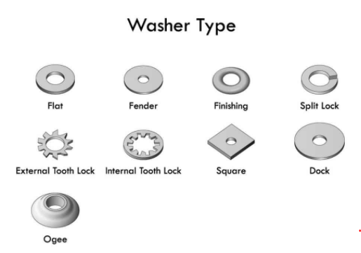
 |  |  |  |  | M 28 x 1.0 | 1
 |  |  |  |  | M 28 x 1.5 | 1.5
 |  |  |  |  | M 28 x 2.0 | 2
 |  |  |  |  | M 30 x 1.0 | 1
 |  |  |  |  | M 30 x 1.5 | 1.5
 |  |  |  |  | M 30 x 2.0 | 2
 |  |  |  |  | M 30 x 3.0 | 3
 |  |  |  |  | M 32 x 1.5 | 1.5
 |  |  |  |  | M 32 x 2.0 | 2
 |  |  |  |  | M 33 x 1.5 | 1.5
 |  |  |  |  | M 33 x 2.0 | 2
 |  |  |  |  | M 33 x 3.0 | 3
 |  |  |  |  | M 35 x 1.5 | 1.5
 |  |  |  |  | M 35 x 2.0 | 2
 |  |  |  |  | M 36 x 1.5 | 1.5
 |  |  |  |  | M 36 x 2.0 | 2
 |  |  |  |  | M 36 x 3.0 | 3
 |  |  |  |  | M 39 x 1.5 | 1.5
 |  |  |  |  | M 39 x 2.0 | 2
 |  |  |  |  | M 39 x 3.0 | 3
 | STANDOFF TYPES |  | COSIDER THE BLUE HEADINGS ONLY |  | M 40 x 1.5 | 1.5
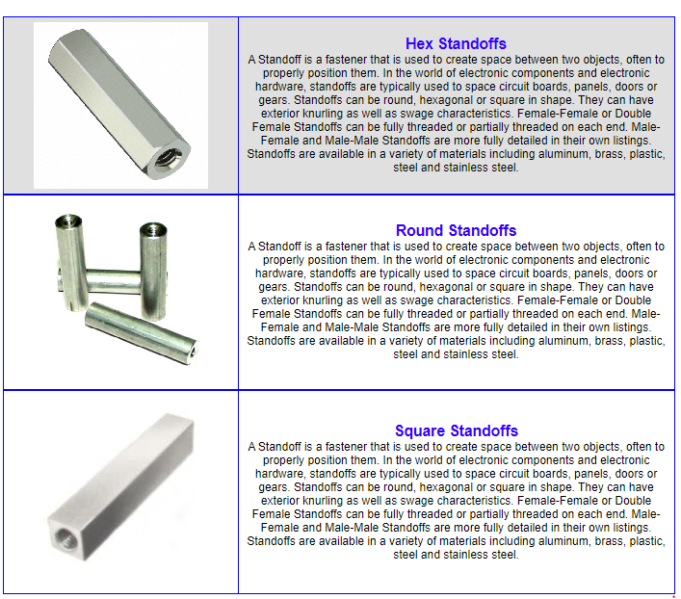
 |  |  |  |  | M 40 x 2.0 | 2
 |  |  |  |  | M 40 x 3.0 | 3
 |  |  |  |  | M 42 x 1.5 | 1.5
 |  |  |  |  | M 42 x 2.0 | 2
 |  |  |  |  | M 42 x 3.0 | 3
 |  |  |  |  | M 42 x 4.0 | 4
 |  |  |  |  | M 45 x 1.5 | 1.5
 |  |  |  |  | M 45 x 2.0 | 2
 |  |  |  |  | M 45 x 3.0 | 3
 |  |  |  |  | M 45 x 4.0 | 4
 |  |  |  |  | M 48 x 1.5 | 1.5
 |  |  |  |  | M 48 x 2.0 | 2
 |  |  |  |  | M 48 x 3.0 | 3
 |  |  |  |  | M 48 x 4.0 | 4
 |  |  |  |  | M 50 x 1.5 | 1.5
 |  |  |  |  | M 50 x 2.0 | 2
 |  |  |  |  | M 50 x 3.0 | 3
 |  |  |  |  | M 52 x 1.5 | 1.5
 |  |  |  |  | M 52 x 2.0 | 2
 |  |  |  |  | M 52 x 3.0 | 3
 |  |  |  |  | M 52 x 4.0 | 4
 |  |  |  |  | M 55 x 1.5 | 1.5
 |  |  |  |  | M 55 x 2.0 | 2
 |  |  |  |  | M 55 x 3.0 | 3
 |  |  |  |  | M 55 x 4.0 | 4
 |  |  |  |  | M 56 x 1.5 | 1.5
 |  |  |  |  | M 56 x 2.0 | 2
 |  |  |  |  | M 56 x 3.0 | 3
 |  |  |  |  | M 56 x 4.0 | 4
 |  |  |  |  | M 58 x 1.5 | 1.5
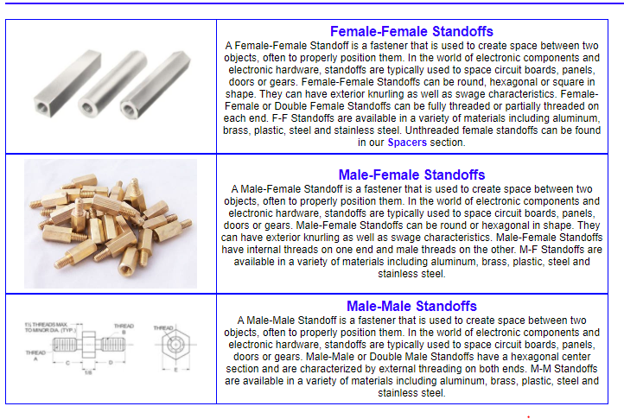
 | STANDOFF SUB TYPES |  | COSIDER THE BLUE HEADINGS ONLY |  | M 58 x 2.0 | 2
 |  |  |  |  | M 58 x 3.0 | 3
 |  |  |  |  | M 58 x 4.0 | 4
 |  |  |  |  | M 60 x 1.5 | 1.5
 |  |  |  |  | M 60 x 2.0 | 2
 |  |  |  |  | M 60 x 3.0 | 3
 |  |  |  |  | M 60 x 4.0 | 4
 |  |  |  |  | M 62 x 1.5 | 1.5
 |  |  |  |  | M 62 x 2.0 | 2
 |  |  |  |  | M 62 x 3.0 | 3
 |  |  |  |  | M 62 x 4.0 | 4
 |  |  |  |  | M 64 x 1.5 | 1.5
 |  |  |  |  | M 64 x 2.0 | 2
 |  |  |  |  | M 64 x 3.0 | 3
 |  |  |  |  | M 64 x 4.0 | 4
 |  |  |  |  | M 65 x 1.5 | 1.5
 |  |  |  |  | M 65 x 2.0 | 2
 |  |  |  |  | M 65 x 3.0 | 3
 |  |  |  |  | M 65 x 4.0 | 4
 |  |  |  |  | M 68 x 1.5 | 1.5
 |  |  |  |  | M 68 x 2.0 | 2
 |  |  |  |  | M 68 x 3.0 | 3
 |  |  |  |  | M 68 x 4.0 | 4
 |  |  |  |  | M 70 x 1.5 | 1.5
 |  |  |  |  | M 70 x 2.0 | 2
 |  |  |  |  | M 70 x 3.0 | 3
 | CIRCLIP TYPES |  |  |  | M 70 x 4.0 | 4
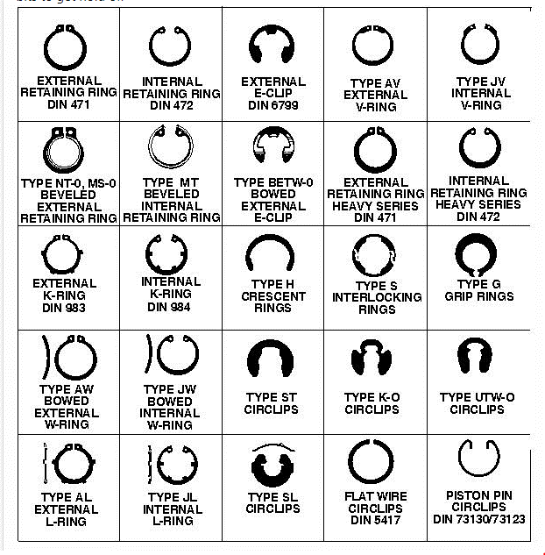
 |  |  |  |  | M 70 x 6.0 | 6
 |  |  |  |  | M 72 x 1.5 | 1.5
 |  |  |  |  | M 72 x 2.0 | 2
 |  |  |  |  | M 72 x 3.0 | 3
 |  |  |  |  | M 72 x 4.0 | 4
 |  |  |  |  | M 72 x 6.0 | 6
 |  |  |  |  | M 75 x 1.5 | 1.5
 |  |  |  |  | M 75 x 2.0 | 2
 |  |  |  |  | M 75 x 3.0 | 3
 |  |  |  |  | M 75 x 4.0 | 4
 |  |  |  |  | M 75 x 6.0 | 6
 |  |  |  |  | M 76 x 1.5 | 1.5
 |  |  |  |  | M 76 x 2.0 | 2
 |  |  |  |  | M 76 x 3.0 | 3
 |  |  |  |  | M 76 x 4.0 | 4
 |  |  |  |  | M 76 x 6.0 | 6
 |  |  |  |  | M 80 x 1.5 | 1.5
 |  |  |  |  | M 80 x 2.0 | 2
 |  |  |  |  | M 80 x 3.0 | 3
 |  |  |  |  | M 80 x 4.0 | 4
 |  |  |  |  | M 80 x 6.0 | 6
 |  |  |  |  | M 85 x 2.0 | 2
 |  |  |  |  | M 85 x 3.0 | 3
 |  |  |  |  | M 85 x 4.0 | 4
 |  |  |  |  | M 85 x 6.0 | 6
 |  |  |  |  | M 90 x 2.0 | 2
 |  |  |  |  | M 90 x 3.0 | 3
 |  |  |  |  | M 90 x 4.0 | 4
 |  |  |  |  | M 90 x 6.0 | 6
 |  |  |  |  | M 95 x 2.0 | 2
 |  |  |  |  | M 95 x 3.0 | 3
 |  |  |  |  | M 95 x 4.0 | 4
 |  |  |  |  | M 95 x 6.0 | 6
 |  | BUSH types |  |  | M 100 x 2.0 | 2
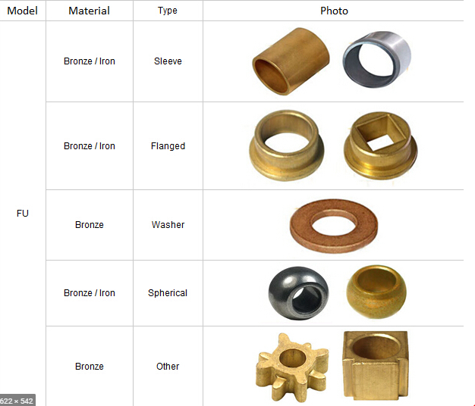
 |  |  |  |  | M 100 x 3.0 | 3
 |  |  |  |  | M 100 x 4.0 | 4
 |  |  |  |  | M 100 x 6.0 | 6
 |  |  |  |  | M 1.6 | 0.35
 |  |  |  |  | M 2 | 0.4
 |  |  |  |  | M 2.5 | 0.45
 |  |  |  |  | M 3 | 0.5
 |  |  |  |  | M 3.5 | 0.6
 |  |  |  |  | M 4 | 0.7
 |  |  |  |  | M 5 | 0.8
 |  |  |  |  | M 6 | 1
 |  |  |  |  | M 8 | 1.25
 |  |  |  |  | M 10 | 1.5
 |  |  |  |  | M 12 | 1.75
 |  |  |  |  | M 14 | 2
 |  |  |  |  | M 16 | 2
 |  |  |  |  | M 20 | 2.5
 |  |  |  |  | M 22 | 2.5
 |  |  |  |  | M 24 | 3
 |  |  |  |  | M 27 | 3
 |  |  |  |  | M 30 | 3.5
 |  |  |  |  | M 36 | 4
 |  |  |  |  | M 42 | 4.5
 |  |  |  |  | M 48 | 5
 |  |  |  |  | M 56 | 5.5
 |  |  |  |  | M 64 | 6
 |  |  |  |  | M 68 | 6
 |  |  | PINS TYPES
 | Pin Type |  | Image | Description
 | Dowel Pins | Drive pin | 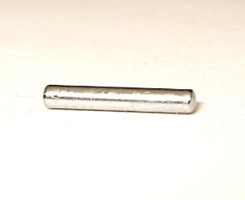 | Drive pins have an interference fit and must be driven into place. They are commonly used to assemble components in rotary or other moving applications.

 |  |  | Image credit: RCP Crawlers
 |  | Groove pin |  | Grooved pins are cylindrical pins with longitudinal grooves. They are used to join two components. Grooves provide greater surface area for adhesive, and offer improved holding power.
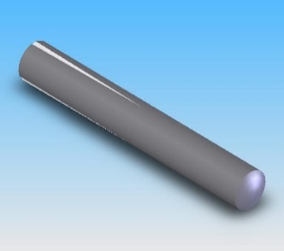

 |  |  | Image credit: Nordex Inc.
 |  | Knurled pin |  | Knurled pins are straight pins with a knurled surface. They provide a better grip than a smooth dowel pin.

 |  |  | Image credit: TRP Truck & Trailer Parts
 |  | Oversize dowel pin |  | Oversized dowel pins are manufactured slightly over the nominal size.
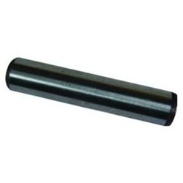

 |  |  | Image credit: Drillspot
 |  | Parallel pin |  | Parallel pins are cylindrical dowel pins that have the ends machined to two different tolerances.
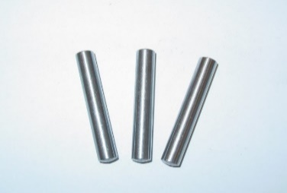

 |  |  | Image credit: Ekotherma
 |  | Pull dowel pin |  | Pull dowel pins have a threaded hole in one end so that a screw can be inserted to help remove the pin from a blind hole.
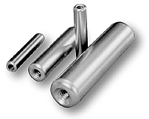

 |  |  | Image credit: ABC Fastener Group Inc.
 |  | Spiral groove pin |  | Spiral groove pins are cylindrical pins with longitudinal grooves. They are used to join two components. Grooves provide greater surface area for adhesive, and offer improved holding power.
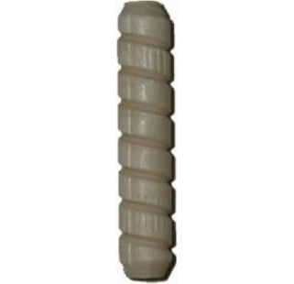

 |  |  | Image credit: C and H Hardware
 |  | Straight dowel pin |  | Straight dowel pins are cylindrical pins that join two pieces together to prevent motion or slippage.
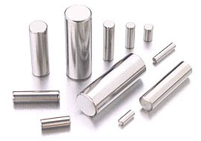

 |  |  | Image credit: Hartford Technologies
 |  | Stepped dowel pin |  | Stepped dowel pins have two different body diameters.
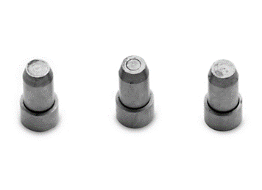

 |  |  | Image credit: AmericanMuscle.com
 |  | Taper pin (nonthreaded) |  | Nonthreaded taper pins are solid pins with a taper at a rate of 1/4" per foot from the larger end to the smaller end.
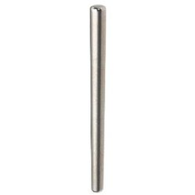

 |  |  | Image credit: Ravi Engineering Co.
 |  | Taper pin (threaded) |  | Threaded taper pins have the same dimensions as standard taper pins with the addition of a threaded section, usually at the smaller end. Threaded taper pins are used when removal may be required.
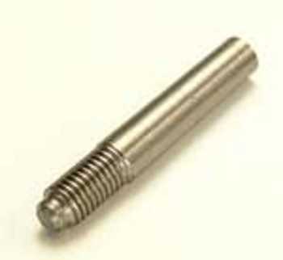

 |  |  | Image credit: Senior Graphics Limited
 |  | Undersize dowel pin |  | Undersized dowel pins are manufactured slightly under the nominal size.
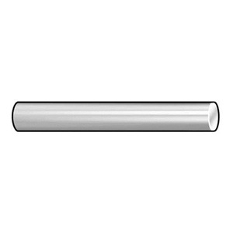

 |  |  | Image credit: Apex Fasteners
 | Spring Pins | Coiled spring pin |  | Coiled spring pins are made of steel or other metal. They are coiled into a hollow cylindrical shape.

 |  |  | Image credit: Apex Fasteners
 |  | Roll/slotted spring pin |  | Roll pins or slotted steel springs are made of rolled steel or other material and rolled into a cylindrical shape. These headless, hollow pins have a slot that runs longitudinally down the length of the pin.
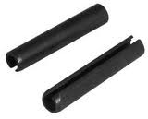

 |  |  | Image credit: Apex Fasteners
 | Cotter Pins and Wire Clips | Circle cotter pin |  | Circle cotters are manufactured from wire that is wound or turned-on from the middle out. The open end of the cotter is threaded into a hole in a pin, and then turned until it snaps into place. Circle cotters are very secure. They are used where sharp ends are not permitted, such as fabric applications.
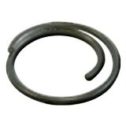

 |  |  | Image credit: Drillspot
 |  | Clinch pin |  | Clinch pins are a variation of cotter pins. They are manufactured with a hump on one end. Clinch pins are self-securing and do not require bending of the ends.
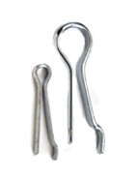

 |  |  | Image credit: Western Wire
 |  | Extended cotter pin or hammerlock cotter pin |  | Cotter pins are split pins that are opened outward after passing through a hole. The most common type is the extended cotter pin, which has one end that is slightly longer than the other. Often, cotter pins are used in conjunction with clevis pins. Cotter pins are also referred to as split pins.
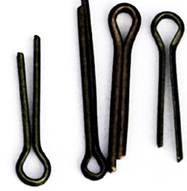

 |  |  | Image credit: Smew
 |  | Hairpin clip |  | Hairpin clips are reusable pins that are also referred to as external hitch pin clips. Hairpin clips have an asymmetrical bulb and wave on one half of the pin. The other half of the pin is straight. This type of pin assembles components between the cavity created by the waved and straightened ends, with the assembly held tight by the pin's elastic deformation. These are used to quickly assemble or disassemble components.

 |  |  | Image credit: F.C. Mason Co.
 |  | Hairpin cotter pin |  | Hairpin cotters are reusable pins that are sometimes called hitch pin clips or external hairpin clips. With hairpin cotters, one end of the pin is inserted in the hole of a hitch pin. A hump on the other side clips the pin externally.
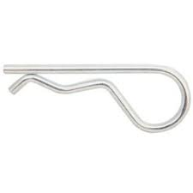

 |  |  | Image credit: Reilly Supply Co.
 |  | Ring cotter pin |  | Ring cotter pins are a hybrid between a twist pin and a circle cotter. One side of the wire clip is kept straight, while the other side is helixed over and under the straightened side, before terminating with a final bend across the straight side. This helix and twist method provides an automatic, secure lock when components are threaded appropriately.

 |  |  | Image credit: Wilson Mfg. Co.
 |  | Safety pin |  | Safety pins are wire-wound, and similar in construction to household fasteners by the same name.
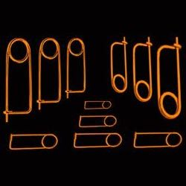

 |  |  | Image credit: Rainbow Spring Industries
 |  | Twist pin |  | Twist pins are twisted wire pin clips that can be used as replacements for standard hairpin cotters. Twist pins are self-locking, and easy to install and remove.
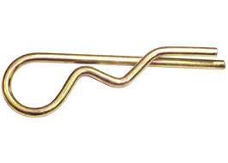

 |  |  | Image credit: Speeco
 | Hitch Pins and Linch Pins | Clevis pin |  | Clevis pins are used with cotter pins. They have a head on one end and a hole on the other. The hole is used to insert the cotter pin. Clevis pins are removable and used to secure two components together.
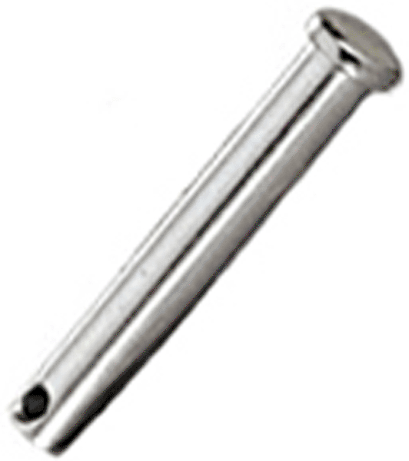

 |  |  | Images credits: U.S. Industrial Fasteners of Arizona
 |  | Clevis pin (adjustable) |  | Adjustable clevis pins are similar to standard clevis pins, but have several holes at different dimensions from the end in order to accommodate a range of fastening applications.

 |  |  | Images credits: Fastenal
 |  | Detent pin |  | Detent pins have a locking ball that holds the pin in place by spring force. The spring pushes the ball axially to the pin, allowing it to seat in a hole or detent.

 |  |  | Image credit: Primary Fasteners
 |  | Hitch pin |  | Hitch pins are used to temporarily couple or "hitch" two components. They are used with a cotter pin or integral safety pin. Usually, hitch pins are manufactured with a wire loop grip at one end for easy removal.
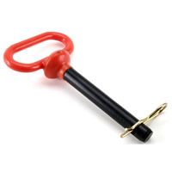

 |  |  | Image credit: Aubuchon Co. Inc.
 |  | Linch pin |  | Linch pins have a ring loop attached to the head. This loop snaps down hard to hold the fastener in place.
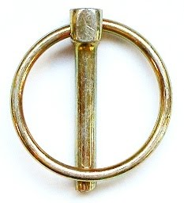

 |  |  | Image credit: Quoteflections
 |  | Toggle pin |  | Toggle pins are a type of locking hitch pin that does not require a cotter pin. Instead, they have a spring-loaded toggle on the end to keep the pin from sliding out.
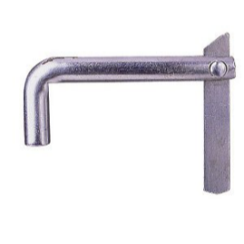

 |  |  | Image credit: Titan
 |  | Wire lock/snapper/safety spring pin |  | Wire locks, snappers, and safety spring pins are various types hitch pins. They contain an integral wire-locking device. These pins may also have a spring for positive-locking.
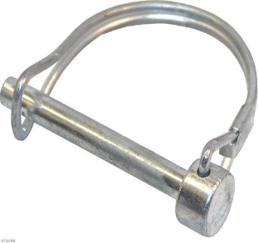

 |  |  | Image credit: Power Sports Network
 | Locating and Fixturing Pins | Bullet-nose dowel |  | Bullet-nose dowels are precision locating pins with a long tapered nose. They are often used with a mating bushing, or liner. Bullet-nose dowels are similar to bullet-nose pins, but have a smaller locating shoulder.
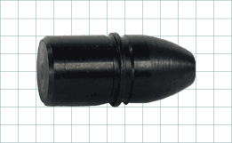

 |  |  | Image credit: Carr Lane
 |  | Bullet-nose pin |  | Bullet-nose pins are used to align two pieces of a fixture. They have a short, round, or diamond tip. Bullet-nose pins are used with a mating bushing or liner that provides a precision fit with the nose of the pin. Often, round and diamond bullet-nose pins are used together. In these cases, the round pin is the primary, 2-axis locator and the diamond pin is the secondary, 1-axis locator.

 |  |  | Image credit: Carr Lane
 |  | Clamping pin |  | Clamping pins are used to clamp materials of varying thicknesses. They are adjusted with a collar, or positioned with a bushing and brazing.
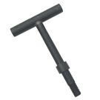

 |  |  | Image credit: Carr Lane
 |  | Cone locator pin |  | Cone locator pins are similar to round and diamond locating pins, but have cone-shaped tips. They are used with a mating bushing, or liner, for medium-accuracy location. Cone locator pins can compensate for a great deal of misalignment.
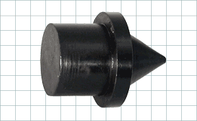

 |  |  | Image credit: Carr Lane
 |  | Diamond locating pin |  | Diamond locating pins have a 4-flat, diamond shaped tip. They are used to accurately locate a part, often in conjunction with a round pin. Diamond pins have either a small or large locating shoulder.
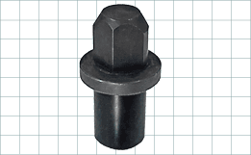

 |  |  | Image credit: Carr Lane
 |  | Drift pin |  | Drift pins are tapered pins. They are used to align holes in members that will be bolted together.
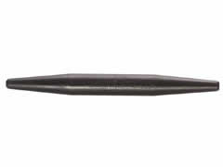

 |  |  | Image credit: Klein Tools
 |  | Floating locating pin |  | Floating locating pins are very similar in function to diamond pins. They are used to provide precise, 1-axis location while floating in the perpendicular axis. Typically, a floating locating pin is used in conjunction with a round pin to locate in two axes.
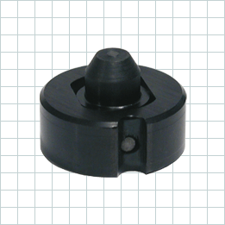

 |  |  | Image credit: Carr Lane
 |  | Indexing/pop pin |  | Indexing pins or pop pins are spring-loaded devices. They usually have a knob or handle for gripping, and for ease of installation and removal. Indexing pins may be threaded or nonthreaded.
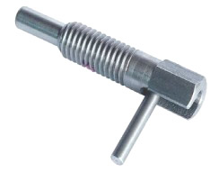

 |  |  | Image credit: Riteon Corp.
 |  | L-pin |  | L-pins are removable alignment or locating pins with an L-shaped handle at one end.
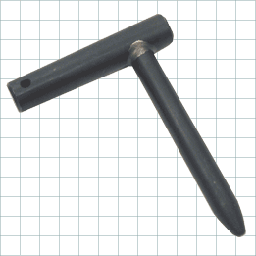

 |  |  | Image credit: Carr Lane
 |  | Quick-release pin |  | Quick-release (ball lock) pins use a spring-loaded steel ball to provide a positive lock. A button or other actuating device unlocks the balls for easy removal.
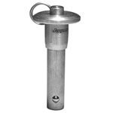

 |  |  | Image credit: Jergens Inc.
 |  | Round locating pin |  | Round locating pins have a round, tapered tip. They are used to accurately locate a part, often in conjunction with a diamond pin. Round pins have either a small or large locating shoulder.

 |  |  | Image credit: Carr Lane
 |  | T-pin |  | T-pins are removable alignment or locating pins with a T-shaped handle at one end.
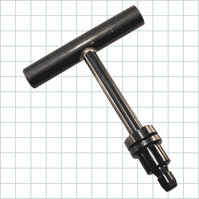

 |  |  | Image credit: Carr Lane
 | Specialty Pins | Ejector pin |  | Ejector pins are small pins that are used to push or eject a part or material.
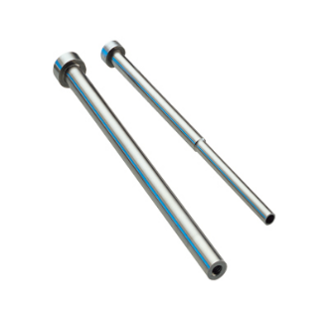

 |  |  | Image credit: DME

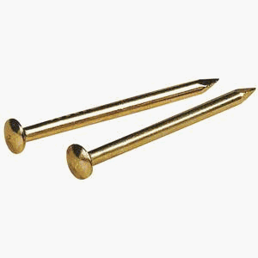
 |  | Escutcheon pin |  | Escutcheon pins are used for light fastening jobs such as attaching nameplates. Escutcheon pins have a semispherical head at one end and a long cone at the other and are usually hammered into place by hand.

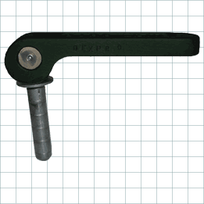
 |  |  | Image credit: Noah's Marine Supplies
 |  | Expanding diameter pin |  | Expanding diameter pins have a clearance fit in their relaxed state, and segments that spread when a cam is actuated to provide a snug fit. They can be easily installed and removed.

 |  |  | Image credit: Carr Lane
 |  | Pivot/hinge pin |  | Pivot pins are used to attach two pivoting or hinged components.

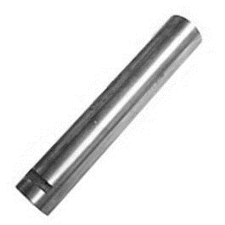

 |  |  | Image credit: Bimba
 |  | Shear pin |  | Shear pins are designed to break if the fastened members move, under stress, in opposite parallel directions to their mating surfaces.

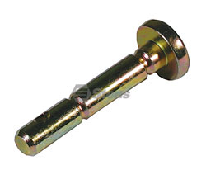

 |  |  | Image credit: Emhart Technologies
 |  | Weld pin |  | Weld pins are designed to be welded into place.


 |  |  | Image credit: Drillspot

Vendor Notification Template


VENDOR REGISTRATION
REPLACE WITH "VENDOR REGISTRATION"

LOGO

Hello "COMPANY NAME" Kindly click on the below IMAGE for registration form.

URL LINK FOR VENDOR REGISTRATION PAGE UNDER THIS IMAGE

REMOVE

VENDOR INACTIVE

REPLACE WITH VENDOR NOTIFICATION

LOGO

Hello "COMPANY NAME" You have been de-activated from the Vendor Database of Leader Range Technology. We thank you for your services!

REMOVE

VENDOR RE-ACTIVE

REPLACE WITH VENDOR NOTIFICATION

LOGO

Hello "COMPANY NAME" You have been re-activated to the Vendor Database of Leader Range Technology. Kindly await further updates.

REMOVE

Vendor Form fields

VENDOR REGISTRATION |  |  | VENDOR SEARCH



VENDOR SEARCH BY ITEM CODE TO BE ADDED!!

CITY

STATE

PIN CODE

 | Category_Name | COMMENT FOR DUPLEX
 | FINISHING / TREATMENT | IF THIS CATEGORY THEN MACHINE CAPABILTY IS A MANDATE FIELD
 | FABRICATION | IF THIS CATEGORY THEN MACHINE CAPABILTY IS A MANDATE FIELD
 | FASTENER
 | MATERIAL
 | MAINTENANCE
 | OTHERS
 | STANDARD PART ELECTRICAL
 | STATIONARY AND OFFICE EQUIPMENT
 | TOOLS AND HARDWARE(PMD AND SMD)
 | HARDWARE (ASSY)
 |  |  | STANDARD PART MECHANICAL

UPLOAD IMAGES OF WORK SAMPLES

 |  |  | VENDOR PORTAL ACTIVATION PAGE
 |  |  | *This list is pending-DUPLEX

SELECT ALL

PAYMENTS

KPI

QC REPORT

POs

BROWSE
UPLOAD
PR/PI

MACHINE CAPABILITY

MENTION THE MACHINE CAPABILITIES:

MACHINE NAME
MACHINE FUNCTION
MACHINE CAPABILITY & LIMITATIONS



DUPLEX: MAX MACHINE COUNT TO 10

ENGINEERING PORTAL
VERIFICATION CHECK LIST : *IS CNC program AS PER LATEST DRAWING
*IS THE DRAWING LATEST UPLOADED *ALL REQUIRED DOCUMENTS FOR PRODUCTION UPLOADED

PROJECT NUMBER | WPJ | 1234-1234
SEARCH OR EDIT
PART NUMBER | DRAWING NUMBER | UPLOAD DATE | DUE DATE | ELAPSED TIME | FINISHING TIME | DONE BY | PROGRAM LINK | VERIFIED BY | STATUS | PROCEED FOR PRODUCTION
123567 | 123567.DXF | 2020-10-27 | 2020-10-27 | TIMER | ON TIME | LRT PENANG | LINK | ENGINEER NAME
123568 | 123568.DXF | 2020-10-27 | 2020-10-28 | TIMER | DELAYED | EP-L1 PRADEEP | LINK | ENGINEER NAME
123569 |  | 2020-10-27 | 2020-10-29 | TIMER | DELAYED | LRT JOHOR | LINK | ENGINEER NAME
123570 |  | 2020-10-27 | 2020-10-30 | TIMER | DELAYED | LRT JOHOR | LINK | VERIFICATION PENDING
123571 |  | 2020-10-27 | 2020-10-31 | TIMER | DELAYED | LRT JOHOR | LINK | VERIFICATION PENDING
123572 |  | 2020-10-27 | 2020-10-27 | TIMER | DELAYED | LRT JOHOR | LINK | VERIFICATION PENDING
123573 |  | 2020-10-27 | 2020-10-28 | TIMER | ON TIME | EP-L1 PRADEEP | LINK | VERIFICATION PENDING
123574 |  | 2020-10-27 | 2020-10-29 | TIMER | ON TIME | EP-L2 RAVI | LINK | VERIFICATION PENDING
123575 |  | 2020-10-27 | 2020-10-30 | TIMER | ON TIME | EP-L1 PRADEEP | LINK | ENGINEER NAME
123576 |  | 2020-10-27 | 2020-10-31 | TIMER | ON TIME | EP-L1 PRADEEP | LINK | ENGINEER NAME
123577 |  | 2020-10-27 | 2020-11-01 | TIMER | ON TIME | EP-L1 PRADEEP | LINK | ENGINEER NAME
123578 |  | 2020-10-27 | 2020-11-02 | TIMER | ON TIME | EP-L1 PRADEEP | LINK | ENGINEER NAME
 |  |  |  |  |  |  |  | ENGINEER NAME
PROJECT NUMBER | WPJ | 1234-1234
NEW PROJECT
PART NUMBER | DRAWING NUMBER | UPLOAD DATE | DUE DATE | TO BE DONE BY
123567 | 123567.DXF | 2020-10-27 | 2020-10-27 | LRT PENANG | IN HOUSE
123568 | 123568.DXF | 2020-10-27 | 2020-10-28 | EP-L1 | EP-EXTERNAL PROGRAMMER
LEADER RANGE EXTERNAL PROGRAMMER PORTAL
123569 |  | 2020-10-27 | 2020-10-29 | EP-L2 |  |  |  |  | LEVEL OF EP
123570 |  | 2020-10-27 | 2020-10-30 | EP-L3 |  |  |  |  | L1 | SIMPLE DRAWINGS
123571 |  | 2020-10-27 | 2020-10-31 | EP-L4 |  |  |  |  | L2 | LITTLE COMPLEX
123572 |  | 2020-10-27 | 2020-10-27 | EP-L5 |  |  |  |  | L3 | COMPLEX DRAWINGS
123573 |  | 2020-10-27 | 2020-10-28 | EP-L1 |  |  |  |  | L4 | COMPLEX DRAWINGS
123574 |  | 2020-10-27 | 2020-10-29 | EP-L2 |  |  |  |  | L5 | VERY COMPLEX DRAWINGS
123575 |  | 2020-10-27 | 2020-10-30 | EP-L3
123576 |  | 2020-10-27 | 2020-10-31 | EP-L4
123577 |  | 2020-10-27 | 2020-11-01 | EP-L5
123578 |  | 2020-10-27 | 2020-11-02 | LRT JOHOR | IN LRT BRANCH

LEADER RANGE EXTERNAL PROGRAMMER PORTAL
PROJECT NUMBER | WPJ | 1234-1234
EDIT PROJECT -UPLOAD REVISED DOC
PART NUMBER | DRAWING NUMBER | UPLOAD DATE | DUE DATE | TO BE DONE BY
123567 | 123567.DXF | 2020-10-27 | 2020-10-27 | LRT PENANG | IN HOUSE
 | 123567.DXF-R1 | 2020-10-28 | 2020-10-28 | EP-L1
123568 | 123568.DXF | 2020-10-27 | 2020-10-28 | EP-L1 | EP-EXTERNAL PROGRAMMER
123569 |  | 2020-10-27 | 2020-10-29 | EP-L2
123570 |  | 2020-10-27 | 2020-10-30 | EP-L3
123571 |  | 2020-10-27 | 2020-10-31 | EP-L4
123572 |  | 2020-10-27 | 2020-10-27 | EP-L5
123573 |  | 2020-10-27 | 2020-10-28 | EP-L1
123574 |  | 2020-10-27 | 2020-10-29 | EP-L2
123575 |  | 2020-10-27 | 2020-10-30 | EP-L3
123576 |  | 2020-10-27 | 2020-10-31 | EP-L4
123577 |  | 2020-10-27 | 2020-11-01 | EP-L5
123578 |  | 2020-10-27 | 2020-11-02 | LRT JOHOR | IN LRT BRANCH

LEADER RANGE EXTERNAL PROGRAMMER PORTAL

REVISED PROGRAM RECIEVED WHICH IS UPLOADED AGAIN
 |  |  |  | NUMBER OF UPLOADS =NUMBER OF REVISIONS

PART NUMBER | DRAWING NUMBER | UPLOAD DATE | DUE DATE | TIME | FINISHING TIME | DONE BY | PROGRAM LINK | VERIFIED BY | EMERGENCY COMMENTS | STATUS
123567 | 123567.DXF | 2020-10-27 | 2020-10-27 | TIMER | ON TIME | EP-L1 PRADEEP | LINK | ENGINEER NAME
 | 123567.DXF-UR1 |  |  | TIMER | ON TIME | EP-L1 PRADEEP | LINK-R1 | ENGINEER NAME
123568 | 123568.DXF | 2020-10-27 | 2020-10-28 | TIMER | DELAYED | EP-L1 PRADEEP | LINK | ENGINEER NAME
123569 |  | 2020-10-27 | 2020-10-29 | TIMER | DELAYED | LRT JOHOR | LINK | ENGINEER NAME
123570 |  | 2020-10-27 | 2020-10-30 | TIMER | DELAYED | LRT JOHOR | LINK | VERIFICATION PENDING
123571 |  | 2020-10-27 | 2020-10-31 | TIMER | DELAYED | LRT JOHOR | LINK | VERIFICATION PENDING
123572 |  | 2020-10-27 | 2020-10-27 | TIMER | DELAYED | LRT JOHOR | LINK | VERIFICATION PENDING
123573 |  | 2020-10-27 | 2020-10-28 | TIMER | ON TIME | EP-L1 PRADEEP | LINK | VERIFICATION PENDING
123574 |  | 2020-10-27 | 2020-10-29 | TIMER | ON TIME | EP-L2 RAVI | LINK | VERIFICATION PENDING
123575 |  | 2020-10-27 | 2020-10-30 | TIMER | ON TIME | EP-L1 PRADEEP | LINK | ENGINEER NAME
123576 |  | 2020-10-27 | 2020-10-31 | TIMER | ON TIME | EP-L1 PRADEEP | LINK | ENGINEER NAME
123577 |  | 2020-10-27 | 2020-11-01 | TIMER | ON TIME | EP-L1 PRADEEP | LINK | ENGINEER NAME
123578 |  | 2020-10-27 | 2020-11-02 | TIMER | ON TIME | EP-L1 PRADEEP | LINK | ENGINEER NAME

Auto Audit after 1 year

123567 | 123567.DXF
 | 123567.DXF-R1

123567 | 123567.DXF-R1

ITEM MASTER REVIEW
Item Master Review

 | 1. Item Master to be in a tile as below example
ITEM NAME AND DESCRIPTION IS SAME-REMOVE ITEM NAME
 | 2. Changes in Form
UOM group will be automatically selected based on UOM. List will be provided by LRT

 |  | 2. Form changes


REMOVE, IT IS REPEATED

MOVE IT UP

manufacturer-change the spelling

 |  |  |  |  | ADD CURRENCY AFTER ITEM PRICE

THIS IS ALREADY GIVEN EXTERNALLY ,WHY REPEATED AGAIN IN THE FORM FIELD ?





 |  | 3 | CHANGE TO QR CODE

CHANGE TO QR CODE

 |  | 4 | APPROVAL HAS TO BE SENT ONLY FOR EDITING THE ITEM CODE

 |  | 5 | ADD GENERIC SEARCH OPTION HERE


SEARCH

 |  | 6 | WHEN A DUPLICACY IS DETECTED SYSTEM NEEDS TO GIVE THE REFERENCE MATERIAL AGAINST WHICH THE DUPLICATION HAS BEEN DETECTED, AND ITEM CODE CAN BE COPIED FOR USAGE
 |  | 7 | AFTER ITEM CODE IS GENERATED A SUCCESS MESSAGE NEEDS TO BE GENERATED WITH COPYABLE ITEM CODE TO BE USED IN BOM.

 |  | 8 | When I click here the pending approval list should come

 |  | 9 | I cannot see the edit item approval page? How is the approval seen separately to manager?
 |  | 10 | Please add for edit what change was made from previous to new in item code so approver can see the change and accordingly approve it

 |  | 11 | XML format requires below data from item code.



description

Manufacturing part number

 |  | 12 | Add all technical details in part




 |  | 13 | Copy Generated Item code not the Manufacture Part number.. Please change it

 |  | 14 | In search when I click a part it should show as below



 |  |  |  | after click

