Sheet1
Project Name - Leader Range Technology
Project Release Version -
Features - Vendor Category , Vendor Request Detail
Vendor Invitation , Permission Master , Vendor
Search
Sub Features -
Category -

TCID | OBJECTIVE | STEPS | TEST DATA | EXPECTED RESULT | ACTUAL RESULT | IMAGES | OPERATING SYSTEM | BROWSER | STATUS | EXECUTION DATE | EXECUTED BY

TC_O1 | Verify the valid user should get logged in inside the Leader Range | 1. Open Browser . | https://testing2.leaderrange.co/Vendor/VendorSearch | After Entering the valid user ID and valid password the user should get | After Entering the valid user ID and valid password the user get |  | Window 10 | Chrome |  | 2021-03-18 | Manish
 | Technology Web application . | 2. Enter URL and Press Enter Key . | USER ID - admin@gmail.com | Logged in Successfully inside the application and it should redirect to | logged in successfully inside the web application and it get redirect
 |  | 3. Enter valid Email ID Inside the email text Box . | PASSWORD - admin | the web Page . | to the web page .
 |  | 4. Enter the valid Password inside the password text Box .
 |  | 5. Click on Log IN Button .

TC_02 | Verify the invalid user should get logged in inside the Leader | 1. Open Browser . | https://testing2.leaderrange.co/Vendor/VendorSearch | After Entering the invalid user ID and invalid Password the user should | After Entering the invalid user Id and Invalid Password the User is |  | Window 10 | Chrome |  | 2021-03-18 | Manish
 | Range Technology web Application . | 2. Enter URL and Press Enter Key . | USER ID - adbin@gmail.com | not get logged in successfully inside the web application and it should | not Logged in successfully inside the web application and it display
 |  | 3. Enter Invalid Email ID Inside the email text Box . | PASSWORD - admeo | display on Error Message "Email Id or Password is wrong" | on Error message "Email Id or Password is wrong"
 |  | 4. Enter the Invalid Password inside the password text Box .
 |  | 5. Click on Log IN Button

TC_03 | Verify the mandatory validation for the email id text field inside | 1. Open Browser .
 | the Leader Range Technology Web application . | 2. Enter URL and Press Enter Key . | https://testing2.leaderrange.co/Vendor/VendorSearch | Without filling email Id Inside the email id text box , if be click on the | Without filling email Id inside the email id text ,if be click on the |  | Window 10 | Chrome |  | 2021-03-18 | Manish
 |  | 3. Without Filling any Email Id , click on the next Button . | USER ID - | next button then it should show the mandatory validation error message | login button then it is mandatory validation message
 |  |  | PASSWORD - | "Please Enter Email" . | "Please enter Email"

TC_04 | Verify the valid user should get click on profile link in inside the | 1. Open Browser . | https://testing2.leaderrange.co/Vendor/VendorSearch | After entering the valid user click on profile link the link should get open | After entering the valid user click on profile link then not open in |  | Window 10 | Chrome |  | 2021-03-18 | Manish
 | Leader Range Technology web application . | 2. Enter URL and Press Enter Key . | USER ID - admin@gmail.com | in successfully inside the web application and it should redirect to the | link and show Error message in web application.
 |  | 3. Enter valid Email ID Inside the email text Box. | PASSWORD- admin | web page . | "404-file or directory not found".
 |  | 4. Enter the valid Password inside the password text Box .
 |  | 5. Click on Log IN Button .
 |  | 6. Click on Profile Link .

TC_05 | Verify the logout Button when click on logout button in inside | 1. Open Browser . | https://testing2.leaderrange.co/Vendor/VendorSearch | After click on logout button then should show pop-up yes/No button . | After click on logout button then not show pop-up Yes/No button . |  | Window 10 | Chrome |  | 2021-03-18 | Manish
 | the Leader Range Technology web application . | 2. Enter URL and Press Enter Key . | USER ID - admin@gmail.com
 |  | 3. Enter valid Email ID Inside the email text Box. | PASSWORD- admin
 |  | 4. Enter the valid Password inside the password text Box .
 |  | 5. Click on Log IN Button .
 |  | 6. Click on Logout Button .

TC_06 | Verify in Entries Keyword in inside The Leader Range Technology | 1. Open Browser . | https://testing2.leaderrange.co/Vendor/VendorSearch | Should have capital E in entries word . | Met small e "entries" . |  | Window 10 | Chrome |  | 2021-03-18 | Manish
 | Web Application . | 2. Enter URL and Press Enter Key . | USER ID - admin@gmail.com
 |  | 3. Enter valid Email ID Inside the email text Box. | PASSWORD- admin
 |  | 4. Enter the valid Password inside the password text Box .
 |  | 5. Click on Log IN Button .
 |  | 6. Check on Entries Keyword .

TC_07 | Verify in Search Box in inside the Leader Range Technology | 1. Open Browser . | https://testing2.leaderrange.co/Vendor/VendorSearch | Search box Should have proper Work and same image . | Search Box proper work but Diffrent image . |  | Window 10 | Chrome |  | 2021-03-18 | Manish
 | Web Application . | 2. Enter URL and Press Enter Key . | USER ID - admin@gmail.com
 |  | 3. Enter valid Email ID Inside the email text Box. | PASSWORD- admin
 |  | 4. Enter the valid Password inside the password text Box .
 |  | 5. Click on Log IN Button .
 |  | 6. Check in Search Box Working .

TC_08 | Verify Pop-up Message in inside the Leadre Range Technology | 1. Open Browser . | https://testing2.leaderrange.co/Vendor/VendorSearch | Message pop-up should have same image . | Message pop-up are different images . | 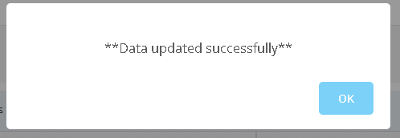 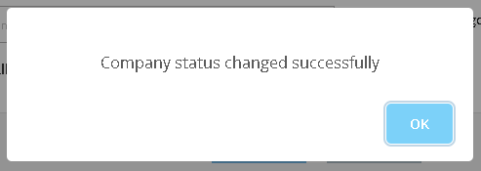 | Window 10 | Chrome |  | 2021-03-18 | Manish
 | web application . | 2. Enter URL and Press Enter Key . | USER ID - admin@gmail.com
 |  | 3. Enter valid Email ID Inside the email text Box. | PASSWORD- admin
 |  | 4. Enter the valid Password inside the password text Box .
 |  | 5. Click on Log IN Button .
 |  | 6. Click on Permission Master Link .
 |  | 7. Click on Edit Button .
 |  | 8. Click on Submitt Button .
 |  | 9. Click on Vendor Search .
 |  | 10. click on Action mid button .

TC_09 | Verify Vendor Invitation Link in inside the Leader Range Technolo | 1. Open Browser . | https://testing2.leaderrange.co/Vendor/VendorSearch | Email ID and Text Box Alignment and view should have Proper . | Space in Between I and D . |  | Window 10 | Chrome |  | 2021-03-19 | Manish
 | gy web application . | 2. Enter URL and Press Enter Key . | USER ID - admin@gmail.com
 |  | 3. Enter valid Email ID Inside the email text Box . | PASSWORD- admin
 |  | 4. Enter the valid Password inside the password text Box .
 |  | 5. Click on Log IN Button .
 |  | 6. Click on Vender Invitation Link .

TC_10 | Verify Vendor Request Detail Link in inside the Leader Range | 1. Open Browser . | https://testing2.leaderrange.co/Vendor/VendorSearch | Click on Vendor Request Detail Again click Action middle button then | Click on vendor request detail again click action middle button then | 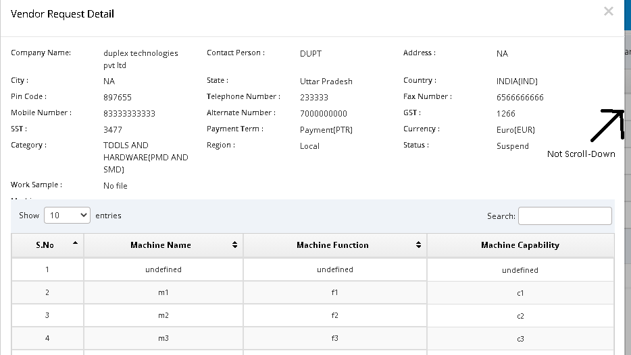 | Window 10 | Chrome |  | 2021-03-19 | Manish
 | Technology Web Application . | 2. Enter URL and Press Enter Key . | USER ID - admin@gmail.com | open vendor request detail this page should have Scroll Down . | open vendor request detail this page not scroll-Down .
 |  | 3. Enter valid Email ID Inside the email text Box . | PASSWORD- admin
 |  | 4. Enter the valid Password inside the password text Box .
 |  | 5. Click on Log IN Button .
 |  | 6. Click on Vendor Request Detail .
 |  | 7. Click on Action Button .

TC_11 | Verify Spelling in vender master in inside the Leader Range | 1. Open Browser . | https://testing2.leaderrange.co/Vendor/VendorSearch | Check Spelling in vendor Master Features Should have Correct Spelling. | Got wrong spelling in Vendor . | 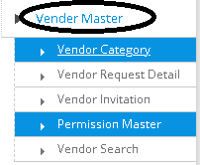 | Window 10 | Chrome |  | 2021-03-19 | Manish
 | Technology Web application . | 2. Enter URL and Press Enter Key . | USER ID - admin@gmail.com
 |  | 3. Enter valid Email ID Inside the email text Box . | PASSWORD- admin
 |  | 4. Enter the valid Password inside the password text Box .
 |  | 5. Click on Log IN Button .

