CateAnalysis
Unique Category
 | Total
animals | 74965
cooking | 64756
culture | 66579
dogs | 52511
education | 57436
fitness | 55323
food | 66676
healthy eating | 69339
public speaking | 49264
science | 71168
soccer | 57783
studying | 54269
technology | 68738
tennis | 50339
travel | 64880
veganism | 49619
Row Labels | Sum of Score
animals | 74965
cooking | 64756
culture | 66579
dogs | 52511
education | 57436
fitness | 55323
food | 66676
healthy eating | 69339
public speaking | 49264
science | 71168
soccer | 57783
studying | 54269
technology | 68738
tennis | 50339
travel | 64880
veganism | 49619
Grand Total | 973645

monthwise
Monthwise Content
 | Total
Jan | 2126
Feb | 1914
Mar | 2012
Apr | 1974
May | 2138
Jun | 2021
Jul | 2070
Aug | 2114
Sep | 2022
Oct | 2056
Nov | 2034
Dec | 2092
Row Labels | Count of Content ID
Jan | 2126
Feb | 1914
Mar | 2012
Apr | 1974
May | 2138
Jun | 2021
Jul | 2070
Aug | 2114
Sep | 2022
Oct | 2056
Nov | 2034
Dec | 2092
Grand Total | 24573

ReactionbyCate
Reactions of Category
 | Total
animals | 1897
food | 1699
healthy eating | 1717
science | 1796
technology | 1698
Row Labels | Count of Reaction Type
animals | 1897
food | 1699
healthy eating | 1717
science | 1796
technology | 1698
Grand Total | 8807

Top5cate
Top 5 Category
 | Total
animals | 74965
food | 66676
healthy eating | 69339
science | 71168
technology | 68738
Score | (All)

Row Labels | Sum of Score
animals | 74965
science | 71168
healthy eating | 69339
Top 5 Category
technology | 68738
food | 66676
Grand Total | 350886

Dashboard
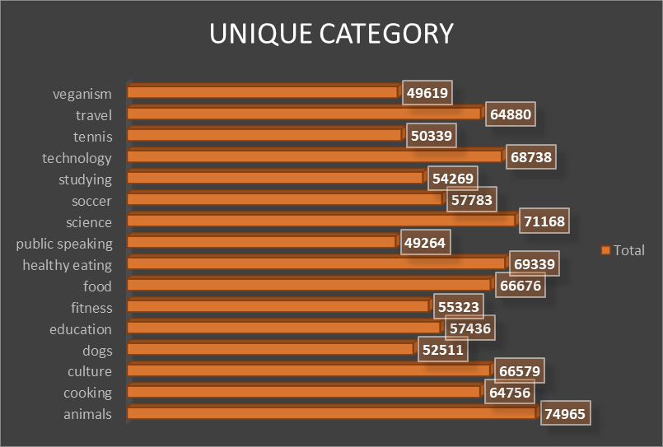
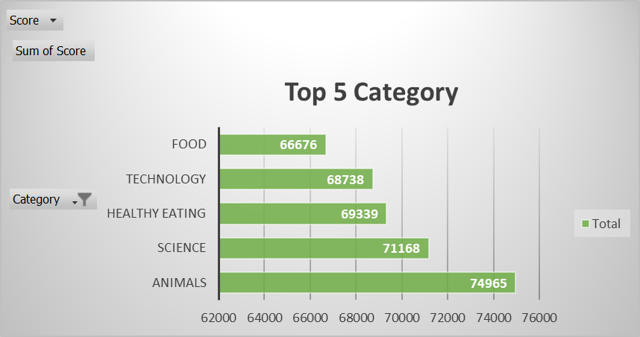
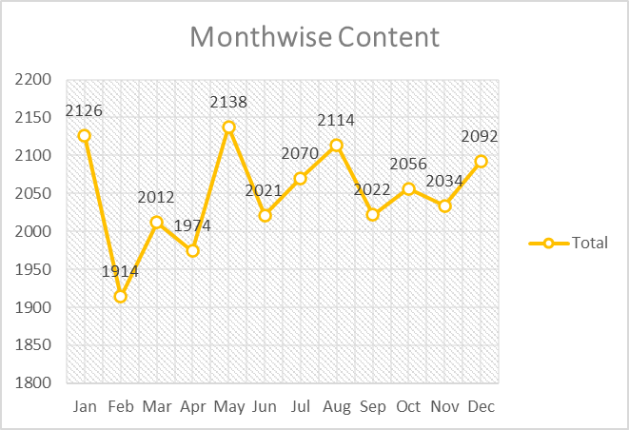
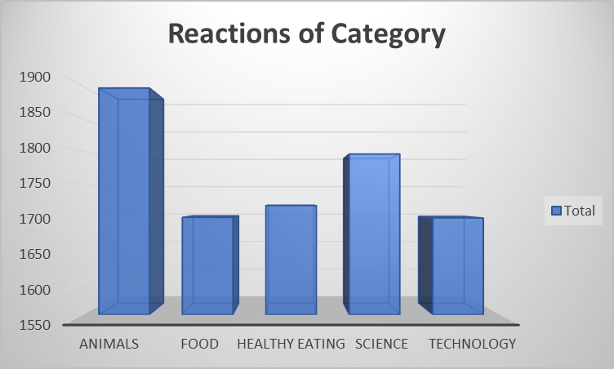
Social Media Content Analysis

