wire
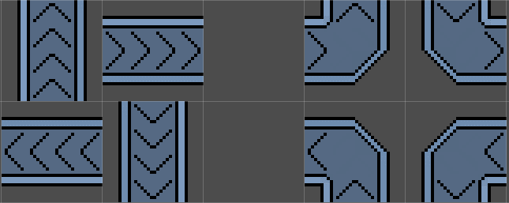

rotation -270 90 | rotation 0 360 | right = 0 down = 0 left = 1 up = 1 | right = 1 down = 0 left = 0 up = 1
rotation -180 180 | rotation -90 270 | right = 0 down = 1 left = 1 up = 0 | right = 1 down = 1 left = 0 up = 0

