wire
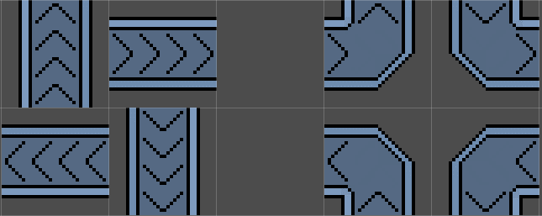

rotation -270 / 90 right = 0 down = 1 left = 0 up = 1 | rotation 0 / 360 right = 1 down = 0 left = 1 up = 0 | right = 0 down = 0 left = 1 up = 1 | right = 1 down = 0 left = 0 up = 1
rotation -180 / 180 right = 1 down = 0 left = 1 up = 0 | rotation -90 / 270 right = 0 down = 1 left = 0 up =1 | right = 0 down = 1 left = 1 up = 0 | right = 1 down = 1 left = 0 up = 0

