Sheet1
APSC 180 | Contents: |  |  |  |  | Configuration:
 | Unit Vector | Cosine Law |  |  |  | Number of digits to round to: | 4 | ← Input
CALCULATOR | Cross Product | Add Vectors
 | Dot Product | Sub Vectors |  |  |  | Author Notes:
Made by Michael Bell | Scalar to Vector | 2 Var. Simult. Equ. |  |  |  | Study Group Discord:
mbell2909@gmail.com |  |  |  |  |  | https://discord.gg/xmqkupp
V0.9.3 29OCT2020
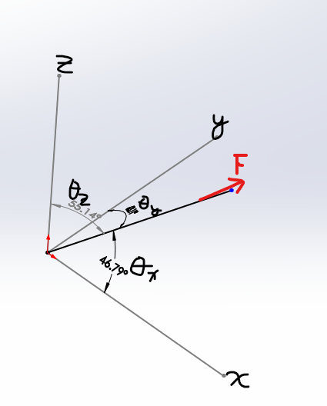
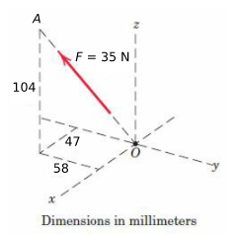
 |  |  | Unit Vector (nR)

 |  |  | i | j | k
 |  | Vector Rn |  |  |  | ← Inputs

 |  | Unit Vector nR | #DIV/0! | #DIV/0! | #DIV/0! | →Outputs

 |  | Scalar * nR | *Uses above unit vector in equation below*
 |  | Scalar = |  | ← Inputs
 |  | New Vector = | #DIV/0! | #DIV/0! | #DIV/0! | →Outputs

 |  | Θ From Axis * | Θ from scalar to an axis:
 |  |  | #DIV/0! | #DIV/0! | #DIV/0! | →Outputs | ↑ * Example of what Θ From Axis is like ↑

 |  |  | Cross Product

 |  |  | i | j | k
 |  | Vector 1 rn |  |  |  | ← Inputs
 |  | Vector 2 Rn |  |  |  | ← Inputs

 |  | *Components = | i(0)- j(0)+ k(0) |  |  | →Outputs | *REMEMBER Cross product components alternate +i -j +k
 |  | Sum Σ = | 0 | →Output
 |  | Magnitude = | 0 | →Output

 |  |  |  |  |  |  | Goto Top

 |  |  | Dot Product F ∙ n (Both Vectors)

 |  |  | i | j | k
 |  | Vector 1 n |  |  |  | ← Inputs
 |  | Vector 2 F |  |  |  | ← Inputs

 |  | Product = | 0 | →Output

 |  |  |  |  |  |  | Goto Top

 |  |  | Scalar to Vector (|F| ∙ n)

 |  |  | i | j | k
 |  | Vector n |  |  |  | ← Inputs

 |  | Scalar |F| |  | ← Input

 |  | New Vector = | i(0) + j(0) + k(0) |  |  | →Outputs

 |  |  |  |  |  |  | Goto Top
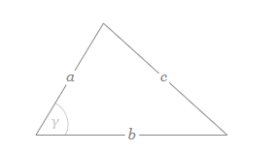
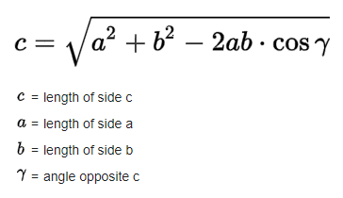
 |  |  | Cosine Law

 |  |  | a | b | γ (Degrees)
 |  | Sides & Angle |  |  |  | ← Inputs

 |  | c = | 0 | →Output

 |  |  | **Make sure a+b > c
 |  |  | a | b | c
 |  | Sides |  |  |  | ← Inputs

 |  | γ (Degrees) = | #DIV/0! | →Output

 |  |  |  |  |  |  | Goto Top

 |  |  | Add/Subtract Vector 1 to Vector 2

 |  |  | Add +
 |  |  | i | j | k
 |  | Vector 1 |  |  |  | ← Inputs
 |  | Vector 2 |  |  |  | ← Inputs

 |  | New Vector = | i(0) | j(0) | k(0) | →Outputs

 |  |  | Subtract -
 |  |  | i | j | k
 |  | Vector 1 |  |  |  | ← Inputs
 |  | Vector 2 |  |  |  | ← Inputs

 |  | New Vector = | i(0) | j(0) | k(0) | →Outputs

 |  |  |  |  |  |  | Goto Top

 |  |  | 2 Variable Simultanious Equation Solver

 |  |  | Matrix A |  | Matrix B
 |  |  | (val)x | (val)y | = Val
 |  | equ 1 |  |  |  | ← Inputs
 |  | equ 2 |  |  |  | ← Inputs

 |  | Matrix A^-1 | #VALUE! | #VALUE!
 |  |  | #VALUE! | #VALUE!

 |  | x = | #VALUE! | →Output
 |  | y = | #VALUE! | →Output

 |  |  |  |  |  |  | Goto Top

