Index
INDEX | Technology Data for Energy Carrier Generation and Conversion June 2017
81 Biogas Plant, Basic conf. | All cost data is in | 2020 | EURO
81 Biogas Plant, Add. Straw | Version 0014
81 Biogas Plant, Add. Org Waste
82 Biogas, upgrading | License:
83 Gasif. Fixed Bed, Producer | This work is licensed under Attribution 4.0 International
84 Gasif. CFB, Bio-SNG
85 Gasif. Ent. Flow FT, liq fu
86 AEC 1MW
86 AEC 100MW
86 PEMEC 1MW
86 PEMEC 100MW
The data sheets are continuously updated as technologies evolve, if the data changes significantly or if errors are found. The date for the latest update is listed in the index below and also indicated in the specific datasheets.
INDEX:
85 Gasification of biomass for bio diesel has been overwritten with data from previous chapter 96. Chapter 96 has been removed. (update Feb 2019)
101 Catalytic hydropyrolysis configuration 1 - financial data added. (update Feb 2019)
89-100 datasheets have been revised (update Dec 2018)
101 Catalytic hydropyrolysis in two configurations (added Dec 2018)
83-88 Gasification and electrolysis (added Dec 2018)
102 Power to Jet (added May 2020) - minor adjustment (july 2020)
103 Hydrogen to Ammonia (added February 2021 - adjusted April 2021)
86-88 have been replaced with chapter 86 on electrolysis (added April 2021)
104 Methane pyrolysis (added April 2021)
105 Slow pyrolysis (added April 2021)
98 Methanol from power has been replaced with chapter 98 Methanol from hydrogen and carbon dioxide (added March 2023)
81-82 Biogas and biogas upgrading has been updated (update Apr 2023)
update to 2020 prices (August 2023)
98 Methanol from power datasheet has been updated, 86 Electrolysis new datasheets 106 Biomethanation of biogas added (January 2024)
86 Hydrogen for electrolysis has been updated (January 2024)
86 SOEC 1MW
89 Vegetable oil FAME
90 UCO & animal fat FAME
91 Hydrogenated veg oil
92 HVO jet fuel
93 1st generation ethanol
94 Pyrolysis oils
95 Cellulosic ethanol
97 Methanol from biomass gasif.
98 Methanol from hydrogen and carbon dioxide
99 SNG from methan. of biogas
100 Hydrothermal liquifaction
101 Catalytic Hydropyrolysis 2
101 Catalytic Hydropyrolysis 1
102 Hydrogen to Jet
102 Power to Jet
103 Hydrogen to Ammonia
104 Methane pyrolysis, MBR
104 Methane pyrolysis, Plasma
105 Slow pyrolysis, Straw
105 Slow pyrolysis, Digestate
106 Biomethanation of biogas

86 SOEC 1 MW
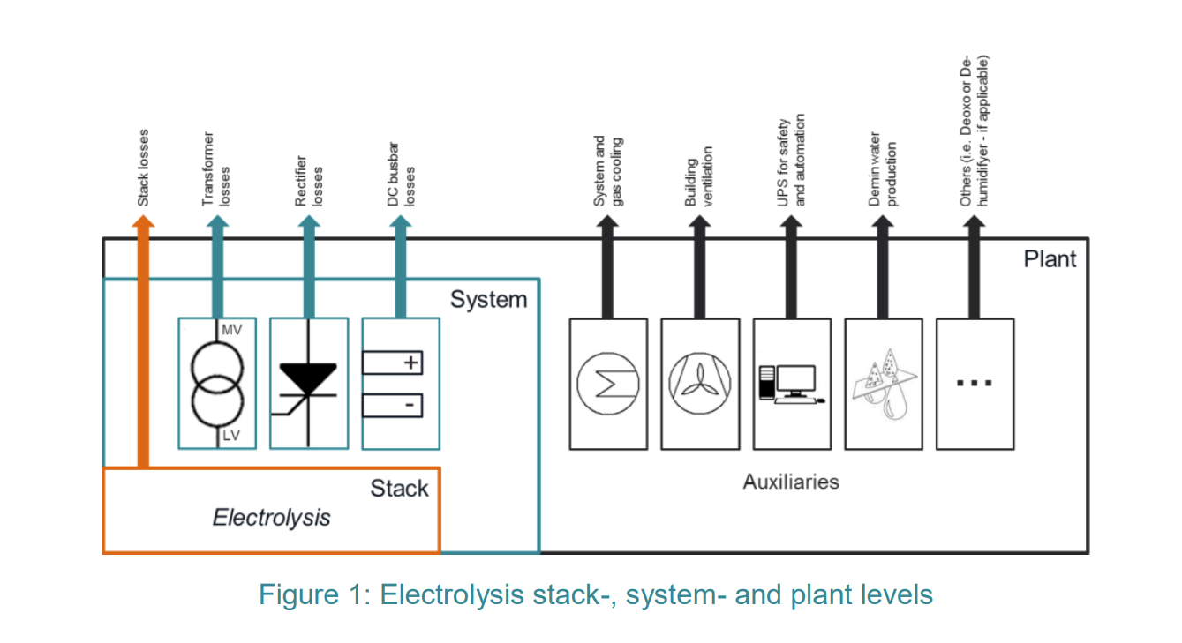
Technology |  | Hydrogen production via solid oxide electrolysis (SOEC) for 1 MW plant
year |  | 2020 | 2025 | 2030 | 2040 | 2050 | 2020 | 2020 | 2050 | 2050 | Note | Ref. In doc | Ref
est |  | ctrl | ctrl | ctrl | ctrl | ctrl | Lower | Upper | Lower | Upper
cat | par
Energy/technical data
 | Typical total plant size [MW input] | 1 | 1 | 1 | 1 | 1 | 1 | 1 | 1 | 1
 | Typical total plant size [kgH2 / day of max output] | 594 | 609 | 631 | 641 | 661 | 648 | 548 | 712 | 618 | A, B
 | Input
 | Electricity (% total input [MWh / MWh]) | 79.5 | 79.5 | 80.5 | 81.4 | 81.4 | 79.0 | 82.0 | 81.0 | 83.0 | K
 | Electricity consumption [stack level, KWh/kgH2] | 40.4 | 39.4 | 38.0 | 37.4 | 36.3 | 37.0 | 43.8 | 33.7 | 38.9 | C, D | [4], [5], [6], [7], [39] | [1], [2], [3], [4], [5]
 | Electricity consumption [stack+BOP level, KWh/kgH2] | 44.5 | 43.4 | 41.9 | 41.2 | 40.0 | 40.8 | 48.2 | 37.1 | 42.8 | E | [4], [5], [6], [7], [39] | [1], [2], [3], [4], [5]
 | Heat (% total input [MWh / MWh]) | 20.5 | 20.5 | 19.5 | 18.6 | 18.6 | 21.0 | 18.0 | 19.0 | 17.0
 | Ultrapure Water for electrolysis [kg / MWh input] | 223 | 228 | 237 | 240 | 248 | 243 | 206 | 267 | 232
 | Output
 | Hydrogen Output (% total input [MWh / MWh]) | 66.0 | 67.4 | 69.6 | 70.5 | 72.5 | 71.2 | 61.5 | 77.2 | 68.3 | F
 | ΔE from HHV to LHV (% total input [MWh / MWh]) | 15.1 | 15.5 | 16.0 | 16.3 | 16.8 | 16.5 | 13.9 | 18.1 | 15.7 | G, H
 | Heat loss (% total input [MWh / MWh]) | 18.9 | 17.1 | 14.4 | 13.2 | 10.7 | 12.3 | 24.6 | 4.7 | 16.0
 | Hydrogen [kg / MWh input] | 24.7 | 25.4 | 26.3 | 26.7 | 27.6 | 27.0 | 22.8 | 29.7 | 25.7
 | Forced outage [%] | 3.0 | 3.0 | 3.0 | 3.0 | 3.0 | 3.0 | 3.0 | 3.0 | 3.0 | K
 | Planned outage [days per year] | 11 | 11 | 11 | 11 | 11 | 11 | 11 | 11 | 11 | K
 | Technical lifetime [years] | 25 | 25 | 25 | 25 | 25 | 20 | 30 | 20 | 30 | K
 | Frequency of stack replacement [h] | 21,250 | 34,500 | 50,000 | 64,500 | 82,500 | 19,000 | 23,500 | 79,000 | 86,000 | C, D, L | [5], [6], [7], [39] | [2], [3], [4], [5]
 | Construction time [months] | 1.0 | 1.0 | 1.0 | 1.0 | 1.0 | 0.8 | 1.0 | 0.8 | 1.0 | M
Financial data (2020 price level)
 | Specific investment [€ / kW of total input] | 4,000 | 2,875 | 1,725 | 1,450 | 1,100 | 3,200 | 4,800 | 875 | 1,325 | D, N, O | [5], [39], [35], [40], [22] | [2], [4], [5], [6], [8], [9]
 | - hereof electrolyser stack [€ / kW of total input_e] | 1,240 | 891 | 535 | 450 | 341 | 992 | 1,488 | 271 | 411 | P, Q
 | - hereof electrolyser system [€ / kW of total input_e] | 1,160 | 834 | 500 | 420 | 319 | 928 | 1,392 | 254 | 384 | P, Q
 | - hereof BOP [€ / kW of total input_e] | 520 | 374 | 224 | 189 | 143 | 416 | 624 | 114 | 172 | P, Q
 | - hereof Control System [€ / kW of total input_e] | 240 | 173 | 104 | 87 | 66 | 192 | 288 | 53 | 80 | P, Q
 | - hereof Civil Infrastructure [€ / kW of total input_e] | 120 | 86 | 52 | 44 | 33 | 96 | 144 | 26 | 40 | P, Q
 | - hereof Indirects [€ / kW of total input_e] | 720 | 518 | 311 | 261 | 198 | 576 | 864 | 158 | 239 | P, Q
 | Specific investment [€ / kgH2 / day of max output] | 6,734 | 4,724 | 2,733 | 2,262 | 1,663 | 4,939 | 8,753 | 1,230 | 2,146 | A, B, P
 | - hereof equipment [%] | 95 | 95 | 95 | 95 | 95 | 95 | 95 | 95 | 95 | K
 | - hereof installation [%] | 5 | 5 | 5 | 5 | 5 | 5 | 5 | 5 | 5 | K
 | Fixed O&M [% of specific investment / year] | 12 | 12 | 12 | 12 | 12 | 12 | 12 | 12 | 12 | K, S
 | Variable O&M [€ / kWh of total input] | - | - | - | - | - | - | - | - | - | T
Technology-specific data
 | Current Density [A / cm2] | 0.60 | 0.85 | 1.00 | 1.50 | 1.50 | 0.50 | 0.55 | 1.25 | 1.75 | K, U | [40] | [8]
 | Flexibility
 | - cold start up time [min from 0 to 100%] | 600 | 550 | 500 | 400 | 300 | 500 | 700 | 200 | 400 | K, V | [6] | [3]
 | Stack size [kW] | 9 | 50 | 100 | 150 | 200 | 2 | 20 | 150 | 250 | K
 | Degradation rate [% / 1000 h] | 0.84 | 0.36 | 0.28 | 0.18 | 0.12 | 0.40 | 1.50 | 0.10 | 0.15 | K, U, W | [40], [43] | [8], [11]
 | Electrolyser Unit [m2/MW] | 30 | 26 | 15 | 12 | 12 | 45 | 23 | 19 | 9 | X
 | Plant Footprint [m2 / MW input_e] | 566 | 482 | 283 | 235 | 235 | 453 | 849 | 188 | 352 | X, Y
 | Weight of Electrolyser Stack [MW/tons] | 3.4 | 2.4 | 2.0 | 1.4 | 1.4 | 2.8 | 3.1 | 1.1 | 1.6 | K, Z

Notes:
 | A. For the unit regarding "day" a 100% load factor is assumed here (Where the system is operated at nominal capacity all 24 hours of the day). In operation the daily full load hours may vary and should therefore be adjusted for.
 | B. Maximum hydrogen output per day, assuming 24 hours of full load operation in a day.
 | C. The values were derived from multiple sources. 2025 and 2040 were calculated using linear regression based on the data provided in the mentioned references, encompassing the years 2020, 2030, and 2050.
 | D. Upper and lower values are based on the average of the standard deviations found in the relevant data as shown in note C. Standard deviations for specific investments follow expected values from typical pre-FEED projects (20%).
 | E. Based on reference [3], the energy consumption of the entire system (including both stack and balance of plant components) is estimated.
 | F. Efficiency for AEC and PEMEC is calculated based on the electricity consumption of the stack and BOP level, and assuming the LHV of hydrogen. In the case of SOEC, energy supply for steam production is also included.
 | G. The HHV electrolyser efficiency can be calculated as the sum of the rows: "ΔE from HHV to LHV" and "Hydrogen".
 | H. The calculation is based on the HHV and LHV of hydrogen.
 | I. 3% of the energy is estimated to be unrecoverable for AEC and PEMEC hydrogen plants.
 | J. 50 °C (expected to increase to 70°C, by 2024).
 | K. Based on internal projects and references performed at Ramboll including FEED projects and estimations from clients and from suppliers.
 | L. Values have been rounded to nearest 500.
 | M. It is estimated internally at Ramboll that construction for 1 MW and 10 MW H2 plants will take 0.75-1 year, 100 MW H2 plants will take 1.5-2 years, and 1 GW H2 plants will take >3 years. This estimate includes large electrical components and the plant itself.
 | N. Investment costs for 100 MW of all technologies are based on public CAPEX estimates for 2030 and 2050. 2020 projects at Ramboll have then been used to find the progression by size.
 | O. Values have been rounded to nearest 25.
 | P. To analyze the cost breakdown of a hydrogen plant, the electrolyzer unit and the Balance of the Plant (BOP) are considered as outlined in Figure 1.3.1. Additionally, various other cost factors that are essential for the plant commissioning are taken into account, such as civil work, installation, and Engineering, Procurement, and Construction (EPC) expenses.
 | Q. For each of the component costs, an approximate percentage of projects of similar size has been used to multiply with the specific investment.
 | R. For H2 plants sized 1 MW and 10 MW, estimated cost ratio of equipment to installation is 95:5, and for H2 plants sized 100 MW and 1 GW, the estimated cost ratio of equipment to installation is 90:10.
 | S. Stack replacement costs are not included.
 | T. The price of the input streams (water and electric energy), has not been estimated.
 | U. The values are based on public sources. Approaching 2050 yields is a higher margin of uncertainty.
 | V. The operational flexibility of a system is often determined by its cold start-up time, which represents the most time-consuming step and serves as a crucial distinguishing factor between different technologies.
 | W. The provided degradation rate of the electrolyser stack is an average value. However, it is important to note that this rate is also influenced by the operation profile, such as the frequency of start/stop operations.
 | X. The size of the electrolyser unit is determined based on a multistack configuration, using benchmarking data sourced from Ramboll. For example, the assumptions for 10 MW electrolysis for PEMEC, AEC and SOEC were 2 x 5 MW stacks inside one container, 2 x 2.5 MW stacks inside one container, needing two containers, and 72 x 0.14 MW containers, respectively.
 | Y. The plant footprint includes the installation of electrolyser units, each with their respective rectifiers. A safety distance of 5 m is maintained between each unit, and a designated laydown area is provided for maintenance operations. BOP is also included in the total footprint value.
 | Z. Weight of stack is assuming wet conditions, where the contrarily to dry conditions, the weight of the electrolyte contributes to the total stack weight.

References:
[4] | [1]. DNV, “Hydrogen Forecast to 2050”, 2022.
[5] | [2]. Monitor Deloitte, “Fueling the Future of Mobility: Hydrogen Electrolysers”, 2021.
[6] | [3]. IRENA, Making the breakthrough: Green hydrogen policies and technology costs, Abu Dhabi, 2021.
[7] | [4]. IEA, “The Future of Hydrogen, Seizing today's opportunities, Executive summary, and recommendations, Report prepared by the IEA for the G20, Japan,” IEA, 2019.
[39] | [5]. DoE Hydrogen and Fuel Cell Technologies Office, “Technical Targets for High Temperature Electrolysis,” DoE, [Accessed July 2023].
[35] | [6]. IRENA, “Green Hydrogen Cost Reduction: Scaling up electrolysers to meet the 1.5°C climate goal,” International Renewable Energy Agency, Abu Dhabi, 2020.
[36] | [7]. IEA, “Global Hydrogen Review 2023,” 2023.
[40] | [8]. Clean Hydrogen Partnership, Strategic Research and Innovation Agenda 2021-2027, 2022.
[22] | [9]. ISPT, “Next level solid oxide electrolysis, upscaling potential and techno-economical evaluation for 3 industrial use cases,” ISPT, 2023.
[43] | [11]. Janke et.al., “Optimizing power-to-H2 participation in the Nord Pool electricity market: Effects of different bidding strategies on plant operation,” Renewable Energy, vol. 156, pp. 820-836, August 2020.

