Master_Template
 |  |  | Project: | 1160 Cameron Avenue
 |  |  | Job No.: | KEL.137728.0001
 |  |  | Designer: | ACH |  |  | Date: | 16-Jun-25
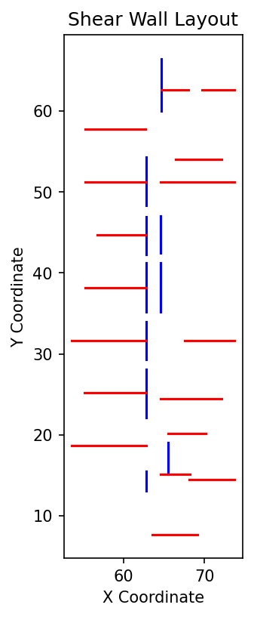

Building geometry |  |  |  |  |  |  | Seismic data

N | = | Number of SW storey |  | = | 6.0 |  | Seismic Category |  | = | SC2
L | = | Longest dimension of the building |  | = | 63.4 | m | Rd |  | = | 3
B | = | Shortest dimension of the building |  | = | 36.7 | m | Ro |  | = | 1.7

Manual diaphragm entry

Xcm (Manual) | = | Distance from origin to CoM in x direction |  | = | 63.4 | m
Ycm (Manual) | = | Distance from origin to CoM in y direction |  | = | 36.7 | m

X_paper_offset | = | X origin from paper |  | = | 0.0 | m
Y_paper_offset | = | Y origin from paper |  | = | 0.0 | m

s | = | Drawing scale |  | = | 1:100
f | = | Scale factor for fdf file |  | = | 0.04515

fdf file Location

Used FDF file: H:/Import Module/For Jared 20250610/L5 to L6 Wall Plan.fdf

North-South Wall Data |  |  |  |  |  |  | East-West Wall Data
Wall Name | Length (m) | Height (m) | x_coord (m) | y-coord (m) |  |  | Wall Name | Length (m) | Height (m) | x_coord (m) | y-coord (m) | Instruction for shearwall data table
NS1_one | 6.5 |  | 64.6 | 60.0 |  |  | EW1 | 3.4 |  | 64.65 | 62.61
NS2 | 6.0 |  | 62.8 | 48.3 |  |  | EW2 | 4.1 |  | 69.72 | 62.61 | 1. Remove wall name
NS3 | 4.6 |  | 62.8 | 42.3 |  |  | EW3 | 5.7 |  | 66.44 | 54.05 | 2. Import wall length and coordinate
NS4 | 4.6 |  | 62.8 | 29.3 |  |  | EW4 | 9.2 |  | 64.57 | 51.20 | 3. Name the wall after exporting the data from fdf file
NS5 | 6.0 |  | 62.8 | 22.1 |  |  | EW5 | 6.0 |  | 56.72 | 44.74 | 4. Input height data manually
NS6 | 3.9 |  | 65.5 | 15.1 |  |  | EW6 | 7.5 |  | 55.27 | 38.20
NS7 | 2.5 |  | 62.8 | 13.0 |  |  | EW7 | 6.2 |  | 67.57 | 31.68
NS8 | 4.6 |  | 64.6 | 42.4 |  |  | EW8 | 9.1 |  | 53.61 | 31.67
NS9 | 6.0 |  | 64.6 | 35.2 |  |  | EW9 | 7.6 |  | 64.57 | 24.43
NS10 | 6.0 |  | 62.8 | 35.2 |  |  | EW10 | 4.7 |  | 65.48 | 20.19
NS11 | 10.6 |  | 77.6 | 48.7 |  |  | EW11 | 3.6 |  | 64.57 | 15.12
NS12 | 4.0 |  | 82.5 | 55.2 |  |  | EW12 | 7.5 |  | 55.27 | 57.78
NS13 | 8.7 |  | 54.8 | 38.2 |  |  | EW13 | 7.5 |  | 55.27 | 51.24
NS14 |  |  |  |  |  |  | EW14 | 7.6 |  | 55.17 | 25.16
NS15 |  |  |  |  |  |  | EW15 | 9.2 |  | 53.61 | 18.64
NS16 |  |  |  |  |  |  | EW16 | 5.6 |  | 68.11 | 14.47
NS17 |  |  |  |  |  |  | EW17 | 5.6 |  | 63.55 | 7.71
NS18 |  |  |  |  |  |  | EW18
NS19 |  |  |  |  |  |  | EW19
NS20 |  |  |  |  |  |  | EW20

Loading Data (Unfactored)
Floor Level | Seismic Load (kN) | Wind Load (kN) | Wind Load_Short_Face (kN)
Roof | 200.0 | 10.0 | 200.0 |  |  |  |  |  | 200.0 | 10.0 | 200.0
5 | 300.0 | 200.0 | 300.0 |  |  |  |  |  | 300.0 | 200.0 | 300.0
4 | 400.0 | 300.0 | 400.0 |  |  |  |  |  | 400.0 | 300.0 | 400.0
3 | 300.0 | 200.0 | 300.0
2 | 400.0 | 300.0 | 400.0
1 | 200.0 | 100.0 | 300.0

Rigid_Template
 |  |  |  | Project: | 1160 Cameron Avenue
 |  |  |  | Job No.: | KEL.137728.0001
 |  |  |  | Designer: | ACH |  |  | Date: | 16-Jun-25

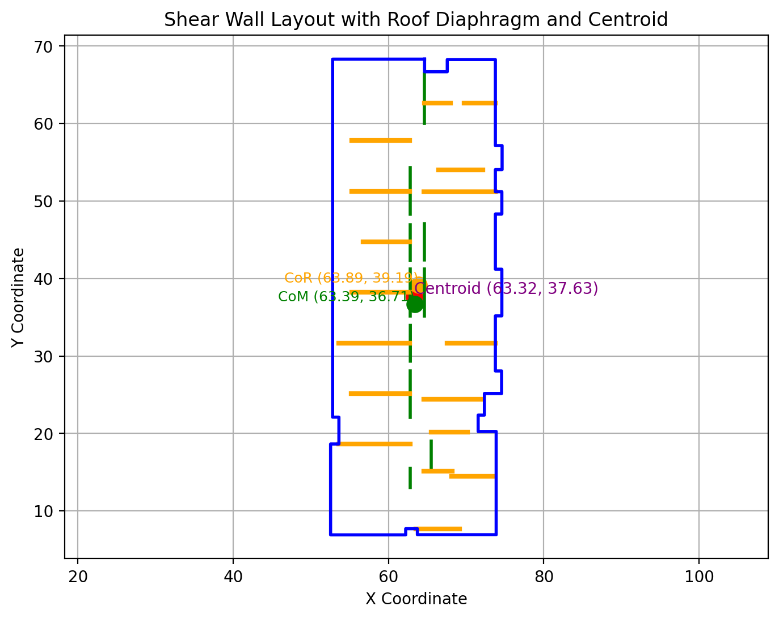
Building geometry

L | = | Longest dimension of the building |  |  | = | 22.0 | m
B | = | Shortest dimension of the building |  |  | = | 60.6 | m

Diapgragm geometry

Xcm (Manual) | = | Distance from origin to CoM in x direction |  |  | = | 63.7 | m
Ycm (Manual) | = | Distance from origin to CoM in y direction |  |  | = | 37.7 | m
W | = | Diaphragm Weight (D+0.25S) |  |  | = | 2700.0 | kN

X_paper_offset | = | X origin from paper |  |  | = | 0.0 | m
Y_paper_offset | = | Y origin from paper |  |  | = | 0.0 | m

Governing Load:
F_x_dir | = | Wind/Seismic in x-direction |  |  | = | 200.0 | kN
F_y_dir | = | Wind/Seismic in y-direction |  |  | = | 200.0 | kN

Output Summary

Xcm | = | Distance from origin to CoM in x direction |  |  | = | 64.7 | m
Ycm | = | Distance from origin to CoM in y direction |  |  | = | 38.1 | m

Xcr | = | Distance from origin to CoR in x direction |  |  | = | 33.4 | m
Ycr | = | Distance from origin to CoR in y direction |  |  | = | 60.9 | m

ex | = | Eccentriity due to the difference in CoM and CoR |  |  | = | 31.3 | m
ey | = | Eccentriity due to the difference in CoM and CoR |  |  | = | 22.8 | m

exbar | = | Eccentriity due to the difference in CoM and CoR |  |  | = | 2.2 | m
eybar | = | Eccentriity due to the difference in CoM and CoR |  |  | = | 6.1 | m

Wall Data |  |  |  |  |  | Center of Mass (CoM) |  |  |  | Center of Rigidity (CoR) |  |  |  |  |  |  | Jp |  | Shear from Torsion Caused By Real Ecc |  |  |  | Direct Shear Due to Force Applied |  |  |  | Shear from Torsion Caused by Acc 10% Ecc |  |  |  | Total Shear
Wall Name | Length (m) | Height (m) | w_k (kN) | x_coord (m) | y_coord (m) | xk (m) | yk (m) | wk*xk | wk*yk | Di | Rix | Riy | Riy*xk | Rix*yk | xbar | ybar | Riy*xbar2 | Rix*ybar2 | Real Tor Ratio_x | Real Tor Ratio_y | Vx_Real Tor | Vy_Real Tor | Direct Shear Ratio_x | Direct Shear Ratio_y | Direct Shear_x | Direct Shear_y | AccTorRatio_x | AccTorRatio_y | Vx_Acc_Tor | Vy_Acc-Tor | Vx (kN) | Vy (kN)
EW1 | 3.4 | 3.37 |  | 64.6 | 62.6 | 64.6 | 62.6 |  |  | 6.99 | 0.00 | 0.143 | 9.2 | 0 | 0.0 | 24.5 | 1E-06 | 0 | 0 | -5.1E-07 | 0 | -0.00010137788262 | 0.015644854168 | 0 | 3.1289708337 | 0 | 0 | -4E-08 | 0 | -7.1300545016E-06 | 3.1 | 0.0
EW2 | 4.1 | 3.37 |  | 69.7 | 62.6 | 69.7 | 62.6 |  |  | 4.80 | 0.00 | 0.209 | 14.5 | 0 | 5.1 | 24.5 | 5E+00 | 0 | 0 | 1.2E-03 | 0 | 0.23970234714 | 0.022810683708 | 0 | 4.5621367416 | 0 | 0 | 8E-05 | 0 | 0.016858616053 | 4.6 | 0.3
EW3 | 5.7 | 3.37 |  | 66.4 | 54.1 | 66.4 | 54.1 |  |  | 2.59 | 0.00 | 0.385 | 25.6 | 0 | 1.8 | 15.9 | 1E+00 | 0 | 0 | 7.8E-04 | 0 | 0.15636773566 | 0.042169954462 | 0 | 8.4339908925 | 0 | 0 | 5E-05 | 0 | 0.010997571155 | 8.4 | 0.2
EW4 | 9.2 | 3.37 |  | 64.6 | 51.2 | 64.6 | 51.2 |  |  | 1.29 | 0.00 | 0.772 | 49.9 | 0 | -0.1 | 13.1 | 6E-03 | 0 | 0 | -7.5E-05 | 0 | -0.014956092987 | 0.084481940621 | 0 | 16.896388124 | 0 | 0 | -5E-06 | 0 | -0.0010518838565 | 16.9 | 0.0
EW5 | 6.0 | 3.37 |  | 56.7 | 44.7 | 56.7 | 44.7 |  |  | 2.39 | 0.00 | 0.419 | 23.8 | 0 | -7.9 | 6.6 | 3E+01 | 0 | 0 | -3.8E-03 | 0 | -0.75363133311 | 0.045817872697 | 0 | 9.1635745393 | 0 | 0 | -3E-04 | 0 | -0.053003992001 | 9.2 | -0.8
EW6 | 7.5 | 3.37 |  | 55.3 | 38.2 | 55.3 | 38.2 |  |  | 1.70 | 0.00 | 0.589 | 32.6 | 0 | -9.4 | 0.1 | 5E+01 | 0 | 0 | -6.3E-03 | 0 | -1.2546338062 | 0.064471450744 | 0 | 12.894290149 | 0 | 0 | -4E-04 | 0 | -0.088240227423 | 12.9 | -1.3
EW7 | 6.2 | 3.37 |  | 67.6 | 31.7 | 67.6 | 31.7 |  |  | 2.27 | 0.00 | 0.440 | 29.7 | 0 | 2.9 | -6.4 | 4E+00 | 0 | 0 | 1.5E-03 | 0 | 0.29137724299 | 0.048101367644 | 0 | 9.6202735288 | 0 | 0 | 1E-04 | 0 | 0.020492986927 | 9.6 | 0.3
EW8 | 9.1 | 3.37 |  | 53.6 | 31.7 | 53.6 | 31.7 |  |  | 1.31 | 0.00 | 0.763 | 40.9 | 0 | -11.0 | -6.5 | 9E+01 | 0 | 0 | -9.6E-03 | 0 | -1.9105648267 | 0.083450837061 | 0 | 16.690167412 | 0 | 0 | -7E-04 | 0 | -0.13437281379 | 16.7 | -2.0
EW9 | 7.6 | 3.37 |  | 64.6 | 24.4 | 64.6 | 24.4 |  |  | 1.68 | 0.00 | 0.593 | 38.3 | 0 | -0.1 | -13.7 | 4E-03 | 0 | 0 | -5.7E-05 | 0 | -0.011494196166 | 0.064926849464 | 0 | 12.985369893 | 0 | 0 | -4E-06 | 0 | -0.0008084035985 | 13.0 | 0.0
EW10 | 4.7 | 3.37 |  | 65.5 | 20.2 | 65.5 | 20.2 |  |  | 3.65 | 0.00 | 0.274 | 17.9 | 0 | 0.8 | -17.9 | 2E-01 | 0 | 0 | 2.6E-04 | 0 | 0.05127657791 | 0.02995497526 | 0 | 5.9909950519 | 0 | 0 | 2E-05 | 0 | 0.003606356591 | 6.0 | 0.1
EW11 | 3.6 | 3.37 |  | 64.6 | 15.1 | 64.6 | 15.1 |  |  | 5.95 | 0.00 | 0.168 | 10.9 | 0 | -0.1 | -23.0 | 1E-03 | 0 | 0 | -1.6E-05 | 0 | -0.0032571662838 | 0.018398637185 | 0 | 3.679727437 | 0 | 0 | -1E-06 | 0 | -0.00022908126038 | 3.7 | 0.0
EW12 | 7.5 | 3.37 |  | 55.3 | 57.8 | 55.3 | 57.8 |  |  | 1.72 | 0.00 | 0.580 | 32.1 | 0 | -9.4 | 19.7 | 5E+01 | 0 | 0 | -6.2E-03 | 0 | -1.2352492676 | 0.063475343896 | 0 | 12.695068779 | 0 | 0 | -4E-04 | 0 | -0.08687688452 | 12.7 | -1.3
EW13 | 7.5 | 3.37 |  | 55.3 | 51.2 | 55.3 | 51.2 |  |  | 1.72 | 0.00 | 0.580 | 32.1 | 0 | -9.4 | 13.1 | 5E+01 | 0 | 0 | -6.2E-03 | 0 | -1.2352492676 | 0.063475343896 | 0 | 12.695068779 | 0 | 0 | -4E-04 | 0 | -0.08687688452 | 12.7 | -1.3
EW14 | 7.6 | 3.37 |  | 55.2 | 25.2 | 55.2 | 25.2 |  |  | 1.68 | 0.00 | 0.593 | 32.7 | 0 | -9.5 | -13.0 | 5E+01 | 0 | 0 | -6.4E-03 | 0 | -1.2772694328 | 0.064926849464 | 0 | 12.985369893 | 0 | 0 | -4E-04 | 0 | -0.089832224091 | 13.0 | -1.4
EW15 | 9.2 | 3.37 |  | 53.6 | 18.6 | 53.6 | 18.6 |  |  | 1.30 | 0.00 | 0.772 | 41.4 | 0 | -11.0 | -19.5 | 9E+01 | 0 | 0 | -9.7E-03 | 0 | -1.9330459904 | 0.084432783289 | 0 | 16.886556658 | 0 | 0 | -7E-04 | 0 | -0.13595394686 | 16.9 | -2.1
EW16 | 5.6 | 3.37 |  | 68.1 | 14.5 | 68.1 | 14.5 |  |  | 2.69 | 0.00 | 0.371 | 25.3 | 0 | 3.5 | -23.7 | 4E+00 | 0 | 0 | 1.5E-03 | 0 | 0.29125859234 | 0.040609364577 | 0 | 8.1218729154 | 0 | 0 | 1E-04 | 0 | 0.020484642053 | 8.1 | 0.3
EW17 | 5.6 | 3.37 |  | 68.1 | 14.5 | 68.1 | 14.5 |  |  | 2.69 | 0.00 | 0.371 | 25.3 | 0 | 3.5 | -23.7 | 4E+00 | 0 | 0 | 1.5E-03 | 0 | 0.29125859234 | 0.040609364577 | 0 | 8.1218729154 | 0 | 0 | 1E-04 | 0 | 0.020484642053 | 8.1 | 0.3
EW18 | 5.6 | 3.37 |  | 68.1 | 14.5 | 68.1 | 14.5 |  |  | 2.69 | 0.00 | 0.371 | 25.3 | 0 | 3.5 | -23.7 | 4E+00 | 0 | 0 | 1.5E-03 | 0 | 0.29125859234 | 0.040609364577 | 0 | 8.1218729154 | 0 | 0 | 1E-04 | 0 | 0.020484642053 | 8.1 | 0.3
EW19 | 5.6 | 3.37 |  | 68.1 | 14.5 | 68.1 | 14.5 |  |  | 2.69 | 0.00 | 0.371 | 25.3 | 0 | 3.5 | -23.7 | 4E+00 | 0 | 0 | 1.5E-03 | 0 | 0.29125859234 | 0.040609364577 | 0 | 8.1218729154 | 0 | 0 | 1E-04 | 0 | 0.020484642053 | 8.1 | 0.3
EW20 | 5.6 | 3.37 |  | 63.6 | 7.7 | 63.6 | 7.7 |  |  | 2.67 | 0.00 | 0.375 | 23.8 | 0 | -1.1 | -30.4 | 5E-01 | 0 | 0 | -4.7E-04 | 0 | -0.093342028371 | 0.041022798132 | 0 | 8.2045596264 | 0 | 0 | -3E-05 | 0 | -0.0065648811398 | 8.2 | -0.1
NS1 | 6.5 | 3.37 |  | 64.6 | 60.0 | 64.6 | 60.0 |  |  | 2.14 | 0.47 | 0.000 | 0.0 | 28.1 | 0.0 | 21.9 | 0 | 13467.8 | 0.0085 | 0 | 1.6922215732 | 0 | 0 | 0.1194642704 | 0 | 23.89285408 | 0.0022534734988 | 0E+00 | 0.45069469975 | 0 | 2.1 | 23.9
NS2 | 6.0 | 3.37 |  | 62.8 | 48.3 | 62.8 | 48.3 |  |  | 2.40 | 0.42 | 0.000 | 0.0 | 20.2 | -1.8 | 10.2 | 0 | 2093.9 | 0.0035 | 0 | 0.70172935259 | 0 | 0 | 0.10637920271 | 0 | 21.275840541 | 0.00093446893975 | 0E+00 | 0.18689378795 | 0 | 0.9 | 21.3
NS3 | 4.6 | 3.37 |  | 62.8 | 42.3 | 62.8 | 42.3 |  |  | 3.71 | 0.27 | 0.000 | 0.0 | 11.4 | -1.8 | 4.2 | 0 | 199.6 | 0.0009 | 0 | 0.18623595117 | 0 | 0 | 0.068816000192 | 0 | 13.763200038 | 0.0002480040363 | 0E+00 | 0.04960080726 | 0 | 0.2 | 13.8
NS4 | 4.6 | 3.37 |  | 62.8 | 29.3 | 62.8 | 29.3 |  |  | 3.74 | 0.27 | 0.000 | 0.0 | 7.8 | -1.8 | -8.8 | 0 | 606.0 | -0.0019 | 0 | -0.387805481 | 0 | 0 | 0.06815624326 | 0 | 13.631248652 | -0.00051642727402 | 0E+00 | -0.1032854548 | 0 | -0.5 | 13.6
NS5 | 6.0 | 3.37 |  | 62.8 | 22.1 | 62.8 | 22.1 |  |  | 2.41 | 0.41 | 0.000 | 0.0 | 9.2 | -1.8 | -16.0 | 0 | 2350.6 | -0.0055 | 0 | -1.0954692143 | 0 | 0 | 0.1056345117 | 0 | 21.12690234 | -0.0014587988253 | 0E+00 | -0.29175976506 | 0 | -1.4 | 21.1
NS6 | 3.9 | 3.37 |  | 65.5 | 15.1 | 65.5 | 15.1 |  |  | 5.16 | 0.19 | 0.000 | 0.0 | 2.9 | 0.8 | -23.0 | 0 | 1551.9 | -0.0037 | 0 | -0.73646874895 | 0 | 0 | 0.04945440061 | 0 | 9.890880122 | -0.00098073020382 | 0E+00 | -0.19614604076 | 0 | -0.9 | 9.9
NS7 | 2.5 | 3.37 |  | 62.8 | 13.0 | 62.8 | 13.0 |  |  | 14.15 | 0.07 | 0.000 | 0.0 | 0.9 | -1.8 | -25.1 | 0 | 579.9 | -0.0015 | 0 | -0.29262027292 | 0 | 0 | 0.018023078892 | 0 | 3.6046157785 | -0.00038967239317 | 0E+00 | -0.077934478635 | 0 | -0.4 | 3.6
NS8 | 2.5 | 3.37 |  | 62.8 | 13.0 | 62.8 | 13.0 |  |  | 14.15 | 0.07 | 0.000 | 0.0 | 0.9 | -1.8 | -25.1 | 0 | 579.9 | -0.0015 | 0 | -0.29262027292 | 0 | 0 | 0.018023078892 | 0 | 3.6046157785 | -0.00038967239317 | 0E+00 | -0.077934478635 | 0 | -0.4 | 3.6
NS9 | 2.5 | 3.37 |  | 62.8 | 13.0 | 62.8 | 13.0 |  |  | 14.15 | 0.07 | 0.000 | 0.0 | 0.9 | -1.8 | -25.1 | 0 | 579.9 | -0.0015 | 0 | -0.29262027292 | 0 | 0 | 0.018023078892 | 0 | 3.6046157785 | -0.00038967239317 | 0E+00 | -0.077934478635 | 0 | -0.4 | 3.6
NS10 | 2.5 | 3.37 |  | 62.8 | 13.0 | 62.8 | 13.0 |  |  | 14.15 | 0.07 | 0.000 | 0.0 | 0.9 | -1.8 | -25.1 | 0 | 579.9 | -0.0015 | 0 | -0.29262027292 | 0 | 0 | 0.018023078892 | 0 | 3.6046157785 | -0.00038967239317 | 0E+00 | -0.077934478635 | 0 | -0.4 | 3.6
NS11 | 2.5 | 3.37 |  | 62.8 | 13.0 | 62.8 | 13.0 |  |  | 14.15 | 0.07 | 0.000 | 0.0 | 0.9 | -1.8 | -25.1 | 0 | 579.9 | -0.0015 | 0 | -0.29262027292 | 0 | 0 | 0.018023078892 | 0 | 3.6046157785 | -0.00038967239317 | 0E+00 | -0.077934478635 | 0 | -0.4 | 3.6
NS12 | 2.5 | 3.37 |  | 62.8 | 13.0 | 62.8 | 13.0 |  |  | 14.15 | 0.07 | 0.000 | 0.0 | 0.9 | -1.8 | -25.1 | 0 | 579.9 | -0.0015 | 0 | -0.29262027292 | 0 | 0 | 0.018023078892 | 0 | 3.6046157785 | -0.00038967239317 | 0E+00 | -0.077934478635 | 0 | -0.4 | 3.6
NS13 | 2.5 | 3.37 |  | 62.8 | 13.0 | 62.8 | 13.0 |  |  | 14.15 | 0.07 | 0.000 | 0.0 | 0.9 | -1.8 | -25.1 | 0 | 579.9 | -0.0015 | 0 | -0.29262027292 | 0 | 0 | 0.018023078892 | 0 | 3.6046157785 | -0.00038967239317 | 0E+00 | -0.077934478635 | 0 | -0.4 | 3.6
NS14 | 2.5 | 3.37 |  | 62.8 | 13.0 | 62.8 | 13.0 |  |  | 14.15 | 0.07 | 0.000 | 0.0 | 0.9 | -1.8 | -25.1 | 0 | 579.9 | -0.0015 | 0 | -0.29262027292 | 0 | 0 | 0.018023078892 | 0 | 3.6046157785 | -0.00038967239317 | 0E+00 | -0.077934478635 | 0 | -0.4 | 3.6
NS15 | 2.5 | 3.37 |  | 62.8 | 13.0 | 62.8 | 13.0 |  |  | 14.15 | 0.07 | 0.000 | 0.0 | 0.9 | -1.8 | -25.1 | 0 | 579.9 | -0.0015 | 0 | -0.29262027292 | 0 | 0 | 0.018023078892 | 0 | 3.6046157785 | -0.00038967239317 | 0E+00 | -0.077934478635 | 0 | -0.4 | 3.6
NS16 | 2.5 | 3.37 |  | 62.8 | 13.0 | 62.8 | 13.0 |  |  | 14.15 | 0.07 | 0.000 | 0.0 | 0.9 | -1.8 | -25.1 | 0 | 579.9 | -0.0015 | 0 | -0.29262027292 | 0 | 0 | 0.018023078892 | 0 | 3.6046157785 | -0.00038967239317 | 0E+00 | -0.077934478635 | 0 | -0.4 | 3.6
NS17 | 2.5 | 3.37 |  | 62.8 | 13.0 | 62.8 | 13.0 |  |  | 14.15 | 0.07 | 0.000 | 0.0 | 0.9 | -1.8 | -25.1 | 0 | 579.9 | -0.0015 | 0 | -0.29262027292 | 0 | 0 | 0.018023078892 | 0 | 3.6046157785 | -0.00038967239317 | 0E+00 | -0.077934478635 | 0 | -0.4 | 3.6
NS18 | 4.6 | 3.37 |  | 64.6 | 42.4 | 64.6 | 42.4 |  |  | 3.71 | 0.27 | 0.000 | 0.0 | 11.4 | -0.1 | 4.3 | 0 | 210.6 | 0.0010 | 0 | 0.19105595377 | 0 | 0 | 0.068816488739 | 0 | 13.763297748 | 0.00025442266865 | 0E+00 | 0.05088453373 | 0 | 0.2 | 13.8
NS19 | 6.0 | 3.37 |  | 64.6 | 35.2 | 64.6 | 35.2 |  |  | 2.37 | 0.42 | 0.000 | 0.0 | 14.8 | -0.1 | -3.0 | 0 | 130.5 | -0.0010 | 0 | -0.20664354001 | 0 | 0 | 0.10772197383 | 0 | 21.544394767 | -0.00027518012326 | 0E+00 | -0.055036024653 | 0 | -0.3 | 21.5
NS20 | 6.0 | 3.37 |  | 62.8 | 35.2 | 62.8 | 35.2 |  |  | 2.38 | 0.42 | 0.000 | 0.0 | 14.8 | -1.8 | -2.9 | 0 | 128.7 | -0.0010 | 0 | -0.20481158436 | 0 | 0 | 0.10730304074 | 0 | 21.460608148 | -0.00027274057068 | 0E+00 | -0.054548114136 | 0 | -0.3 | 21.5
 |  |  |  |  |  | 2512.8 | 1128.3 |  |  |  | 3.92 | 9.14 | 556.51 | 130.82 |  |  | Jp | 27567.774165

Template_n
 |  |  |  | Project: | Malaspina
 |  |  |  | Job No.: | VAN.131954.0001
 |  |  |  | Designer: | ACH |  |  | Date: | 16-Jun-25

No of SW story |  | = | 6.00

Level (i) | Shea Wall Geometry |  | Flexible diaphragm wind |  | Rigid diaphragm wind |  | Envelope diaphragm wind |  | Flexible diaphragm seismic |  | Rigid diaphragm seismic |  | Envelope diaphragm seismic |  | User Defined Forces
 | Hi (m) | Ls (m) | Vwind (kN) | Svwind (kN) | Vwind (kN) | Svwind (kN) | Venv (kN) | Svenv (kN) | Vseis (kN) | Svseis (kN) | Vseis (kN) | Svseis (kN) | Venv (kN) | Svenv (kN) | Vuser (kN) | Svuser (kN)
Roof | 3.43 | 10.00 | 12.30 | 12.3 | 26 | 26 | 26 | 26 | 12.30 | 12.3 | 28.00 | 28 | 28 | 28 | 30.0 | 13.6
5 | 3.20 | 10.00 | 6.70 | 19 | 16 | 42 | 16 | 42 | 6.70 | 19 | 23.00 | 51 | 23 | 51 | 23.0 | 26.8
4 | 3.20 | 10.00 | 7.40 | 26.4 | 16 | 58 | 16 | 58 | 7.40 | 26.4 | 28.00 | 79 | 28 | 79 | 29.0 | 37.4
3 | 3.20 | 10.00 | 7.10 | 33.5 | 15 | 73 | 15 | 73 | 7.10 | 33.5 | 20.00 | 99 | 20 | 99 | 20.0 | 45.3
2 | 3.20 | 10.00 | 7.80 | 41.3 | 17 | 90 | 17 | 90 | 7.80 | 41.3 | 13.00 | 112 | 13 | 112 | 14.0 | 50.6
1 | 3.20 | 10.00 | 4.30 | 45.6 | 9 | 99 | 9 | 99 | 4.30 | 45.6 | 7.00 | 119 | 7 | 119 | 7.0 | 53.2

Load Case to be used |  |  | Rigid diaphragm wind |  | Applied Load Factor, Ci |  | = | 1.20

Load Summary |  |  |  |  |  |  |  |  |  |  |  |  |  | Additional feature:

Level | Force, F (kN) | SF (kN) | ve (kN/m) | wd (kN/m) | wl (kN/m) | Lw (m) | wd*Lw (kN) | wl*Lw (kN) | Mf (kN-m) | Tf (kN) | Cf (kN) | STf (kN) |  | Compression post configuration: |  |  | symmetric

Roof | 26.0 | 26.0 | 2.60 | 0.00 | 0.00 | 10 | 0.0 | 0.0 | 89.2 | 10.7 | 10.7 | 11
5 | 16.0 | 42.0 | 4.20 | 0.00 | 0.00 | 10 | 0.0 | 0.0 | 223.6 | 26.8 | 26.8 | 16
4 | 16.0 | 58.0 | 5.80 | 0.00 | 0.00 | 10 | 0.0 | 0.0 | 409.2 | 49.1 | 49.1 | 22
3 | 15.0 | 73.0 | 7.30 | 0.00 | 0.00 | 10 | 0.0 | 0.0 | 642.8 | 77.1 | 77.1 | 28
2 | 17.0 | 90.0 | 9.00 | 0.00 | 0.00 | 10 | 0.0 | 0.0 | 930.8 | 111.7 | 111.7 | 35
1 | 9.0 | 99.0 | 9.90 | 0.00 | 0.00 | 10 | 0.0 | 0.0 | 1247.6 | 149.7 | 149.7 | 38

Design Summary Table

User to overwrite in this section |  |  |  |  |  |  |  |  |  |  |  |  |  |  |  |  |  |  |  |  | Additional design parameters used
Shear wall Geometry |  |  |  |  |  | Shear Capacity |  |  | Hold Down Systems |  |  |  |  |  | End Posts |  |  |  |  |  | t2 (mm) | a (mm) | b (mm) | f | KD | KSF | KT | KS | Jx | JD | ns | Jus | Jhd | Js | G | Gf3 | Stud Species | Grade | Ec_par | Ec_perp | Et | Ac | Tiedown system | Takeup device | Sill Plate | Br (kN) | Cr (kN)
Panel type | Panel thickness (mm) | O.S. or B.S | Nail Length (mm) | Nail diameter, dF (mm) | Nail Spacing (mm) | Vr (kN/m) | Vr/Ve | Remark | Type | Model | Quantity | Tr (kN) | Tf (kN) | Remark | Stud | Quantity (1x_) | Cr (kN) | Cf (kN) | Remark |  | 38 | 2440 | 1220 | 0.8 | 1.2 | 1.0 | 1.0 | 1.0 | 1.0 | 1.3 | 1.0 | 1.0 | 1.0 | 1.0 | 0.42 | 0.42 | S-P-F | No.1/No.2 | 9500 | 475 | 200000 | 42560 | ATS | ATUD9 | S-P-F | 119 | 157
DFP | 12.5 | O.S | 64 | 3.66 | 150 | 6.3 | 2.42 | OK | Rod | SR16 | 1 | 483.0 | 10.7 | OK | 2x6 | 4 | 157 | 11 | OK |  | 38 | 2440 | 1220 | 0.8 | 1.2 | 1.0 | 1.0 | 1.0 | 1.0 | 1.3 | 1.0 | 1.0 | 1.0 | 1.0 | 0.42 | 0.42 | S-P-F | No.1/No.2 | 9500 | 475 | 200000 | 42560 | ATS | ATUD9 | S-P-F | 119 | 174
DFP | 12.5 | O.S | 64 | 3.66 | 125 | 7.6 | 1.80 | OK | Rod | SR16 | 1 | 483.0 | 26.8 | OK | 2x6 | 4 | 174 | 27 | OK |  | 38 | 2440 | 1220 | 0.8 | 1.2 | 1.0 | 1.0 | 1.0 | 1.0 | 1.3 | 1.0 | 1.0 | 1.0 | 1.0 | 0.42 | 0.42 | S-P-F | No.1/No.2 | 9500 | 475 | 200000 | 63840 | ATS | ATUD9 | S-P-F | 179 | 260
DFP | 12.5 | O.S | 64 | 3.66 | 75 | 12.6 | 2.17 | OK | Rod | SR16 | 1 | 483.0 | 49.1 | OK | 2x6 | 6 | 260 | 49 | OK |  | 38 | 2440 | 1220 | 0.8 | 1.2 | 1.0 | 1.0 | 1.0 | 1.0 | 1.3 | 1.0 | 1.0 | 1.0 | 1.0 | 0.42 | 0.42 | S-P-F | No.1/No.2 | 9500 | 475 | 200000 | 85120 | ATS | ATUD9 | DFP | 315 | 347
DFP | 12.5 | O.S | 64 | 3.66 | 50 | 18.9 | 2.58 | OK | Rod | SR16 | 1 | 483.0 | 77.1 | OK | 2x6 | 8 | 347 | 77 | OK |  | 38 | 2440 | 1220 | 0.8 | 1.2 | 1.0 | 1.0 | 1.0 | 1.0 | 1.3 | 1.0 | 1.0 | 1.0 | 1.0 | 0.42 | 0.42 | S-P-F | No.1/No.2 | 9500 | 475 | 200000 | 106400 | ATS | ATUD9 | DFP | 394 | 434
DFP | 12.5 | O.S | 64 | 3.66 | 50 | 18.9 | 2.10 | OK | Rod | SR16 | 1 | 483.0 | 111.7 | OK | 2x6 | 10 | 434 | 112 | OK |  | 38 | 2440 | 1220 | 0.8 | 1.2 | 1.0 | 1.0 | 1.0 | 1.0 | 1.3 | 1.0 | 1.0 | 1.0 | 1.0 | 0.42 | 0.42 | S-P-F | No.1/No.2 | 9500 | 475 | 200000 | 127680 | ATS | ATUD9 | DFP | 473 | 521
DFP | 12.5 | O.S | 64 | 3.66 | 50 | 18.9 | 1.91 | OK | Rod | SR16 | 1 | 483.0 | 149.7 | OK | 2x6 | 12 | 521 | 150 | OK
Values Used by the analysis
Shear wall Geometry |  |  |  |  |  | Shear Capacity |  |  | Hold Down Systems |  |  |  |  |  | End Posts
Panel type | Panel thickness (mm) | O.S. or B.S | Nail Length (mm) | Nail diameter, dF (mm) | Nail Spacing (mm) | Vr (kN/m) | Vr/Ve | Remark | Type | Model | Quantity | Tr (kN) | Tf (kN) | Remark | Stud | Quantity | Cr (kN) | Cf (kN) | Remark
DFP | 12.5 | O.S | 64 | 3.66 | 150 | 6.3 | 2.42 | OK | Rod | SR16 | 1 | 483.0 | 10.7 | OK | 2x6 | 8 | 157 | 11 | OK
DFP | 12.5 | O.S | 64 | 3.66 | 125 | 7.6 | 1.80 | OK | Rod | SR16 | 1 | 483.0 | 26.8 | OK | 2x6 | 8 | 174 | 27 | OK
DFP | 12.5 | O.S | 64 | 3.66 | 75 | 12.6 | 2.17 | OK | Rod | SR16 | 1 | 483.0 | 49.1 | OK | 2x6 | 12 | 260 | 49 | OK
DFP | 12.5 | O.S | 64 | 3.66 | 50 | 18.9 | 2.58 | OK | Rod | SR16 | 1 | 483.0 | 77.1 | OK | 2x6 | 16 | 347 | 77 | OK
DFP | 12.5 | O.S | 64 | 3.66 | 50 | 18.9 | 2.10 | OK | Rod | SR16 | 1 | 483.0 | 111.7 | OK | 2x6 | 20 | 434 | 112 | OK
DFP | 12.5 | O.S | 64 | 3.66 | 50 | 18.9 | 1.91 | OK | Rod | SR16 | 1 | 483.0 | 149.7 | OK | 2x6 | 24 | 521 | 150 | OK
Final output to be Exported
Shear wall Geometry |  |  |  |  |  | Shear Capacity |  |  | Hold Down Systems |  |  |  |  |  | End Posts
Panel type | Panel thickness (mm) | O.S. or B.S | Nail Length (mm) | Nail diameter, dF (mm) | Nail Spacing (mm) | Vr (kN/m) | Vr/Ve | Remark | Type | Model | Quantity | Tr (kN) | Tf (kN) | Remark | Stud | Quantity | Cr (kN) | Cf (kN) | Remark

DFP | 12.5 | O.S | 64 | 3.66 | 150 | 6.3 | 1.26 | OK | Rod | SR16 | 1 | 483.0 | 20.4 | OK | 2x6 | 8 | 157 | 32 | OK
DFP | 12.5 | O.S | 64 | 3.66 | 125 | 7.6 | 0.93 | NOT OK | Rod | SR16 | 1 | 483.0 | 47.1 | OK | 2x6 | 8 | 174 | 81 | OK
DFP | 12.5 | O.S | 64 | 3.66 | 75 | 12.6 | 1.13 | OK | Rod | SR16 | 1 | 483.0 | 87.6 | OK | 2x6 | 12 | 260 | 144 | OK
DFP | 12.5 | O.S | 64 | 3.66 | 50 | 18.9 | 1.34 | OK | Rod | SR16 | 1 | 483.0 | 141.0 | OK | 2x6 | 16 | 347 | 220 | OK
DFP | 12.5 | O.S | 64 | 3.66 | 50 | 18.9 | 1.09 | OK | Rod | SR16 | 1 | 483.0 | 209.1 | OK | 2x6 | 20 | 434 | 310 | OK
DFP | 12.5 | O.S | 64 | 3.66 | 50 | 18.9 | 0.99 | NOT OK | Rod | SR16 | 1 | 483.0 | 284.9 | OK | 2x6 | 24 | 521 | 408 | OK
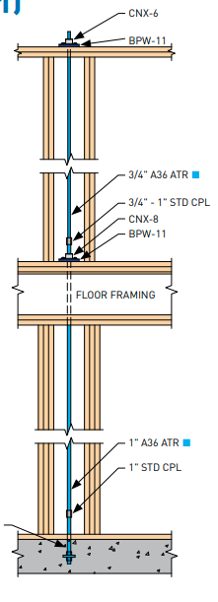

Level | Shear (kN/m) | Shear Clips T.O.W |  |  | Sill Nail A (76 mm) |  |  | Sill Nail B (76 mm) |  |  | Sill Bolts
 |  | Type | Capacity (kN) | Spacing (mm) | Row | Capacity (kN) | Spacing (mm) | Row | Capacity (kN) | Spacing (mm) | Diameter | Capacity (kN) | Spacing (mm)
Roof | 2.60 | A35 | 3.00 | 1153.85
5 | 4.20 | A35 | 3.00 | 714.29
4 | 5.80 | A35 | 3.00 | 517.24
3 | 7.30 | A35 | 3.00 | 410.96
2 | 9.00 | A35 | 3.00 | 333.33
1 | 9.90 | A35 | 3.00 | 303.03

Deflection Summary Table

Level (i) | Deflection - Bending |  |  | Deflection - Panel Shear |  | Deflection - Nail Slip |  |  | Deflection - Vertical Deformation |  |  |  | Deflection - Rotation |  |  | Total Deflection |  |  | Wind
 | M (N-mm) | (EI)tr N-mm2 | Db,I (mm) | Bv,I (N/mm) | Ds,I (mm) | ve (N/mm) | en (mm) | Ds,I (mm) | dmax (mm) | DR (mm) | da (mm) | Da,I (mm) | Sq | Sa | Dri (mm) | Di (mm) | H (mm) | Drift Ratio | Drift Limit | Remarks | D x RdRo | Drift Ratio | Remarks
Roof | 0 | 1.76E+16 | 0.02 | 6900 | 1.29 | 390.00 | 0.14 | 1.23 | 0.05 | 1.02 | 0.13 | 0.05 | 4.03E-04 | 2.18E-04 | 2.13 | 4.72 | 3430 | 0.14% | 0.20% | OK | 24.1 | 0.7% | NOT OK
5 | 89180000 | 1.76E+16 | 0.05 | 6900 | 1.95 | 525.00 | 0.26 | 2.08 | 0.05 | 1.02 | 0.26 | 0.08 | 3.95E-04 | 2.05E-04 | 1.92 | 6.08 | 3200 | 0.19% | 0.20% | OK | 31.0 | 1.0% | NOT OK
4 | 223580000 | 2.07E+16 | 0.09 | 6900 | 2.69 | 435.00 | 0.18 | 1.43 | 0.13 | 0.43 | 0.36 | 0.11 | 3.66E-04 | 1.79E-04 | 1.74 | 6.06 | 3200 | 0.19% | 0.20% | OK | 30.9 | 1.0% | NOT OK
3 | 409180000 | 2.27E+16 | 0.13 | 6900 | 3.39 | 365.00 | 0.13 | 1.00 | 0.13 | 0.43 | 0.41 | 0.13 | 3.17E-04 | 1.43E-04 | 1.47 | 6.12 | 3200 | 0.19% | 0.20% | OK | 31.2 | 1.0% | NOT OK
2 | 642780000 | 2.41E+16 | 0.18 | 6900 | 4.17 | 450.00 | 0.19 | 1.53 | 0.13 | 0.43 | 0.48 | 0.15 | 2.43E-04 | 1.02E-04 | 1.10 | 7.14 | 3200 | 0.22% | 0.20% | NOT OK | 36.4 | 1.1% | NOT OK
1 | 930780000 | 2.51E+16 | 0.23 | 6900 | 4.59 | 495.00 | 0.23 | 1.85 | 0.13 | 0.43 | 0.54 | 0.17 | 1.39E-04 | 5.42E-05 | 0.62 | 7.46 | 3200 | 0.23% | 0.20% | NOT OK | 38.1 | 1.2% | NOT OK

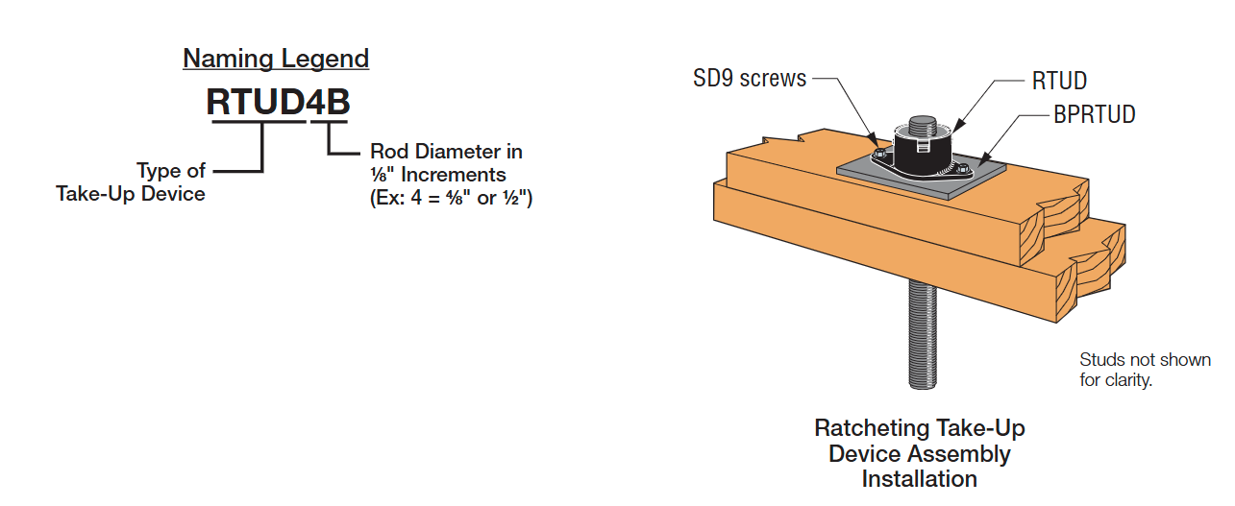
ATS System Component Summary

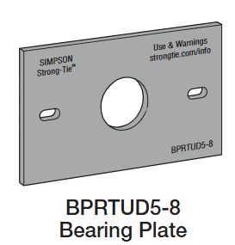
Level (i) | Hold Down Systems |  |  |  |  |  | Coupler nuts |  | Bearing Plates |  | Take up device
 | Type | Model |  | Tr (kN) | Tf (kN) | Remark | Type | Capacity | Type | Capacity (kN) | Type | DR (mm) | DF (mm)
Roof | Rod | SR16 | 1 | 483.0 | 10.7 | OK |  |  | BPRTUD7-8B | 83 | ATUD9-3 | 0.051 | 1.016
5 | Rod | SR16 | 1 | 483.0 | 26.8 | OK |  |  | BPRTUD5-6B | 61 | ATUD9-3 | 0.051 | 1.016
4 | Rod | SR16 | 1 | 483.0 | 49.1 | OK |  |  | BPRTUD5-6B | 61 | ATUD14 | 0.127 | 0.432
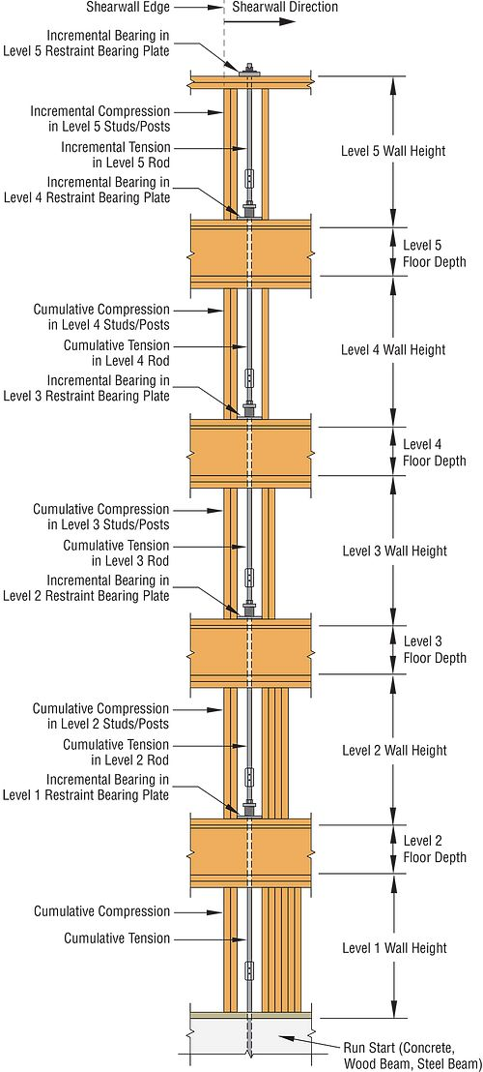
3 | Rod | SR16 | 1 | 483.0 | 77.1 | OK |  |  | BPRTUD5-6B | 61 | ATUD14 | 0.127 | 0.432
2 | Rod | SR16 | 1 | 483.0 | 111.7 | OK |  |  | BPRTUD7-8B | 83 | ATUD14 | 0.127 | 0.432
1 | Rod | SR16 | 1 | 483.0 | 149.7 | OK |  |  | BPRTUD7-8B | 83 | ATUD14 | 0.127 | 0.432

Detailed design calculations:

Shear Wall : |  | SW1 |  | Level: | ALL

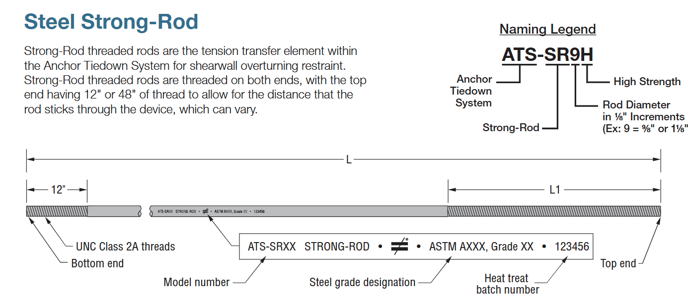
(a) Sheathing to framing connection
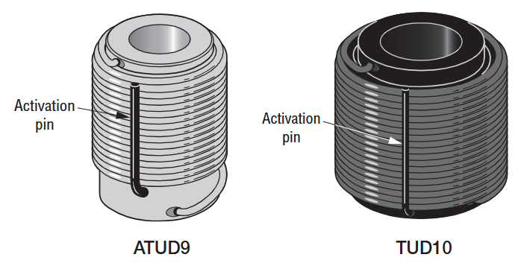

 |  | Vrs = f*vd*JD*ns*Jus*Js*Jhd*Ls

f | = | Reduction factor = 0.8
vd | = | Shear capacity, Nu/s, kN/m
Nu | = | Lateral strength resistance of sheathing to framing connection along panel edges
s | = | fastener spacing along panel edges
JD | = | Adjhustment factor for diaphragm and shearwall construction (See clause 12.9.3.1)
ns | = | number of shear planes
Jus | = | Strength adjustment factor
Js | = | Fastener spacing adjustment factor
Jhd | = | Hold-down effect factor for shearwall segment
Ls | = | Length of shearwall segment parallel to direction of factored load

No of Storey | vd (N/mm) | Nu, N | s (mm) | JD | ns | Jus | Js | Jhd | Ls (m)
Roof | 6.05 | 907.3 | 150 | 1.30 | 1.00 | 1.00 | 1.00 | 1.00 | 10.00
5 | 7.26 | 907.3 | 125 | 1.30 | 1.00 | 1.00 | 1.00 | 1.00 | 10.00
4 | 12.10 | 907.3 | 75 | 1.30 | 1.00 | 1.00 | 1.00 | 1.00 | 10.00
3 | 18.15 | 907.3 | 50 | 1.30 | 1.00 | 1.00 | 1.00 | 1.00 | 10.00
2 | 18.15 | 907.3 | 50 | 1.30 | 1.00 | 1.00 | 1.00 | 1.00 | 10.00
1 | 18.15 | 907.3 | 50 | 1.30 | 1.00 | 1.00 | 1.00 | 1.00 | 10.00

(b) Sheathing panel buckling

 |  | Vrs = f*vpb*KD*Ks*KT*Ls

vpb | = | Panel buckling strength of the most critical structural panel within segment
KD | = | Load duration factor
Ks | = | Service condition factor
KT | = | Treatment factor
Ls | = | Shear wall length
Kpb | = | Panel buckling factor

No of Storey | Vpb (N/mm) | KD | Ks | KT | Ls (m) | a | h | kpb
Roof | 22.29 | 1.15 | 1.0 | 1.0 | 10.00 | 1.67 | 0.20 | 1.130
5 | 22.29 | 1.15 | 1.0 | 1.0 | 10.00 | 1.67 | 0.20 | 1.130
4 | 22.29 | 1.15 | 1.0 | 1.0 | 10.00 | 1.67 | 0.20 | 1.130
3 | 22.29 | 1.15 | 1.0 | 1.0 | 10.00 | 1.67 | 0.20 | 1.130
2 | 22.29 | 1.15 | 1.0 | 1.0 | 10.00 | 1.67 | 0.20 | 1.130
1 | 22.29 | 1.15 | 1.0 | 1.0 | 10.00 | 1.67 | 0.20 | 1.130

(c) Deflections of Stacked Multi-Storey Wood-Based Shear Walls

Db,i | = | Inter-storey deflection due to bending of the i-th storey
Ds,i | = | Inter-storey deflection due to panel shear of the i-th storey
Dn,i | = | Inter-storey deflection due to nail slip of the i-th storey
Da,i | = | Inter-storey deflection due to vertical elongation of the wall anchorage system of the i-th storey
Dr,i | = | Inter-storey deflection due to rotation at the bottom of the i-th storey
Di | = | Total deflection (Db,i+Ds,i+Dn,i+Da,i+Dr,i)

No of Storey | Db,I (mm) | Ds,I (mm) | Dn,I (mm) | Da,I (mm) | Dr,I (mm) | Di (mm)
Roof | 0.020 | 1.292 | 1.228 | 0.046 | 2.133 | 4.7
5 | 0.052 | 1.948 | 2.077 | 0.083 | 1.919 | 6.1
4 | 0.086 | 2.690 | 1.426 | 0.114 | 1.745 | 6.1
3 | 0.127 | 3.386 | 1.004 | 0.132 | 1.474 | 6.1
2 | 0.177 | 4.174 | 1.526 | 0.153 | 1.105 | 7.1
1 | 0.233 | 4.591 | 1.846 | 0.174 | 0.617 | 7.5

1. Deflection due to bending

Vi | = | Shear force of i-th storey
Mi | = | Overturning moment at top of i-th storey
Hi | = | Height of the shear wall of i-th storey
(EI)i | = | Bending stiffness of the shear wall of i-th storey
n | = | Total number of storeys of the building
Db,i | = | Inter-storey deflection due to bending of the i-th storey

No of Storey | Vi (N) | Hi (mm) | Mi (N-mm) | (EI)i (N-mm2) | Db,I (mm)
Roof | 26000 | 3430 | 0.000E+00 | 1.76E+16 | 0.02
5 | 42000 | 3200 | 8.918E+07 | 1.76E+16 | 0.05
4 | 58000 | 3200 | 2.236E+08 | 2.07E+16 | 0.09
3 | 73000 | 3200 | 4.092E+08 | 2.27E+16 | 0.13
2 | 90000 | 3200 | 6.428E+08 | 2.41E+16 | 0.18
1 | 99000 | 3200 | 9.308E+08 | 2.51E+16 | 0.23

No of Storey | Ec (Mpa) | Et (Mpa) | Ac (mm2) | At (mm2) | n = Et/Ec | At,tr (mm2) | Lc (mm) | ytr (mm) | Itr (mm4)
Roof | 9500 | 200000 | 42560 | 1691 | 21.1 | 35602 | 9764 | 5317 | 1.85E+12
5 | 9500 | 200000 | 42560 | 1691 | 21.1 | 35602 | 9764 | 5317 | 1.85E+12
4 | 9500 | 200000 | 63840 | 1691 | 21.1 | 35602 | 9760 | 6266 | 2.18E+12
3 | 9500 | 200000 | 85120 | 1691 | 21.1 | 35602 | 9756 | 6879 | 2.39E+12
2 | 9500 | 200000 | 106400 | 1691 | 21.1 | 35602 | 9752 | 7307 | 2.54E+12
1 | 9500 | 200000 | 127680 | 1691 | 21.1 | 35602 | 9748 | 7623 | 2.65E+12

2. Deflection due to panel shear

Li | = | Length of the shear wall of i-th storey
Bv,i | = | Shear-through-thickness rigidity of the sheathing of i-th storey
Ds,i | = | Inter-storey deflection due topanel shear of the i-th storey

No of Storey | Vi (N) | Hi (mm) | Li (mm) | Bv,I (N/mm) | Ds,I (mm)
Roof | 26000 | 3430 | 10000 | 6900 | 1.29
5 | 42000 | 3200 | 10000 | 6900 | 1.95
4 | 58000 | 3200 | 10000 | 6900 | 2.69
3 | 73000 | 3200 | 10000 | 6900 | 3.39
2 | 90000 | 3200 | 10000 | 6900 | 4.17
1 | 99000 | 3200 | 10000 | 6900 | 4.59

3. Deflection due to nail slip

en,i-1 | = | Nail deformation of i-th storey
Dn,i | = | Inter-storey deflection due to nail slip of the i-th storey

No of Storey | v (N/mm) | s (mm) | Li (mm) | ve (N/mm) | dF (mm) | en (mm) | Ds,I (mm)
Roof | 2.6 | 150 | 10000 | 390 | 3.66 | 0.14 | 1.23
5 | 4.2 | 125 | 10000 | 525 | 3.66 | 0.26 | 2.08
4 | 5.8 | 75 | 10000 | 435 | 3.66 | 0.18 | 1.43
3 | 7.3 | 50 | 10000 | 365 | 3.66 | 0.13 | 1.00
2 | 9.0 | 50 | 10000 | 450 | 3.66 | 0.19 | 1.53
1 | 9.9 | 50 | 10000 | 495 | 3.66 | 0.23 | 1.85

4. Deflection due to vertical elongation of the wall anchorage system

da,i | = | Total vertical elongation of the wall anchorage system of i-th storey

No of Storey | Tf (kN) | Tr (KN) | dmax (mm) | DR (mm) | Cf (kN) | Ec_perp (Mpa) | Ac_perp (mm2) | Lc_perp (mm) | da (mm) | Da,I (mm)
Roof | 11 | 483.0 | 1.016 | 0.051 | 11 | 475 | 42560 | 9764 | 0.13 | 0.05
5 | 27 | 483.0 | 1.016 | 0.051 | 27 | 475 | 42560 | 9764 | 0.26 | 0.08
4 | 49 | 483.0 | 0.432 | 0.127 | 49 | 475 | 63840 | 9760 | 0.36 | 0.11
3 | 77 | 483.0 | 0.432 | 0.127 | 77 | 475 | 85120 | 9756 | 0.41 | 0.13
2 | 112 | 483.0 | 0.432 | 0.127 | 112 | 475 | 106400 | 9752 | 0.48 | 0.15
1 | 150 | 483.0 | 0.432 | 0.127 | 150 | 475 | 127680 | 9748 | 0.54 | 0.17

5. Deflection due to rotation at the bottom of the wall

θj | = | Cumulative rotation due to bending
aj | = | Cumulative rotation due to wall anchorage system elongation
Dr,i | = | Inter-storey deflection due to rotation at the bottom of the i-th storey

No of Storey | Hi (mm) | Li (mm) | q | Sq | da (mm) | da/Ls | Sa | Dri (mm)
Roof | 3430 | 10000 | 8.7E-06 | 4.03E-04 | 0.13 | 2.18E-04 | 4.591E-02 | 2.1
5 | 3200 | 10000 | 2.9E-05 | 3.95E-04 | 0.26 | 2.05E-04 | 8.279E-02 | 1.9
4 | 3200 | 10000 | 4.9E-05 | 3.66E-04 | 0.36 | 1.79E-04 | 1.138E-01 | 1.7
3 | 3200 | 10000 | 7.4E-05 | 3.17E-04 | 0.41 | 1.43E-04 | 1.323E-01 | 1.5
2 | 3200 | 10000 | 1.0E-04 | 2.43E-04 | 0.48 | 1.02E-04 | 1.532E-01 | 1.1
1 | 3200 | 10000 | 1.4E-04 | 1.39E-04 | 0.54 | 5.42E-05 | 1.735E-01 | 0.6

6. Fundamental period of the wall

No of Storey | wi (kN) | Fi (kN) | Di (mm) | wi x Di2 (kN-mm2) | Fi x Di (kN-mm) | T (sec)
Roof | 100 | 26.0 | 4.7 | 2227 | 123 | 0.56 |  |  |  |  |  | 75
5 | 200 | 16.0 | 6.1 | 7389 | 97 |  |  |  |  |  |  | 87.5
4 | 200 | 16.0 | 6.1 | 7345 | 97 |  |  |  |  |  |  | 87.5
3 | 200 | 15.0 | 6.1 | 7499 | 92 |  |  |  |  |  |  | 87.5
2 | 200 | 17.0 | 7.1 | 10182 | 121 |  |  |  |  |  |  | 87.5
1 | 200 | 9.0 | 7.5 | 11133 | 67 |  |  |  |  |  |  | 87.5

7. Wall stiffness (ki) calculation

No of Storey | v (N/mm) | H (mm) | E (Mpa) | A (mm2) | Ls (mm) | Bv (N/mm) | en (mm) | da (mm) | k (kN/m) | kavg (kN/m)
Roof | 2.60 | 3430 | 9500 | 42560 | 10000 | 6900 | 1.432E-01 | 0.1 | 10129.6 | 13427.6
5 | 4.20 | 3200 | 9500 | 42560 | 10000 | 6900 | 2.596E-01 | 0.3 | 10225.7
4 | 5.80 | 3200 | 9500 | 63840 | 10000 | 6900 | 1.782E-01 | 0.4 | 13713.7
3 | 7.30 | 3200 | 9500 | 85120 | 10000 | 6900 | 1.255E-01 | 0.4 | 16144.7
2 | 9.00 | 3200 | 9500 | 106400 | 10000 | 6900 | 1.907E-01 | 0.5 | 15377.1
1 | 9.90 | 3200 | 9500 | 127680 | 10000 | 6900 | 2.308E-01 | 0.5 | 14975.1

