Pre_Analysis
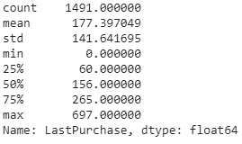
The granularity of dataset is at the level of each product type
For finding the homogeneous group in customers we need to upgrade its granularity to the customer level
At very 1st, look for the missing values
1 | Description and CustomerID is having null values
2 | CustomerID is accounting for 25% of missing values out of total ~5L
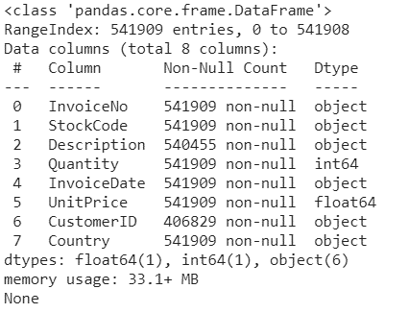
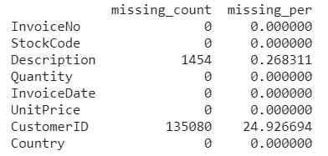

3 | The rows pertaining to missing CustomerID has been dropped
4 | Also, redundant rows found in the dataset which is not providing any information and hence dropped out

Summries the dataset
1 | Only 2 fields 'Quantity' and 'UnitPrice' are the numeric columns available in the dataset
2 | Quantity shows that -ve values are present in the data which is due to the presence of canceled product transcations
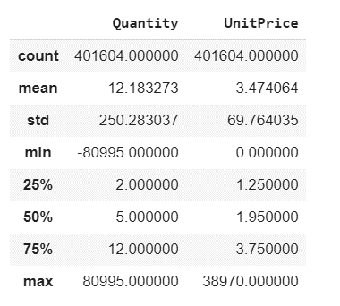
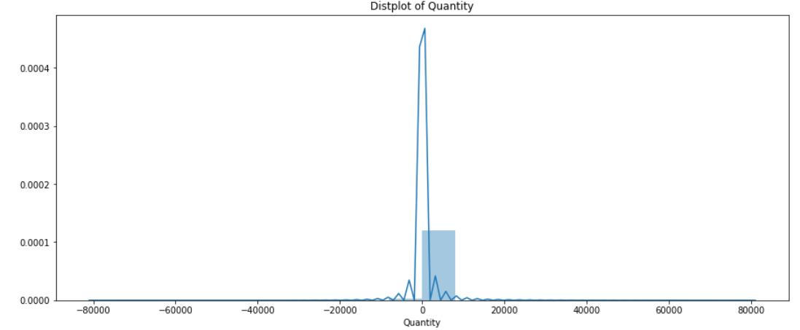
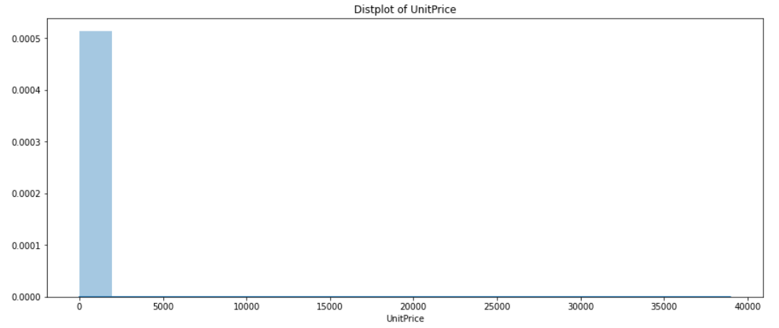

3 | The unique count of the customers, product sold, # transaction done and country participated

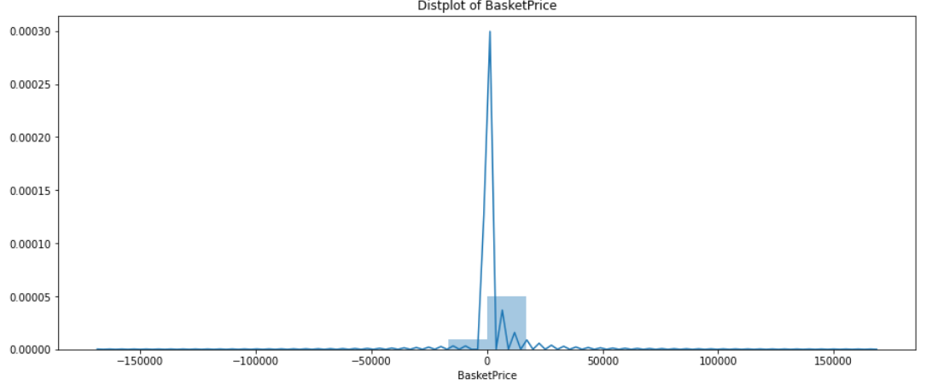
4 | Upgrading the Granularity of dataset from product level to the order level
 | add the Basketprice calculated for each of the invoice constituting ~2L dataset size
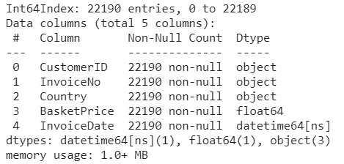
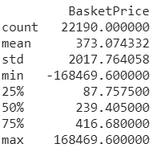

5 | Looking into Orders per Country
 | Graphical and tabulation analysis is present below which infer that the 89% of orders are coming from UK out of total 37 Country
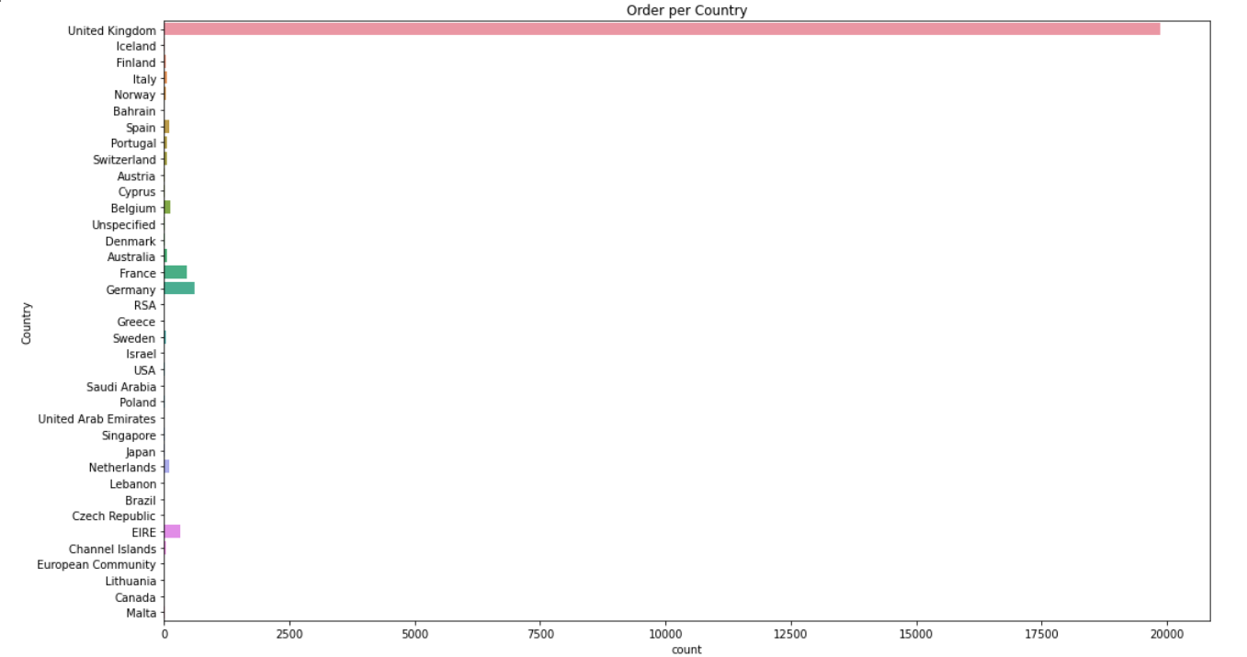
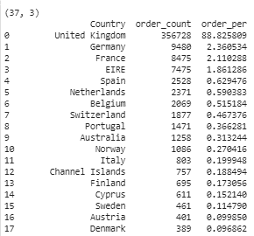

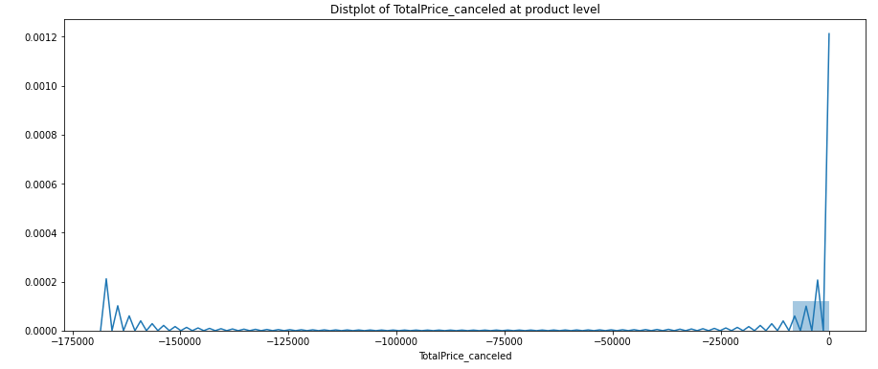
6 | Canceled order analysis
 | The total canceled order count is 3654 coming from 1589 customers with total product 1920 out of 3684

 | 2.2% of products/orders has been canceled by customers in the study period

 | Also, left side graph shows that the product cancelation is happening either for products constituting low amount or very high amount

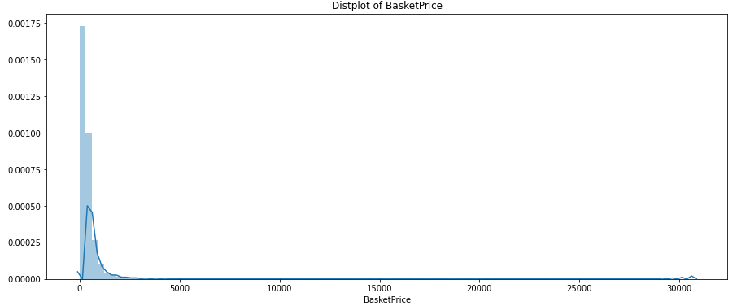
7 | The cancelation order has been removed and calculated the BasketPrice and summarised the dataset at order level
 | So, the dataset is having ~18k rows with average basketprice $458.
 | The distribution plot and boxplot shows that the basketprice is mainly concentrated upto $500 with maxium going upto ~$30k
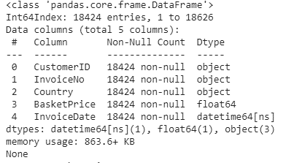
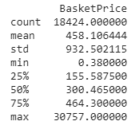

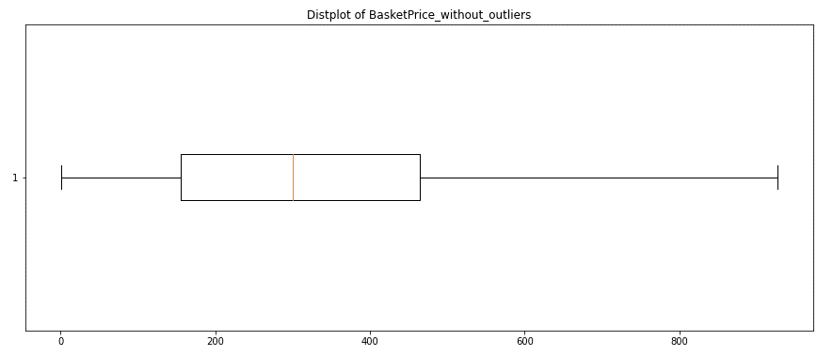
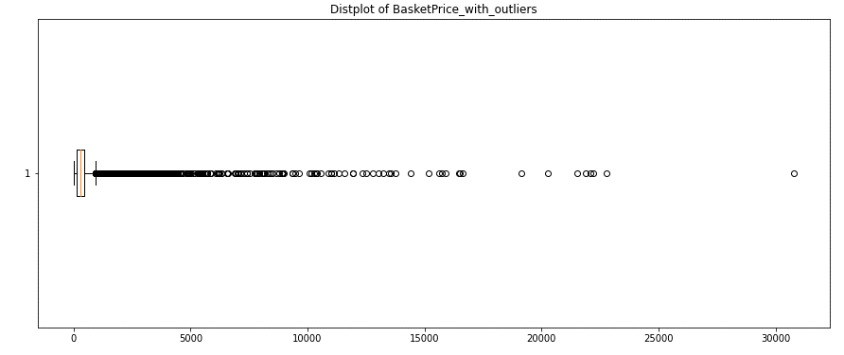

8 | analysing the 1st purchage customers
 | 34% of customers only purchased once

 | Customers who have purchased only once have done the last purchase 6months back on an average

Clustering
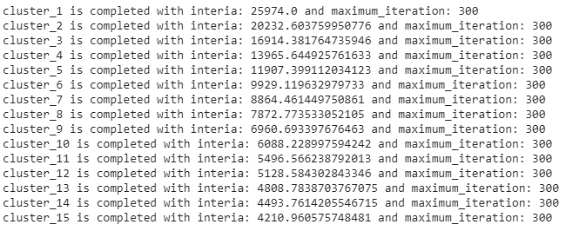
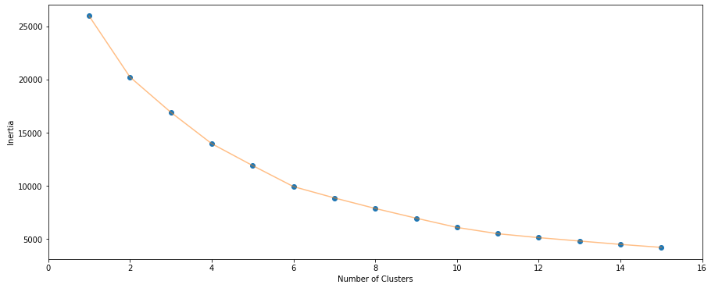

The optimum number of cluster has been chosen to be 8 using the elbow method

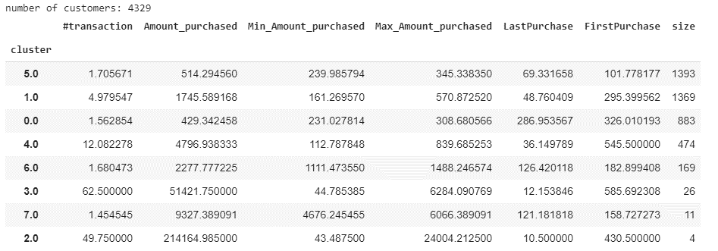

Below are the observations made:
1 | Cluster_2:cluster having 4 customers with highest average purchasing amount : ~ $2L with average orders placed: 50 and visited ~2weeks back
2 | Cluster_3: cluster having 26 customers with average purchasing amount is ~ $51K with average order placed is 62 and visited last ~2 weeks back
 | Both the cluster 2 and 3 are having the old customers
3 | Cluster_5, Cluster_0, Cluster_6 and Cluster_7: These clusters are having average orders placed is ~2. These could be the possible target customers for the campaigns so that these customers visit again to buy the products.

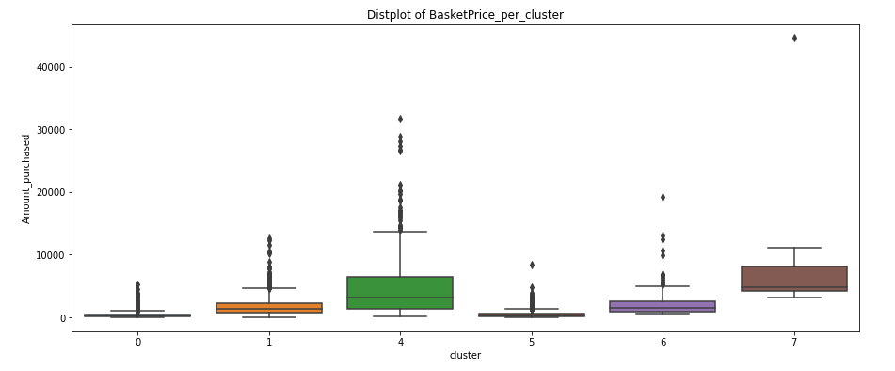

 | This boxplot has been plotted to observe the behavior of other clusters as the cluster_2 and cluster_3 are hiding the distribution of other clusters
4 | Other clusters except for cluster_2 and cluster_3 all are having the customers buying with ~$50K
5 | Cluster_5 customers are having average visit of 12 with average purchasing made ~$5K

Post_clustering
Observations and Findings

1 | cluster 0 is having new customers who have mainly purchsed the product once or twice with average purchasing amount of $430 and have not visited again since more than a quarter

2 | So, for our purpose, we can target these customers as per there requirement and behaviour

These both clustres are having customers having less purchanging capacity with less than 1500

1 | cluster 5 is having those customers who have mainly purchsed the product for twice with average purchasing amount of ~$500 and have not visited again since more than a quarter

2 | So, for our purpose, we can target these customers as per there requirement and behaviour
3 | These are mainly the customers with less purchaging capacity

1 | cluster 7 is having those customers who have mainly purchsed the product for twice with average purchasing amount of ~$10K and have not visited again since more than a quarter

2 | So, for our purpose, we can target these customers as per there requirement and behaviour
3 | These are mainly the customers with purchaging capacity more than 10K

1 | cluster 1 is having those customers who have mainly purchsed the product for 5 times with average purchasing amount of ~$1800 and have not visited again since a month

2 | So, for our purpose, we can target these customers as per there requirement and behaviour
3

These both clustres are having customers having less purchanging capacity but more than $1500

1 | cluster 6 is having those customers who have mainly purchsed the product for twice with average purchasing amount of ~$2300 and have not visited again since more than a quarter

2 | So, for our purpose, we can target these customers as per there requirement and behaviour

1 | As described on high level in tab "Clustering": cluster 2 is having old customers who are already buying in huge amount and have purchaged the product in last 1 month

1 | As described on high level in tab "Clustering": cluster 3 is having old customers who are already buying in huge amount next to cluster_2 customers and purchased the product in last 2 months

1 | cluster 4 is having those customers who have purchsed the product many times with average purchasing amount of ~$5K and have visiting regularly

2 | These customers are the 2nd priority to target as it shows that the company is already having some repo with these customers

Geography
analyse the clusters over geography if we find some pattern
 |  |  |  | Cluester_2
Clustre_2&3: All the customers are beloning to only 3 countries and 2 countries out of 37 respectively
 | These is only cluster which is completely dritributed within only 2or3 countries
 | This cluster belonging to the no priority list

 |  |  |  | Cluester_3

Similarly, Other clusters from priority group 1 could be used for spreading the business in Countries other than UK as below tables suggests.
Top 3 countries
Cluster_0 |  |  | Cluster_1 |  |  | Cluster_4

Cluster_5 |  | Cluster_6 |  |  | Cluster_7
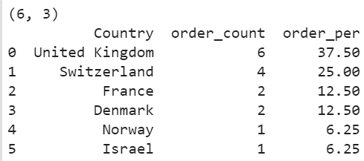

These green clusters except Cluster_7 rest 4 are having capacity to target the already visited customers and the new customers in other two countries

Product_category
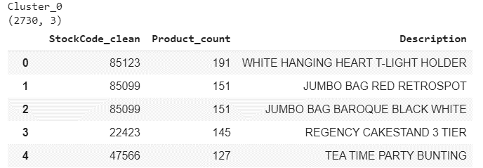
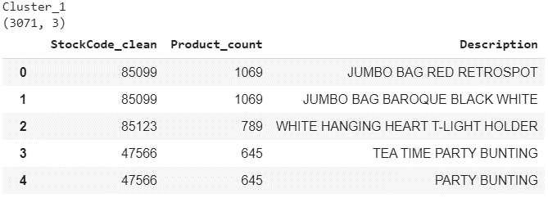
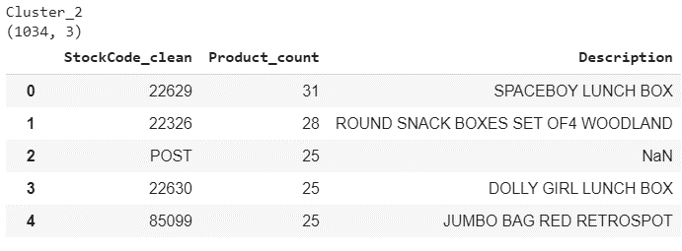
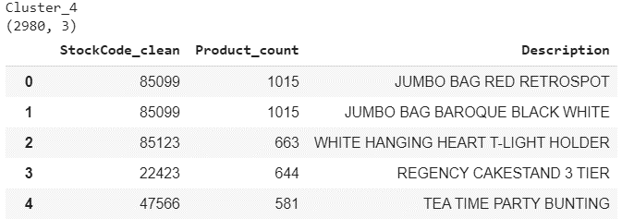
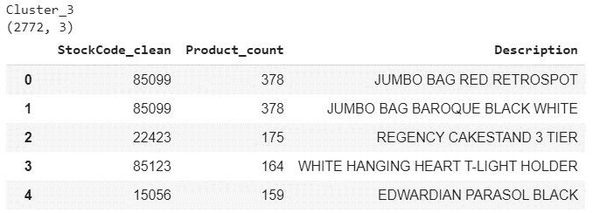
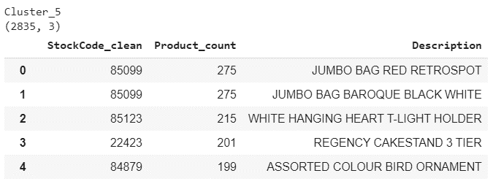
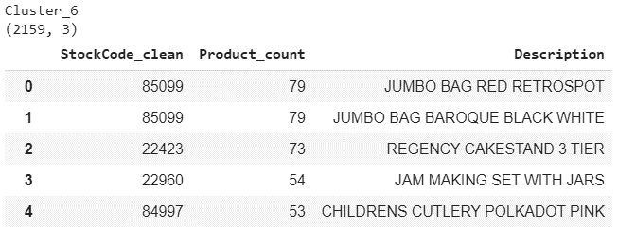
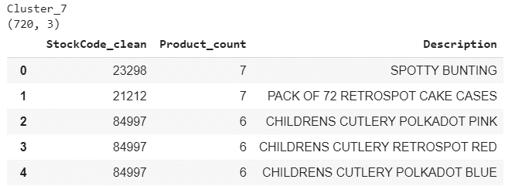
Top 5 products targated by each of the clusters
1 | Jumbo Bag is one o fthe major product and have demand in all clusters
2 | the 2nd famous product is 'Hanging Heart' which can be promotted among cluster 6 and cluster 7 customers

Day_analysis
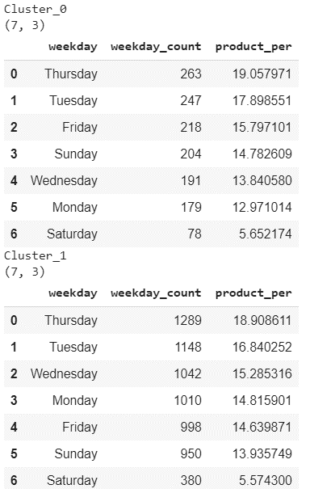
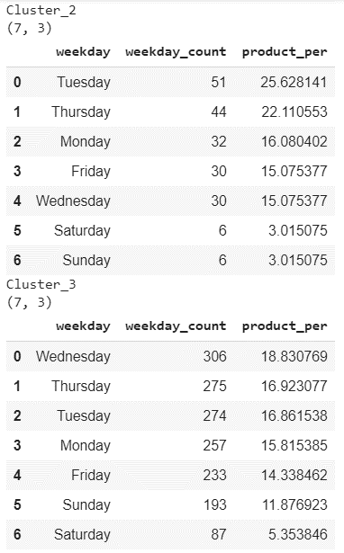
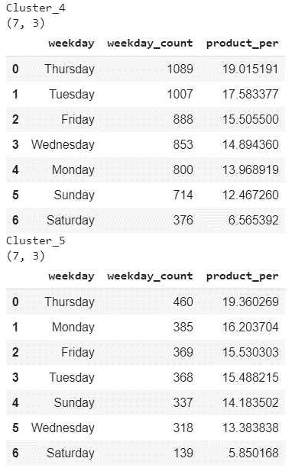
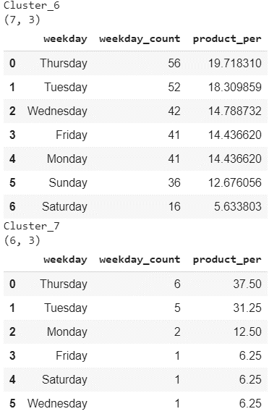
Looking into the days on which custormes prefer to buy
1 | Mostly, customers are buying the prodcut on Thrusday or Tuesday, so it is advisable that if the compny will run the campiagn on these days will get more traffin on the site
2 | Customers are not visiting on weekends

