Sheet1
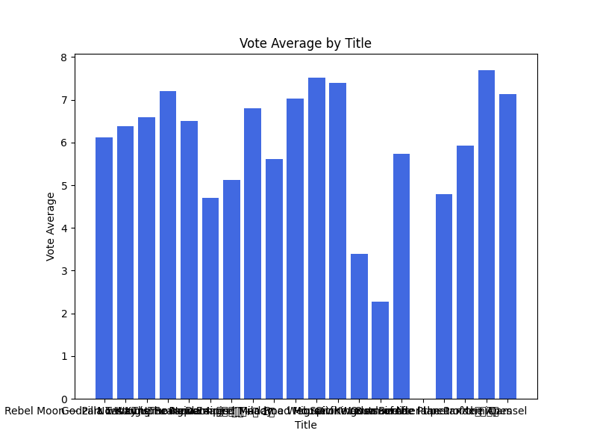
genre_ids | id | original_language | original_title | popularity | poster_path | release_date | title | vote_average | vote_count
[28, 12, 53, 80] | 7451 | en | xXx | 553.312 | /xeEw3eLeSFmJgXZzmF2Efww0q3s.jpg | 2002-08-09 | xXx | 5.931 | 4016
[28, 53] | 984324 | fr | Le salaire de la peur | 530.478 | /jFK2ZLQUzo9pea0jfMCHDfvWsx7.jpg | 2024-03-28 | The Wages of Fear | 5.74 | 194
[12, 28, 18] | 845111 | fr | Les trois mousquetaires : Milady | 1016.504 | /rtosxP5sXuoRFPH4sVbMccLIPiV.jpg | 2023-12-13 | The Three Musketeers: Milady | 6.512 | 332
[10752, 28, 36] | 976906 | en | Spitfire Over Berlin | 766.091 | /xtPPOPTad1qopK6uDe3VlYUa22o.jpg | 2022-05-13 | Spitfire Over Berlin | 3.4 | 11
[28, 53] | 359410 | en | Road House | 712.368 | /bXi6IQiQDHD00JFio5ZSZOeRSBh.jpg | 2024-03-08 | Road House | 7.026 | 1571
[878, 28, 18, 12] | 934632 | en | Rebel Moon — Part Two: The Scargiver | 2061.982 | /cxevDYdeFkiixRShbObdwAHBZry.jpg | 2024-04-19 | Rebel Moon — Part Two: The Scargiver | 6.127 | 462
[28, 35] | 942047 | en | Outsource | 534.58 | /zIAF0UXtCJTJOYNYWiBfyifaaOi.jpg | 2022-01-18 | Outsource | 2.273 | 11
[28, 27, 53] | 1096197 | en | No Way Up | 1945.68 | /hu40Uxp9WtpL34jv3zyWLb5zEVY.jpg | 2024-01-18 | No Way Up | 6.379 | 446
[16, 28, 12, 35, 10751] | 940551 | en | Migration | 683.543 | /ldfCF9RhR40mppkzmftxapaHeTo.jpg | 2023-12-06 | Migration | 7.522 | 1239
[28, 14] | 634492 | en | Madame Web | 734.014 | /rULWuutDcN5NvtiZi4FRPzRYWSh.jpg | 2024-02-14 | Madame Web | 5.614 | 1140
[16, 28, 10751, 35, 14] | 1011985 | en | Kung Fu Panda 4 | 1476.408 | /kDp1vUBnMpe8ak4rjgl3cLELqjU.jpg | 2024-03-02 | Kung Fu Panda 4 | 7.2 | 1303
[878, 12, 28] | 653346 | en | Kingdom of the Planet of the Apes | 461.849 | /fAjyUDKABSehK6pHWvh9ket5X3z.jpg | 2024-05-08 | Kingdom of the Planet of the Apes | 0 | 0
[28, 80, 18, 53] | 654739 | ko | 발신제한 | 407.966 | /y2Aimt8isimtigec3e4kB2G9FMR.jpg | 2021-06-23 | Hard Hit | 7.693 | 171
[28, 878, 12] | 823464 | en | Godzilla x Kong: The New Empire | 1768.029 | /tMefBSflR6PGQLv7WvFPpKLZkyk.jpg | 2024-03-27 | Godzilla x Kong: The New Empire | 6.6 | 755
[28, 53, 10752] | 784651 | hi | फाइटर | 764.134 | /zDZowwb9GZGEctAu2PCpjiPQAMM.jpg | 2024-01-24 | Fighter | 5.125 | 44
[14, 28, 12] | 763215 | en | Damsel | 405.428 | /AgHbB9DCE9aE57zkHjSmseszh6e.jpg | 2024-03-07 | Damsel | 7.139 | 1677
[28, 80, 53] | 1105407 | en | Damaged | 890.659 | /tMO0YLXgJZBnIAjoTSz26zE33YN.jpg | 2024-04-12 | Damaged | 4.7 | 38
[10752, 28, 18] | 929590 | en | Civil War | 567.376 | /sh7Rg8Er3tFcN9BpKIPOMvALgZd.jpg | 2024-04-10 | Civil War | 7.4 | 417
[878, 28, 14, 12] | 601796 | ko | 외계+인 1부 | 720.098 | /8QVDXDiOGHRcAD4oM6MXjE0osSj.jpg | 2022-07-20 | Alienoid | 6.807 | 290
[878, 28] | 935271 | en | After the Pandemic | 423.953 | /p1LbrdJ53dGfEhRopG71akfzOVu.jpg | 2022-03-01 | After the Pandemic | 4.798 | 57

