Sheet2
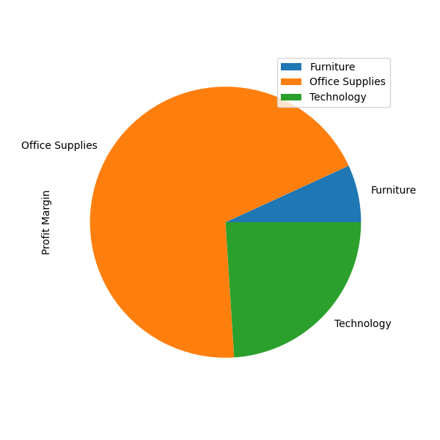
 | Category | Profit Margin
0 | Furniture | 82.25987395
1 | Office Supplies | 831.77055556
2 | Technology | 288.38698413

Sheet3
 | Sub-Category | Profit Margin
0 | Accessories | 169.1125
1 | Appliances | -73.101111111
2 | Art | 200.31
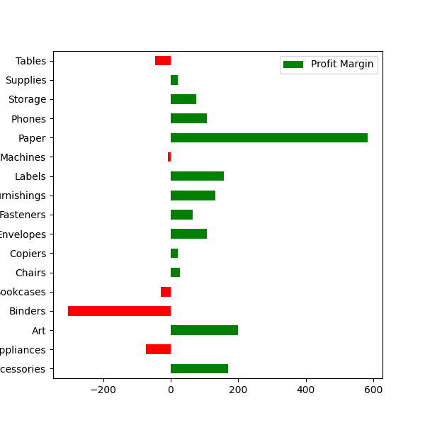
3 | Binders | -303.98333333
4 | Bookcases | -28.873935574
5 | Chairs | 27.086071429
6 | Copiers | 21.569166667
7 | Envelopes | 107.4775
8 | Fasteners | 64.92
9 | Furnishings | 131.1725
10 | Labels | 156.3975
11 | Machines | -8.283015873
12 | Paper | 583.0725
13 | Phones | 105.98833333
14 | Storage | 75.39
15 | Supplies | 21.2875
16 | Tables | -47.124761905

Sheet4
 | Product Name | Sales
0 | Canon imageCLASS 2200 Advanced Copier | 61599.824
1 | Fellowes PB500 Electric Punch Plastic Comb Binding Machine with Manual Bind | 27453.384
2 | Cisco TelePresence System EX90 Videoconferencing Unit | 22638.48
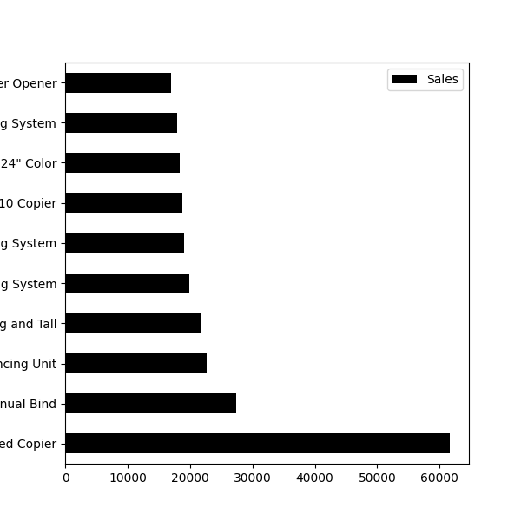
3 | HON 5400 Series Task Chairs for Big and Tall | 21870.576
4 | GBC DocuBind TL300 Electric Binding System | 19823.479
5 | GBC Ibimaster 500 Manual ProClick Binding System | 19024.5
6 | Hewlett Packard LaserJet 3310 Copier | 18839.686
7 | HP Designjet T520 Inkjet Large Format Printer - 24" Color | 18374.895
8 | GBC DocuBind P400 Electric Binding System | 17965.068
9 | High Speed Automatic Electric Letter Opener | 17030.312

Sheet5
 | Product Name | Profit
0 | Canon imageCLASS 2200 Advanced Copier | 25199.928
1 | Fellowes PB500 Electric Punch Plastic Comb Binding Machine with Manual Bind | 7753.039
2 | Hewlett Packard LaserJet 3310 Copier | 6983.8836
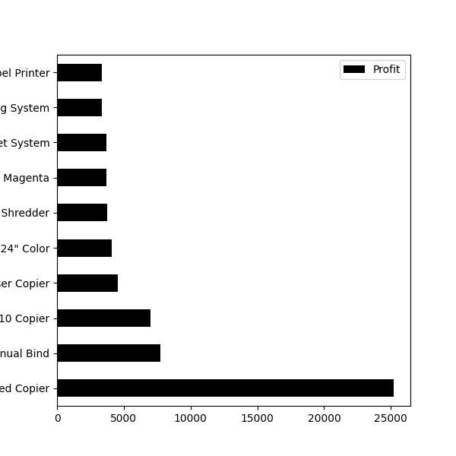
3 | Canon PC1060 Personal Laser Copier | 4570.9347
4 | HP Designjet T520 Inkjet Large Format Printer - 24" Color | 4094.9766
5 | Ativa V4110MDD Micro-Cut Shredder | 3772.9461
6 | 3D Systems Cube Printer, 2nd Generation, Magenta | 3717.9714
7 | Plantronics Savi W720 Multi-Device Wireless Headset System | 3696.282
8 | Ibico EPK-21 Electric Binding System | 3345.2823
9 | Zebra ZM400 Thermal Label Printer | 3343.536

Sheet6
 | Customer ID | Sales
0 | SM-20320 | 25043.05
1 | TC-20980 | 19052.218
2 | RB-19360 | 15117.339
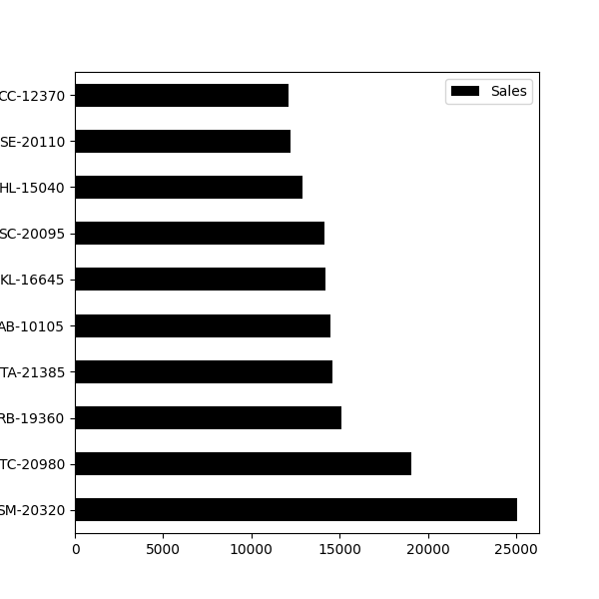
3 | TA-21385 | 14595.62
4 | AB-10105 | 14473.571
5 | KL-16645 | 14175.229
6 | SC-20095 | 14142.334
7 | HL-15040 | 12873.298
8 | SE-20110 | 12209.438
9 | CC-12370 | 12129.072

Sheet7
 | Customer ID | Profit
0 | TC-20980 | 8981.3239
1 | RB-19360 | 6976.0959
2 | SC-20095 | 5757.4119
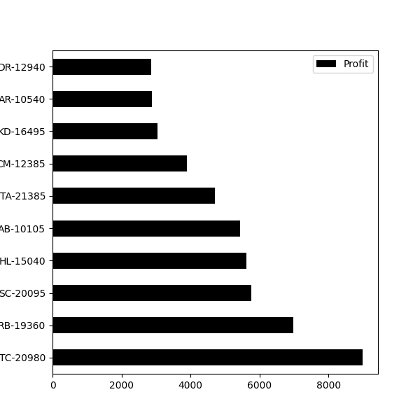
3 | HL-15040 | 5622.4292
4 | AB-10105 | 5444.8055
5 | TA-21385 | 4703.7883
6 | CM-12385 | 3899.8904
7 | KD-16495 | 3038.6254
8 | AR-10540 | 2884.6208
9 | DR-12940 | 2869.076

Sheet8
 | Product Name | Sales
0 | Eureka Disposable Bags for Sanitaire Vibra Groomer I Upright Vac | 1.624
1 | Avery 5 | 5.76
2 | Xerox 20 | 6.48
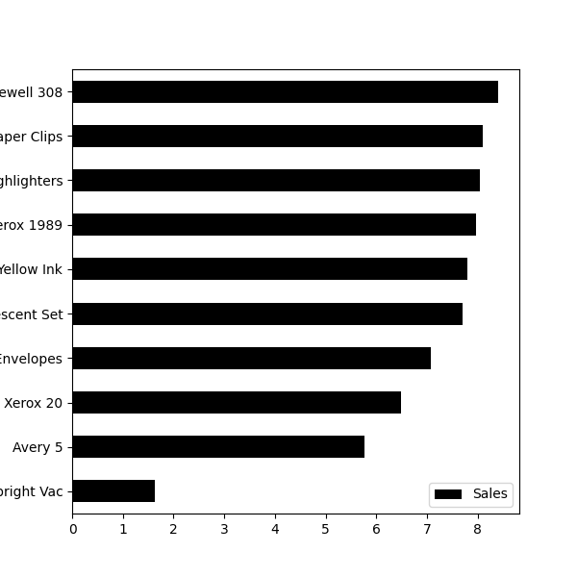
3 | Grip Seal Envelopes | 7.072
4 | Avery Hi-Liter Pen Style Six-Color Fluorescent Set | 7.7
5 | Avery Hi-Liter Comfort Grip Fluorescent Highlighter, Yellow Ink | 7.8
6 | Xerox 1989 | 7.968
7 | 4009 Highlighters | 8.04
8 | Stockwell Gold Paper Clips | 8.096
9 | Newell 308 | 8.4

Sheet9
 | Product Name | Profit
0 | Cubify CubeX 3D Printer Double Head Print | -8879.9704
1 | Lexmark MX611dhe Monochrome Laser Printer | -4589.973
2 | Cubify CubeX 3D Printer Triple Head Print | -3839.9904
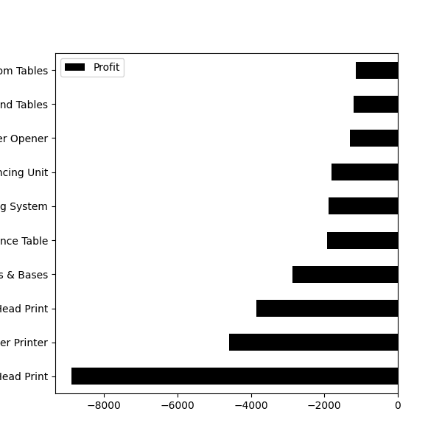
3 | Chromcraft Bull-Nose Wood Oval Conference Tables & Bases | -2876.1156
4 | Bush Advantage Collection Racetrack Conference Table | -1934.3976
5 | GBC DocuBind P400 Electric Binding System | -1878.1662
6 | Cisco TelePresence System EX90 Videoconferencing Unit | -1811.0784
7 | Martin Yale Chadless Opener Electric Letter Opener | -1299.1836
8 | Balt Solid Wood Round Tables | -1201.0581
9 | BoxOffice By Design Rectangular and Half-Moon Meeting Room Tables | -1148.4375

Sheet10
 | Customer ID | Sales
0 | TS-21085 | 4.833
1 | LD-16855 | 5.304
2 | CJ-11875 | 16.52
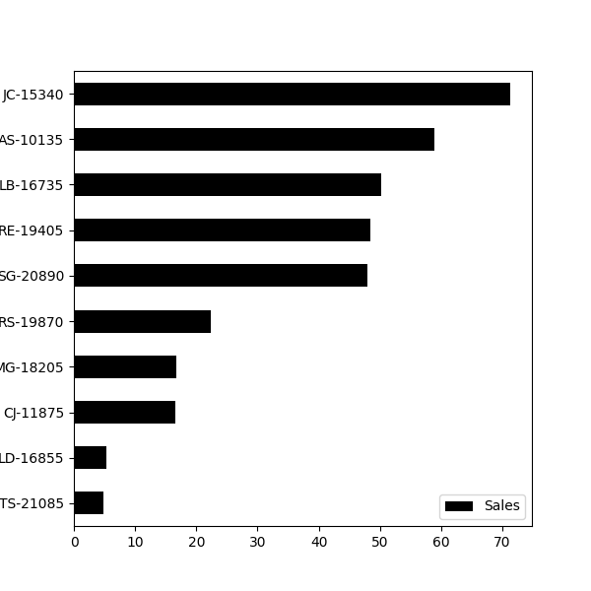
3 | MG-18205 | 16.739
4 | RS-19870 | 22.328
5 | SG-20890 | 47.946
6 | RE-19405 | 48.36
7 | LB-16735 | 50.188
8 | AS-10135 | 58.82
9 | JC-15340 | 71.263

Sheet11
 | Customer ID | Profit
0 | CS-12505 | -6626.3895
1 | GT-14635 | -4108.6589
2 | LF-17185 | -3583.977
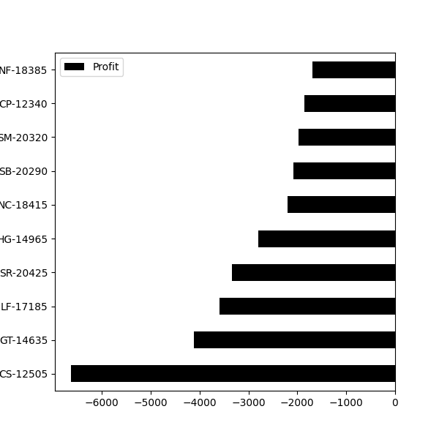
3 | SR-20425 | -3333.9144
4 | HG-14965 | -2797.9635
5 | NC-18415 | -2204.8072
6 | SB-20290 | -2082.7451
7 | SM-20320 | -1980.7393
8 | CP-12340 | -1850.3029
9 | NF-18385 | -1695.9714

Sheet12
 | Month | Sales
0 | January 2014 | 14236.895
1 | February 2014 | 4519.892
2 | March 2014 | 55691.009
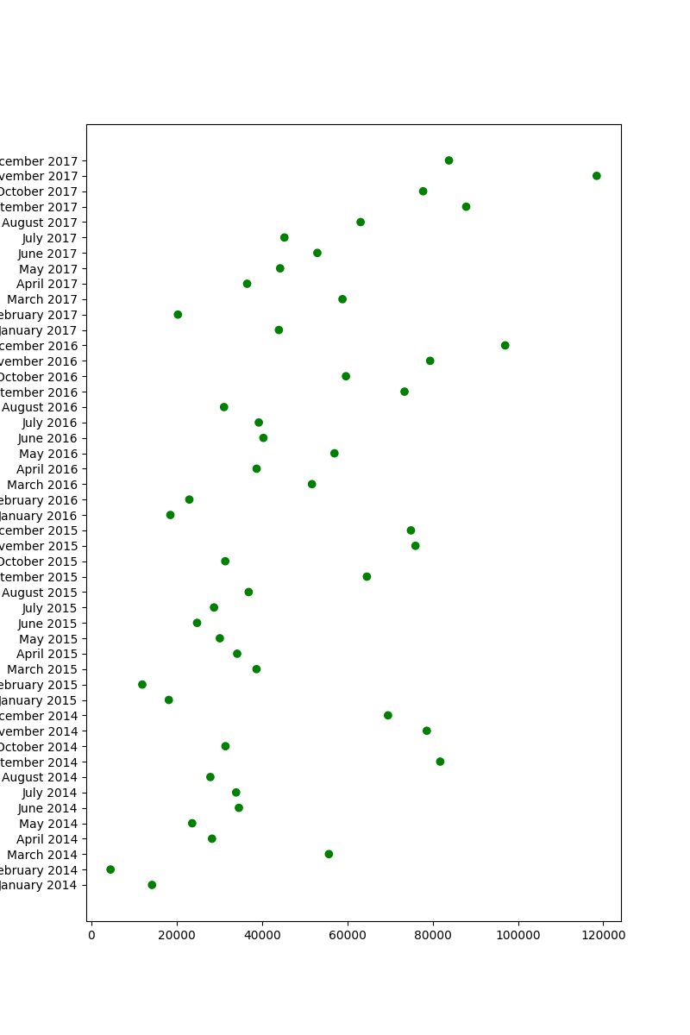
3 | April 2014 | 28295.345
4 | May 2014 | 23648.287
5 | June 2014 | 34595.1276
6 | July 2014 | 33946.393
7 | August 2014 | 27909.4685
8 | September 2014 | 81777.3508
9 | October 2014 | 31453.393
10 | November 2014 | 78628.7167
11 | December 2014 | 69545.6205
12 | January 2015 | 18174.0756
13 | February 2015 | 11951.411
14 | March 2015 | 38726.252
15 | April 2015 | 34195.2085
16 | May 2015 | 30131.6865
17 | June 2015 | 24797.292
18 | July 2015 | 28765.325
19 | August 2015 | 36898.3322
20 | September 2015 | 64595.918
21 | October 2015 | 31404.9235
22 | November 2015 | 75972.5635
23 | December 2015 | 74919.5212
24 | January 2016 | 18542.491
25 | February 2016 | 22978.815
26 | March 2016 | 51715.875
27 | April 2016 | 38750.039
28 | May 2016 | 56987.728
29 | June 2016 | 40344.534
30 | July 2016 | 39261.963
31 | August 2016 | 31115.3743
32 | September 2016 | 73410.0249
33 | October 2016 | 59687.745
34 | November 2016 | 79411.9658
35 | December 2016 | 96999.043
36 | January 2017 | 43971.374
37 | February 2017 | 20301.1334
38 | March 2017 | 58872.3528
39 | April 2017 | 36521.5361
40 | May 2017 | 44261.1102
41 | June 2017 | 52981.7257
42 | July 2017 | 45264.416
43 | August 2017 | 63120.888
44 | September 2017 | 87866.652
45 | October 2017 | 77776.9232
46 | November 2017 | 118447.825
47 | December 2017 | 83829.3188

Sheet13
 | Month | Profits
0 | January 2014 | 2450.1907
1 | February 2014 | 862.3084
2 | March 2014 | 498.7299
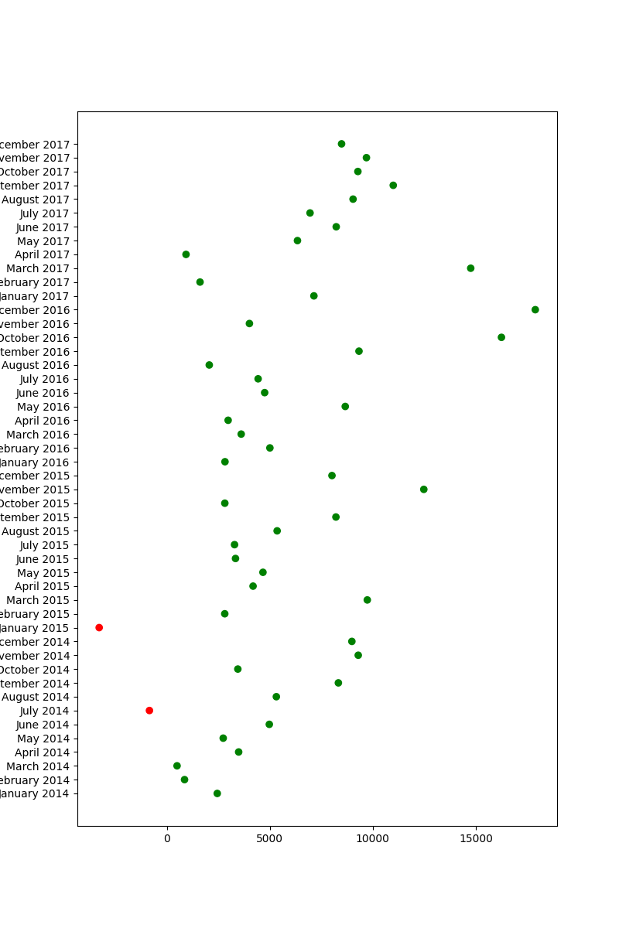
3 | April 2014 | 3488.8352
4 | May 2014 | 2738.7096
5 | June 2014 | 4976.5244
6 | July 2014 | -841.4826
7 | August 2014 | 5318.105
8 | September 2014 | 8328.0994
9 | October 2014 | 3448.2573
10 | November 2014 | 9292.1269
11 | December 2014 | 8983.5699
12 | January 2015 | -3281.007
13 | February 2015 | 2813.8508
14 | March 2015 | 9732.0978
15 | April 2015 | 4187.4962
16 | May 2015 | 4667.869
17 | June 2015 | 3335.5572
18 | July 2015 | 3288.6483
19 | August 2015 | 5355.8084
20 | September 2015 | 8209.1627
21 | October 2015 | 2817.366
22 | November 2015 | 12474.7884
23 | December 2015 | 8016.9659
24 | January 2016 | 2824.8233
25 | February 2016 | 5004.5795
26 | March 2016 | 3611.968
27 | April 2016 | 2977.8149
28 | May 2016 | 8662.1464
29 | June 2016 | 4750.3781
30 | July 2016 | 4432.8779
31 | August 2016 | 2062.0693
32 | September 2016 | 9328.6576
33 | October 2016 | 16243.1425
34 | November 2016 | 4011.4075
35 | December 2016 | 17885.3093
36 | January 2017 | 7140.4391
37 | February 2017 | 1613.872
38 | March 2017 | 14751.8915
39 | April 2017 | 933.29
40 | May 2017 | 6342.5828
41 | June 2017 | 8223.3357
42 | July 2017 | 6952.6212
43 | August 2017 | 9040.9557
44 | September 2017 | 10991.5556
45 | October 2017 | 9275.2755
46 | November 2017 | 9690.1037
47 | December 2017 | 8483.3468

