Data_Summary_Graphs
Raw Data |  |  |  |  | 48 hp BTH, 24hpi |  |  |  |  |  |  |  | p-values from Tukey-HSD in R
Data from file “RS6_48hpBTH_24hpi_SA_SAG.csv” |  |  |  | RS6 | SA (ng/g FW) |  |  |  | SAG (ng/g FW) |  |  |  | 48 hpBTH, 24 hpi
48 hp BTH, 24 hp Infiltration |  |  |  |  | 23°C |  | 30°C |  | 23°C |  | 30°C |  | RS6 SA | p adj | RS6 SAG | p adj
Sample ID | SA | SAG |  |  | Ave | SEM | Ave | SEM | Ave | SEM | Ave | SEM | 23C:Mock-23C:BTH | 0.0042729648249 | 23C:Mock-23C:BTH | 0.00021985692092
23C, Mock1, MI | 151.6 | 1460.8 |  | Mock | 187.9 | 23.7 | 135.0 | 46.4 | 1431.5 | 73.8 | 1160.1 | 187.5 | 23C:Mock-23C:DC3000 | 0.00011371407481 | 23C:Mock-23C:DC3000 | 0.30164539159
23C, Mock2, MI | 142.3 | 1400.2 |  | BTH | 1841.9 | 606.2 | 207.1 | 35.1 | 33157.4 | 10050.0 | 4362.3 | 500.9 | 23C:Mock-23C:both | 0.12112867819 | 23C:Mock-23C:both | 0.0025182469907
23C, Mock3, MI | 227.0 | 1610.6 |  | DC3000 | 2403.6 | 364.0 | 43.8 | 9.2 | 14855.0 | 2705.4 | 886.5 | 200.0 | 30C:Mock-23C:Mock | 0.99999992622 | 30C:Mock-23C:Mock | 0.99999999996
23C, Mock4, MI | 230.7 | 1254.2 |  | BTH+DC3000 | 1277.2 | 215.1 | 243.5 | 145.8 | 27500.2 | 3992.3 | 4587.8 | 2057.5 | 23C:Mock-30C:BTH | 0.99999999994 | 23C:Mock-30C:BTH | 0.99944760088
23C, BTH1, MI | 3514.8 | 62645.6 |  |  | 23°C, Mock | 23°C, BTH | 23°C, DC3K | 23°C, both | 30°C, Mock | 30°C, BTH | 30°C, DC3K | 30°C, both | 23C:Mock-30C:DC3000 | 0.99992633192 | 23C:Mock-30C:DC3000 | 0.99999999462
23C, BTH2, MI | 767.8 | 19874.7 |  | SA | a | b | b | ab | a | a | a | a | 23C:Mock-30C:both | 0.99999989482 | 23C:Mock-30C:both | 0.99910683122
23C, BTH3, MI | 1915.4 | 29221.5 |  | SAG | a | b | ab | b | a | a | a | a
23C, BTH4, MI | 1169.4 | 20887.8 |  |  |  |  |  |  |  |  |  |  | 23C:DC3000-23C:BTH | 0.80717761603 | 23C:DC3000-23C:BTH | 0.060209606415
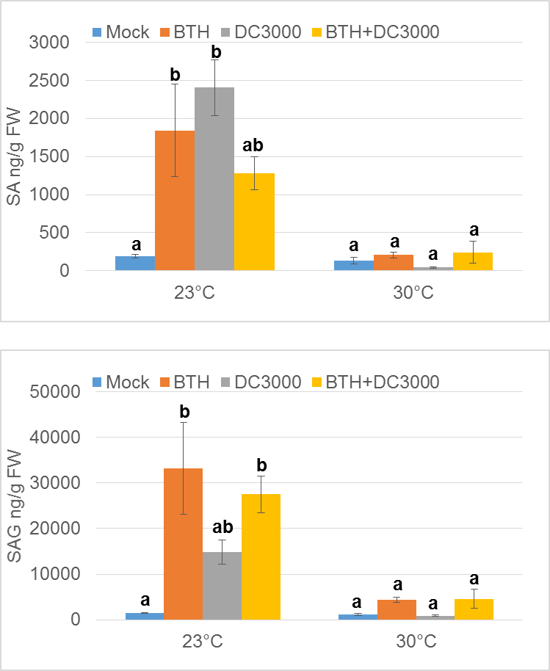
30C, Mock1, MI | 220.3 | 1000.6 |  |  |  |  |  |  |  |  |  |  | 23C:BTH-23C:both | 0.80326169246 | 23C:BTH-23C:both | 0.97048577937
30C, Mock2, MI | 59.1 | 1497.1 | Question: |  |  |  |  |  |  |  |  |  | 30C:Mock-23C:BTH | 0.0030460041227 | 30C:Mock-23C:BTH | 0.00019567195837
30C, Mock3, MI | 210.2 | 1437.0 | SA data: Why is 23C, BTH+DC3000 sample not different from Mock or 30C samples? |  |  |  |  |  |  |  |  |  | 30C:BTH-23C:BTH | 0.004829452016 | 30C:BTH-23C:BTH | 0.00077791477942
30C, Mock4, MI | 50.5 | 705.8 |  |  |  |  |  |  |  |  |  |  | 30C:DC3000-23C:BTH | 0.0016914223461 | 30C:DC3000-23C:BTH | 0.00017400115406
30C, BTH1, MI | 118.8 | 3546.8 |  |  |  |  |  |  |  |  |  |  | 23C:BTH-30C:both | 0.0060869831871 | 23C:BTH-30C:both | 0.00085749688768
30C, BTH2, MI | 186.1 | 4203.6
30C, BTH3, MI | 244.0 | 5810.0 |  |  |  |  |  |  |  |  |  |  | 23C:DC3000-23C:both | 0.099848562486 | 23C:DC3000-23C:both | 0.37078442101
30C, BTH4, MI | 279.4 | 3888.6 |  |  |  |  |  |  |  |  |  |  | 30C:Mock-23C:DC3000 | 8.11E-05 | 30C:Mock-23C:DC3000 | 0.27960629445
23C, Mock5, DC | 2372.9 | 18401.4 |  |  |  |  |  |  |  |  |  |  | 23C:DC3000-30C:BTH | 0.00012860706359 | 23C:DC3000-30C:BTH | 0.59555817271
23C, Mock6, DC | 2416.0 | 15034.6 |  |  |  |  |  |  |  |  |  |  | 30C:DC3000-23C:DC3000 | 4.54E-05 | 30C:DC3000-23C:DC3000 | 0.25851001705
23C, Mock7, DC | 1521.5 | 7148.9 |  |  |  |  |  |  |  |  |  |  | 23C:DC3000-30C:both | 0.00016250714978 | 23C:DC3000-30C:both | 0.62028772119
23C, Mock8, DC | 3304.0 | 18835.0
23C, BTH5, DC | 1824.2 | 34567.2 |  |  |  |  |  |  |  |  |  |  | 30C:Mock-23C:both | 0.091801791619 | 30C:Mock-23C:both | 0.0022414001019
23C, BTH6, DC | 979.6 | 20307.6 |  |  |  |  |  |  |  |  |  |  | 30C:BTH-23C:both | 0.1335826647 | 30C:BTH-23C:both | 0.0087330758125
23C, BTH7, DC | 891.5 | 20870.6 |  |  |  |  |  |  |  |  |  |  | 30C:DC3000-23C:both | 0.0555370574 | 30C:DC3000-23C:both | 0.001992790695
23C, BTH8, DC | 1413.6 | 34255.3 |  |  |  |  |  |  |  |  |  |  | 30C:both-23C:both | 0.16012571094 | 30C:both-23C:both | 0.0095954000921
30C, Mock5, DC | 26.0 | 721.4
30C, Mock6, DC | 31.3 | 441.0 |  |  |  |  |  |  |  |  |  |  | 30C:Mock-30C:BTH | 0.99999936474 | 30C:Mock-30C:BTH | 0.99902007134
30C, Mock7, DC | 52.7 | 1007.6 |  |  |  |  |  |  |  |  |  |  | 30C:Mock-30C:DC3000 | 0.99999673559 | 30C:Mock-30C:DC3000 | 0.99999999996
30C, Mock8, DC | 65.1 | 1376.1 |  |  |  |  |  |  |  |  |  |  | 30C:Mock-30C:both | 0.99998933224 | 30C:Mock-30C:both | 0.9984862186
30C, BTH5, DC | 78.7 | 2429.6
30C, BTH6, DC | 680.4 | 10740.9 |  |  |  |  |  |  |  |  |  |  | 30C:DC3000-30C:BTH | 0.99982984191 | 30C:DC3000-30C:BTH | 0.99834660701
30C, BTH7, DC | 109.3 | 2201.8 |  |  |  |  |  |  |  |  |  |  | 30C:BTH-30C:both | 0.9999999945 | 30C:BTH-30C:both | 0.99999999999
30C, BTH8, DC | 105.5 | 2978.8
 |  |  |  |  |  |  |  |  |  |  |  |  | 30C:DC3000-30C:both | 0.99935994459 | 30C:DC3000-30C:both | 0.99754453349

