results_sh.txt
GRAFO | ESQUEMA DE PARTICIÓN | MIP: | Phi: | TIEMPO:
 | emd bi | Cut[A,B,C]━━//━━➤[D] | Φ=0 | 2,61768s
 | emd bi cut approximation | NullCut((0,1,2,3)) | Φ=0 | 0,001276s
 | emd bi memorization | Cut[A,B,C]━━//━━➤[D] | Φ=0 | 2,977983s
 | emd bi no new | Cut[A,B,C]━━//━━➤[D] | Φ=0 | 2,093082s
 | emd bi parallel | Cut[A,B,C]━━//━━➤[D] | Φ=0 | 2,538391s
 | emd tri cm | NullCut((0,1,2,3)) | Φ=0 | 0,001294s
 | emd tri no cm | Cut[A,B,C]━━//━━➤[D] | Φ=0 | 7,17406s
 | l1 bi cm | NullCut((0,1,2,3)) | Φ=0 | 0,003814s
 | l1 bi no cm | Cut[A,B,C]━━//━━➤[D] | Φ=0 | 1,62505s
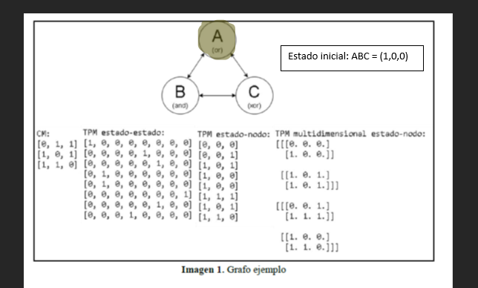 | emd bi | Cut[A,B]━━//━━➤[C] | Φ=1,916665 | 0,33793s
 | emd bi cut approximation | Cut[A,B]━━//━━➤[C] | Φ=1,916665 | 0,26058s
 | emd bi memorization | Cut[A,B]━━//━━➤[C] | Φ=1,916665 | 0,356493s
 | emd bi no new | Cut[A,B]━━//━━➤[C] | Φ=1,916665 | 0,33473s
 | emd bi parallel | Cut[A,B]━━//━━➤[C] | Φ=1,916665 | 0,359191s
 | emd tri cm | Cut[A,B]━━//━━➤[C] | Φ=2,680553 | 0,313732s
 | emd tri no cm | Cut[A,B]━━//━━➤[C] | Φ=2,680553 | 0,491263s
 | l1 bi cm | Cut[A,B]━━//━━➤[C] | Φ=4,784722 | 0,221356s
 | l2 bi no cm | Cut[A,B]━━//━━➤[C] | Φ=4,784722 | 0,298942s
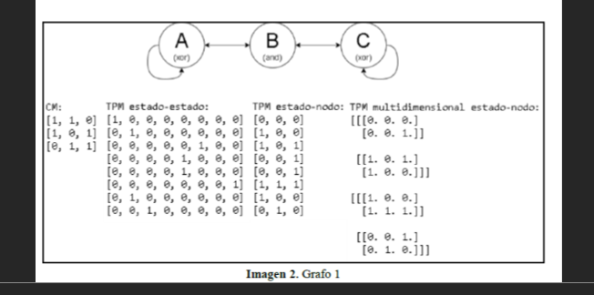 | emd bi | Cut[A,B]━━//━━➤[C] | Φ=0,520834 | 0,327442s
 | emd bi cut approximation | Cut[B,C]━━//━━➤[A] | Φ=0,520834 | 0,278416s
 | emd bi memorization | Cut[A,B]━━//━━➤[C] | Φ=0,520834 | 0,328216s
 | emd bi no new | Cut[C]━━//━━➤[A,B] | Φ=0,520834 | 0,257523s
 | emd bi parallel | Cut[A,B]━━//━━➤[C] | Φ=0,520834 | 0,321521s
 | emd tri cm | Cut[A,B]━━//━━➤[C] | Φ=0,659722 | 0,329101s
 | emd tri no cm | Cut[A,B]━━//━━➤[C] | Φ=0,659723 | 0,467556s
 | l1 bi cm | Cut[A]━━//━━➤[B,C] | Φ=1,416665 | 0,232122s
 | l1 bi no cm | Cut[C]━━//━━➤[A,B] | Φ=1,416665 | 0,287854s
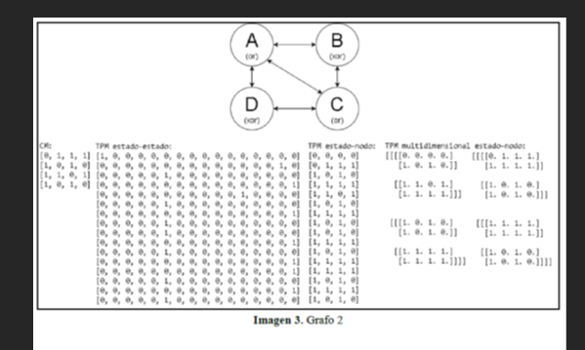 | emd bi | Cut[A,B,C]━━//━━➤[D] | Φ=0,308035 | 2,339657s
 | emd bi cut approximation | Cut[A,C,D]━━//━━➤[B] | Φ=0,308035 | 0,798052s
 | emd bi memorization | Cut[A,B,C]━━//━━➤[D] | Φ=0,308035 | 4,254868s
 | emd bi no new | Cut[A,B,C]━━//━━➤[D] | Φ=0,308035 | 0,931816s
 | emd bi parallel | Cut[A,B,C]━━//━━➤[D] | Φ=0,308035 | 2,308236s
 | emd tri cm | Cut[A,B,C]━━//━━➤[D] | Φ=0,401785 | 2,060423s
 | emd tri no cm | Cut[A,B,C]━━//━━➤[D] | Φ=0,401785 | 4,834614s
 | l1 bi cm | Cut[A,B,C]━━//━━➤[D] | Φ=1,224332 | 0,871646s
 | l1 bi no cm | Cut[A,B,C]━━//━━➤[D] | Φ=1,224332 | 1,549764s
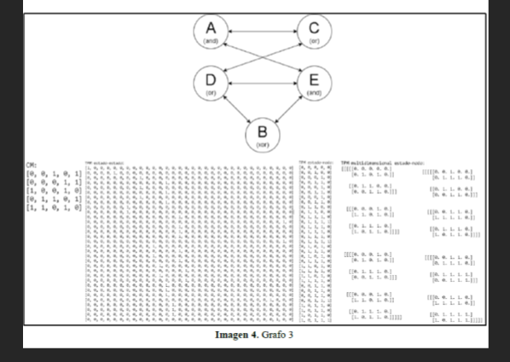 | emd bi | Cut[A,B,C,D]━━//━━➤[E] | Φ=0,048788 | 19,771313s
 | emd bi cut approximation | Cut[A,B,C,D]━━//━━➤[E] | Φ=0,048788 | 2,406701s
 | emd bi memorization | Cut[A,B,C,D]━━//━━➤[E] | Φ=0,048788 | 19,965255s
 | emd bi no new | Cut[A,B,C,D]━━//━━➤[E] | Φ=0,048788 | 3,434969s
 | emd bi parallel | Cut[A,B,C,D]━━//━━➤[E] | Φ=0,048788 | 19,953616s
 | emd tri cm | Cut[A,C,D,E]━━//━━➤[B] | Φ=0,1875 | 13,145709s
 | emd tri no cm | Cut[A,C,D,E]━━//━━➤[B] | Φ=0,187501 | 100,962663s
 | l1 bi cm | Cut[A,B,C,D]━━//━━➤[E] | Φ=0,169643 | 2,833316s
 | l1 bi no cm | Cut[A,B,C,D]━━//━━➤[E] | Φ=0,169643 | 11,64626s
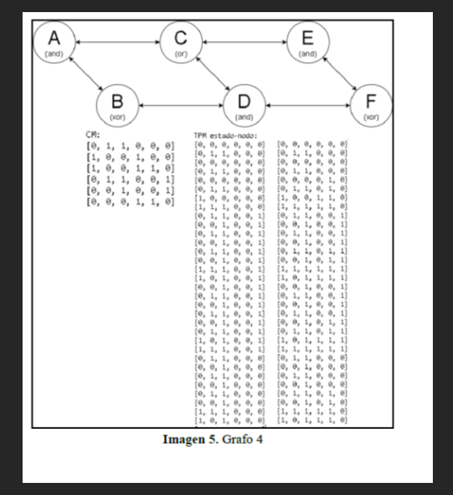 | emd bi | Cut[A,B,C,E,F]━━//━━➤[D] | Φ = 0.250981 | 298.861476s
 | emd bi cut approximation | Cut[A,B,C,E,F]━━//━━➤[D] | Φ=0,250981 | 3,73105s
 | emd bi memorization | Cut[A,B,C,E,F]━━//━━➤[D] | Φ=0,250981 | 328,925676s
 | emd bi no new | Cut[A,B,C,E,F]━━//━━➤[D] | Φ=0,250981 | 32,28119s
 | emd bi parallel | Cut[A,B,C,E,F]━━//━━➤[D] | Φ=0,250981 | 321,040499s
 | emd tri cm | Cut[A,B,C,D,E]━━//━━➤[F] | Φ=0,401718 | 9,104958s
 | emd tri no cm | Cut[A,B,C,D,E]━━//━━➤[F] | Φ=0,401722 | 5919,649668s
 | l1 bi cm | Cut[A,B,C,E,F]━━//━━➤[D] | Φ=0,672795 | 5,671494s
 | l1 bi no cm | Cut[A,B,C,E,F]━━//━━➤[D] | Φ=0,672795 | 128,553801s
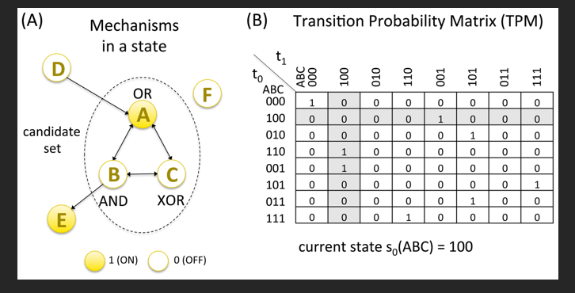 | emd bi | Cut[D,F]━━//━━➤[A,B,C,E] | Φ=4,805374 | 1301,116271s
 | emd bi cut approximation | NullCut((0,1,2,3,4,5)) | Φ=0 | 0,002486s
 | emd bi memoization | Cut[D,F]━━//━━➤[A,B,C,E] | Φ=4,805374 | 1298,967955s
 | emd bi no new | Cut[D,F]━━//━━➤[A,B,C,E] | Φ=4,805374 | 1065,337553s
 | emd bi parallel | Cut[D,F]━━//━━➤[A,B,C,E] | Φ=4,805374 | 1318,673529s
 | emd tri cm | NullCut((0,1,2,3,4,5)) | Φ=0 | 0,002649s
 | emd tri no cm | Cut[D,E,F]━━//━━➤[A,B,C] | Φ=6,298571 | 15161,516365s
 | l1 bi cm | NullCut((0,1,2,3,4,5)) | Φ=0 | 0,001793s
 | l1 bi no cm | Cut[D,F]━━//━━➤[A,B,C,E] | Φ=11,502855 | 225,339444s
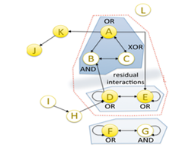 | emd bi | Traceback (most recent call last): File "/Users/Lucas/Desktop/PyPhi/executionFiles/graph8_emd_bi", line 16, in <module> subsystem = pyphi.Subsystem(network, state, node_indices) File "/Library/Frameworks/Python.framework/Versions/3.7/lib/python3.7/site-packages/pyphi/subsystem", line 101, in __init__ validate.subsystem(self) File "/Library/Frameworks/Python.framework/Versions/3.7/lib/python3.7/site-packages/pyphi/validate", line 182, in subsystem state_reachable(s) File "/Library/Frameworks/Python.framework/Versions/3.7/lib/python3.7/site-packages/pyphi/validate", line 164, in state_reachable raise exceptions.StateUnreachableError(subsystem.state) pyphi.exceptions.StateUnreachableError: The state (1, 0, 0, 1, 1, 1, 0) cannot be reached in the given TPM.
 | emd bi cut approximation | Traceback (most recent call last): File "/Users/Lucas/Desktop/PyPhi/executionFiles/graph8_emd_bi_cut_approximation", line 16, in <module> subsystem = pyphi.Subsystem(network, state, node_indices) File "/Library/Frameworks/Python.framework/Versions/3.7/lib/python3.7/site-packages/pyphi/subsystem", line 101, in __init__ validate.subsystem(self) File "/Library/Frameworks/Python.framework/Versions/3.7/lib/python3.7/site-packages/pyphi/validate", line 182, in subsystem state_reachable(s) File "/Library/Frameworks/Python.framework/Versions/3.7/lib/python3.7/site-packages/pyphi/validate", line 164, in state_reachable raise exceptions.StateUnreachableError(subsystem.state) pyphi.exceptions.StateUnreachableError: The state (1, 0, 0, 1, 1, 1, 0) cannot be reached in the given TPM.
 | emd bi memoization | Traceback (most recent call last): File "/Users/Lucas/Desktop/PyPhi/executionFiles/graph8_emd_bi_memoization", line 16, in <module> subsystem = pyphi.Subsystem(network, state, node_indices) File "/Library/Frameworks/Python.framework/Versions/3.7/lib/python3.7/site-packages/pyphi/subsystem", line 101, in __init__ validate.subsystem(self) File "/Library/Frameworks/Python.framework/Versions/3.7/lib/python3.7/site-packages/pyphi/validate", line 182, in subsystem state_reachable(s) File "/Library/Frameworks/Python.framework/Versions/3.7/lib/python3.7/site-packages/pyphi/validate", line 164, in state_reachable raise exceptions.StateUnreachableError(subsystem.state) pyphi.exceptions.StateUnreachableError: The state (1, 0, 0, 1, 1, 1, 0) cannot be reached in the given TPM.
 | emd bi no new | Traceback (most recent call last): File "/Users/Lucas/Desktop/PyPhi/executionFiles/graph8_emd_bi_no_new", line 16, in <module> subsystem = pyphi.Subsystem(network, state, node_indices) File "/Library/Frameworks/Python.framework/Versions/3.7/lib/python3.7/site-packages/pyphi/subsystem", line 101, in __init__ validate.subsystem(self) File "/Library/Frameworks/Python.framework/Versions/3.7/lib/python3.7/site-packages/pyphi/validate", line 182, in subsystem state_reachable(s) File "/Library/Frameworks/Python.framework/Versions/3.7/lib/python3.7/site-packages/pyphi/validate", line 164, in state_reachable raise exceptions.StateUnreachableError(subsystem.state) pyphi.exceptions.StateUnreachableError: The state (1, 0, 0, 1, 1, 1, 0) cannot be reached in the given TPM.
 | emd bi parallel | Traceback (most recent call last): File "/Users/Lucas/Desktop/PyPhi/executionFiles/graph8_emd_bi_parallel", line 16, in <module> subsystem = pyphi.Subsystem(network, state, node_indices) File "/Library/Frameworks/Python.framework/Versions/3.7/lib/python3.7/site-packages/pyphi/subsystem", line 101, in __init__ validate.subsystem(self) File "/Library/Frameworks/Python.framework/Versions/3.7/lib/python3.7/site-packages/pyphi/validate", line 182, in subsystem state_reachable(s) File "/Library/Frameworks/Python.framework/Versions/3.7/lib/python3.7/site-packages/pyphi/validate", line 164, in state_reachable raise exceptions.StateUnreachableError(subsystem.state) pyphi.exceptions.StateUnreachableError: The state (1, 0, 0, 1, 1, 1, 0) cannot be reached in the given TPM.
 | emd tri cm | Traceback (most recent call last): File "/Users/Lucas/Desktop/PyPhi/executionFiles/graph8_emd_tri_cm", line 16, in <module> subsystem = pyphi.Subsystem(network, state, node_indices) File "/Library/Frameworks/Python.framework/Versions/3.7/lib/python3.7/site-packages/pyphi/subsystem", line 101, in __init__ validate.subsystem(self) File "/Library/Frameworks/Python.framework/Versions/3.7/lib/python3.7/site-packages/pyphi/validate", line 182, in subsystem state_reachable(s) File "/Library/Frameworks/Python.framework/Versions/3.7/lib/python3.7/site-packages/pyphi/validate", line 164, in state_reachable raise exceptions.StateUnreachableError(subsystem.state) pyphi.exceptions.StateUnreachableError: The state (1, 0, 0, 1, 1, 1, 0) cannot be reached in the given TPM.
 | emd tri no cm | Traceback (most recent call last): File "/Users/Lucas/Desktop/PyPhi/executionFiles/graph8_emd_tri_no_cm", line 16, in <module> subsystem = pyphi.Subsystem(network, state, node_indices) File "/Library/Frameworks/Python.framework/Versions/3.7/lib/python3.7/site-packages/pyphi/subsystem", line 101, in __init__ validate.subsystem(self) File "/Library/Frameworks/Python.framework/Versions/3.7/lib/python3.7/site-packages/pyphi/validate", line 182, in subsystem state_reachable(s) File "/Library/Frameworks/Python.framework/Versions/3.7/lib/python3.7/site-packages/pyphi/validate", line 164, in state_reachable raise exceptions.StateUnreachableError(subsystem.state) pyphi.exceptions.StateUnreachableError: The state (1, 0, 0, 1, 1, 1, 0) cannot be reached in the given TPM.
 | l1 bi cm | Traceback (most recent call last): File "/Users/Lucas/Desktop/PyPhi/executionFiles/graph8_l1_bi_cm", line 16, in <module> subsystem = pyphi.Subsystem(network, state, node_indices) File "/Library/Frameworks/Python.framework/Versions/3.7/lib/python3.7/site-packages/pyphi/subsystem", line 101, in __init__ validate.subsystem(self) File "/Library/Frameworks/Python.framework/Versions/3.7/lib/python3.7/site-packages/pyphi/validate", line 182, in subsystem state_reachable(s) File "/Library/Frameworks/Python.framework/Versions/3.7/lib/python3.7/site-packages/pyphi/validate", line 164, in state_reachable raise exceptions.StateUnreachableError(subsystem.state) pyphi.exceptions.StateUnreachableError: The state (1, 0, 0, 1, 1, 1, 0) cannot be reached in the given TPM.
 | l1 bi no cm | Traceback (most recent call last): File "/Users/Lucas/Desktop/PyPhi/executionFiles/graph8_l1_bi_no_cm", line 16, in <module> subsystem = pyphi.Subsystem(network, state, node_indices) File "/Library/Frameworks/Python.framework/Versions/3.7/lib/python3.7/site-packages/pyphi/subsystem", line 101, in __init__ validate.subsystem(self) File "/Library/Frameworks/Python.framework/Versions/3.7/lib/python3.7/site-packages/pyphi/validate", line 182, in subsystem state_reachable(s) File "/Library/Frameworks/Python.framework/Versions/3.7/lib/python3.7/site-packages/pyphi/validate", line 164, in state_reachable raise exceptions.StateUnreachableError(subsystem.state) pyphi.exceptions.StateUnreachableError: The state (1, 0, 0, 1, 1, 1, 0) cannot be reached in the given TPM.
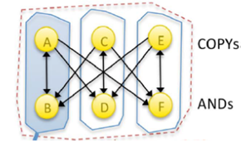 | emd bi | Cut[A,B]━━//━━➤[C,D,E,F] | Φ=0,531249 | 183,684592s
 | emd bi cut approximation | Cut[A]━━//━━➤[B,C,D,E,F] | Φ=0,859372 | 1,779311s
 | emd bi memoization | Cut[A,B]━━//━━➤[C,D,E,F] | Φ=0,531249 | 183,616494s
 | emd bi no new | Cut[A,B]━━//━━➤[C,D,E,F] | Φ=0,531249 | 14,387839s
 | emd bi parallel | Cut[A,B]━━//━━➤[C,D,E,F] | Φ=0,531249 | 184,391743s
 | emd tri cm | Cut[A,B]━━//━━➤[C,D,E,F] | Φ=0,749999 | 4,637165s
 | emd tri no cm | Cut[A,B]━━//━━➤[C,D,E,F] | Φ=0,749996 | 1607,32031s
 | l1 bi cm | Cut[A,B,C,D]━━//━━➤[E,F] | Φ=1,625001 | 3,466755s
 | l1 bi no cm | Cut[A,B,C,D]━━//━━➤[E,F] | Φ=1,625001 | 98,545874s
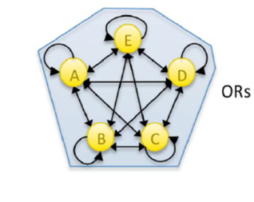 | emd bi | Cut[B]━━//━━➤[A,C,D,E] | Φ=0,003057 | 95,895717s
 | emd bi cut approximation | Cut[A]━━//━━➤[B,C,D,E] | Φ=0,003057 | 28,628398s
 | emd bi memoization | Cut[A]━━//━━➤[B,C,D,E] | Φ=0,003057 | 92,956409s
 | emd bi no new | Cut[B]━━//━━➤[A,C,D,E] | Φ=0,003057 | 8,37728s
 | emd bi parallel | Cut[A]━━//━━➤[B,C,D,E] | Φ=0,003057 | 92,438114s
 | emd tri cm | Cut[A,B,C,D]━━//━━➤[E] | Φ=0,026402 | 320,376203s
 | emd tri no cm | Cut[A,B,C,D]━━//━━➤[E] | Φ=0,026402 | 506,773062s
 | l1 bi cm | Cut[A,B,C,D]━━//━━➤[E] | Φ=0,010016 | 30,621185s
 | l1 bi no cm | Cut[A,B,C,D]━━//━━➤[E] | Φ=0,010016 | 28,475949s
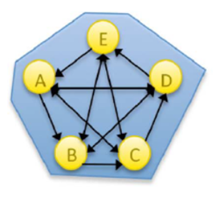 | emd bi | Cut[A]━━//━━➤[B,C,D,E] | Φ=0,009583 | 99,744442s
 | emd bi cut approximation | Cut[D]━━//━━➤[A,B,C,E] | Φ=0,009583 | 31,35992s
 | emd bi memoization | Cut[A]━━//━━➤[B,C,D,E] | Φ=0,009583 | 99,364364s
 | emd bi no new | Cut[A]━━//━━➤[B,C,D,E] | Φ=0,009583 | 8,105043s
 | emd bi parallel | Cut[A]━━//━━➤[B,C,D,E] | Φ=0,009583 | 100,091331s
 | emd tri cm | Cut[A,B,C,D]━━//━━➤[E] | Φ=0,06666 | 404,282037s
 | emd tri no cm | Cut[A,B,C,D]━━//━━➤[E] | Φ=0,066659 | 441,532485s
 | l1 bi cm | Cut[A,B,C,D]━━//━━➤[E] | Φ=0,032778 | 24,146537s
 | l1 bi no cm | Cut[A,B,C,D]━━//━━➤[E] | Φ=0,032778 | 27,21954s

